Axopar 29 Sun Top 2026
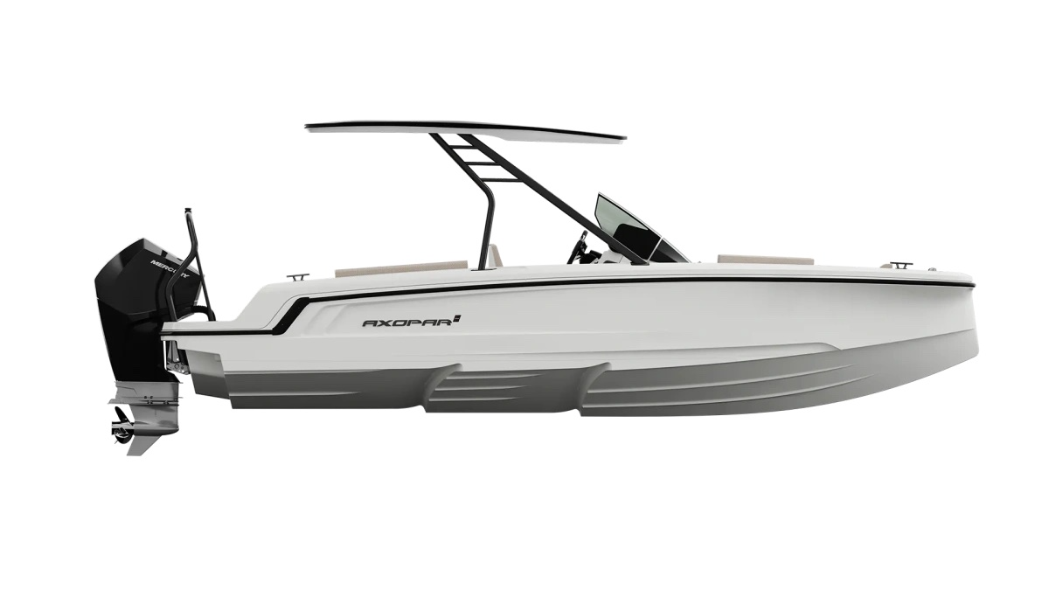
 |  |  |  | WWW.AXOPARUK.COM
 |  |  |  | Nimbus Boats UK Limited,
 |  |  |  | Lymington Yacht Haven,
 |  |  |  | King's Saltern Road,
 |  |  |  | Lymington, Hants, SO41 3QD
 |  |  |  | +44 (0) 1590 677955 / info@nimbusboatsuk.com | info@nimbusboatsuk.com

Axopar 22 T Top 2026
Selection | Code | Name | List Price € | Y-To select option | Price € (EX VAT)
Boat Model
0 | AXO9003542 | Axopar 22 T-Top 2026 | € 34,500 | Y-To select option | € 34,500
Aft Deck Setup
0 | AXO9000066 | U-sofa layout | € 560 |  | € -
0 | AXO9000067 | Multi-storage compartment | € 560 |  | € -
0 | AXO9000080 | Aft sofa
Brabus Line
0 | AXO9003145 | BRABUS Trim Line | € 1,480 |  | € -
0 | AXO9003312 | BRABUS Line Color Edition, Miami Blue | € 1,750 |  | € -
0 | AXO9003313 | BRABUS Line Color Edition, Platinum Grey | € 1,750 |  | € -
Engine setups
0 | TBC | Mercury FourStroke F115 EFI with pre-rig and propeller | € 15,630 |  | € -
0 | TBC | Mercury FourStroke F150 EFI with pre-rig and propeller | € 18,230 |  | € -
0 | TBC | Mercury FourStroke V6 F200 DTS, black, with pre-rig and propeller | € 22,730 |  | € -
0 | TBC | Mercury FourStroke V6 F200 DTS, white, with pre-rig and propeller | € 23,730 |  | € -
0 | AXO9003319 | BRABUS Performance Line, Mercury Verado V8 250hp, black, with pre-rig and propeller | € 31,190 |  | € -
0 | AXO9003804 | BRABUS Performance Line, Mercury Verado V8 250hp, white, with pre-rig and propeller | € 32,190 |  | € -
0 | AXO9000068 | Pre rig, Single, Mercury Fourstroke EFI 115 | € 2,350 |  | € -
0 | AXO9000069 | Pre rig, Single, Mercury Fourstroke EFI 150 | € 2,350 |  | € -
0 | AXO9000070 | Pre rig, Single, Mercury Fourstroke V6 200 | € 2,900 |  | € -
0 | TBC | Pre rig, Single, Mercury Verado V8 | € 5,490 |  | € -
0 | AXO9000071 | Mercury power steering (only for V6 engines) | € 1,550 |  | € -
0 | AXO9000074 | Hydraulic steering only, single non-Mercury engine | € 1,130 |  | € -
0 | AXO9000072 | Mercury First Mate | € 990 |  | € -
0 | AXO9000073 | Mercury VesselView 502 | € 1,125 |  | € -
Jobe Version
0 | AXO9000056 | Axopar x JOBE Revolve | € 6,080 |  | € -
0 | AXO9000058 | JOBE Exploration Package | € 1,300 |  | € -
Upholstery Color
0 | AXO9000045 | Aft sofa upholstery, Sterling Storm | € 610 |  | € -
0 | AXO9000046 | U-sofa upholstery, Sterling Storm | € 1,050 |  | € -
0 | AXO9000047 | Multi-storage upholstery, Sterling Storm | € 1,050 |  | € -
0 | AXO9000089 | Aft sofa upholstery, Axopar x JOBE | € 610 |  | € -
0 | AXO9000090 | U-sofa upholstery, Axopar x JOBE | € 1,050 |  | € -
0 | AXO9000091 | Multi-storage upholstery, Axopar x JOBE | € 1,050 |  | € -
0 | AXO9001590 | U-sofa upholstery, Sterling/Storm, Petrol, Cobre, Sandstone, Baltic | € 1,050 |  | € -
0 | AXO9001592 | Multi-storage upholstery, Sterling/Storm, Petrol, Cobre, Sandstone, Baltic | € 1,050 |  | € -
0 | AXO9001594 | Aft sofa upholstery, Sterling/Storm, Petrol, Cobre, Sandstone, Baltic | € 610 |  | € -
0 | AXO9001596 | U-sofa upholstery, Sandstone | € 1,050 |  | € -
0 | AXO9001598 | Multi-storage upholstery, Sandstone | € 1,050 |  | € -
0 | AXO9001600 | Aft sofa upholstery, Sandstone | € 610 |  | € -
0 | AXO9001602 | U-sofa upholstery, Baltic | € 1,050 |  | € -
0 | AXO9001604 | Multi-storage upholstery, Baltic | € 1,050 |  | € -
0 | AXO9001606 | Aft sofa upholstery, Baltic | € 610 |  | € -
0 | AXO9001608 | U-sofa upholstery, Cobre | € 1,050 |  | € -
0 | AXO9001610 | Multi-storage upholstery, Cobre | € 1,050 |  | € -
0 | AXO9001612 | Aft sofa upholstery, Cobre | € 610 |  | € -
Mediterrana / Lounge
0 | AXO9001882 | The Mediterrana Edition, U-sofa | € 3,990 |  | € -
0 | AXO9001884 | The Mediterrana Edition, multi-storage | € 4,290 |  | € -
0 | AXO9002250 | Marine decking w. Mediterrana U-sofa & fridge module | € 2,690 |  | € -
0 | AXO9002251 | Marine decking w. Mediterrana U-sofa | € 2,690 |  | € -
0 | AXO9002252 | Marine decking w. Mediterrana multi-storage & fridge module | € 2,690 |  | € -
0 | AXO9002253 | Marine decking w. Mediterrana multi-storage | € 2,690 |  | € -
Fore deck setup
0 | AXO9000044 | Front deck seat with cushions, Sterling Storm | € 410 |  | € -
0 | AXO9000092 | Front deck seat with cushion Axopar x JOBE | € 410 |  | € -
0 | AXO9000098 | Forward facing console seat, Sterling Storm | € 560 |  | € -
0 | AXO9000105 | Forward facing console seat, Axopar x JOBE | € 560 |  | € -
0 | AXO9001593 | Front deck seat w. cushions, Petrol | € 410 |  | € -
0 | AXO9001595 | Forward facing console seat, Petrol | € 560 |  | € -
0 | AXO9001599 | Front deck seat w. cushions, Sandstone | € 410 |  | € -
0 | AXO9001601 | Forward facing console seat, Sandstone | € 560 |  | € -
0 | AXO9001605 | Front deck seat w. cushions, Baltic | € 410 |  | € -
0 | AXO9001607 | Forward facing console seat, Baltic | € 560 |  | € -
0 | AXO9001611 | Front deck seat w. cushions, Cobre | € 410 |  | € -
0 | AXO9001613 | Forward facing console seat, Cobre | € 560 |  | € -
EU/US version
0 | AXO9000040 | Fuel system - EU
0 | AXO9000041 | Fuel system - EPA | € 480 |  | € -
0 | Preselection7 | US Version
Electrical System
0 | AXO9000032 | Single battery system
0 | AXO9000033 | Dual battery system | € 560 |  | € -
Navigation option
0 | AXO9003581 | Chartplotter Simrad NSS4 12" | € 4,200 |  | € -
0 | AXO9001873 | Chartplotter Simrad NSX 9" | € 1,790 |  | € -
0 | AXO9001874 | Chartplotter Simrad NSX 12" | € 3,400 |  | € -
0 | AXO9000065 | Echo sounder, thru hull | € 490 |  | € -
Audio
0 | AXO9001850 | Basic audio entertainment system, Clarion | € 560 |  | € -
0 | AXO9001852 | Audio entertainment system upgrade, Clarion | € 1,290 |  | € -
Freshwater system
0 | AXO9000034 | Fresh water system 32l incl. shower on aft deck | € 670 |  | € -
0 | AXO9000035 | Toilet, manual sea water flush, 25l septic tank | € 1,840 |  | € -
0 | AXO9000036 | Toilet electric fresh water flush, 25l septic tank | € 2,390 |  | € -
0 | AXO9001127 | Seat base with top-loaded refrigerator and sink | € 1,400 |  | € -
Cushion Set
0 | AXO9000060 | Sunbed cushions for U-sofa layout, all colors | € 370 |  | € -
0 | AXO9000093 | Sunbed cushions for U-sofa layout Axopar x JOBE | € 370 |  | € -
0 | AXO9001624 | Sunbed cushions for U-sofa layout, Petrol | € 370 |  | € -
0 | AXO9001629 | Sunbed cushions for U-sofa layout, Sandstone | € 370 |  | € -
0 | AXO9001634 | Sunbed cushions for U-sofa layout, Baltic | € 370 |  | € -
0 | AXO9001639 | Sunbed cushions for U-sofa layout, Cobre | € 370 |  | € -
Onboard fittings
0 | AXO9000048 | Bow pulpit, Stbd side, black | € 300 |  | € -
0 | AXO9000119 | Bow pulpit, Port side, black | € 300 |  | € -
0 | AXO9003498 | Bow pulpit, Stbd side, white | € 300 |  | € -
0 | AXO9003499 | Bow pulpit, Port side, white | € 300 |  | € -
0 | AXO9000050 | Waterski frame, black | € 610 |  | € -
...

