Axopar 29 Sun Top 2026
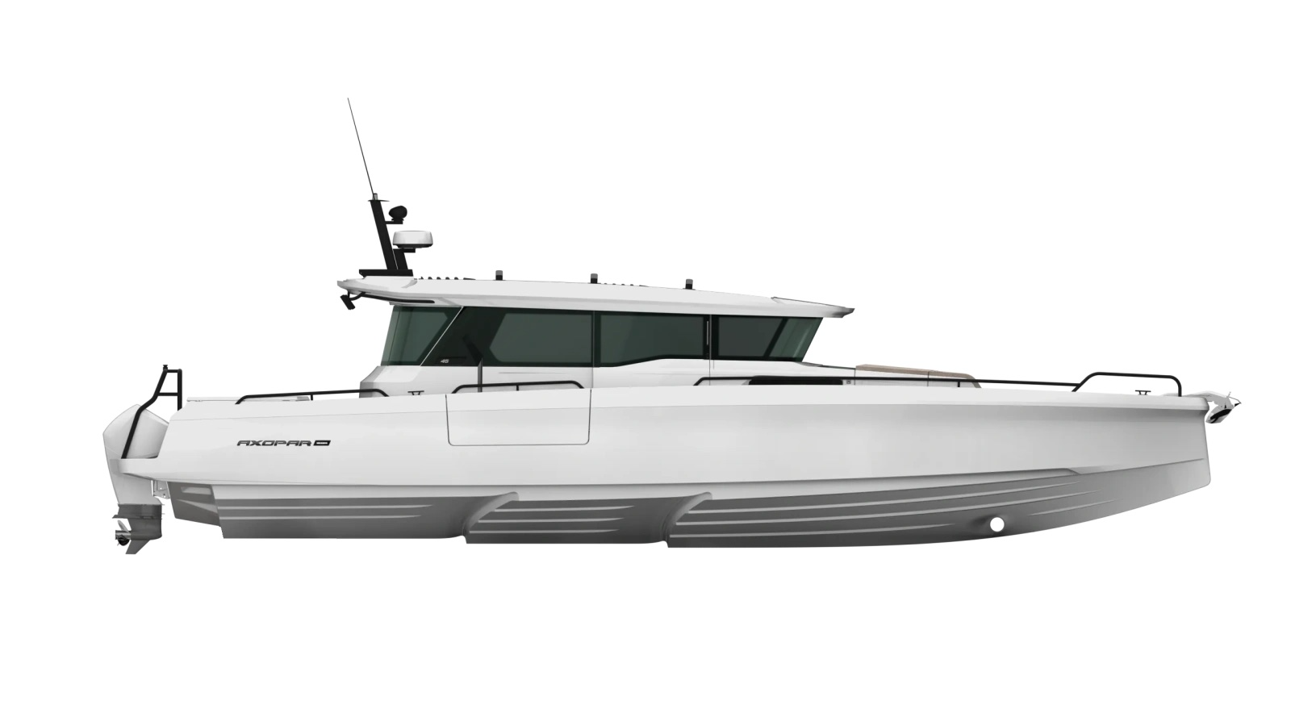
 |  |  |  | WWW.AXOPARUK.COM
 |  |  |  | Nimbus Boats UK Limited,
 |  |  |  | Lymington Yacht Haven,
 |  |  |  | King's Saltern Road,
 |  |  |  | Lymington, Hants, SO41 3QD
 |  |  |  | +44 (0) 1590 677955 / info@nimbusboatsuk.com | info@nimbusboatsuk.com

Axopar 45 XC Cross Cabin 2026
Selection | Code | Name | List Price € | Y-To select option | Price € (EX VAT)
Boat Model
0 | AXO9003751 | Axopar 45 XC Cross Cabin 2026 | € 417,700 | Y-To select option | € 417,700
Aft Deck Setup
0 | AXO9001070 | Open aft deck - XC
0 | AXO9001093 | Aft cabin - XC | € 23,730 |  | € -
0 | AXO9001442 | U-sofa - XC | € 13,550 |  | € -
0 | AXO9001669 | Aft deck bench - XC | € 4,400 |  | € -
Brabus Line
0 | AXO9001643 | BRABUS line trim package - XC | € 9,340 |  | € -
Engine setup
0 | TBC | Twin Mercury Verado V10 400hp Black DTS, with pre-rig and propellers | € 94,900 |  | € -
0 | TBC | Twin Mercury Verado V10 400hp White DTS, with pre-rig and propellers | € 96,900 |  | € -
0 | TBC | Triple Mercury Verado V8 300hp Black DTS, with pre-rig and propellers | € 97,190 |  | € -
0 | TBC | Triple Mercury Verado V8 300hp White DTS, with pre-rig and propellers | € 100,190 |  | € -
0 | TBC | Triple Mercury Verado V8 300hp Black JPO, with pre-rig and propellers | € 119,690 |  | € -
0 | TBC | Triple Mercury Verado V8 300hp White JPO, with pre-rig and propellers | € 122,690 |  | € -
0 | TBC | BRABUS Performance Line, Triple Mercury Verado V10 350hp, black DTS, with pre-rig and propellers | € 124,540 |  | € -
0 | TBC | BRABUS Performance Line, Triple Mercury Verado V10 350hp, white DTS, with pre-rig and propellers | € 127,540 |  | € -
0 | TBC | BRABUS Performance Line, Triple Mercury Verado V10 350hp, black JPO, with pre-rig and propellers | € 147,240 |  | € -
0 | TBC | BRABUS Performance Line, Triple Mercury Verado V10 350hp, white JPO, with pre-rig and propellers | € 150,240 |  | € -
0 | TBC | Pre rig, Twin, Mercury Verado V10, DTS | TBC
0 | AXO9001744 | Pre rig, Triple, Mercury Verado V8, DTS | TBC
0 | AXO9002867 | Pre rig, Triple, Mercury Verado V8, e-steer JPO | TBC
0 | AXO9003102 | Pre rig, Triple, Mercury Verado V10, DTS Performance Line | TBC
0 | AXO9003103 | Pre rig, Triple, Mercury Verado V10, JPO Performance Line | TBC
0 | TBC | No engines, twin | TBC
0 | TBC | No engines, triple | TBC
Upholstery Color
0 | AXO9002160 | Seats and upholstery, Petrol - XC
0 | AXO9002161 | Seats and upholstery, Sandstone - XC | € 850 |  | € -
0 | AXO9002162 | Seats and upholstery, Baltic - XC | € 850 |  | € -
0 | AXO9002163 | Seats and upholstery, Cobre - XC | € 850 |  | € -
0 | AXO9002309 | Comfort package, Petrol | € 3,000 |  | € -
0 | AXO9002310 | Comfort package, Baltic | € 3,000 |  | € -
0 | AXO9002311 | Comfort package, Cobre | € 3,000 |  | € -
0 | AXO9002312 | Comfort package, Sandstone | € 3,000 |  | € -
Mediterrana / Lounge
0 | TBC | The Mediterrana Edition - XC | € 8,900 |  | € -
0 | AXO9001692 | Marine decking w. aft bench - XC | € 10,290 |  | € -
0 | AXO9001693 | Marine decking w. open aft - XC | € 10,290 |  | € -
0 | AXO9001694 | Marine decking w. aft cabin - XC | € 10,290 |  | € -
0 | AXO9001695 | Marine decking w. U-sofa - XC | € 10,290 |  | € -
EU/US version
0 | AXO9001367 | Axopar 45 EU Version
0 | AXO9001377 | Axopar 45 US Version | € 1,670 |  | € -
Electrical System
0 | AXO9001131 | Electric grill on wet bar 110V - XC | € 1,300 |  | € -
0 | AXO9001133 | Electric grill on wet bar 230V - XC | € 1,300 |  | € -
0 | AXO9001134 | Induction cooktop on wet bar, 110V - XC | € 1,300 |  | € -
0 | AXO9001135 | Induction cooktop on wet bar, 230V - XC | € 1,300 |  | € -
0 | AXO9001364 | Solar panel - XC | € 2,100 |  | € -
0 | TBC | 12 kWh lithium battery pack | € 28,500 |  | € -
0 | TBC | 12 kWh lithium battery pack - 110V | € 28,500 |  | € -
0 | AXO9001454 | Wet bar in fender box | € 5,500 |  | € -
0 | AXO9001466 | Additional 65l fridge on wet bar | € 2,360 |  | € -
0 | AXO9001666 | Barbecue grill on fender box wet bar, 110V | € 1,300 |  | € -
0 | AXO9001667 | Barbecue grill on fender box wet bar, 230V | € 1,300 |  | € -
Navigation option
0 | AXO9001063 | Radar Simrad HALO20+ | € 3,050 |  | € -
0 | TBC | Twin Simrad NSS4 16" MFD upgrade, incl UI and connectivity | € 8,500 |  | € -
0 | TBC | Axopar Connectivity | € 1,350 |  | € -
0 | AXO9001066 | Echo sounder, Active Imaging 3-in-1 | € 870 |  | € -
0 | AXO9001067 | Echo sounder, thru hull | € 490 |  | € -
0 | AXO9001068 | VHF Simrad RS100B | € 2,140 |  | € -
0 | AXO9001620 | Reverse / aft deck camera | € 820 |  | € -
0 | AXO9001996 | Additional 9" helm display | € 1,990 |  | € -
0 | AXO9002350 | Front night vision camera, black | € 5,850 |  | € -
0 | AXO9002876 | Front night vision camera, white | € 5,850 |  | € -
Audio
0 | AXO9001072 | Basic audio entertainment system w. aft cabin - XC
0 | AXO9001073 | Basic audio entertainment system, JL Audio - XC
0 | AXO9001074 | Premium sound system w. aft cabin, JL Audio - XC | € 6,930 |  | € -
0 | AXO9001075 | Premium sound system, JL Audio - XC | € 6,930 |  | € -
0 | AXO9001076 | Audio system remote controller in front cabin | € 260 |  | € -
Front cabin layout
0 | AXO9002609 | Front cabin travel package | TBC
Freshwater system |  |  |  |  | € -
0 | AXO9000162 | Water heater, 230V | € 2,630 |  | € -
0 | AXO9000172 | Raw water system | € 800 |  | € -
0 | AXO9001366 | Water heater, 110V | € 2,630 |  | € -
Waste Water System |  |  |  |  | € -
0 | AXO9001099 | Toilet in aft cabin | € 2,630
Cushion Set
0 | AXO9002169 | Cushions for U-sofa, Baltic - XC | € - |  | € -
0 | AXO9002170 | Cushions for U-sofa, Cobre - XC | € - |  | € -
0 | AXO9002171 | Cushions for U-sofa, Petrol - XC | € - |  | € -
0 | AXO9002172 | Cushions for U-sofa, Sandstone - XC | € - |  | € -
0 | AXO9002175 | Sundeck cushions for aft cabin, Cobre - XC | € - |  | € -
0 | AXO9002176 | Sundeck cushions for aft cabin, Petrol - XC | € - |  | € -
0 | AXO9002177 | Sundeck cushions for aft cabin, Sandstone - XC | € - |  | € -
0 | AXO9002178 | Sundeck cushions for aft cabin, Baltic - XC | € - |  | € -
0 | AXO9002179 | Cushion for aft bench, Cobre | € - |  | € -
0 | AXO9002180 | Cushion for aft bench, Petrol | € - |  | € -
0 | AXO9002181 | Cushion for aft bench, Sandstone | € - |  | € -
0 | AXO9002182 | Cushion for aft bench, Baltic | € - |  | € -
0 | TBC | Sundeck cushions for aft cabin, Mediterrana - XC | € - |  | € -
0 | TBC | Cushion for aft bench, Mediterrana | € - |  | € -
0 | TBC | Cushions for U-sofa, Mediterrana - XC | € - |  | € -
0 | Preselection11 | No cushion set (open aft deck boat) | € - |  | € -
Onboard fittings
0 | AXO9000189 | Waterski frame, BRABUS Line, black | € 2,310 |  | € -
0 | AXO9000191 | Roof racks, white - XC | € 3,680 |  | € -
0 | AXO9001080 | Roof racks, BRABUS Line, black - XC | € 3,680 |  | € -
...

