Axopar 29 Sun Top 2026
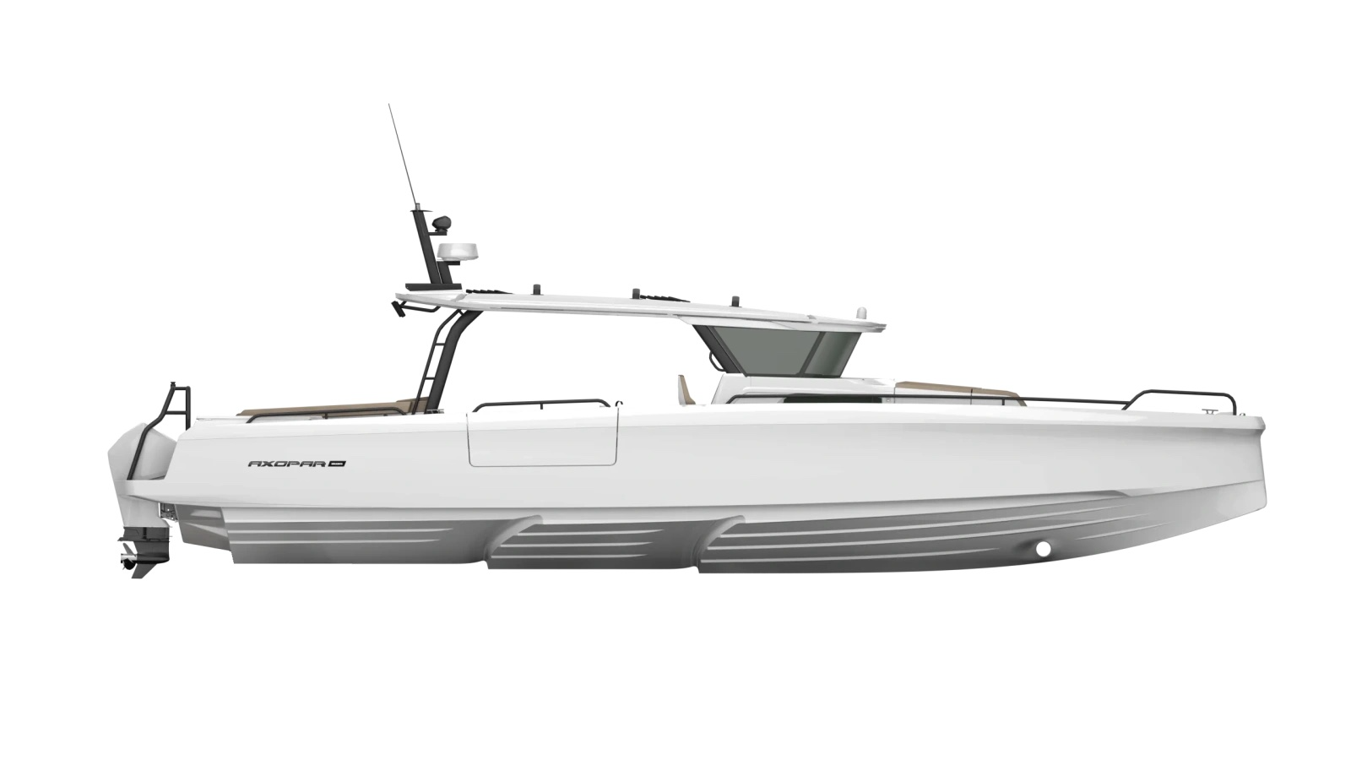
 |  |  |  | WWW.AXOPARUK.COM
 |  |  |  | Nimbus Boats UK Limited,
 |  |  |  | Lymington Yacht Haven,
 |  |  |  | King's Saltern Road,
 |  |  |  | Lymington, Hants, SO41 3QD
 |  |  |  | +44 (0) 1590 677955 / info@nimbusboatsuk.com | info@nimbusboatsuk.com

Axopar 45 Cross Top 2026
Selection | Code | Name | List Price € | Y-To select option | Price € (EX VAT)
Boat Model
0 | AXO9003749 | Axopar 45 Cross-Top 2026 | € 407,700 | Y-To select option | € 407,700
Aft Deck Setup
0 | AXO9001394 | Aft cabin - ST/XT | € 23,730 |  | € -
0 | AXO9001960 | U-sofa - ST/XT | € 12,900 |  | € -
0 | AXO9002023 | Aft deck bench - ST/XT
Brabus Line
0 | AXO9001959 | BRABUS line trim package - XT | € 9,340 |  | € -
Engine setup
0 | TBC | Twin Mercury Verado V10 400hp Black DTS, with pre-rig and propellers | € 94,900 |  | € -
0 | TBC | Twin Mercury Verado V10 400hp White DTS, with pre-rig and propellers | € 96,900 |  | € -
0 | TBC | Triple Mercury Verado V8 300hp Black DTS, with pre-rig and propellers | € 97,190 |  | € -
0 | TBC | Triple Mercury Verado V8 300hp White DTS, with pre-rig and propellers | € 100,190 |  | € -
0 | TBC | Triple Mercury Verado V8 300hp Black JPO, with pre-rig and propellers | € 119,690 |  | € -
0 | TBC | Triple Mercury Verado V8 300hp White JPO, with pre-rig and propellers | € 122,690 |  | € -
0 | TBC | BRABUS Performance Line, Triple Mercury Verado V10 350hp, black DTS, with pre-rig and propellers | € 124,540 |  | € -
0 | TBC | BRABUS Performance Line, Triple Mercury Verado V10 350hp, white DTS, with pre-rig and propellers | € 127,540 |  | € -
0 | TBC | BRABUS Performance Line, Triple Mercury Verado V10 350hp, black JPO, with pre-rig and propellers | € 147,240 |  | € -
0 | TBC | BRABUS Performance Line, Triple Mercury Verado V10 350hp, white JPO, with pre-rig and propellers | € 150,240 |  | € -
0 | TBC | Pre rig, Twin, Mercury Verado V10, DTS | TBC
0 | AXO9001744 | Pre rig, Triple, Mercury Verado V8, DTS | TBC
0 | AXO9002867 | Pre rig, Triple, Mercury Verado V8, e-steer JPO | TBC
0 | AXO9003102 | Pre rig, Triple, Mercury Verado V10, DTS Performance Line | TBC
0 | AXO9003103 | Pre rig, Triple, Mercury Verado V10, JPO Performance Line | TBC
0 | TBC | No engines, twin | TBC
0 | TBC | No engines, triple | TBC
Upholstery Color
0 | AXO9002188 | Seats and upholstery, Cobre - ST/XT | € 850 |  | € -
0 | AXO9002189 | Seats and upholstery, Petrol - ST/XT
0 | AXO9002190 | Seats and upholstery, Sandstone - ST/XT | € 850 |  | € -
0 | AXO9002191 | Seats and upholstery, Baltic - ST/XT | € 850 |  | € -
0 | AXO9002309 | Comfort package, Petrol | € 3,000 |  | € -
0 | AXO9002310 | Comfort package, Baltic | € 3,000 |  | € -
0 | AXO9002311 | Comfort package, Cobre | € 3,000 |  | € -
0 | AXO9002312 | Comfort package, Sandstone | € 3,000 |  | € -
Mediterrana / Lounge
0 | TBC | The Mediterrana Edition - ST/XT | € 8,900 |  | € -
0 | AXO9001728 | Marine decking w. aft cabin - ST/XT | € 10,290 |  | € -
0 | AXO9001784 | Marine decking w. Aft Bench - ST/XT | € 10,290 |  | € -
0 | AXO9001956 | Marine decking w. U-sofa - ST/XT | € 10,290 |  | € -
EU/US version
0 | AXO9001367 | Axopar 45 EU Version
0 | AXO9001377 | Axopar 45 US Version | € 1,670 |  | € -
Electrical System
0 | TBC | 12 kWh lithium battery pack | € 28,500 |  | € -
0 | TBC | 12 kWh lithium battery pack - 110V | € 28,500 |  | € -
0 | AXO9001454 | Wet bar in fender box | € 5,500 |  | € -
0 | AXO9001666 | Barbecue grill on fender box wet bar, 110V | € 1,300 |  | € -
0 | AXO9001667 | Barbecue grill on fender box wet bar, 230V | € 1,300 |  | € -
0 | AXO9001747 | Additional drawer fridge, Stbd | € 1,250 |  | € -
0 | AXO9001748 | Additional drawer fridge, Port | € 1,250 |  | € -
0 | AXO9002216 | Solar panel - ST/XT | € 2,100 |  | € -
0 | AXO9002331 | Induction cooktop on wet bar, 230V - ST/XT | € 1,300 |  | € -
0 | AXO9002332 | Induction cooktop on wet bar, 110V - ST/XT | € 1,300 |  | € -
0 | AXO9002333 | Electric grill on wet bar 230V - ST/XT | € 1,300 |  | € -
0 | AXO9002334 | Electric grill on wet bar 110V - ST/XT | € 1,300 |  | € -
0 | AXO9003016 | Additional 65l fridge on wet bar - ST/XT | € 2,360 |  | € -
Navigation option
0 | AXO9001063 | Radar Simrad HALO20+ | € 3,050 |  | € -
0 | TBC | Twin Simrad NSS4 16" MFD upgrade, incl UI and connectivity | € 8,500 |  | € -
0 | TBC | Axopar Connectivity | € 1,350 |  | € -
0 | AXO9001066 | Echo sounder, Active Imaging 3-in-1 | € 870 |  | € -
0 | AXO9001067 | Echo sounder, thru hull | € 490 |  | € -
0 | AXO9001068 | VHF Simrad RS100B | € 2,140 |  | € -
0 | AXO9001620 | Reverse / aft deck camera | € 820 |  | € -
0 | AXO9001996 | Additional 9" helm display | € 1,990 |  | € -
0 | AXO9002350 | Front night vision camera, black | € 5,850 |  | € -
0 | AXO9002876 | Front night vision camera, white | € 5,850 |  | € -
Audio
0 | AXO9001076 | Audio system remote controller in front cabin | € 260 |  | € -
0 | AXO9001723 | Premium sound system, JL Audio - ST/XT | € 6,930 |  | € -
0 | AXO9001724 | Premium sound system w. aft cabin, JL Audio - ST/XT | € 6,930 |  | € -
0 | AXO9001777 | Basic audio entertainment system, JL Audio - ST/XT
0 | AXO9001778 | Basic audio entertainment system w. aft cabin - ST/XT
Front cabin layout
0 | AXO9002609 | Front cabin travel package | TBC |  | € -
Freshwater system |  |  |  |  | € -
0 | AXO9000162 | Water heater, 230V | € 2,630 |  | € -
0 | AXO9000172 | Raw water system | € 800 |  | € -
0 | AXO9001366 | Water heater, 110V | € 2,630 |  | € -
Waste Water System |  |  |  |  | € -
0 | AXO9001099 | Toilet in aft cabin | € 2,630
Cushion Set
0 | AXO9002183 | Sundeck cushions for aft cabin, Cobre - ST/XT | € - |  | € -
0 | AXO9002184 | Sundeck cushions for aft cabin, Petrol - ST/XT | € - |  | € -
0 | AXO9002185 | Sundeck cushions for aft cabin, Sandstone - ST/XT | € - |  | € -
0 | AXO9002186 | Sundeck cushions for aft cabin, Baltic - ST/XT | € - |  | € -
0 | AXO9002195 | Cushion for aft bench, Cobre | € - |  | € -
0 | AXO9002196 | Cushion for aft bench, Petrol | € - |  | € -
0 | AXO9002197 | Cushion for aft bench, Sandstone | € - |  | € -
0 | AXO9002198 | Cushion for aft bench, Baltic | € - |  | € -
0 | AXO9002199 | Cushions for U-sofa, Cobre - ST/XT | € - |  | € -
0 | AXO9002200 | Cushions for U-sofa, Petrol - ST/XT | € - |  | € -
0 | AXO9002201 | Cushions for U-sofa, Sandstone - ST/XT | € - |  | € -
0 | AXO9002202 | Cushions for U-sofa, Baltic - ST/XT | € - |  | € -
0 | TBC | Sundeck cushions for aft cabin, Mediterrana - ST/XT | TBC |  | € -
0 | TBC | Cushions for U-sofa, Mediterrana - ST/XT | TBC |  | € -
0 | TBC | Cushion for aft bench, Mediterrana | TBC
Onboard fittings
0 | AXO9000189 | Waterski frame, BRABUS Line, black | € 2,310 |  | € -
0 | AXO9001469 | Waterski frame | € 2,310
0 | AXO9001483 | Sunshade, fore deck | € 2,090 |  | € -
...

