Axopar 29 Sun Top 2026
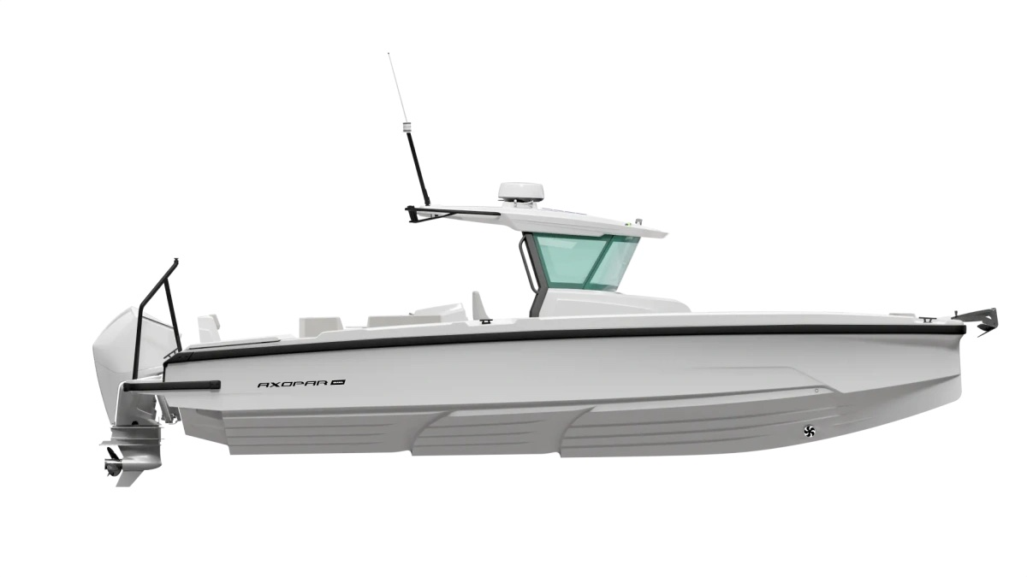
 |  |  |  | WWW.AXOPARUK.COM
 |  |  |  | Nimbus Boats UK Limited,
 |  |  |  | Lymington Yacht Haven,
 |  |  |  | King's Saltern Road,
 |  |  |  | Lymington, Hants, SO41 3QD
 |  |  |  | +44 (0) 1590 677955 / info@nimbusboatsuk.com | info@nimbusboatsuk.com

Axopar 29 CCX 2026
Selection | Code | Name | List Price € | Y-To select option | Price € (EX VAT)
Boat Model
0 | AXO9003745 | Axopar 29 CCX 2026 | € 66,500 | Y-To select option | € 66,500
Aft Deck Setup
0 | AXO9001542 | Aft cabin - ST & CCX | € 4,900 |  | € -
0 | AXO9001544 | Multi-storage - ST & CCX | € 3,500 |  | € -
0 | AXO9001546 | Wet bar - ST & CCX | € 4,900 |  | € -
0 | AXO9001552 | Aft U-sofa - ST & CCX | € 1,650 |  | € -
0 | AXO9002743 | Foldable aft leaning post - CCX | € 1,890 |  | € -
0 | AXO9002744 | Main bait well with tackle station - CCX | € 5,200 |  | € -
0 | AXO9002748 | Open aft deck - ST & CCX
0 | AXO9002749 | Aft sofa - ST & CCX | € 1,650 |  | € -
Brabus Line
0 | AXO9002330 | BRABUS line trim package - CCX | € 4,790 |  | € -
0 | AXO9003324 | BRABUS Line Color Edition, Miami Blue CCX | € 3,910 |  | € -
0 | AXO9003325 | BRABUS Line Color Edition, Platinum Grey CCX | € 3,910 |  | € -
Engine Setup
0 | TBC | Mercury Verado V8 300hp, black, with pre-rig and propeller | € 33,490 |  | € -
0 | TBC | Mercury Verado V8 300hp, white, with pre-rig and propeller | € 34,490 |  | € -
0 | TBC | Mercury Verado V10 350hp, black, with pre-rig and propeller | € 41,150 |  | € -
0 | TBC | Mercury Verado V10 350hp, white, with pre-rig and propeller | € 42,150 |  | € -
0 | TBC | Mercury Verado V10 400hp, black, with pre-rig and propeller | € 44,800 |  | € -
0 | TBC | Mercury Verado V10 400hp, white, with pre-rig and propeller | € 45,800 |  | € -
0 | TBC | Twin Mercury FourStroke V6 200hp, black, with pre-rig and propellers | € 49,800 |  | € -
0 | TBC | Twin Mercury FourStroke V6 200hp, white, with pre-rig and propellers | € 51,800 |  | € -
0 | Package35 | BRABUS Performance Line, Twin Mercury FourStroke V8 250hp DTS, black, with prerig and propellers | € 63,500 |  | € -
0 | Package36 | BRABUS Performance Line, Twin Mercury FourStroke V8 250hp DTS, white, with prerig and propellers | € 65,500 |  | € -
0 | Package37 | BRABUS Performance Line, Twin Mercury FourStroke V8 250hp JPO, black, with prerig and propellers | € 79,600 |  | € -
0 | Package38 | BRABUS Performance Line, Twin Mercury FourStroke V8 250hp JPO, white, with prerig and propellers | € 81,600 |  | € -
0 | AXO9001560 | Pre rig, Single, Mercury Verado V8 | € 7,090 |  | € -
0 | AXO9001561 | Pre rig, Twin, Mercury FourStroke V6 | € 10,100 |  | € -
0 | AXO9002207 | Pre rig, Single, Mercury Verado V10 | € 8,700 |  | € -
0 | AXO9003025 | No pre-rig, single engine | € 250 |  | € -
0 | AXO9003026 | No pre-rig, twin engine | € 250 |  | € -
0 | TBC | Mercury 1st Mate | € 990 |  | € -
Upholstery Color
0 | AXO9002473 | Cockpit upholstery w. 6 separate seats - ST, Petrol
0 | AXO9002474 | Cockpit upholstery w. 2 seats - ST, Petrol
0 | AXO9002902 | Cockpit upholstery w. 6 separate seats - ST, Cobre | € 480 |  | € -
0 | AXO9002903 | Cockpit upholstery w. 6 separate seats - ST, Sandstone | € 480 |  | € -
0 | AXO9002904 | Cockpit upholstery w. 6 separate seats - ST, Baltic | € 480 |  | € -
0 | AXO9002905 | Cockpit upholstery w. 2 seats - ST, Cobre | € 480 |  | € -
0 | AXO9002906 | Cockpit upholstery w. 2 seats - ST, Sandstone | € 480 |  | € -
0 | AXO9002907 | Cockpit upholstery w. 2 seats - ST, Baltic | € 480 |  | € -
0 | AXO9002760 | Cockpit upholstery w. 2 seats - CCX/ST, Chalk | € 790 |  | € -
0 | AXO9002761 | Cockpit upholstery w. 6 separate seats - CCX/ST, Chalk | € 790 |  | € -
0 | AXO9003739 | Cockpit upholstery w. 6 separate seats - CCX, Sphere | € 790 |  | € -
0 | AXO9003740 | Cockpit upholstery w. 2 seats - CCX, Sphere | € 790 |  | € -
0 | TBC | Cockpit upholstery w. 2 seats - ST, Dust | € 790 |  | € -
0 | TBC | Cockpit upholstery w. 6 separate seats - ST, Dust | € 790 |  | € -
Mediterrana / Lounge
0 | TBC | The Mediterrana Edition w. aft U-sofa - ST | € 10,980 |  | € -
0 | TBC | The Mediterrana Edition w. aft cabin - ST | € 8,800 |  | € -
0 | TBC | The Mediterrana Edition w. multi-storage - ST | € 8,800 |  | € -
0 | TBC | The Mediterrana Edition w. open aft - ST | € 6,990 |  | € -
0 | TBC | The Mediterrana Edition w. aft sofa - ST | € 6,990 |  | € -
0 | TBC | Multicabin upgrade package, Mediterrana | € 2,350 |  | € -
0 | AXO9003640 | Softdecking Mediterrana w Aft U Sofa | € 3,990 |  | € -
0 | TBC | Softdecking Mediterrana w Aft Cabin / Multi | € 3,900 |  | € -
0 | TBC | Softdecking Mediterrana with Open Aft | € 3,990 |  | € -
0 | TBC | Softdecking Mediterrana Single Engine | € 3,990 |  | € -
0 | TBC | Softdecking Mediterrana Dual Engine | € 3,990 |  | € -
Fore deck setup
0 | AXO9003157 | Front U-Sofa Fishbox Petrol | € 4,500 |  | € -
0 | AXO9003158 | Front U-Sofa Fishbox Cobre | € 4,500 |  | € -
0 | AXO9003159 | Front U-Sofa Fishbox Chalk | € 4,500 |  | € -
0 | AXO9003160 | Front U-Sofa Fishbox Sandstone | € 4,500 |  | € -
0 | AXO9003161 | Front U-Sofa Fishbox Baltic | € 4,500 |  | € -
0 | AXO9003162 | Front U-Sofa Fishbox Sphere | € 4,500 |  | € -
0 | TBC | Front U-Sofa Fishbox Dust | € 4,500 |  | € -
0 | Package13 | Front U-sofa package - CCX, Chalk | € 4,500 |  | € -
0 | Package14 | Front L-sofa package - CCX, Chalk | € 3,250 |  | € -
0 | Package15 | Front U-sofa package - CCX, Petrol | € 4,500 |  | € -
0 | Package16 | Front L-sofa package - CCX, Petrol | € 3,250 |  | € -
0 | Package17 | Front U-sofa package - CCX, Cobre | € 4,500 |  | € -
0 | Package18 | Front L-sofa package - CCX, Cobre | € 3,250 |  | € -
0 | Package19 | Front U-sofa package - CCX, Sandstone | € 4,500 |  | € -
0 | Package20 | Front L-sofa package - CCX, Sandstone | € 3,250 |  | € -
0 | Package21 | Front U-sofa package - CCX, Baltic | € 4,500 |  | € -
0 | Package22 | Front L-sofa package - CCX, Baltic | € 3,250 |  | € -
0 | Package23 | Front U-sofa package - CCX, Sphere | € 4,500 |  | € -
0 | Package24 | Front L-sofa package - CCX, Sphere | € 3,250 |  | € -
0 | TBC | Front U-sofa package - CCX, Dust | € 4,500 |  | € -
0 | TBC | Front L-sofa package - CCX, Dust | € 3,250 |  | € -
EU/US version
0 | AXO9003024 | Axopar 29 US version
0 | Preselection9 | Axopar 29 EU version
Fuel system
0 | AXO9002703 | Fuel system - EPA | € 550 |  | € -
Electrical System
0 | AXO9001901 | Shore power system 230V w. 35Ah charger | € 2,290 |  | € -
0 | AXO9001902 | Shore power system 110V w. 35Ah charger | € 2,730 |  | € -
0 | AXO9001980 | Remote controlled main switches, twin engine | € 990 |  | € -
0 | AXO9002152 | Remote controlled main switches, single engine | € 950 |  | € -
0 | AXO9002762 | Solar panel trickle charger system - CCX | € 2,090 |  | € -
0 | AXO9003019 | Lighting package - CCX | € 1,490 |  | € -
0 | AXO9003020 | Lighting package, BRABUS line - CCX | € 1,490 |  | € -
...

