Axopar 29 Sun Top 2026
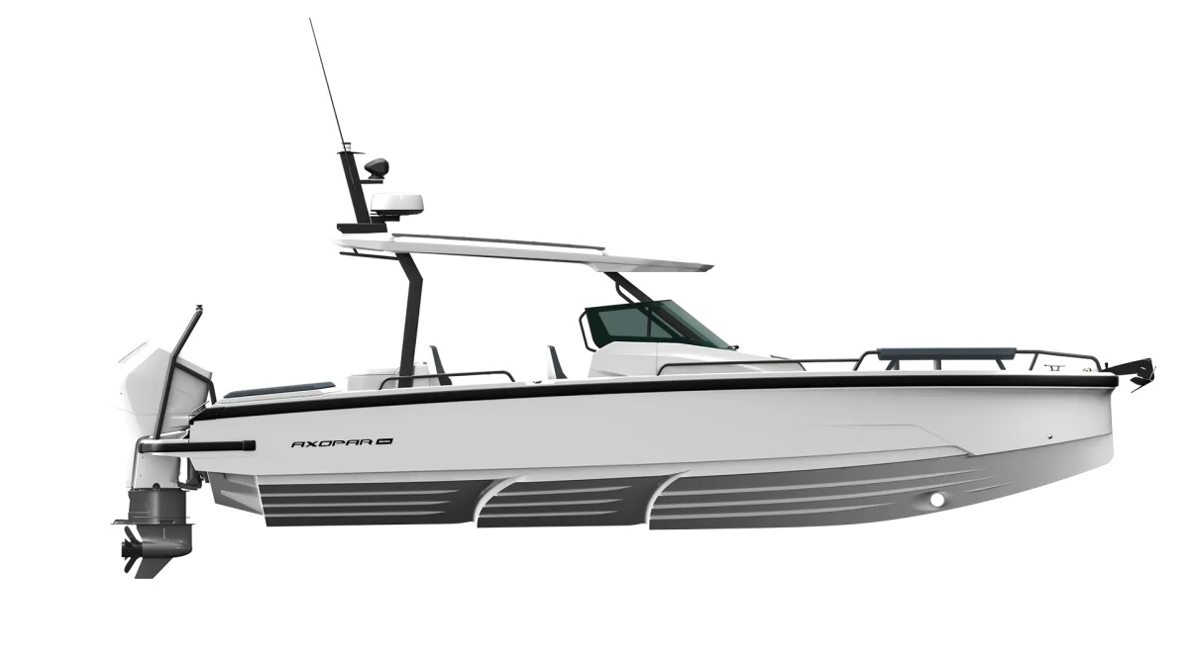
 |  |  |  | WWW.AXOPARUK.COM
 |  |  |  | Nimbus Boats UK Limited,
 |  |  |  | Lymington Yacht Haven,
 |  |  |  | King's Saltern Road,
 |  |  |  | Lymington, Hants, SO41 3QD
 |  |  |  | +44 (0) 1590 677955 / info@nimbusboatsuk.com | info@nimbusboatsuk.com

Axopar 29 Sun Top 2026
Selection | Code | Name | List Price € | Y-To select option | Price € (EX VAT)
Boat Model
0 | AXO9003744 | Axopar 29 Sun Top 2026 | € 61,500 |  | € -
Aft Deck Setup
0 | AXO9001542 | Aft cabin - ST & CCX | € 4,900 |  | € -
0 | AXO9001544 | Multi-storage - ST & CCX | € 3,500 |  | € -
0 | AXO9001546 | Wet bar - ST & CCX | € 4,900 |  | € -
0 | AXO9001552 | Aft U-sofa - ST & CCX | € 1,650 |  | € -
0 | AXO9002748 | Open aft deck - ST & CCX
0 | AXO9002749 | Aft sofa - ST & CCX | € 1,650 |  | € -
Brabus Line
0 | AXO9001841 | BRABUS line trim package - ST | € 4,790 |  | € -
0 | AXO9002946 | BRABUS Line Color Edition, Miami Blue ST | € 3,910 |  | € -
0 | AXO9002947 | BRABUS Line Color Edition, Platinum Grey ST | € 3,910 |  | € -
Engine Setup
0 | TBC | Mercury Verado V8 300hp, black, with pre-rig and propeller | € 33,490 |  | € -
0 | TBC | Mercury Verado V8 300hp, white, with pre-rig and propeller | € 34,490 |  | € -
0 | TBC | Mercury Verado V10 350hp, black, with pre-rig and propeller | € 41,150 |  | € -
0 | TBC | Mercury Verado V10 350hp, white, with pre-rig and propeller | € 42,150 |  | € -
0 | TBC | Mercury Verado V10 400hp, black, with pre-rig and propeller | € 44,800 |  | € -
0 | TBC | Mercury Verado V10 400hp, white, with pre-rig and propeller | € 45,800 |  | € -
0 | TBC | Twin Mercury FourStroke V6 200hp, black, with pre-rig and propellers | € 49,800 |  | € -
0 | TBC | Twin Mercury FourStroke V6 200hp, white, with pre-rig and propellers | € 51,800 |  | € -
0 | Package31 | BRABUS Performance Line, Twin Mercury FourStroke V8 250hp DTS, black, with prerig and propellers | € 63,500 |  | € -
0 | Package32 | BRABUS Performance Line, Twin Mercury FourStroke V8 250hp DTS, white, with prerig and propellers | € 65,500 |  | € -
0 | Package33 | BRABUS Performance Line, Twin Mercury FourStroke V8 250hp JPO, black, with prerig and propellers | € 79,600 |  | € -
0 | Package34 | BRABUS Performance Line, Twin Mercury FourStroke V8 250hp JPO, white, with prerig and propellers | € 81,600 |  | € -
0 | AXO9001560 | Pre rig, Single, Mercury Verado V8 | € 7,090 |  | € -
0 | AXO9001561 | Pre rig, Twin, Mercury FourStroke V6 | € 10,100 |  | € -
0 | AXO9002207 | Pre rig, Single, Mercury Verado V10 | € 8,700 |  | € -
0 | AXO9003025 | No pre-rig, single engine | € 250 |  | € -
0 | AXO9003026 | No pre-rig, twin engine | € 250 |  | € -
0 | TBC | Mercury 1st Mate | € 990 |  | € -
Upholstery Color
0 | AXO9002473 | Cockpit upholstery w. 6 separate seats - ST, Petrol
0 | AXO9002474 | Cockpit upholstery w. 2 seats - ST, Petrol
0 | AXO9002902 | Cockpit upholstery w. 6 separate seats - ST, Cobre | € 480 |  | € -
0 | AXO9002903 | Cockpit upholstery w. 6 separate seats - ST, Sandstone | € 480 |  | € -
0 | AXO9002904 | Cockpit upholstery w. 6 separate seats - ST, Baltic | € 480 |  | € -
0 | AXO9002905 | Cockpit upholstery w. 2 seats - ST, Cobre | € 480 |  | € -
0 | AXO9002906 | Cockpit upholstery w. 2 seats - ST, Sandstone | € 480 |  | € -
0 | AXO9002907 | Cockpit upholstery w. 2 seats - ST, Baltic | € 480 |  | € -
0 | AXO9002476 | Cockpit upholstery w. 6 separate seats - ST, Sphere | € 790 |  | € -
0 | AXO9001952 | Cockpit upholstery w. 2 seats - ST, Sphere | € 790 |  | € -
0 | AXO9003738 | Cockpit upholstery w. 6 separate seats - ST, Chalk | € 790 |  | € -
0 | AXO9003741 | Cockpit upholstery w. 2 seats - ST, Chalk | € 790 |  | € -
0 | TBC | Cockpit upholstery w. 2 seats - ST, Dust | € 790 |  | € -
0 | TBC | Cockpit upholstery w. 6 separate seats - ST, Dust | € 790 |  | € -
Mediterrana / Lounge
0 | AXO9002978 | The Mediterrana Edition w. aft U-sofa - ST | € 10,980 |  | € -
0 | AXO9002986 | The Mediterrana Edition w. aft cabin - ST | € 8,800 |  | € -
0 | AXO9002987 | The Mediterrana Edition w. multi-storage - ST | € 8,800 |  | € -
0 | AXO9002988 | The Mediterrana Edition w. open aft - ST | € 6,990 |  | € -
0 | AXO9002989 | The Mediterrana Edition w. aft sofa - ST | € 6,990 |  | € -
0 | AXO9002992 | Multicabin upgrade package, Mediterrana | € 2,350 |  | € -
0 | AXO9003113 | Softdecking Mediterrana w Aft U Sofa | € 3,990 |  | € -
0 | AXO9003114 | Softdecking Mediterrana w Aft Cabin / Multi | € 3,900 |  | € -
0 | AXO9003116 | Softdecking Mediterrana with Open Aft | € 3,990 |  | € -
0 | AXO9003119 | Softdecking Mediterrana Single Engine | € 3,990 |  | € -
0 | AXO9003121 | Softdecking Mediterrana Dual Engine | € 3,990 |  | € -
Fore deck setup
0 | Package1 | Front U-sofa package, All colors | € 4,500 |  | € -
0 | Package10 | Front L-sofa package, Sandstone | € 3,250 |  | € -
0 | Package11 | Front U-sofa package, Baltic | € 4,500 |  | € -
0 | Package12 | Front L-sofa package, Baltic | € 3,250 |  | € -
0 | Package2 | Front L-sofa package, All colors | € 3,250 |  | € -
0 | package25 | Front U-sofa package, Chalk | € 4,500 |  | € -
0 | Package26 | Front L-sofa package, Chalk | € 3,250 |  | € -
0 | Package5 | Front U-sofa package, Petrol | € 4,500 |  | € -
0 | Package6 | Front L-sofa package, Petrol | € 3,250 |  | € -
0 | Package7 | Front U-sofa package, Cobre | € 4,500 |  | € -
0 | Package8 | Front L-sofa package, Cobre | € 3,250 |  | € -
0 | Package9 | Front U-sofa package, Sandstone | € 4,500 |  | € -
0 | Package39 | Front U-sofa package, Dust | € 4,500 |  | € -
0 | Package40 | Front L-sofa package, Dust | € 3,250 |  | € -
EU/US version
0 | AXO9003024 | Axopar 29 US version
0 | Preselection9 | Axopar 29 EU version
Fuel system
0 | AXO9001502 | Fuel system - EU
0 | AXO9001503 | Fuel system - EPA | € 550 |  | € -
Electrical System
0 | AXO9001901 | Shore power system 230V w. 35Ah charger | € 2,290 |  | € -
0 | AXO9001902 | Shore power system 110V w. 35Ah charger | € 2,730 |  | € -
0 | AXO9001980 | Remote controlled main switches, twin engine | € 990 |  | € -
0 | AXO9002152 | Remote controlled main switches, single engine | € 950 |  | € -
0 | AXO9002684 | Lighting package - ST | € 1,290 |  | € -
0 | AXO9002685 | Lighting package, BRABUS line - ST | € 1,290 |  | € -
0 | AXO9003066 | Solar panel trickle charger system - ST | € 2,090 |  | € -
0 | AXO9003131 | Battery monitoring system | € 490 |  | € -
Navigation option
0 | AXO9001861 | Chart plotter Simrad NSX 12″ | € 3,400 |  | € -
0 | AXO9001862 | Twin chart plotter Simrad NSX 12″ | € 6,800 |  | € -
0 | AXO9003572 | Chart plotter Simrad NSS 4 12″ | € 4,200 |  | € -
0 | AXO9003573 | Twin chart plotter Simrad NSS 4 12″ incl. Axopar UI & Connectivity | € 8,800 |  | € -
0 | AXO9003577 | Axopar Connectivity | € 1,150 |  | € -
0 | AXO9001863 | Echo sounder, thru hull | € 490 |  | € -
0 | AXO9001864 | Echo sounder, Active Imaging 3-in-1 | € 850 |  | € -
...

