Axopar 29 Sun Top 2026
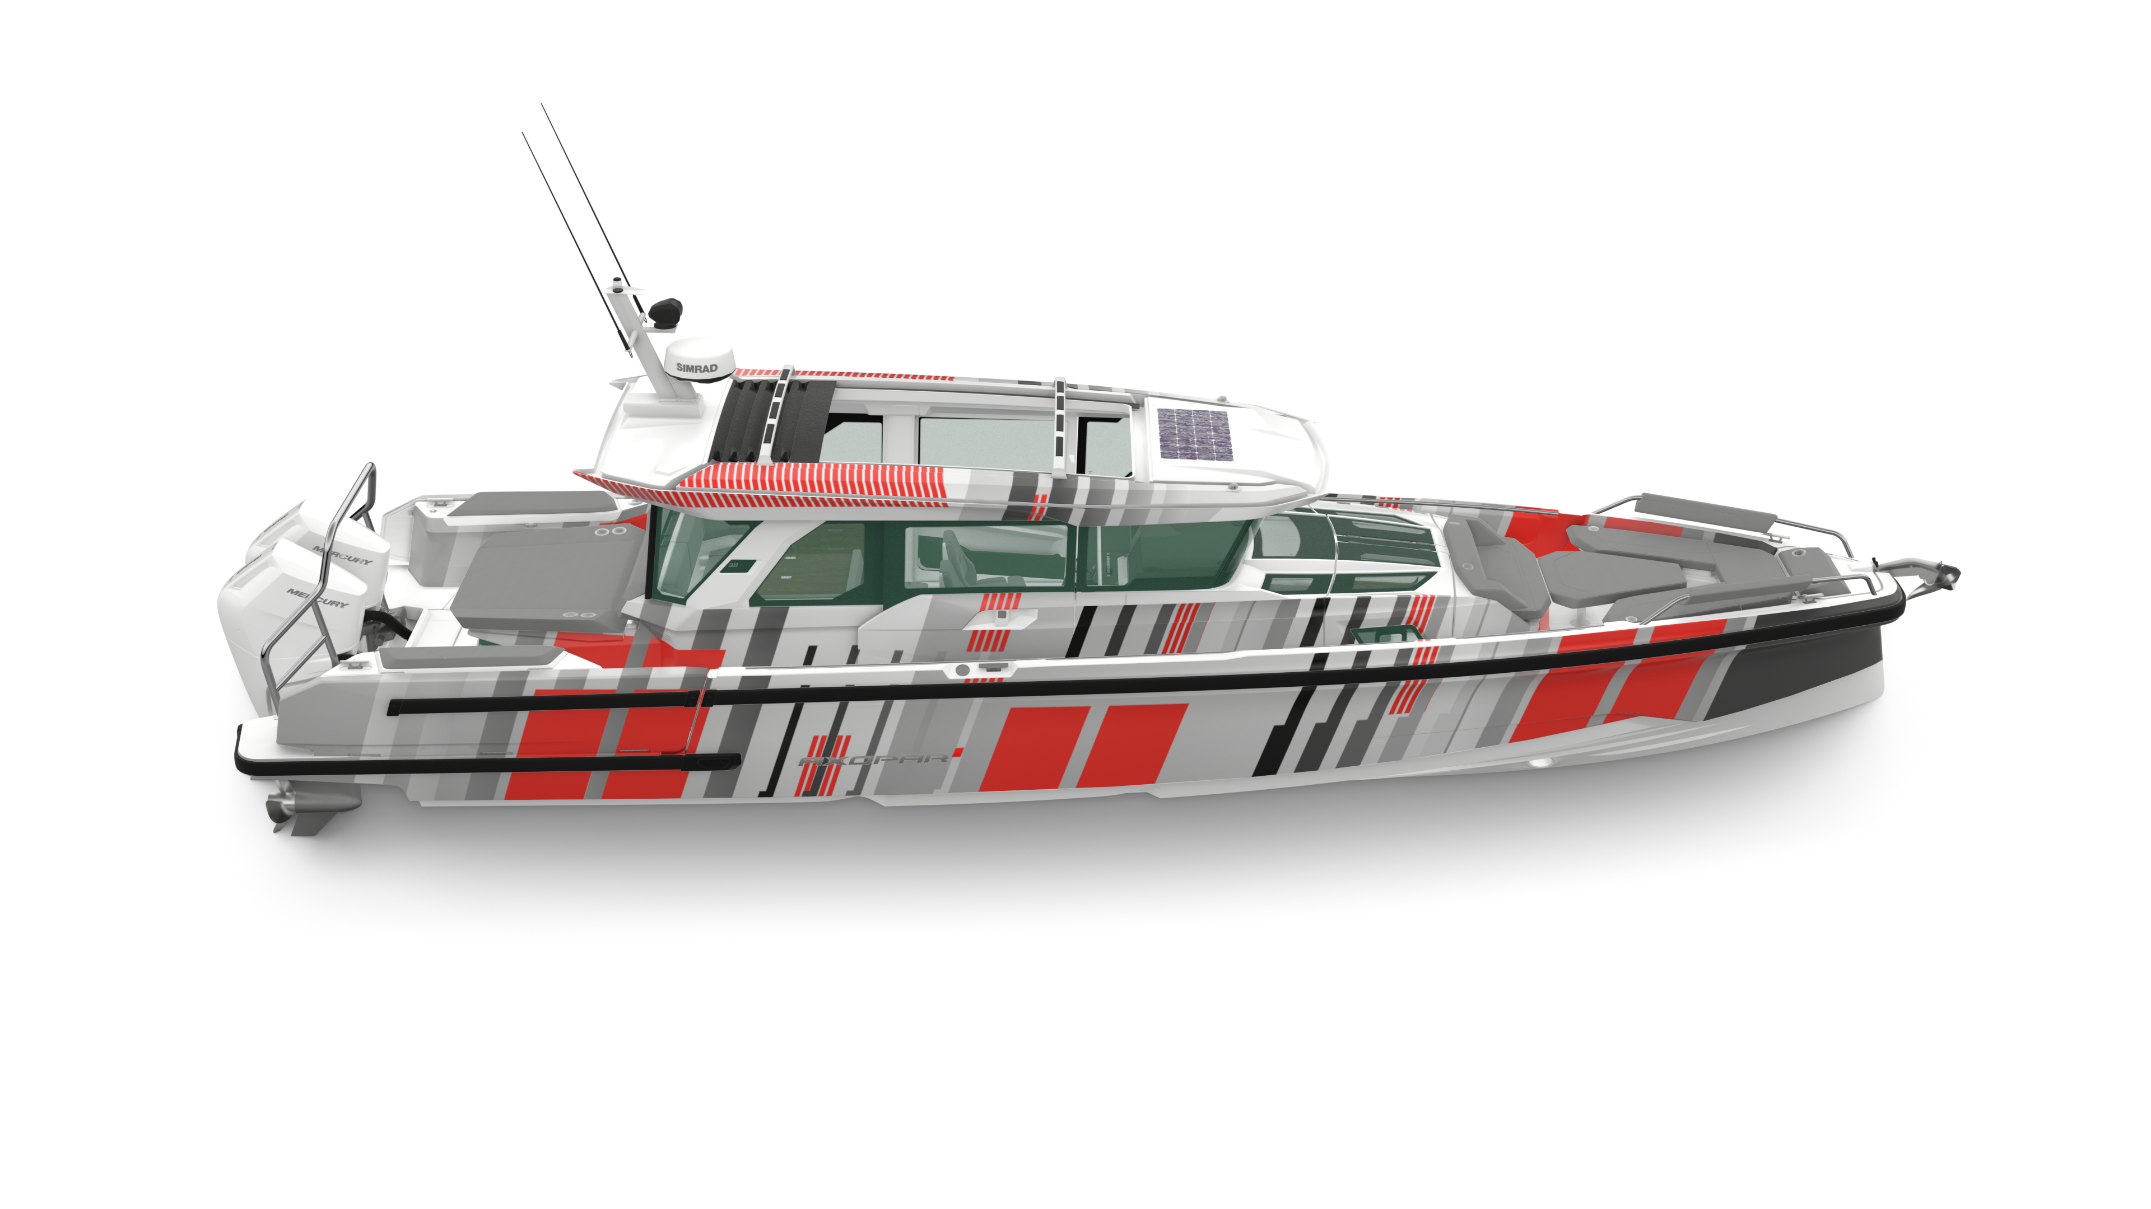
 |  |  |  | WWW.AXOPARUK.COM
 |  |  |  | Nimbus Boats UK Limited,
 |  |  |  | Lymington Yacht Haven,
 |  |  |  | King's Saltern Road,
 |  |  |  | Lymington, Hants, SO41 3QD
 |  |  |  | +44 (0) 1590 677955 / info@nimbusboatsuk.com | info@nimbusboatsuk.com

Axopar 38 Cross Cabin 2026
Selection | Code | Name | List Price € | Y-To select option | Price € (EX VAT)
Boat Model
 | AXO9003168 | Axopar 38 XC | € 133,000 | Y-To select option | € 133,000
Engine Selection
 | AXO9003450 | Twin V8 Mercury 300HP Black | € 50,700 |  | € -
 | AXO9003451 | Twin V8 Mercury 300HP White | € 52,700 |  | € -
 | AXO9003452 | Twin V8 Mercury 300HP Black JPO | € 50,700 |  | € -
 | AXO9003453 | Twin V8 Mercury 300HP White JPO | € 52,700 |  | € -
 | AXO9003454 | Twin V10 Mercury 350HP Black | € 62,500 |  | € -
 | AXO9003456 | Twin V10 Mercury 350HP White | € 64,500 |  | € -
 | AXO9003457 | Twin V10 Mercury 350HP JPO Black | € 62,500 |  | € -
 | AXO9003459 | Twin V10 Mercury 350HP JPO White | € 64,500 |  | € -
 | AXO9003595 | Prerig 2xV8 PS | € 10,100 |  | € -
 | AXO9003596 | Prerig 2xV8 JPO | € 30,200 |  | € -
 | AXO9003597 | Prerig 2xV10 PS | € 12,750 |  | € -
 | AXO9003598 | Prerig 2xV10 JPO | € 35,300 |  | € -
 | AXO9003574 | Twin propellers Enertia Eco 18" | € 2,125 |  | € -
 | AXO9000924 | Twin propellers Enertia Eco 19" | € 2,125 |  | € -
 | AXO9003611 | Twin propellers Revolution X 21" | € 2,550 |  | € -
 | AXO9001985 | Twin propellers Revolution X 22" | € 2,550 |  | € -
Region and Fuel system
 | AXO9003088 | EPA Fuel System | € 570 |  | € -
Package
 | AXO9003356 | BRABUS Line | € 5,780 |  | € -
Module selection Bow
 | AXO9003204 | Gullwing Doors | € 5,250 |  | € -
 | AXO9003239 | U-sofa Package | € 4,500 |  | € -
 | AXO9003241 | Sun Lounge | € 4,450 |  | € -
Module selection Stern
 | AXO9003285 | Aft Cabin | € 7,190 |  | € -
 | AXO9003294 | Wet Bar | € 5,490 |  | € -
 | AXO9003299 | Fold-down Activity Platforms | € 8,900 |  | € -
 | AXO9003350 | Wetbar in Fenderbox | € 4,900 |  | € -
 | AXO9003298 | Bench Seat w. Fender Storage, Starboard | € 770 |  | € -
 | AXO9003426 | Bench Seat w. Fender Storage, Port | € 770 |  | € -
Power Management & Systems
 | AXO9003593 | Lithium House Bank, EU | € 9,900 |  | € -
 | AXO9003080 | Lithium House Bank, US | € 9,900 |  | € -
 | AXO9003084 | Hot Water System 16 litre, EU | € 1,900 |  | € -
 | AXO9003085 | Hot Water System 16 litre, US | € 1,900 |  | € -
 | AXO9003166 | Shore Power System 230V | € 4,500 |  | € -
 | AXO9003167 | Shore Power System 110V | € 6,200 |  | € -
 | AXO9003309 | Solar Panel | € 2,090 |  | € -
 | AXO9003895 | Gas Distribution System | € 290 |  | € -
Exterior options
 | AXO9003093 | Antifouling, White | € 2,710 |  | € -
 | AXO9003095 | Antifouling, Grey | € 2,710 |  | € -
 | AXO9003216 | Sun Shade, Bow | € 1,180 |  | € -
 | AXO9003217 | Sun Shade, Aft | € 1,180 |  | € -
 | AXO9003218 | Bathing Ladder w. High Handles | € 430 |  | € -
 | AXO9003300 | Shower, Aft Deck, cold/hot | € 400 |  | € -
 | AXO9003432 | Shower, Aft Deck, cold | € 400 |  | € -
 | AXO9003293 | Grab Rail w. Rod Holders, white | € 690 |  | € -
 | AXO9003348 | Grab Rail w. Rod Holders, black | € 690 |  | € -
 | AXO9003347 | Roof Rack set, black | € 1,750 |  | € -
 | AXO9003292 | Roof Rack set, white | € 1,750 |  | € -
 | AXO9003563 | Engine Frame, polished US | € 1,160 |  | € -
 | AXO9003565 | Engine Frame, black US | € 1,160 |  | € -
 | AXO9003296 | Engine Frame, polished EU | € 1,160 |  | € -
 | AXO9003349 | Engine Frame, black EU | € 1,160 |  | € -
 | AXO9003227 | Burnewiin Gunwale Mount | € 390 |  | € -
 |  | Burnewiin Gunwale Mount | € 390 |  | € -
 | AXO9003436 | Burnewiin Gunwale Mount | € 390 |  | € -
 | AXO9003237 | Gullwing Door Cushions | € 1,190 |  | € -
 |  | Fenderbox Cushion, Port | € 170 |  | € -
 |  | Fenderbox Cushion, Stbd | € 170 |  | € -
Upholstery Exterior
 |  | Silvertex Petrol
 |  | Silvertex Hunter | € 690 |  | € -
 |  | Mediterrana Antracite | € 2,950 |  | € -
 |  | Mediterrana Taupe | € 2,950 |  | € -
Layout Interior
 | AXO9003246 | Enclosed Toilet, Front cabin | € 6,490 |  | € -
 | AXO9003946 | Wardrobe extension to Pentry Module, cold | € 990 |  | € -
 | AXO9003949 | Wardrobe extension to Pentry Module, cold/hot | € 990 |  | € -
 | AXO9003262 | Wheelhouse Lounge | € 1,490 |  | € -
 | AXO9003289 | Refrigerator | € 1,610 |  | € -
 | AXO9003291 | Electric Sliding Canvas Roof, Wheelhouse | € 3,210 |  | € -
 | AXO9003287 | Bar Cabinet | € 1,500 |  | € -
 | AXO9003345 | Openable Aft Window | € 2,300 |  | € -
 | AXO9003282 | Electrically Openable Aft Window | € 3,700 |  | € -
 |  | Drivers Sofa Upgrade | € 2,490 |  | € -
Onboard Comfort
 | AXO9003247 | Shower in Toilet compartment, cold/hot | € 490 |  | € -
 | AXO9003248 | Shower in Toilet compartment, cold | € 490 |  | € -
 | AXO9003249 | Drawer Fridge 30L | € 1,190 |  | € -
 | AXO9003250 | Drawer Fridge 30L | € 1,190 |  | € -
 | AXO9003252 | Drawer Fridge 30L. Wardrobe | € 2,180 |  | € -
 | AXO9003253 | Drawer Fridge 30L. Wardrobe | € 2,180 |  | € -
 | AXO9003198 | Induction Cooktop one zone, Pentry Module, 230V | € 1,300 |  | € -
 | AXO9003199 | Induction Cooktop one zone, Pentry Module, 110V | € 1,500 |  | € -
 | AXO9003257 | Gas Cooktop one-burner, Pentry Module | € 600 |  | € -
 | AXO9003605 | Electric Grill, Wet Bar, 230V | € 2,000 |  | € -
 | AXO9003606 | Electric Grill, Wet Bar, 110V | € 2,000 |  | € -
 | AXO9003607 | Gas Cooktop two-burner, Wet Bar | € 920 |  | € -
 | AXO9003311 | Diesel Heater | € 5,100 |  | € -
 | AXO9003321 | Air Conditioning variable speed, EU | € 8,000 |  | € -
 | AXO9003322 | Air Conditioning variable speed, US | € 8,000 |  | € -
Upholstery Interior
 |  | Basecamp interior
 |  | Monterra interior | € 2,450 |  | € -
Operation
 | AXO9002267 | Axopar Safety Bag | € 700 |  | € -
 | AXO9003090 | Bow Thruster | € 4,350 |  | € -
 | AXO9003553 | Bow Thruster w. JPO integration | € 7,250 |  | € -
 | AXO9003201 | Electric Windlass System | € 5,690 |  | € -
 | AXO9003236 | Mooring Package | € 850 |  | € -
Entertainment
 | AXO9003071 | Basic Audio | € 1,250 |  | € -
 | AXO9003072 | Premium Audio Package | € 4,000 |  | € -
 | AXO9003380 | Premium Audio Package, Brabus Line | € 4,000 |  | € -
 | AXO9003301 | Underwater Lights Dual Color | € 1,150 |  | € -
 | AXO9003589 | Lighting Package | € 2,800 |  | € -
 | AXO9003590 | Lighting Package, with aft cabin | € 3,050 |  | € -
Navigation
 | AXO9003303 | Radar Simrad HALO 20" | € 2,880 |  | € -
 | AXO9003304 | Echo Sounder, Thru Hull | € 490 |  | € -
 | AXO9003305 | Echo Sounder, Active Imaging 3-in-1 | € 850 |  | € -
 | AXO9003306 | VHF Simrad RS100B | € 2,100 |  | € -
 | AXO9003346 | LED Search Light | € 810 |  | € -
 | AXO9003355 | Nightvision Camera FLIR M232, 360° | € 4,100 |  | € -
 | AXO9003393 | Chartplotter Simrad NSS4 12" - Twin | € 8,800 |  | € -
 | AXO9003392 | Chartplotter Simrad NSS4 12" - Single | € 4,200 |  | € -
 | AXO9003584 | Chartplotter Simrad NSS4 10" Twin | € 5,400 |  | € -
Logistics
 | AXO9001954 | Do not drill engine holes | € 200 |  | € -
 | AXO9002681 | Commissioning UK Twin Engine | € 6,354 |  | € -
 | AXO9002681 | Delivery UK | € 13,600 |  | € -

 |  |  | Price € |  | € 133,000

 |  |  | Exchange rate |  | £120,909

 |  |  | VAT @ 20% |  | £24,182
...

