BASIC GDU460
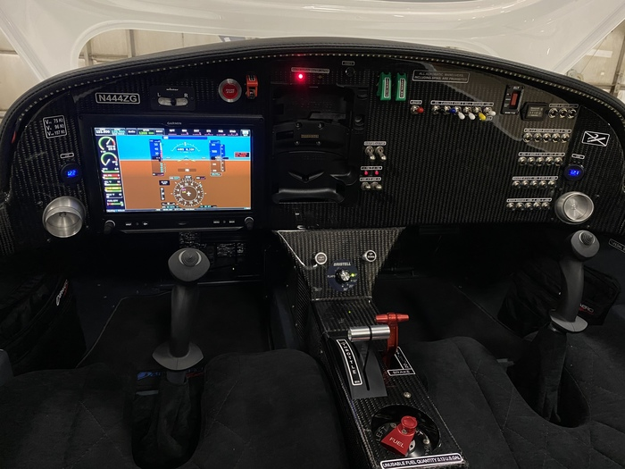

A | Basic Avionics with single ten inch G3X Touch Screen |  |  |  | G3X Installation kit
 | GTR 20R Remote Com |  |  | GDU 460 ten inch G3X Touch Screen
 | GMU22 Magnometer |  | GTP 59 Pitot Tube
 | GTx 45R Remote Transponder with ADS-B in and AV74 Antenna
 | Garmin GPS20A ABS-B Out with external installed antenna
 | GA57X external antenna for Xm Weather with 6 months subscription
 | GDL 51R for ADS-B GPS reception
 | GAP 26 AOA Angle of Attack indicator connected to G3X Touch and heated Pitot
 | Backup Battery, IBBS-12V-3AH for the GDU460 G3X Touch
 | Rotax engine probes |  | Fuel flow transducer and pressure sender
 | $30,486 | All Avionics installed |  | Included in the Bristell Basic Price

C IFR GNX 375
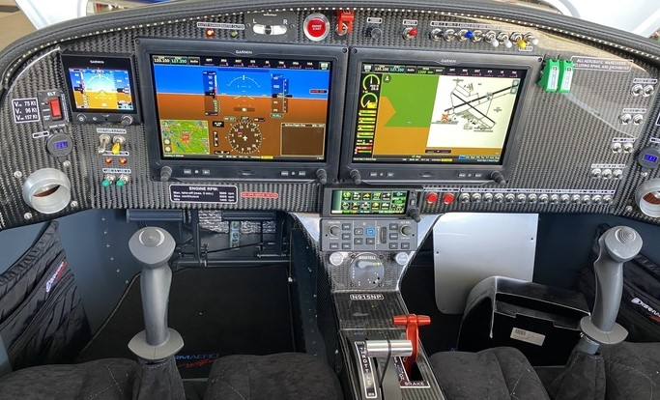

c | IFR GNX 375 G5 AP |  |  |  | Dual Screens | $12,977
 | Garmin GNX 375 TXP with GPS/ LPV
 | Gad 29 AIRNC 429 Interface for vert. guidance
 | Credit for GTX 45R Transponder
 | Garmin GNX 375 IFR Certified GPS |  |  |  |  | $10,870
 | External Pitot Static-included
 | Autopilot with GMC 507 and back up ADAHRS |  |  |  |  | $7,981
 | Electric Aileron Trim for better Autopilot operations |  |  |  |  | $795
 | Toga Button and Wig Wag Lights |  |  |  |  | included

 | Dual Screens plus GNX 375 |  |  |  | Total | $32,623
 | 1 | EFIS | G5 | $2,705 | Back Up | $2,705
Options | 0 | 2nd Com | GTR 20 | $1,990 | Remote | $0
 | 0 | Panel | GMA 245 | $2,584 | Audio Panel | $0
 | 0 | Panel | GMA 345 | $3,463 | Audio Panel | $0
 | 0 | ILS/VOR | VAL2000 | $3,995 | ILS | $0
 |  |  |  |  | Total | $35,328

D IFR GNC255
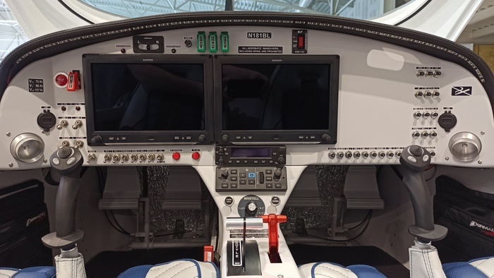

D | IFR GNC 255 AP |  |  | Dual Screens |  | $12,977
 | Second GDU460 and second GMU Magnometer
 | G3X LRU Kit for GSU-25 for second ADAHRS and MAG.
 | GSU second ADAHRS FOR SECOND SCREEN
 | GPS ANTENNA
 | Backup Battery, IBBS-12V-3AH for 2nd screen
 | G3X installation kit for second GDU460
 | TOSTEN CS 8 GRIPS, SET OF TWO

 | Plus | GNC 255 IFR Certified ILS COM |  |  | 7192
 | ILS glide slope receiver antenna installed |  |  |  | 1727
 | Credit for GTR20R com |  |  |  | -1495
 | External Pitot Static |  |  |  | 695
 | Toga Button and Wig Wag Lights |  |  |  | 640
 |  |  |  |  |  | $8,759
 | Dual Screens, IFR certified ILS/Com GNC 255

 | Autopilot with GMC 507 and back up ADAHRS |  |  |  |  | $7,981
 | Electric Aileron Trim for better Autopilot operations |  |  |  |  | $795

 | Note: One com radio |  | TOTAL |  |  | $30,512

E IFR GTN650
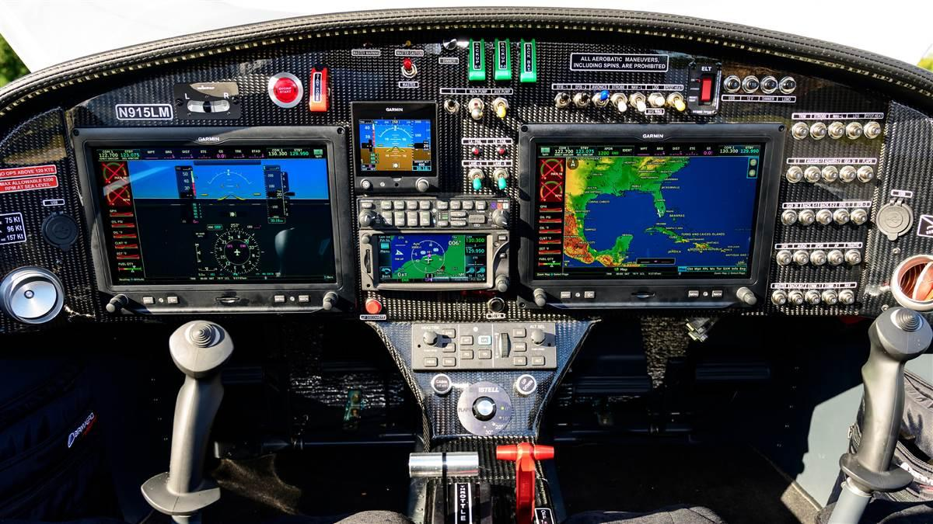

E | IFR GTN 650 G5 AP |  | Dual Screens | $12,977

 | Garmin GTN 650 WAAS GPS/Com/ILS $2120 credit for GPS 20A |  |  | $17,776
 | Garmin GAD 29 ARINC 429 interface to G3X (Req. w/GTN) |  |  | $948
 | Garmin ILS Antenna |  |  | $1,727
 | Garmin GMA 345 Audio Panel |  |  | $3,463
 | Back up G5 EFIS 4 inch display |  |  | $2,705

 | Autopilot with GMC 507 and back up ADAHRS |  |  | $7,981
 | Electric Aileron Trim for better Autopilot operations |  |  | $795
 | External Pitot Static |  |  | $695
 | Toga button and Wig Wag lights |  |  | $640
 | Up grade to GTN 650 Com, GPS, ILS IFR Certified Unit |  |  | $49,707

 |  | Dual Coms and Audio panel with clearance playback

GDU460 GMC507
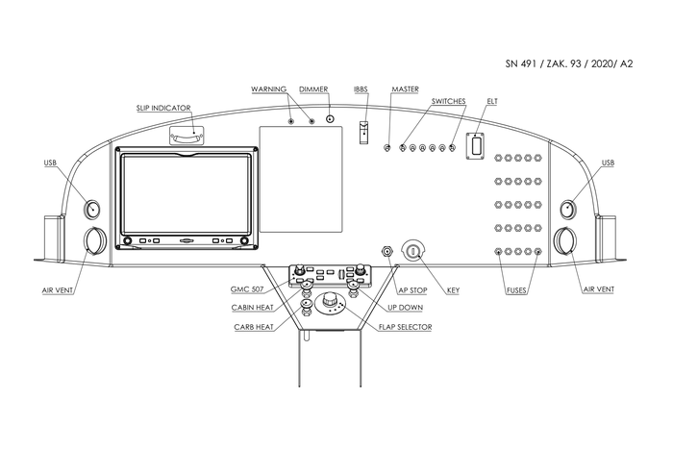

Installed Prices
 | Upgrade from Basic to Autopilot with GMC 507 | $7,981

 | Upgrade to Autopilot wihtout GMC 507 | $5,279

 | Garmin Aera 760 GPS | $2,995

