Products and pricing
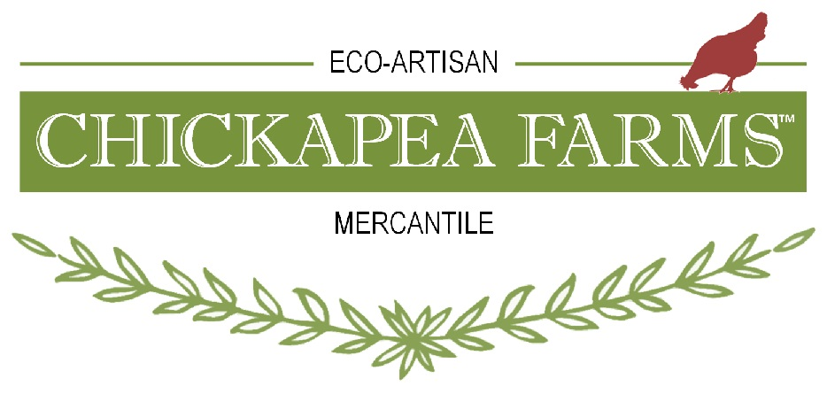
 |  |  |  | PRODUCT LINE SHEET - ORDER FORM (LSOF)
 |  |  |  | PLEASE SEE ORDERING TERMS AT THE BOTTOM OF THIS PRODUCT LINE SHEET - ORDER FORM (LSOF)

 |  |  |  | Latest Update: Feb 8, 2026
 |  |  |  | Chickapea Farms, LLC
 |  |  |  | 248-667-6366 Office / Sales, Laura Cell
 |  |  |  | 248-985-4409 Production / Billing, Troy Cell
 |  |  |  | 2057 E. Miller Rd, Fairview, MI 48621
 |  |  |  | CFBulk@ChickapeaFarms.com - B2B email

PRODUCTS ARE SORTED BY SKU |  |  | To View Products Go To Our B2C Site < | ChickapeaFarms.com - B2C site, Wholesale tab

SKU | UPCs | BRAND NAME | PRODUCT | MINIMUMS | WHOLE SALE | QTY | TOTAL | MSRP

BODY
CF-B-SPD24 | Starter Pack - 24F | LanoSkin Pack, Flat | 24 - 1 oz jars, Lanolin, Emollient, Plus Wood Display | No Minimum | $108.00 |  | $0.00 | $0.00
CF-B-SPD36 | Starter Pack - 36F | LanoSkin Pack, Stacked | 36 - 1 oz jars, Lanolin, Emollient, Plus Wood Display | No Minimum | $162.00 |  | $0.00 | $0.00
CF-B 1100 | 6-5858022286-4 | LanoSkin | Lanolin, Emollient, 1 oz, Eucalyptus | No Minimum | $4.50 |  | $0.00 | $7.99
CF-B 1101 | 6-5858022282-6 | LanoSkin | Lanolin, Emollient, 1 oz, Frankencense | No Minimum | $4.50 |  | $0.00 | $7.99
CF-B 1102 | 6-5858022289-5 | LanoSkin | Lanolin, Emollient, 1 oz, Lavender | No Minimum | $4.50 |  | $0.00 | $7.99
CF-B 1103 | 6-5858022284-0 | LanoSkin | Lanolin, Emollient, 1 oz, Lemongrass | No Minimum | $4.50 |  | $0.00 | $7.99
CF-B 1104 | 6-5858022281-9 | LanoSkin | Lanolin, Emollient, 1 oz, Patchouli | No Minimum | $4.50 |  | $0.00 | $7.99
CF-B 1105 | 6-5858022292-5 | LanoSkin | Lanolin, Emollient, 1 oz, Unscented | No Minimum | $4.50 |  | $0.00 | $7.99
CF-B 1200 | 6-5858022287-1 | LanoSkin | Lanolin, Emollient, 4 oz, Eucalyptus | No Minimum | $12.00 |  | $0.00 | $19.99
CF-B 1201 | 6-5858022283-3 | LanoSkin | Lanolin, Emollient, 4 oz, Frankencense | No Minimum | $12.00 |  | $0.00 | $19.99
CF-B 1202 | 6-5858022290-1 | LanoSkin | Lanolin, Emollient, 4 oz, Lavender | No Minimum | $12.00 |  | $0.00 | $19.99
CF-B 1203 | 6-5858022285-7 | LanoSkin | Lanolin, Emollient, 4 oz, Lemongrass | No Minimum | $12.00 |  | $0.00 | $19.99
CF-B 1204 | 6-5858022295-6 | LanoSkin | Lanolin, Emollient, 4 oz, Patchouli | No Minimum | $12.00 |  | $0.00 | $19.99
CF-B 1205 | 6-5858022293-2 | LanoSkin | Lanolin, Emollient, 4 oz, Unscented | No Minimum | $12.00 |  | $0.00 | $19.99
CF-B 2100 | 6-5858022344-1 | Earth Goat Soap | Bar Soap, Body, 5 oz, Unscented | Not Available | $7.00 |  | $0.00 | $10.99
CF-B 2101 | 6-5858022306-9 | Earth Goat Soap | Bar Soap, Body, 5 oz, Calendula | Not Available | $7.00 |  | $0.00 | $10.99
CF-B 2102 | 6-5858022345-8 | Earth Goat Soap | Bar Soap, Body, 5 oz, Clove/Nutmeg/Cinnamon | Not Available | $7.00 |  | $0.00 | $10.99
CF-B 2103 | 6-5858022307-6 | Earth Goat Soap | Bar Soap, Body, 5 oz, Charcoal | Not Available | $7.00 |  | $0.00 | $10.99
CF-B 2104 | 6-5858022346-5 | Earth Goat Soap | Bar Soap, Body, 5 oz, Frankincense/Myrrh | Not Available | $7.00 |  | $0.00 | $10.99
CF-B 2105 | 6-5858022309-0 | Earth Goat Soap | Bar Soap, Body, 5 oz, Honey Oatmeal | Not Available | $7.00 |  | $0.00 | $10.99
CF-B 2107 | 6-5858022312-0 | Earth Goat Soap | Bar Soap, Body, 5 oz, Lemongrass | Not Available | $7.00 |  | $0.00 | $10.99
CF-B 2109 | 6-5858022347-2 | Earth Goat Soap | Bar Soap, Body, 5 oz, Peppermint | Not Available | $7.00 |  | $0.00 | $10.99
CF-B 2110 | 6-5858022314-4 | Earth Goat Soap | Bar Soap, Body, 5 oz, Rosie Geranium | Not Available | $7.00 |  | $0.00 | $10.99
CF-B 2111 | 6-5858022403-5 | Earth Goat Soap | Bar Soap, Body, 5 oz, Tea Tree | Not Available | $7.00 |  | $0.00 | $10.99
CF-B 2113 | 6-5858022311-3 | Earth Goat Soap | Bar Soap, Body, 5 oz, Lavender | Not Available | $7.00 |  | $0.00 | $10.99
CF-B 2114 | 6-5858022377-9 | Earth Goat Soap | Bar Soap, Body, 5 oz, Patchouli | Not Available | $7.00 |  | $0.00 | $10.99
CF-B 2115 | 6-5858022339-7 | Earth Goat Soap | Bar Soap, Body, 5 oz, Sandalwood | Not Available | $7.00 |  | $0.00 | $10.99
CF-B 2200 | 6-5858022305-2 | Earth Goat Soap | Bar Soap, Face, 3 oz, Green Avocado | Not Available | $9.28 |  | $0.00 | $14.99
CF-B 2300 | 6-5858022308-3 | Earth Goat Soap | Bar Soap, Hands, 5 oz, Grease and Grime | Not Available | $7.00 |  | $0.00 | $10.99
CF-B 2400 | 6-5858022310-6 | Earth Goat Soap | Bar Soap, Outdoor, 5 oz, Jewelweed | Not Available | $7.00 |  | $0.00 | $10.99
CF-B 2401 | 6-5858022313-7 | Earth Goat Soap | Bar Soap, Ourdoor, 5 oz, Outdoor Bug Shield | Not Available | $7.00 |  | $0.00 | $10.99
CF-B 3000 |  | Earth Elements | Glass, Water Droplet Necklace, Artisan | Not Available | $6.50 |  | $0.00 | $12.99
FOOD
CF-F 2000 | 6-5858022350-2 | Chickapea Farms | Popcorn, Mixed, 1 lb, Gusset Pouch | No Minimum | $5.60 |  | $0.00 | $9.99
CF-F 2001 | 6-5858022351-9 | Chickapea Farms | Popcorn, Red, 1 lb, Gusset Pouch | No Minimum | $5.60 |  | $0.00 | $9.99
CF-F 2002 | 6-5858022352-6 | Chickapea Farms | Popcorn, White, 1 lb, Gusset Pouch | No Minimum | $5.60 |  | $0.00 | $9.99
CF-F 2020 | 6-5858022353-3 | Chickapea Farms | Popcorn, Mixed, 1.6 lb, Glass Mason Jar | Not Available | $8.20 |  | $0.00 | $14.99
CF-F 2021 | 6-5858022354-0 | Chickapea Farms | Popcorn, Red, 1.6 lb, Glass Mason Jar | Not Available | $8.20 |  | $0.00 | $14.99
CF-F 2022 | 6-5858022355-7 | Chickapea Farms | Popcorn, White, 1.6 lb, Glass Mason Jar | Not Available | $8.20 |  | $0.00 | $14.99
CF-F 3011 | 6-5858022329-8 | Bee Sweet and Healthy | Honey, Cinnamon, 12.8 oz, Glass Bear Shape Jar | Not Available | $11.87 |  | $0.00 | $18.99
CF-F 3012 | 6-5858022332-8 | Bee Sweet and Healthy | Honey, Cinnamon, 12.8 oz, Glass Paragon Jar | Not Available | $9.98 |  | $0.00 | $15.99
CF-F 3013 | 6-5858022336-6 | Bee Sweet and Healthy | Honey, Cinnamon, 57.6 oz, Glass Widemouth Jar | Not Available | $34.25 |  | $0.00 | $54.99
CF-F 3021 | 6-5858022328-1 | Bee Sweet and Healthy | Honey, Lemon, 12.8 oz, Glass Bear Shape Jar | Not Available | $11.87 |  | $0.00 | $18.99
CF-F 3022 | 6-5858022331-1 | Bee Sweet and Healthy | Honey, Lemon, 12.8 oz, Glass Paragon Jar | Not Available | $9.98 |  | $0.00 | $15.99
CF-F 3023 | 6-5858022335-9 | Bee Sweet and Healthy | Honey, Lemon, 57.6 oz, Glass Widemouth Jar | Not Available | $34.25 |  | $0.00 | $54.99
CF-F 3031 | 6-5858022330-4 | Bee Sweet and Healthy | Honey, Wildflower, 12.8 oz, Glass Bear Shape Jar | No Minimum | $11.87 |  | $0.00 | $18.99
CF-F 3032 | 6-5858022333-5 | Bee Sweet and Healthy | Honey, Wildflower, 12.8 oz, Glass Paragon Jar | Not Available | $9.98 |  | $0.00 | $15.99
CF-F 3033 | 6-5858022337-3 | Bee Sweet and Healthy | Honey, Wildflower, 57.6 oz, Glass Widemouth Jar | Not Available | $34.25 |  | $0.00 | $54.99
HOME
CF-H 1100 | 0-1396427398-4 | Woolly Wonderfuls | Wool Dryer Balls - Unit = 3 balls in drawstring pouch | Not Available | $22.37 |  | $0.00 | $34.99
CF-H 2000 | 6-5858022251-2 | By Nature Fresh | Odor Neutralizer, 2 oz, Fine Mist Spray, Clove | Not Available | $4.50 |  | $0.00 | $7.99
CF-H 2001 | 6-5858022255-0 | By Nature Fresh | Odor Neutralizer, 2 oz, Fine Mist Spray, Frankencense | Not Available | $4.50 |  | $0.00 | $7.99
CF-H 2002 | 6-5858022259-8 | By Nature Fresh | Odor Neutralizer, 2 oz, Fine Mist Spray, Lavender | Not Available | $4.50 |  | $0.00 | $7.99
...

