Grade
Point # | 1 |  | 2 | 3 | 4 | 5 |  | 6 | 7 | 8 | 9 | 10 | 11 |  | 12
Elevation
Length (ft)
Point # | 12 |  | 13 | 14 | 15 | 16 |  | 17 | 18 | 19 | 20 | 21 | 22 |  | 23
Elevation | 0.00
Length (ft)
Point # | 23 |  | 24 | 25 | 26 | 27 |  | 28 | 29 | 30 | 31 | 32 | 33 |  | 34
Elevation | 0.00
Length (ft)
Point # | 34 |  | 35 | 36 | 37 | 38 |  | 39 | 40 | 41 | 42 | 43 | 44 |  | 45
Elevation | 0.00
Length (ft)
Point # | 45 |  | 46 | 47 | 48 | 49 |  | 50 | 51 | 52 | 53 | 54 | 55 |  | 56
Elevation | 0.00
Length (ft)

Grade plane Elevation: |  |  |  |  | ∑(En+En+1)xLi/2 |  | = | None |  |  |  |  |  | 0.00
 |  |  |  |  | ∑Li |  |  |  |  |  |  |  |  | 0.00

 |  | Grade plane Calculator |  |  |  |  |  |  |  |  | None

Example:

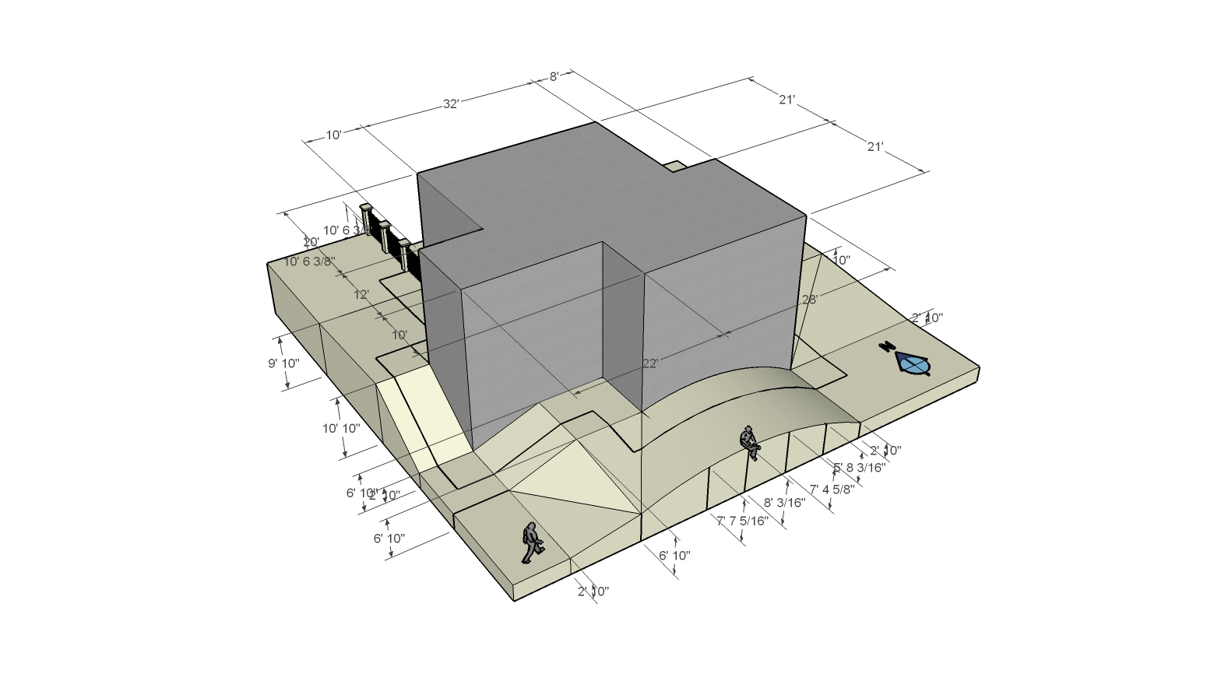

1
2
4
5
6
7
3
8
8

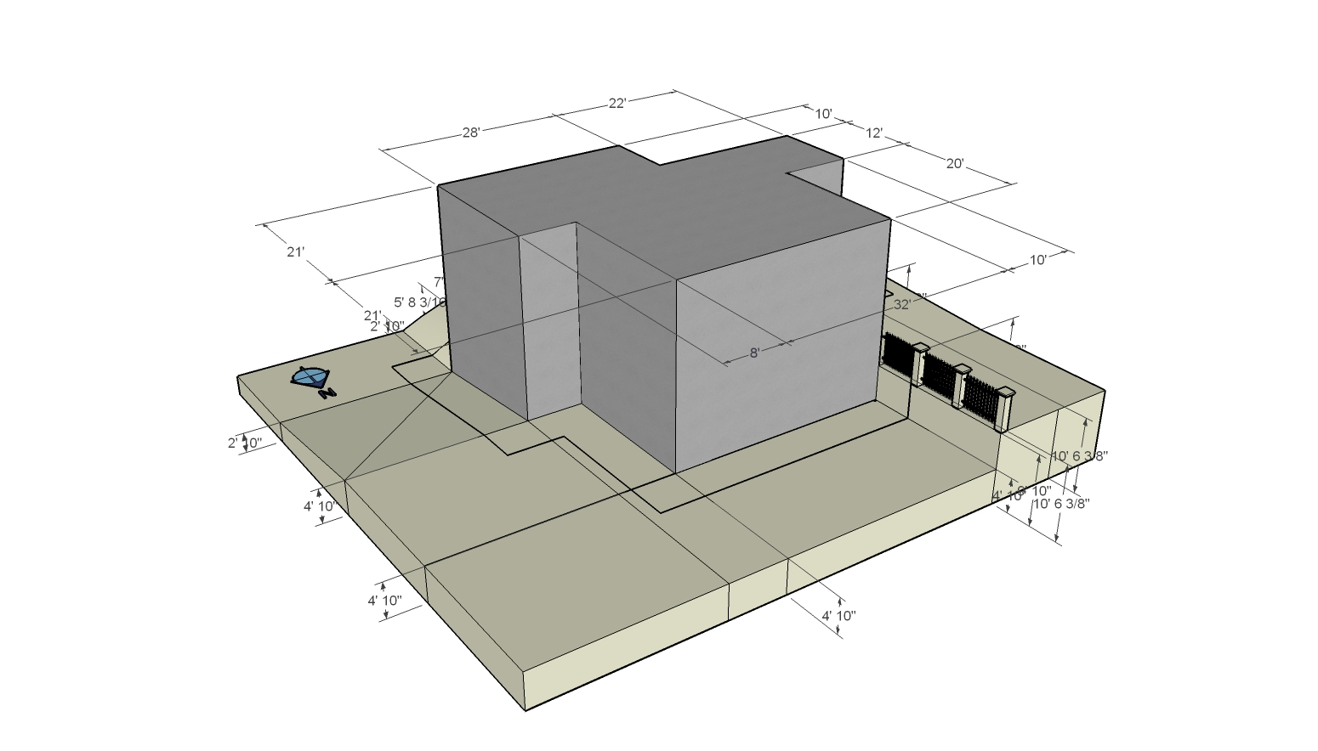

8
7
9
10
11

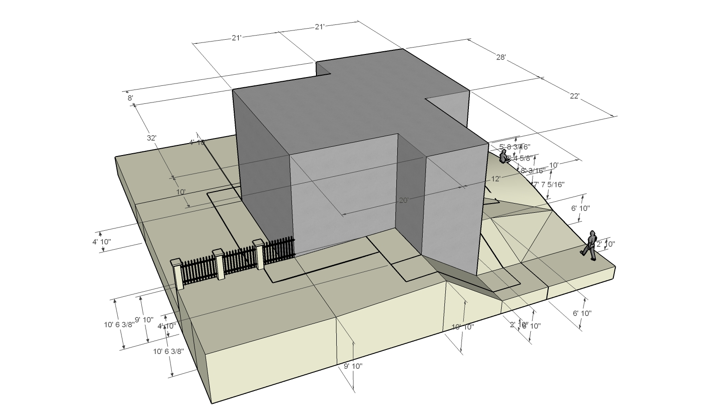

1
13
11
16
15
14
12
17

