Sassicaia
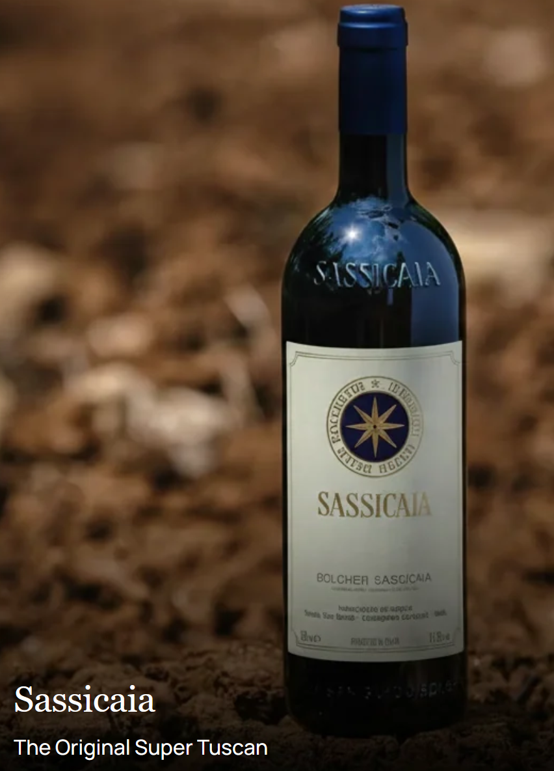
Year | SASSICAIA | Qty |  | SALE | List | Score
2004 | Sassicaia 2004 750mL | 15 | 750mL | $441 | $485 | JA100
2006 | Sassicaia 2006 750mL | 4 | 750mL | $468 | $514 | JA99
2009 | Sassicaia 2009 750mL | 15 | 750mL | $463 | $509 | JS98
2010 | Sassicaia 2010 750mL | 6 | 750mL | $445 | $490 | DR98
2011 | Sassicaia 2011 750mL | 2 | 750mL | $329 | $362 | AG95
2014 | Sassicaia 2014 750mL | 6 | 750mL | $389 | $428 | DR96
2015 | Sassicaia 2015 750mL | 3 | 750mL | $399 | $439 | JS98
2018 | Sassicaia 2018 750mL | 5 | 750mL | $367 | $404 | RP97
2019 | Sassicaia 2019 750mL | 4 | 750mL | $389 | $428 | LP100
2023 | Sassicaia 2023 750mL | 36 | 750ml | $299 | $329 | RP100
 | Original Cases
2011 | Sassicaia 2011 6-Pack 750mL | 1 | 6-Pack | $1,999 | $2,204 | AG95
2014 | Sassicaia 2014 6-Pack 750mL [Banded] | 1 | 6-Pack | $2,338 | $2,575 | DR96
2015 | Sassicaia 2015 6-Pack 750mL | 1 | 6-Pack | $3,059 | $3,375 | JS98
 | Large Fomats
2004 | Sassicaia 2004 1.5L | 2 | 1.5L | $1,334 | $1,195 | JA100

 | Worldwide Shipping can be arranged.
 | All wines are offered unsold and to final confirmation.
 | E&OE

