Line Sheet
Line Sheet - New arrival - 8/12
1025 Stanford Ave. Los Angeles ,CA 90021 Phone: 213-222-9590 WhatsApp: 213-760-1969 Website: http://joiaaccessory.com Faire: https://joiaaccessories.faire.com Email: support@joiaaccessory.com
Grand Total: |  |  |  |  | $0.00
IMG | Style# | WebTitle | Color | Price | Qty | Total
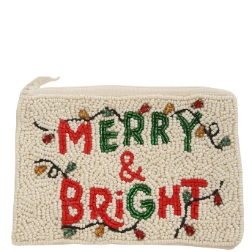 | 60-1067 | MERRY AND BRIGHT SEED BEAD COIN PURSE POUCH | IV | $6.75 |  | $0.00
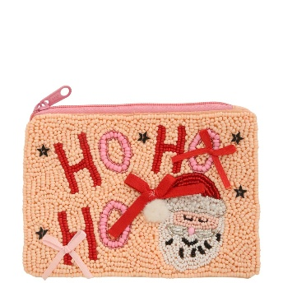 | 60-1068 | HO HO HO SEED BEAD W/ BOW COIN PURSE POUCH | PK | $6.75 |  | $0.00
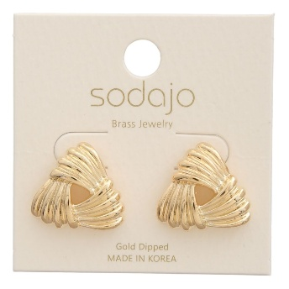 | 6720-E | SODAJO GOLD DIPPED KNOT STUD EARRING | - | $5.00 |  | $0.00
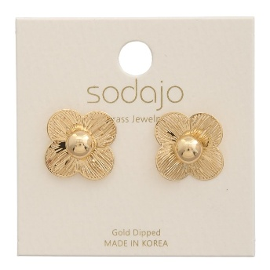 | 6804-E | SODAJO GOLD DIPPED FLOWER STUD EARRING | - | $3.00 |  | $0.00
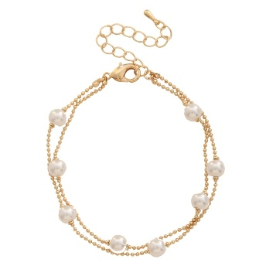 | 6923-B | METAL PEARL BALL CHAIN BRACELET | - | $4.50 |  | $0.00
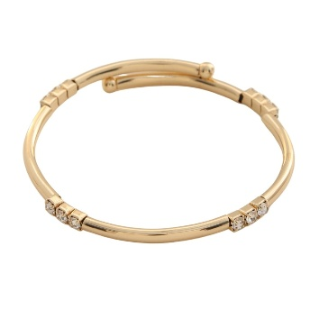 | 6927-B | METAL BANGLE BRACELET | - | $3.75 |  | $0.00
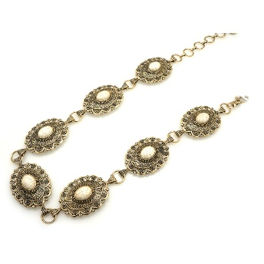 | 74-0086 | WESTERN METAL STONE CONCHO LONG CHAIN BELT | GBIV | $6.75 |  | $0.00
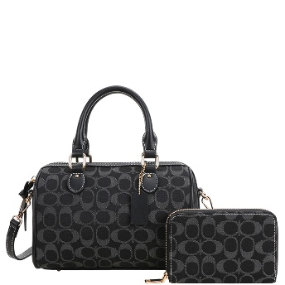 | 8NZ-1222A | 2IN1 OVAL PRINT MONOGRAM HANDLE SATCHEL BAG W WALLET SET | BK | $21.00 |  | $0.00
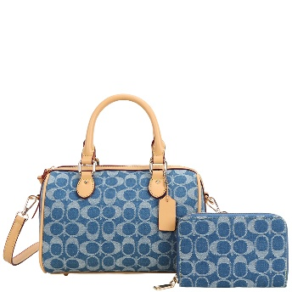 | 8NZ-1222A | 2IN1 OVAL PRINT MONOGRAM HANDLE SATCHEL BAG W WALLET SET | BL | $21.00 |  | $0.00
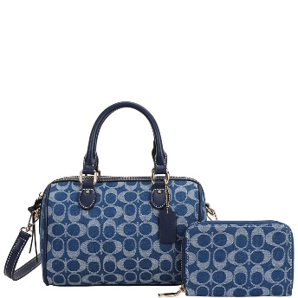 | 8NZ-1222A | 2IN1 OVAL PRINT MONOGRAM HANDLE SATCHEL BAG W WALLET SET | NV | $21.00 |  | $0.00
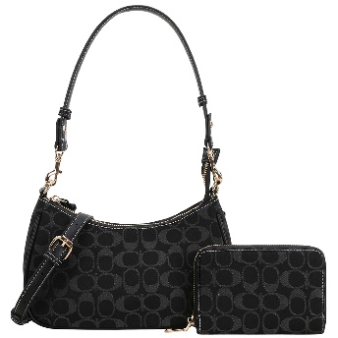 | 8NZ-1261A | 2IN1 OVAL PRINT MONOGRAM CURVE SHOULDER CROSSBODY BAG W WALLET SET | BK | $19.00 |  | $0.00
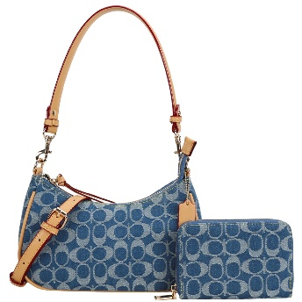 | 8NZ-1261A | 2IN1 OVAL PRINT MONOGRAM CURVE SHOULDER CROSSBODY BAG W WALLET SET | BL | $19.00 |  | $0.00
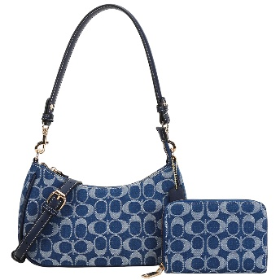 | 8NZ-1261A | 2IN1 OVAL PRINT MONOGRAM CURVE SHOULDER CROSSBODY BAG W WALLET SET | NV | $19.00 |  | $0.00
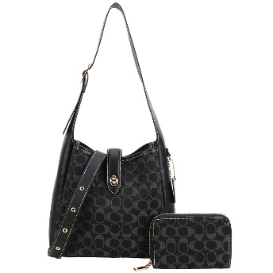 | 8NZ-1327A | 2IN1 OVAL PRINT TWIST LOCK SHOULDER HOBO BAG W WALLET SET | BK | $24.00 |  | $0.00
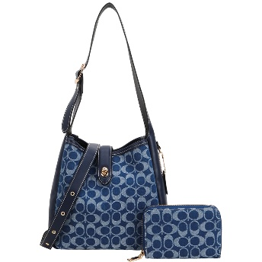 | 8NZ-1327A | 2IN1 OVAL PRINT TWIST LOCK SHOULDER HOBO BAG W WALLET SET | NV | $24.00 |  | $0.00
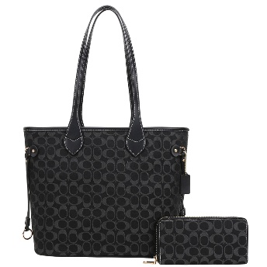 | 8NZ-7091W | 2IN1 OVAL PRINT MONOGRAM SHOULDER TOTE BAG W WALLET SET | BK | $26.00 |  | $0.00
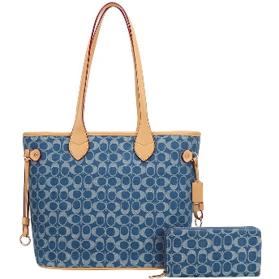 | 8NZ-7091W | 2IN1 OVAL PRINT MONOGRAM SHOULDER TOTE BAG W WALLET SET | BL | $26.00 |  | $0.00
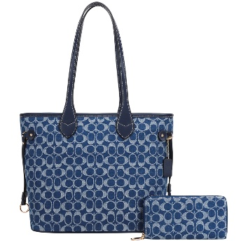 | 8NZ-7091W | 2IN1 OVAL PRINT MONOGRAM SHOULDER TOTE BAG W WALLET SET | NV | $26.00 |  | $0.00
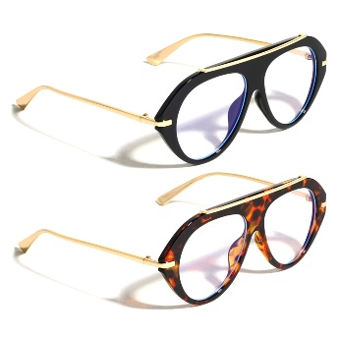 | AV-5504-CLR | CLEAR BLUE LIGHT TOP BAR ACCENT AVIATORS SUNGLASSES 1DZ | - | $40.00 |  | $0.00
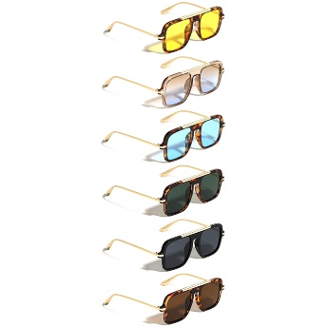 | AV-5505 | FLAT TOP NOSELESS SQUARED AVIATORS SUNGLASSES 1DZ | - | $40.00 |  | $0.00
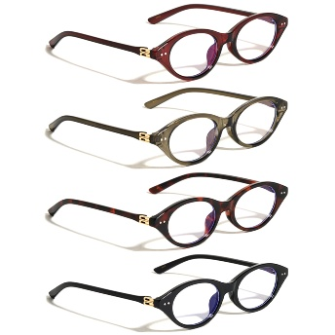 | BL-2031 | BLUE LIGHT OVAL CAT EYE SUNGLASSES 1DZ | - | $32.00 |  | $0.00
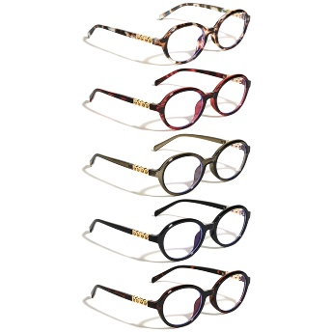 | BL-2033 | BLUE LIGHT CIRCLES HINGE ACCENT ROUND BUTTERFLY SUNGLASSES 1DZ | - | $32.00 |  | $0.00
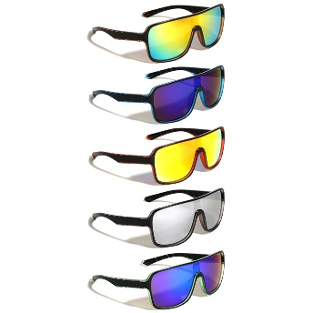 | BP-0328-CM | BASIC MIRROR SHIELD LENS DUO TONE FROSTED CRYSTAL RECTANGLE SPORTS SUNGLASSES 1DZ | - | $30.00 |  | $0.00
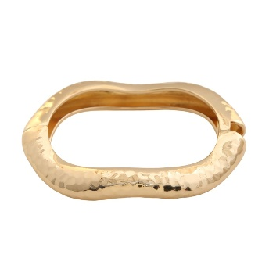 | BR-2148-JH | TEXTURED HINGE BANGLE | GD | $5.50 |  | $0.00
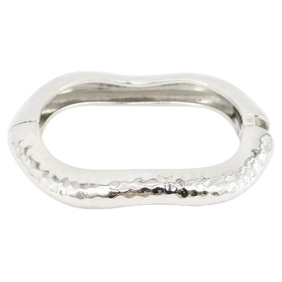 | BR-2148-JH | TEXTURED HINGE BANGLE | RH | $5.50 |  | $0.00
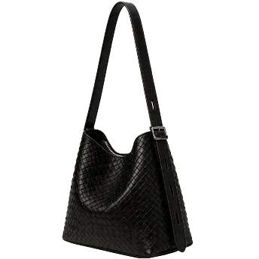 | EGZ-015 | WOVEN TEXTURED SHOULDER HOBO BAG | BK | $19.00 |  | $0.00
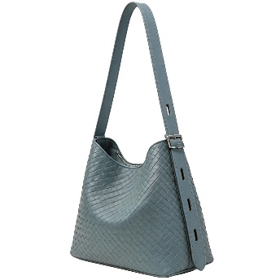 | EGZ-015 | WOVEN TEXTURED SHOULDER HOBO BAG | BL | $19.00 |  | $0.00
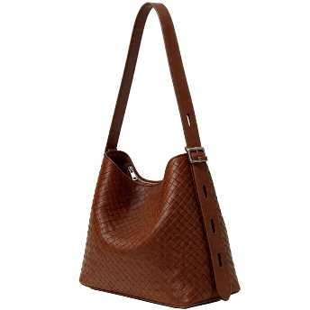 | EGZ-015 | WOVEN TEXTURED SHOULDER HOBO BAG | BR | $19.00 |  | $0.00
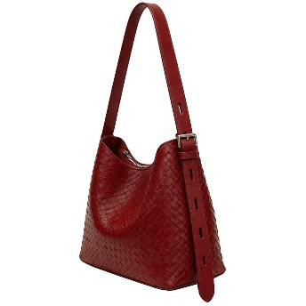 | EGZ-015 | WOVEN TEXTURED SHOULDER HOBO BAG | RD | $19.00 |  | $0.00
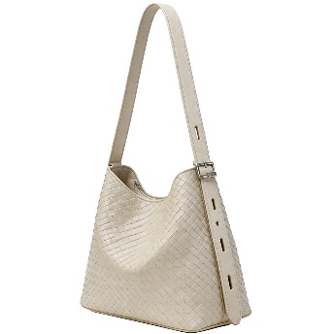 | EGZ-015 | WOVEN TEXTURED SHOULDER HOBO BAG | WT | $19.00 |  | $0.00
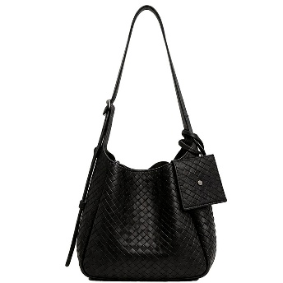 | EGZ-025 | 2IN1 WOVEN TEXTURED STYLE SHOULDER HOBO BAG W COIN PURSE SET | BK | $20.00 |  | $0.00
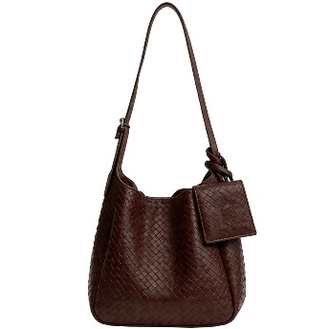 | EGZ-025 | 2IN1 WOVEN TEXTURED STYLE SHOULDER HOBO BAG W COIN PURSE SET | CF | $20.00 |  | $0.00
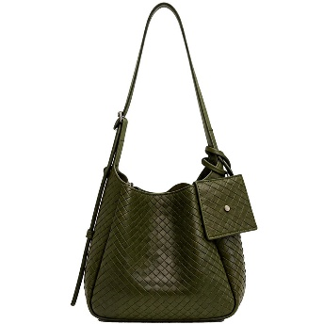 | EGZ-025 | 2IN1 WOVEN TEXTURED STYLE SHOULDER HOBO BAG W COIN PURSE SET | GN | $20.00 |  | $0.00
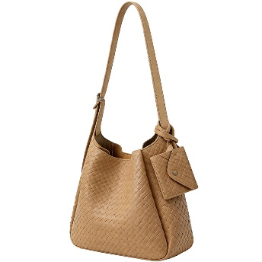 | EGZ-025 | 2IN1 WOVEN TEXTURED STYLE SHOULDER HOBO BAG W COIN PURSE SET | TN | $20.00 |  | $0.00
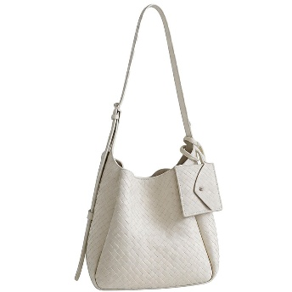 | EGZ-025 | 2IN1 WOVEN TEXTURED STYLE SHOULDER HOBO BAG W COIN PURSE SET | WT | $20.00 |  | $0.00
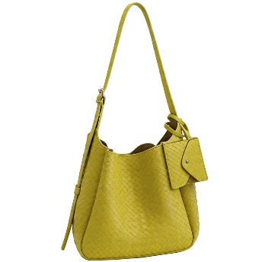 | EGZ-025 | 2IN1 WOVEN TEXTURED STYLE SHOULDER HOBO BAG W COIN PURSE SET | YL | $20.00 |  | $0.00
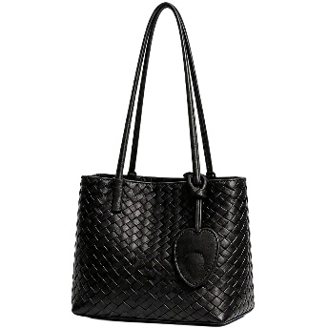 | EGZ-034 | WOVEN TEXTURED CHIC HEART SHOULDER TOTE BAG | BK | $19.00 |  | $0.00
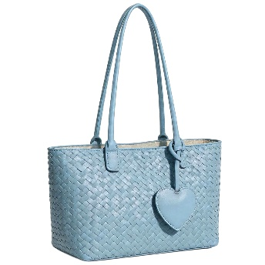 | EGZ-034 | WOVEN TEXTURED CHIC HEART SHOULDER TOTE BAG | BL | $19.00 |  | $0.00
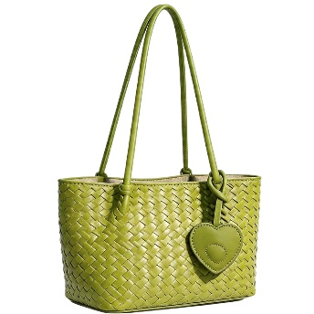 | EGZ-034 | WOVEN TEXTURED CHIC HEART SHOULDER TOTE BAG | GN | $19.00 |  | $0.00
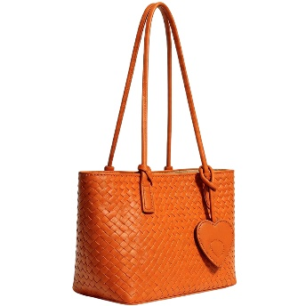 | EGZ-034 | WOVEN TEXTURED CHIC HEART SHOULDER TOTE BAG | OR | $19.00 |  | $0.00
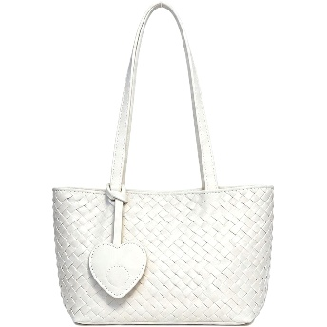 | EGZ-034 | WOVEN TEXTURED CHIC HEART SHOULDER TOTE BAG | WT | $19.00 |  | $0.00
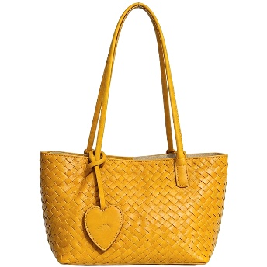 | EGZ-034 | WOVEN TEXTURED CHIC HEART SHOULDER TOTE BAG | YL | $19.00 |  | $0.00
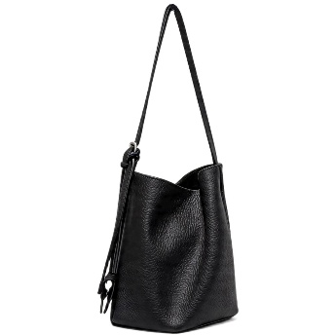 | EGZ-035 | STYLISH TEXTURED SIDE DESIGN SHOULDER HOBO BAG | BK | $19.00 |  | $0.00
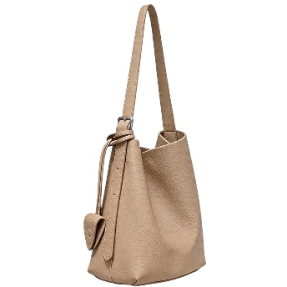 | EGZ-035 | STYLISH TEXTURED SIDE DESIGN SHOULDER HOBO BAG | ST | $19.00 |  | $0.00
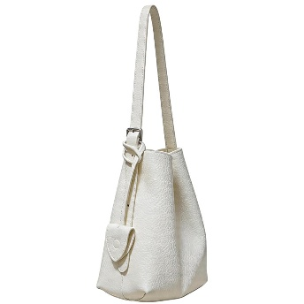 | EGZ-035 | STYLISH TEXTURED SIDE DESIGN SHOULDER HOBO BAG | WT | $19.00 |  | $0.00
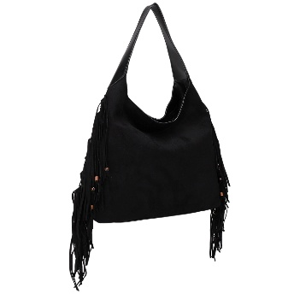 | EJ-60469SU | TRENDY FRINGE DESIGN SHOULDER HOBO BAG | BK/BK | $24.00 |  | $0.00
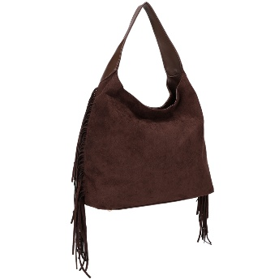 | EJ-60469SU | TRENDY FRINGE DESIGN SHOULDER HOBO BAG | CHO/CHO | $24.00 |  | $0.00
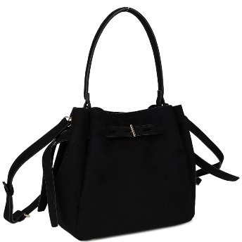 | ES-32288SU | MODERN DESIGN BUCKET CROSSBODY BAG | BK | $21.00 |  | $0.00
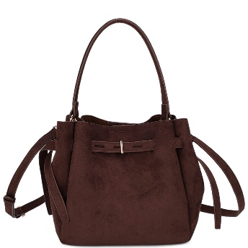 | ES-32288SU | MODERN DESIGN BUCKET CROSSBODY BAG | CHO | $21.00 |  | $0.00
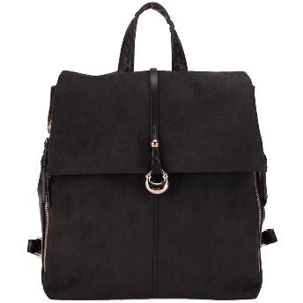 | ES-32407SU | MODERN SUEDE HANDLE BACKPACK | BK/BK | $25.00 |  | $0.00
 | ES-32407SU | MODERN SUEDE HANDLE BACKPACK | CHO/CHO | $25.00 |  | $0.00
 | HPP-1217 | FASHION SUEDE TOTE BAG | BK | $20.50 |  | $0.00
 | HPP-1217 | FASHION SUEDE TOTE BAG | BUR | $20.50 |  | $0.00
 | HPP-1217 | FASHION SUEDE TOTE BAG | CM | $20.50 |  | $0.00
 | HPP-1217 | FASHION SUEDE TOTE BAG | OL | $20.50 |  | $0.00
 | HPP-1256 | FASHION SUEDE STUDDED HOBO BAG | BG | $20.00 |  | $0.00
 | HPP-1256 | FASHION SUEDE STUDDED HOBO BAG | BK/GD | $20.00 |  | $0.00
 | HPP-1256 | FASHION SUEDE STUDDED HOBO BAG | BUR | $20.00 |  | $0.00
 | HPP-1256 | FASHION SUEDE STUDDED HOBO BAG | CM | $20.00 |  | $0.00
 | J-3758 | BEADED NECKLACE | GD | $6.50 |  | $0.00
 | J-3758 | BEADED NECKLACE | RH | $6.50 |  | $0.00
 | J-3769 | U SHAPE LINK WATERDROP PENDANT NECKLACE | GD | $7.50 |  | $0.00
 | J-3961 | CHAIN LINKED W PEARL | GD | $6.50 |  | $0.00
 | J-3961 | CHAIN LINKED W PEARL | RH | $6.50 |  | $0.00
 | kc-1344 | KEVIN AND COCO CUP OF SWEET VIBES CLEANSING BALM (6 UNITS) | - | $32.00 |  | $0.00
 | KC-1455 | KEVIN AND COCO CHOCOLATE FLAVORED BEAN EYESHADOW PALETTE (12 UNITS) | - | $24.00 |  | $0.00
 | KC-1456 | KEVIN AND COCO CHOCOLATE FLAVORED BEAN BLUSH PALETTE (12 UNITS) | - | $27.00 |  | $0.00
 | KC-1513 | KEVIN AND COCO DELIGHTFUL MASHED POTATO BLUSH AND CONTOUR (12 UNITS) | - | $27.00 |  | $0.00
 | KC-1541 | KEVIN AND COCO CHOCOLATE FLAVORED BEAN EYESHADOW PALETTE (12 UNITS) | - | $24.00 |  | $0.00
 | KC-2053 | KEVIN AND COCO POWER MIST HAND SANITIZER SPRAY (24 UNITS) | - | $38.50 |  | $0.00
 | KC-2054 | KEVIN AND COCO POWER MIST HAND SANITIZER SPRAY (24 UNITS) | - | $38.50 |  | $0.00
 | KSE-7387-2.5 | 14K GOLD DIPPED HOOP EARRING | GD | $4.00 |  | $0.00
 | KSE-7387-2.5 | 14K GOLD DIPPED HOOP EARRING | RH | $4.00 |  | $0.00
 | KSE-7390-1.7 | 14K GOLD DIPPED HOOP EARRING | GD | $3.50 |  | $0.00
 | KSE-7390-1.7 | 14K GOLD DIPPED HOOP EARRING | RH | $3.50 |  | $0.00
 | KSE-7392 | 14K GOLD DIPPED HOOP EARRING | GD | $4.00 |  | $0.00
 | KSE-7392 | 14K GOLD DIPPED HOOP EARRING | RH | $4.00 |  | $0.00
 | LD-1511A | 2IN1 TEXTURED MODERN TOTE BAG W WALLET SET | BK | $22.00 |  | $0.00
 | LD-1511A | 2IN1 TEXTURED MODERN TOTE BAG W WALLET SET | BR | $22.00 |  | $0.00
 | LD-1511A | 2IN1 TEXTURED MODERN TOTE BAG W WALLET SET | CREAM | $22.00 |  | $0.00
 | LD-1511A | 2IN1 TEXTURED MODERN TOTE BAG W WALLET SET | OR | $22.00 |  | $0.00
 | LD-1511A | 2IN1 TEXTURED MODERN TOTE BAG W WALLET SET | TP | $22.00 |  | $0.00
 | LH-P-4135 | LION HEAD HINGE ACCENT CUTOUT FASHION CAT EYE SUNGLASSES 1DZ | - | $32.00 |  | $0.00
 | M-10988 | DIAMOND EDGE CUT RIMLESS FASHION GEOMETRIC SUNGLASSES 1DZ | - | $36.00 |  | $0.00
 | M-10989 | LOGO FASHION OVAL SUNGLASSES 1DZ | - | $36.00 |  | $0.00
 | M-21030-AP | ROUND RIMLESS DESIGN SUNGLASSES 1DZ | - | $42.00 |  | $0.00
 | M-26003-AP | OVAL COLOR LENS SUNGLASSES 1DZ | - | $38.00 |  | $0.00
 | MH-SRM | MEDIHEAL SERUM | MA | $12.00 |  | $0.00
 | MH-SRM | MEDIHEAL SERUM | TT | $12.00 |  | $0.00
 | MH-SRM | MEDIHEAL SERUM | VT | $12.00 |  | $0.00
 | MH-SRM | MEDIHEAL SERUM | CO | $12.00 |  | $0.00
 | MH-SRM | MEDIHEAL SERUM | HY | $12.00 |  | $0.00
 | MP-26010-SD/AP | STYLISH AVIATORS SUNGLASSES 1DZ | - | $48.00 |  | $0.00
 | MP-26072-AP/SD | ROUND SQUARE SIDE DESIGN SUNGLASSES 1DZ | - | $36.00 |  | $0.00
 | MP-51541-AP | FASHION SPORTS SHIELD DESIGN SUNGLASSES 1DZ | - | $42.00 |  | $0.00
 | MP-51892-AP | CHIC SQUARED DESIGN SUNGLASSES 1DZ | - | $36.00 |  | $0.00
 | MS-20700A-SET | 2IN1 QUILTED FASHION CROSSBODY BAG W WALLET SET | BK/BK | $21.00 |  | $0.00
 | MS-20700A-SET | 2IN1 QUILTED FASHION CROSSBODY BAG W WALLET SET | CF/CF | $21.00 |  | $0.00
 | MS-20700A-SET | 2IN1 QUILTED FASHION CROSSBODY BAG W WALLET SET | LP/BR | $21.00 |  | $0.00
 | MS-20700A-SET | 2IN1 QUILTED FASHION CROSSBODY BAG W WALLET SET | NV/NV | $21.00 |  | $0.00
 | MS-20700A-SET | 2IN1 QUILTED FASHION CROSSBODY BAG W WALLET SET | WN/WN | $21.00 |  | $0.00
 | NN-3171 | RHINESTONE TENNIS NECKLACE | PKG | $9.75 |  | $0.00
 | NN-3171 | RHINESTONE TENNIS NECKLACE | CLG | $9.75 |  | $0.00
 | NN-3171 | RHINESTONE TENNIS NECKLACE | TQG | $9.75 |  | $0.00
 | NN-3171 | RHINESTONE TENNIS NECKLACE | VOG | $9.75 |  | $0.00
 | NN-3171 | RHINESTONE TENNIS NECKLACE | ABG | $9.75 |  | $0.00
 | NN-3171 | RHINESTONE TENNIS NECKLACE | BRGD | $9.75 |  | $0.00
 | NN-3171 | RHINESTONE TENNIS NECKLACE | DBG | $9.75 |  | $0.00
 | NN-3171 | RHINESTONE TENNIS NECKLACE | RDG | $9.75 |  | $0.00
 | OBF-5651 | BEADED ADJUSTABLE BRACELET | GDBR | $4.50 |  | $0.00
 | OBF-5651 | BEADED ADJUSTABLE BRACELET | GDBUR | $4.50 |  | $0.00
 | OBF-5651 | BEADED ADJUSTABLE BRACELET | GDMAV | $4.50 |  | $0.00
 | OBF-5651 | BEADED ADJUSTABLE BRACELET | GDNV | $4.50 |  | $0.00
 | OBF-5651 | BEADED ADJUSTABLE BRACELET | GDOLV | $4.50 |  | $0.00
 | ONF-5646 | BEADED NECKLACE | GDBR | $6.00 |  | $0.00
 | ONF-5646 | BEADED NECKLACE | GDBSH | $6.00 |  | $0.00
 | ONF-5646 | BEADED NECKLACE | GDBUR | $6.00 |  | $0.00
 | ONF-5646 | BEADED NECKLACE | GDNV | $6.00 |  | $0.00
 | ONF-5658 | BEADED NECKLACE | GDBR | $3.75 |  | $0.00
 | ONF-5658 | BEADED NECKLACE | GDBUR | $3.75 |  | $0.00
 | ONF-5658 | BEADED NECKLACE | GDMU | $3.75 |  | $0.00
 | ONF-5658 | BEADED NECKLACE | GDNV | $3.75 |  | $0.00
 | ONF-5658 | BEADED NECKLACE | GDIV | $3.75 |  | $0.00
 | ONF-5658 | BEADED NECKLACE | GDOLV | $3.75 |  | $0.00
 | P-1137 | OVERSIZED FASHION GEOMETRIC SUNGLASSES 1DZ | - | $28.00 |  | $0.00
 | P-30698 | KNOT ACCENT HINGE FASHION CAT EYE SUNGLASSES 1DZ | - | $36.00 |  | $0.00
 | P-30701 | 8 SHAPE HINGE ACCENT FASHION WIDE BUTTERFLY SUNGLASSES 1DZ | - | $30.00 |  | $0.00
 | P-30703 | DOUBLE BRACKET ACCENT FASHION CAT EYE SUNGLASSES 1DZ | - | $30.00 |  | $0.00
 | P-30704 | PEARL ACCENT FASHION OVAL SUNGLASSES 1DZ | - | $30.00 |  | $0.00
 | P-30705 | CIRCLE HINGE ACCENT ROUND BUTTERFLY SUNGLASSES 1DZ | - | $30.00 |  | $0.00
 | P-30706 | MIII HINGE LOGO FASHION SQUARED BUTTERFLY SUNGLASSES 1DZ | - | $30.00 |  | $0.00
 | P-30707 | LEAF TEMPLE ORNAMENT OVERSIZED CAT EYE SUNGLASSES 1DZ | - | $36.00 |  | $0.00
 | P-30708 | SNAKE HEAD HINGE ACCENT GEOMETRIC CAT EYE SUNGLASSES 1DZ | - | $38.00 |  | $0.00
 | QFT-1378W | 2IN1 CURVE CHIC SHOULDER CROSSBODY BAG W WALLET SET | BK | $24.00 |  | $0.00
 | QFT-1378W | 2IN1 CURVE CHIC SHOULDER CROSSBODY BAG W WALLET SET | BR | $24.00 |  | $0.00
 | QFT-1378W | 2IN1 CURVE CHIC SHOULDER CROSSBODY BAG W WALLET SET | DBR | $24.00 |  | $0.00
 | QFT-1378W | 2IN1 CURVE CHIC SHOULDER CROSSBODY BAG W WALLET SET | NV | $24.00 |  | $0.00
 | QFT-1378W | 2IN1 CURVE CHIC SHOULDER CROSSBODY BAG W WALLET SET | PK | $24.00 |  | $0.00
 | QFT-1378W | 2IN1 CURVE CHIC SHOULDER CROSSBODY BAG W WALLET SET | TP | $24.00 |  | $0.00
 | QFT-1378W | 2IN1 CURVE CHIC SHOULDER CROSSBODY BAG W WALLET SET | WT | $24.00 |  | $0.00
 | TT-SUN-MOU | TRTR OFF THE SUN AIR MOUSSE | - | $12.00 |  | $0.00
 | VS-1506W | 2IN1 TEXTURED QUILTED DESIGN SHOULDER BAG AND WALLET SET | BK | $27.00 |  | $0.00
 | VS-1506W | 2IN1 TEXTURED QUILTED DESIGN SHOULDER BAG AND WALLET SET | BR | $27.00 |  | $0.00
 | VS-1506W | 2IN1 TEXTURED QUILTED DESIGN SHOULDER BAG AND WALLET SET | OAT | $27.00 |  | $0.00
 | VS-1507A | 2IN1 QUILTED FASHION SHOULDER CROSSBODY BAG | BK | $24.00 |  | $0.00
 | VS-1507A | 2IN1 QUILTED FASHION SHOULDER CROSSBODY BAG | BR | $24.00 |  | $0.00
 | VS-1507A | 2IN1 QUILTED FASHION SHOULDER CROSSBODY BAG | CREAM | $24.00 |  | $0.00
 | VS-1507A | 2IN1 QUILTED FASHION SHOULDER CROSSBODY BAG | LGN | $24.00 |  | $0.00
 | VS-1507A | 2IN1 QUILTED FASHION SHOULDER CROSSBODY BAG | YL | $24.00 |  | $0.00
 | YE-466 | TWO TONE CZ HEART POST EARRING | BK | $5.50 |  | $0.00
 | YE-466 | TWO TONE CZ HEART POST EARRING | CL | $5.50 |  | $0.00
 | YE-9203H | 2IN1 MODERN PATTERN DESIGN SATCHEL BAG W WALLET SET | BK | $27.00 |  | $0.00
 | YE-9203H | 2IN1 MODERN PATTERN DESIGN SATCHEL BAG W WALLET SET | CF | $27.00 |  | $0.00
 | YE-9203H | 2IN1 MODERN PATTERN DESIGN SATCHEL BAG W WALLET SET | PK | $27.00 |  | $0.00
 | YE-9203H | 2IN1 MODERN PATTERN DESIGN SATCHEL BAG W WALLET SET | TP | $27.00 |  | $0.00
 | YE-9203H | 2IN1 MODERN PATTERN DESIGN SATCHEL BAG W WALLET SET | KH | $27.00 |  | $0.00
 | YE-9203H | 2IN1 MODERN PATTERN DESIGN SATCHEL BAG W WALLET SET | BL | $27.00 |  | $0.00
 | Z-40069 | 15 CM DUMPLING SQUISHY SQUEEZE TOY (4 UNITS) | - | $40.00 |  | $0.00
 | Z-40170 | FRUIT SQUISHY SQUEEZE TOY (16 UNITS) | - | $36.00 |  | $0.00
 | Z-40172 | CUTE SMILING TURD SQUISHY SQUEEZE TOY (6 UNITS) | - | $36.00 |  | $0.00
TOTAL |  |  |  |  |  | $0.00

