Line Sheet
Line Sheet - New arrival - 8/6
1025 Stanford Ave. Los Angeles ,CA 90021 Phone: 213-222-9590 WhatsApp: 213-760-1969 Website: http://joiaaccessory.com Faire: https://joiaaccessories.faire.com Email: support@joiaaccessory.com
Grand Total: |  |  |  |  | $0.00
IMG | Style# | WebTitle | Color | Price | Qty | Total
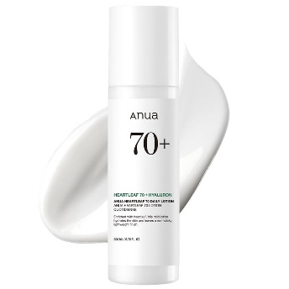 | AN-LTN-HL | ANUA HEARTLEAF DAILY LOTION | - | $17.50 |  | $0.00
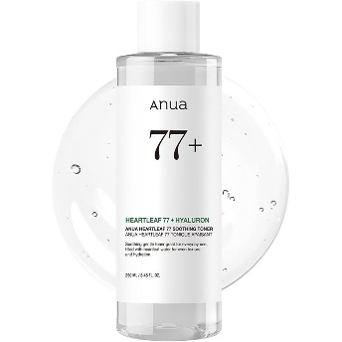 | AN-TNR-HL | ANUA HEARTLEAF 77 SOOTHING TONER | - | $15.50 |  | $0.00
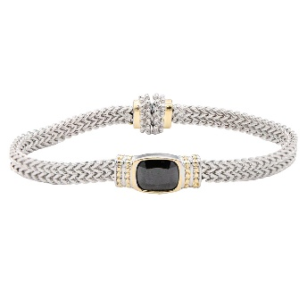 | BC-974 | TWO TONE BRACELET | BK | $7.50 |  | $0.00
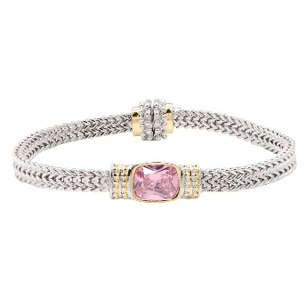 | BC-974 | TWO TONE BRACELET | PK | $7.50 |  | $0.00
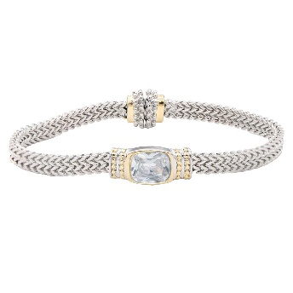 | BC-974 | TWO TONE BRACELET | CL | $7.50 |  | $0.00
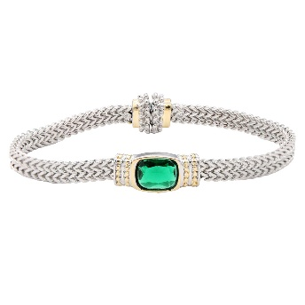 | BC-974 | TWO TONE BRACELET | GR | $7.50 |  | $0.00
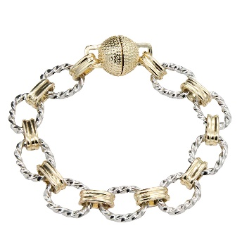 | BC-975 | 14K GOLD PLATED TWO TONE W/ MAGNETIC BALL CLOSURE | 2T | $6.75 |  | $0.00
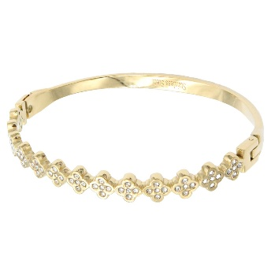 | BS-759 | STAINLESS STEEL HINGED BANGLE BRACELET | GD | $6.75 |  | $0.00
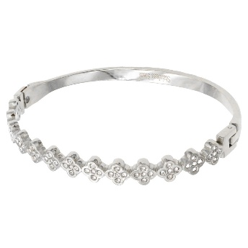 | BS-759 | STAINLESS STEEL HINGED BANGLE BRACELET | SV | $6.75 |  | $0.00
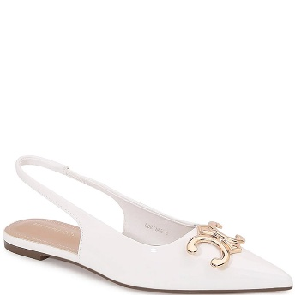 | CORINNE-12 | SLINGFLAT W GOLD PLATE | WHITE | $144.00 |  | $0.00
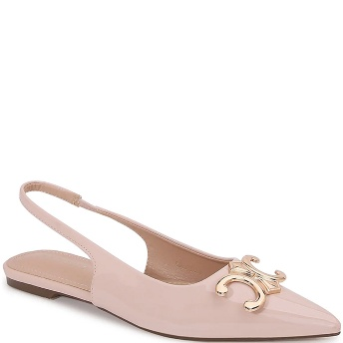 | CORINNE-12 | SLINGFLAT W GOLD PLATE | CAMEL | $144.00 |  | $0.00
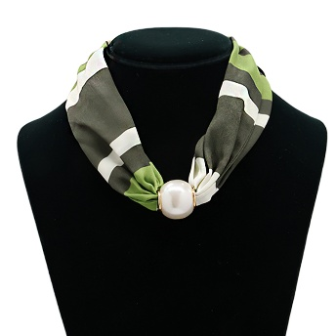 | DN-60401 | SECRET BOX BIG PEARL ADJUSTIBLE SCARF NECKLACE | OL | $4.50 |  | $0.00
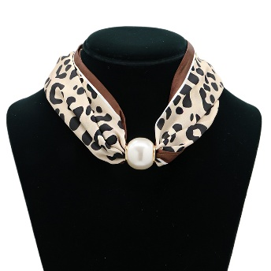 | DN-60401 | SECRET BOX BIG PEARL ADJUSTIBLE SCARF NECKLACE | LEOPARD | $4.50 |  | $0.00
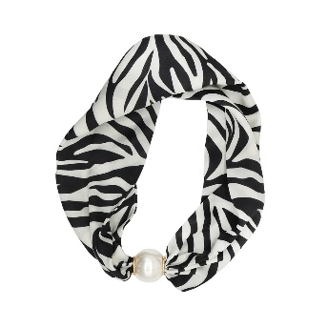 | DN-60401 | SECRET BOX BIG PEARL ADJUSTIBLE SCARF NECKLACE | ZEBRA | $4.50 |  | $0.00
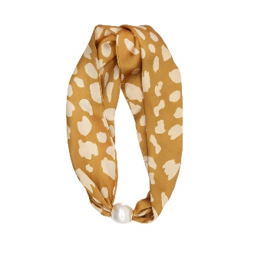 | DN-60401 | SECRET BOX BIG PEARL ADJUSTIBLE SCARF NECKLACE | BAMBIE | $4.50 |  | $0.00
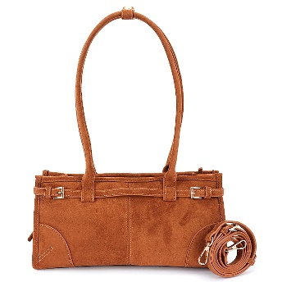 | HPC-6615 | SUEDE SHOULDER BAG WITH STRAPS | CM | $19.00 |  | $0.00
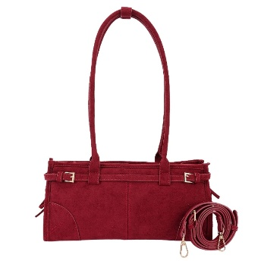 | HPC-6615 | SUEDE SHOULDER BAG WITH STRAPS | BUR | $19.00 |  | $0.00
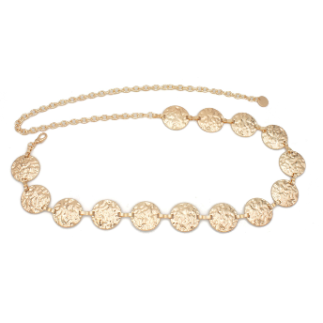 | ICH-84179 | ORGANIC TEXTURED DISC CHAIN BELT | GOLD | $6.00 |  | $0.00
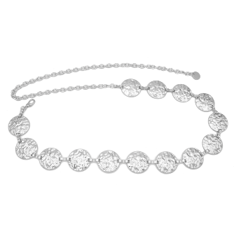 | ICH-84179 | ORGANIC TEXTURED DISC CHAIN BELT | SILVER | $6.00 |  | $0.00
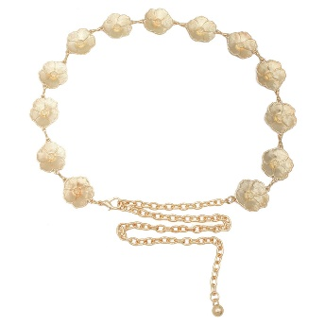 | ICH-84291 | VINTAGE FLOWER CHAIN BELT | GD | $6.00 |  | $0.00
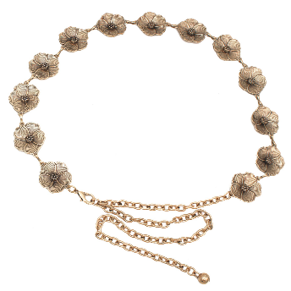 | ICH-84291 | VINTAGE FLOWER CHAIN BELT | ATGD | $6.00 |  | $0.00
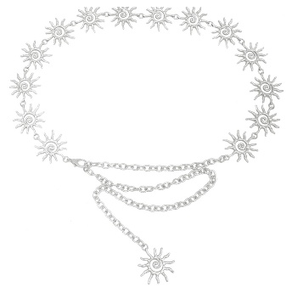 | ICH-84322 | SUNGODESS CHAIN BELT | SILVER | $6.50 |  | $0.00
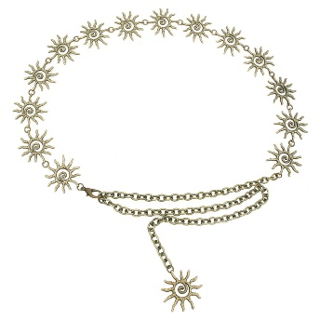 | ICH-84322 | SUNGODESS CHAIN BELT | BURNISHGD | $6.50 |  | $0.00
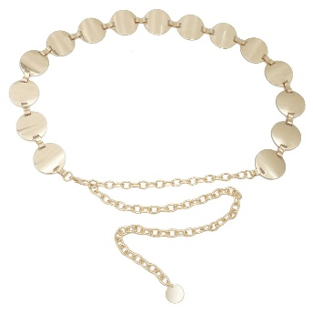 | ICH-84343 | CLEAN DISC METAL CHAIN BELT | GOLD | $5.00 |  | $0.00
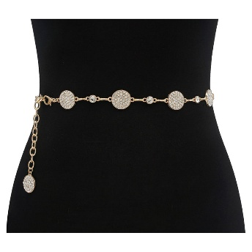 | ICH-84436RS | DOT AND PAVE DISC LINK CHAIN BELT | GOLD | $6.00 |  | $0.00
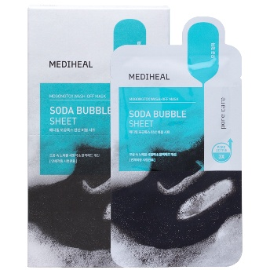 | MH-BBL-MOG | MEDIHEAL MOGONGTOX SODA BUBBLE SHEET MASK (10 UNITS) | - | $18.00 |  | $0.00
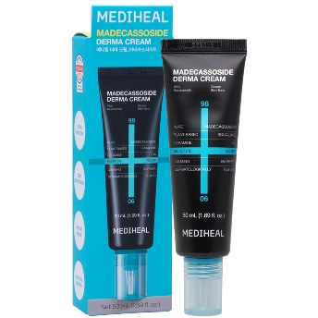 | MH-CRM-MA | MEDIHEAL MADECASSOSIDE DERMA FACIAL CREAM | - | $13.00 |  | $0.00
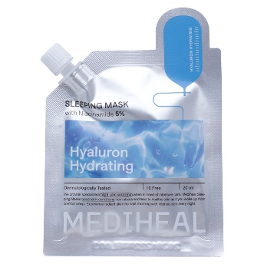 | MH-SM | MEDIHEAL SLEEPING MASK | HY | $2.00 |  | $0.00
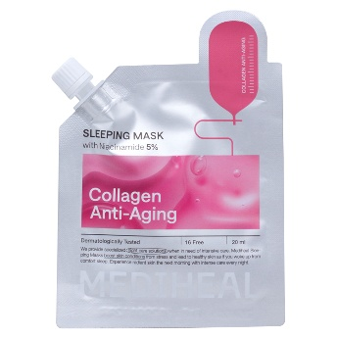 | MH-SM | MEDIHEAL SLEEPING MASK | COL | $2.00 |  | $0.00
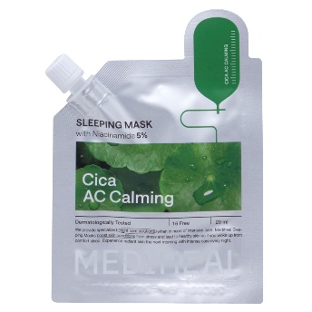 | MH-SM | MEDIHEAL SLEEPING MASK | CICA | $2.00 |  | $0.00
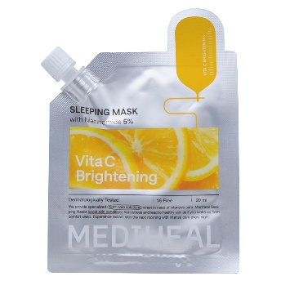 | MH-SM | MEDIHEAL SLEEPING MASK | VITA | $2.00 |  | $0.00
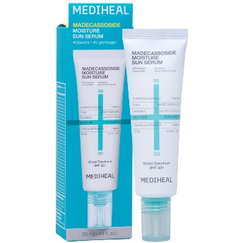 | MH-SUN-MA | MEDIHEAL MADECASSOSIDE MOISTURE SUN SERUM | - | $13.00 |  | $0.00
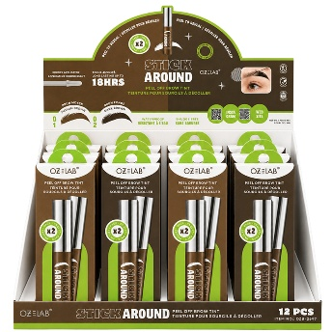 | OZB-2697 | OZ LAB STICK AROUND PEEL OFF BROW TINT (12 UNITS) | - | $32.00 |  | $0.00
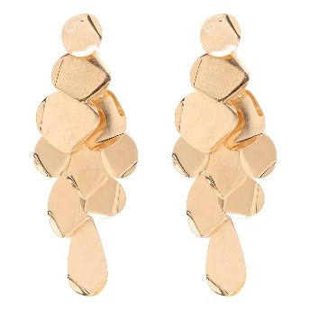 | PE-10245 | IRREGULAR GEOMETRIC MULTI LAYERED DESIGN EARRING | - | $6.00 |  | $0.00
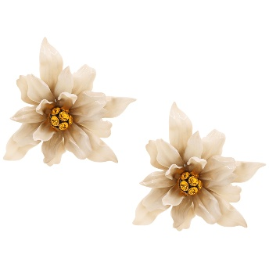 | PE-10250 | FLOWER LILY CRYSTAL CENTER EARRING | - | $6.75 |  | $0.00
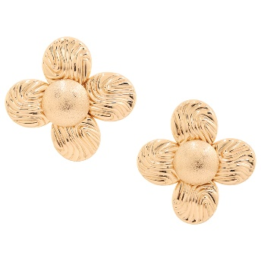 | PE-10280 | TEXTURED METAL FLOWER SHAPE EARRING | GD | $3.75 |  | $0.00
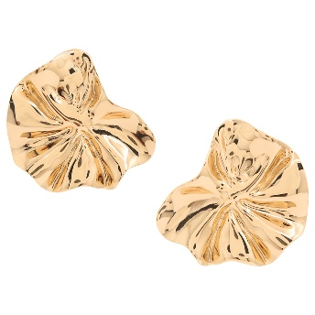 | PE-10285 | WAVY STYLIZED FLOWER PETAL DESIGN METAL EARRING | GD | $3.00 |  | $0.00
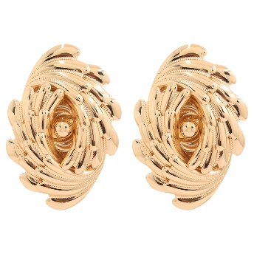 | PE-10288 | OVAL SWIRL DESIGN EARRING | GD | $5.50 |  | $0.00
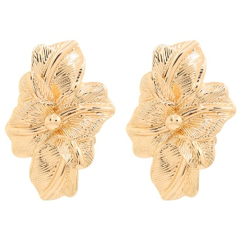 | PE-10291 | FLOWER TEXTURED METAL EARRING | GD | $3.00 |  | $0.00
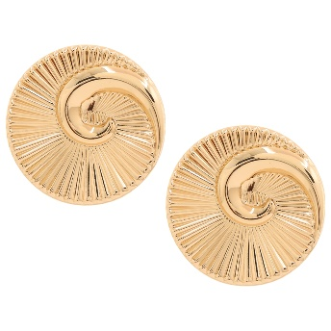 | PE-10294 | ROUND SPIRAL SHELL EARRING | GD | $3.00 |  | $0.00
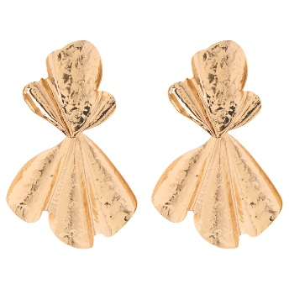 | PE-10297 | HAMMERED METAL TEXTURE DESIGN EARRING | GD | $5.00 |  | $0.00
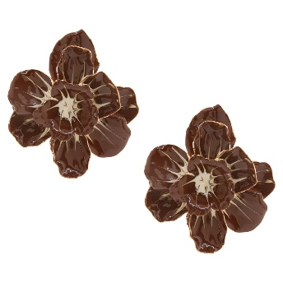 | PE-1470 | FLORAL PAINTED DESIGN EARRING | BR | $6.00 |  | $0.00
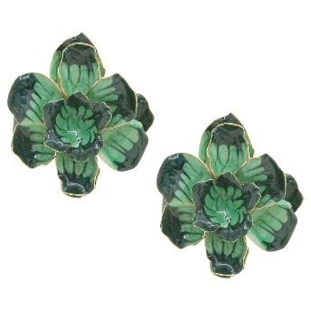 | PE-1470 | FLORAL PAINTED DESIGN EARRING | OL | $6.00 |  | $0.00
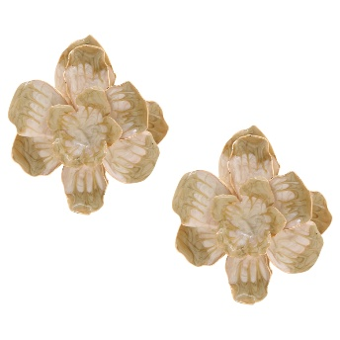 | PE-1470 | FLORAL PAINTED DESIGN EARRING | IV | $6.00 |  | $0.00
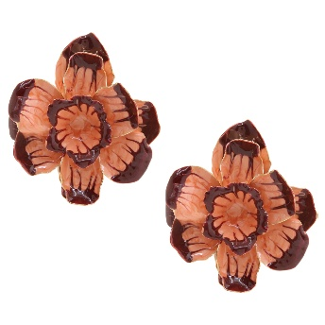 | PE-1470 | FLORAL PAINTED DESIGN EARRING | DRD | $6.00 |  | $0.00
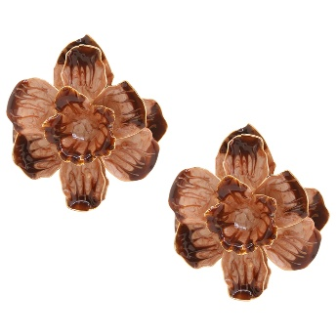 | PE-1470 | FLORAL PAINTED DESIGN EARRING | PA | $6.00 |  | $0.00
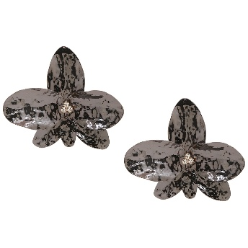 | PE-71647 | PETAL HAMMERED EARRING | COP | $5.50 |  | $0.00
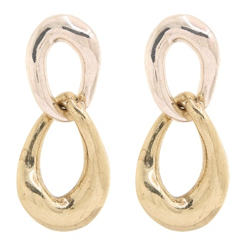 | PE-72358 | MODERN MIXED METAL SCULPTURAL LINK EARRING | BSG | $5.75 |  | $0.00
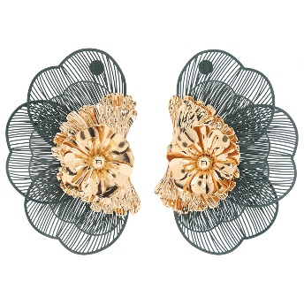 | PE-8431 | FLORAL METAL DESIGN EARRING | GN | $6.50 |  | $0.00
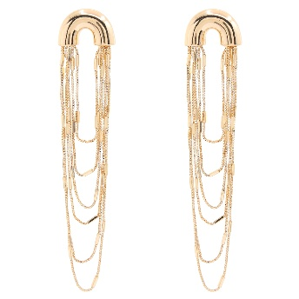 | PE-8815 | MODERNIST ARC LAYERED CHAIN DROP EARRING | - | $6.00 |  | $0.00
 | PE-8885 | WATERFALL FRINGE MULTI RHINESTONE CRYSTAL DROP EARRING | GD | $6.75 |  | $0.00
 | PE-9028 | HAMMERED SUN PEARL DROP EARRING | GD | $4.50 |  | $0.00
 | PE-9233 | FLOWER ARTISTIC EARRING | - | $7.50 |  | $0.00
 | PE-9245 | HAMMERED CASCADING COIN DROP EARRING | - | $5.50 |  | $0.00
 | PE-9953 | MOLTEN SCULPTURAL DROP EARRING | - | $5.75 |  | $0.00
 | PE-9955 | OVAL METAL EARRING | - | $6.00 |  | $0.00
 | PE-9959 | TWIST KNOT STUD LONG TEARDROP SHAPE DANGLE EARRING | - | $5.00 |  | $0.00
 | PE-9965 | SCULPTURAL DROP DESIGN EARRING | - | $5.00 |  | $0.00
 | S-126 | SIMPLY BELLA GLOWING LIPS LIP GLOSS (12 UNITS) | - | $23.50 |  | $0.00
 | S-127 | SIMPLY BELLA LIPLUXE (36 UNITS) | - | $70.00 |  | $0.00
 | WL22-SS01 | SOLID CREW SOCKS | -1 | $3.00 |  | $0.00
 | WL22-SS01 | SOLID CREW SOCKS | -11 | $3.00 |  | $0.00
 | WL22-SS01 | SOLID CREW SOCKS | -12 | $3.00 |  | $0.00
 | WL22-SS01 | SOLID CREW SOCKS | -2 | $3.00 |  | $0.00
 | WL22-SS01 | SOLID CREW SOCKS | -3 | $3.00 |  | $0.00
 | WL22-SS01 | SOLID CREW SOCKS | -4 | $3.00 |  | $0.00
 | WL22-SS01 | SOLID CREW SOCKS | -13 | $3.00 |  | $0.00
 | WL22-SS01 | SOLID CREW SOCKS | -14 | $3.00 |  | $0.00
 | WL22-SS01 | SOLID CREW SOCKS | -8 | $3.00 |  | $0.00
 | ZUS-31685-SET | 2IN1 SUEDE DRAWSTRING DESIGN CROSSBODY BAG W POUCH SET | BK/BK | $20.00 |  | $0.00
 | ZUS-31685-SET | 2IN1 SUEDE DRAWSTRING DESIGN CROSSBODY BAG W POUCH SET | CF/CF | $20.00 |  | $0.00
 | ZUS-31685-SET | 2IN1 SUEDE DRAWSTRING DESIGN CROSSBODY BAG W POUCH SET | WN/WN | $20.00 |  | $0.00
TOTAL |  |  |  |  |  | $0.00

