Line Sheet
Line Sheet - New arrival - 8/3
1025 Stanford Ave. Los Angeles ,CA 90021 Phone: 213-222-9590 WhatsApp: 213-760-1969 Website: http://joiaaccessory.com Faire: https://joiaaccessories.faire.com Email: support@joiaaccessory.com
Grand Total: |  |  |  |  | $0.00
IMG | Style# | WebTitle | Color | Price | Qty | Total
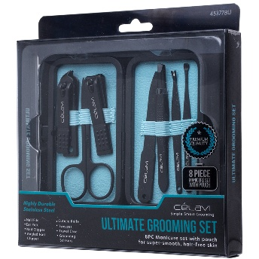 | 45377-BU | CELAVI ULTIMATE GROOMING 8PC MANICURE SET W POUCH | - | $3.00 |  | $0.00
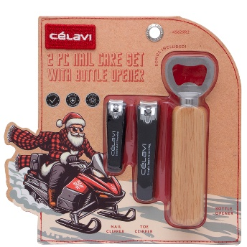 | 45629-R2 | CELAVI 2PC NAIL CARE SET W BOTTLE OPENER | - | $2.50 |  | $0.00
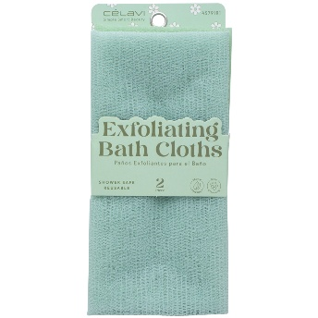 | 45791-R1 | CELAVI EXFOLIATING 2PC BATH CLOTHS | - | $2.50 |  | $0.00
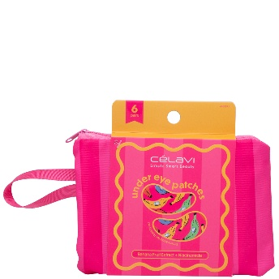 | 46689-R1 | CELAVI UNDER EYE PATCHES 6 PAIRS W ZIPPER POUCH SET | - | $4.00 |  | $0.00
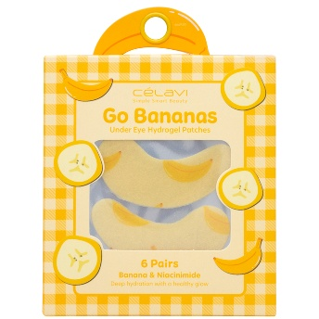 | 46693-R1 | CELAVI GO BANANAS UNDER EYE HYDROGEL PATCHES 6 PAIRS | - | $2.75 |  | $0.00
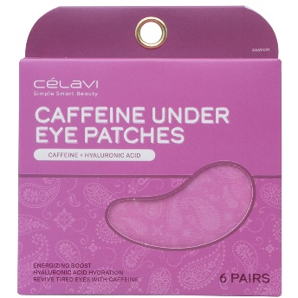 | 46694-R1 | CELAVI CAFFEINE UNDER EYE PATCHES 6 PAIRS | - | $2.50 |  | $0.00
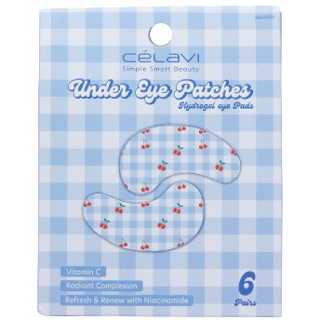 | 46698-R1 | CELAVI UNDER HYDROGEL 6 PAIRS EYE PAD PATCHES | - | $2.75 |  | $0.00
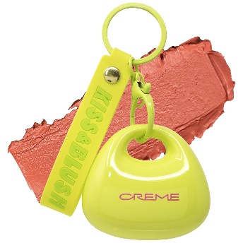 | 58450009 | THE CREME SHOP KISS AND BLUSH TINTED LIP AND CHEEK BALM WATERMELON SUGAR | - | $5.00 |  | $0.00
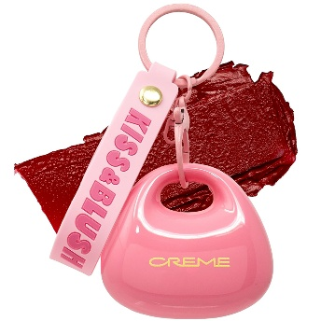 | 58450010 | THE CREME SHOP KISS AND BLUSH TINTED LIP AND CHEEK BALM CHERRY SQUEEZE | - | $5.00 |  | $0.00
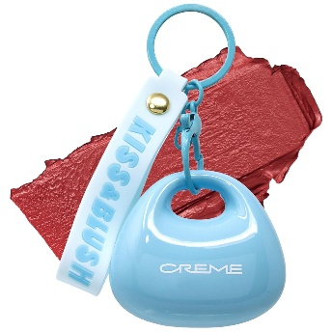 | 58450011 | THE CREME SHOP KISS AND BLUSH TINTED LIP AND CHEEK BALM BERRY MILKSHAKE | - | $5.00 |  | $0.00
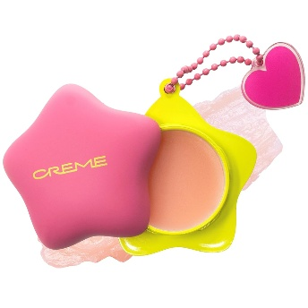 | 584514667 | THE CREME SHOP PLUSH POUT HYDRATING LIP BUTTER ORIGINAL | - | $5.00 |  | $0.00
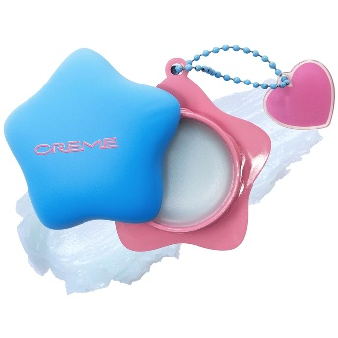 | 584514669 | THE CREME SHOP PLUSH POUT HYDRATING LIP BUTTER MINT | - | $5.00 |  | $0.00
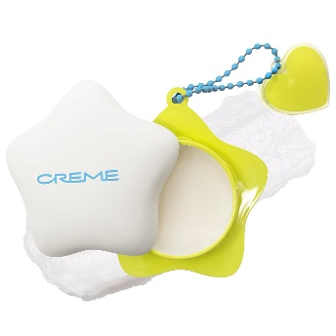 | 584514671 | THE CREME SHOP PLUSH POUT HYDRATING LIP BUTTER VANILLA | - | $5.00 |  | $0.00
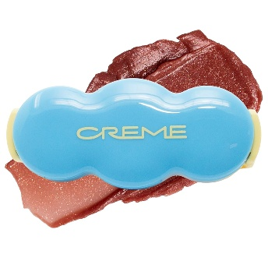 | 584514757 | THE CREME SHOP SHIMMER POP CLIP ON LIP GLOSS GRAVITY GLOW | - | $5.00 |  | $0.00
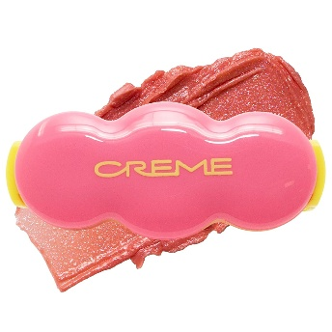 | 584514758 | THE CREME SHOP SHIMMER POP CLIP ON LIP GLOSS NUDE ORBIT | - | $5.00 |  | $0.00
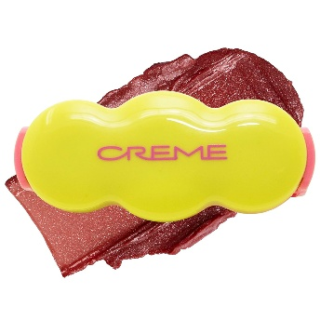 | 584514759 | THE CREME SHOP SHIMMER POP CLIP ON LIP GLOSS COSMIC DREAM | - | $5.00 |  | $0.00
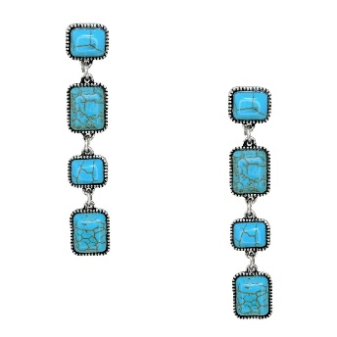 | AE-8356 | WESTERN SQUARE BEAD DANGLE EARRING | SBTQ | $3.75 |  | $0.00
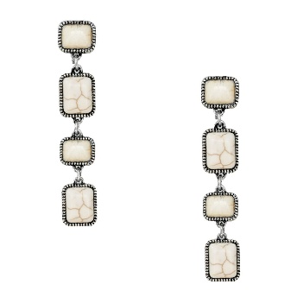 | AE-8356 | WESTERN SQUARE BEAD DANGLE EARRING | SBHO | $3.75 |  | $0.00
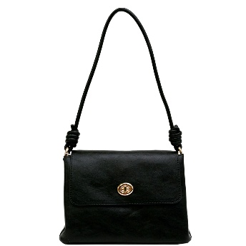 | AK-1328 | LONG HANDLE SHOULDER BAG | BK | $24.00 |  | $0.00
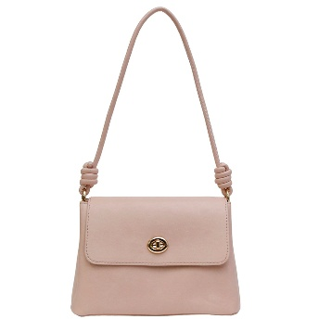 | AK-1328 | LONG HANDLE SHOULDER BAG | PK | $24.00 |  | $0.00
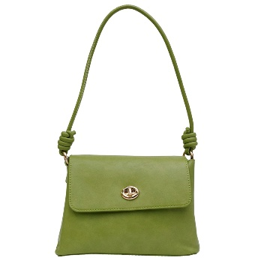 | AK-1328 | LONG HANDLE SHOULDER BAG | SA | $24.00 |  | $0.00
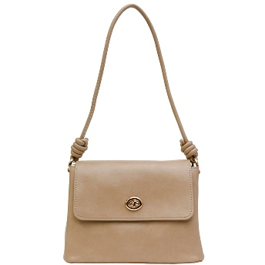 | AK-1328 | LONG HANDLE SHOULDER BAG | TP | $24.00 |  | $0.00
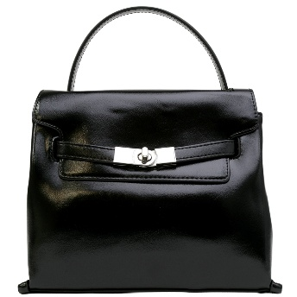 | AK-1329 | PLAIN TURN LOCK BACK FLAP BAG | BK | $30.00 |  | $0.00
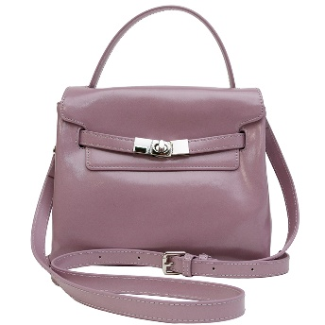 | AK-1329 | PLAIN TURN LOCK BACK FLAP BAG | PU | $30.00 |  | $0.00
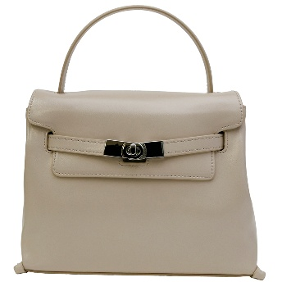 | AK-1329 | PLAIN TURN LOCK BACK FLAP BAG | ST | $30.00 |  | $0.00
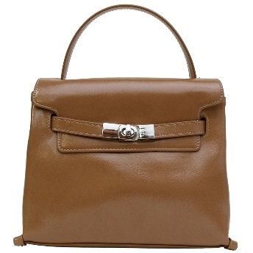 | AK-1329 | PLAIN TURN LOCK BACK FLAP BAG | TP | $30.00 |  | $0.00
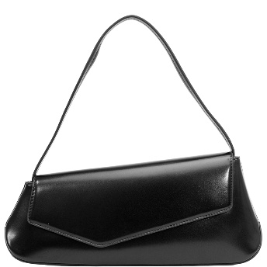 | AK-1330 | SLANTED SHOULDER BAG | BK | $31.00 |  | $0.00
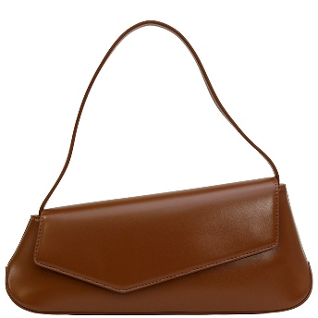 | AK-1330 | SLANTED SHOULDER BAG | BR | $31.00 |  | $0.00
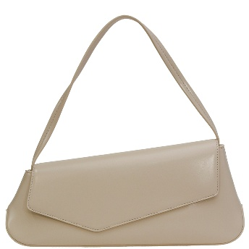 | AK-1330 | SLANTED SHOULDER BAG | IV | $31.00 |  | $0.00
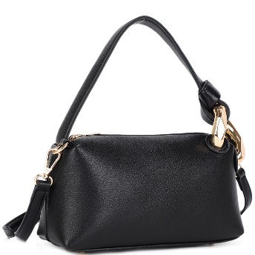 | AOS-5631A | TEXTURED CHIC HANDLE CROSSBODY BAG | BK/BK | $18.00 |  | $0.00
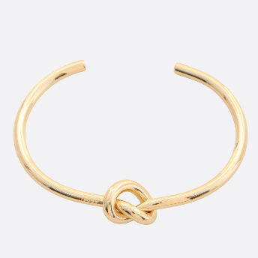 | BC-2502 | KNOT METAL CUFF BRACELET | GD | $4.50 |  | $0.00
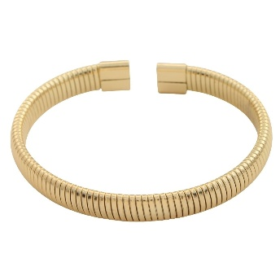 | BC-2630 | METAL CUFF BRACELET | GD | $6.00 |  | $0.00
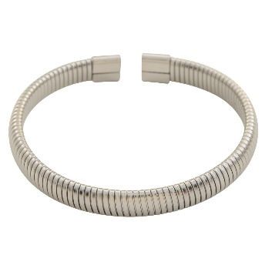 | BC-2630 | METAL CUFF BRACELET | RH | $6.00 |  | $0.00
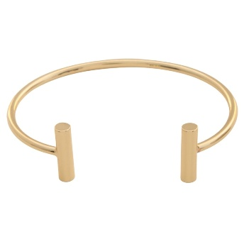 | BC-2635 | METAL BAR CUFF BRACELET | GD | $5.00 |  | $0.00
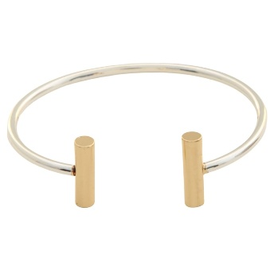 | BC-2635 | METAL BAR CUFF BRACELET | GDSV | $5.00 |  | $0.00
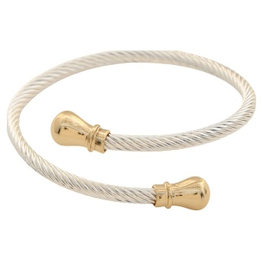 | BC-2636 | TWISTED CABLE METAL CUFF BRACELET | SVGD | $5.00 |  | $0.00
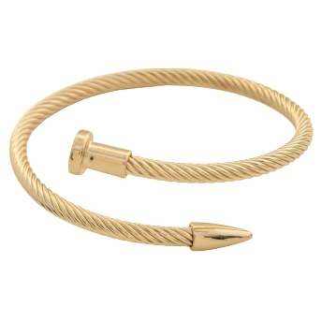 | BC-2640 | TWISTED NAIL CABLE METAL CUFF BRACELET | GD | $5.00 |  | $0.00
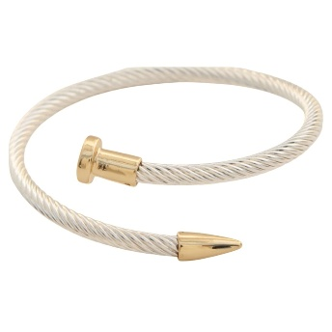 | BC-2640 | TWISTED NAIL CABLE METAL CUFF BRACELET | SVGD | $5.00 |  | $0.00
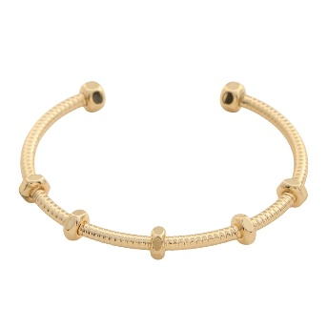 | BCX-052 | METAL CUFF BRACELET | GD | $5.50 |  | $0.00
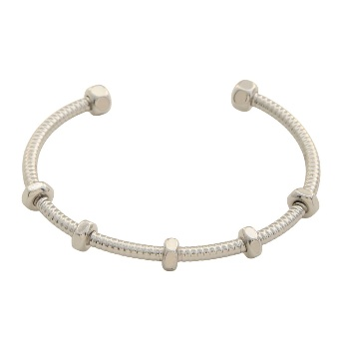 | BCX-052 | METAL CUFF BRACELET | RH | $5.50 |  | $0.00
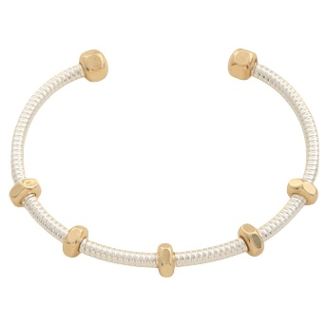 | BCX-052 | METAL CUFF BRACELET | SVGD | $5.50 |  | $0.00
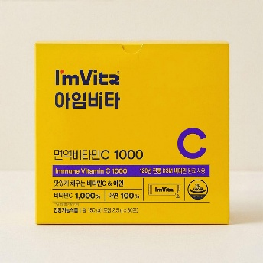 | CK-IMC-3926 | IMITA IMMUNE SUPPLEMENTS VITAMIN C 1000 60P 150G | - | $18.00 |  | $0.00
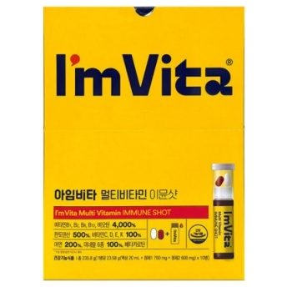 | CK-IMSHOT | I`M VITA MULTI VITAMIN SUPPLEMENTS IMMUNE SHOT 0.83 OZ.(23.58G) X 10EA | - | $25.00 |  | $0.00
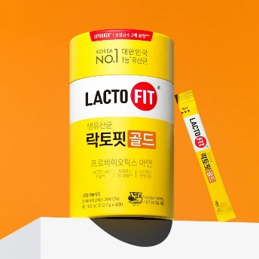 | CK-LAC-GD | LACTO-FIT PROBIOTICS SUPPLEMENTS GOLD 3.5 OZ.(100G) X 50EA | - | $13.00 |  | $0.00
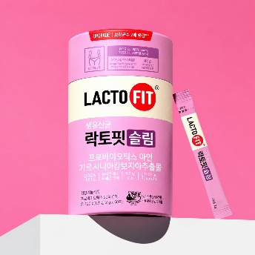 | CK-LAC-SLIM | LACTO-FIT PROBIOTICS SUPPLEMENTS SLIM 60 STICKS | - | $26.00 |  | $0.00
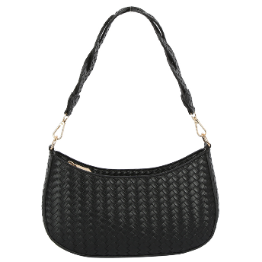 | DX-0224 | WOVEN BRAIDED STRAP SHOULDER BAG | BK | $15.00 |  | $0.00
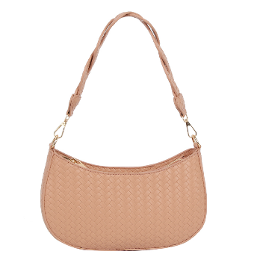 | DX-0224 | WOVEN BRAIDED STRAP SHOULDER BAG | BS | $15.00 |  | $0.00
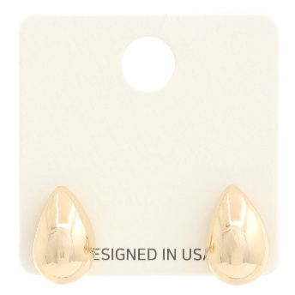 | EC-3423 | TEARDROP METAL EARRING | GD | $2.75 |  | $0.00
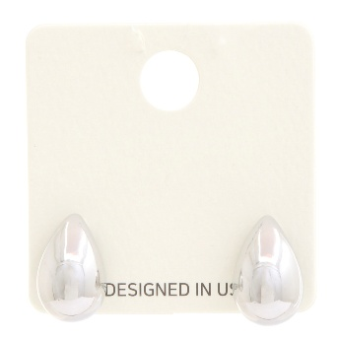 | EC-3423 | TEARDROP METAL EARRING | RH | $2.75 |  | $0.00
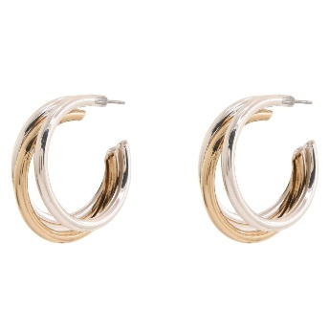 | ECX-2666 | TWO TONE TRIPLE BAND HOOP EARRING | GDSV | $3.75 |  | $0.00
 | EEB-919 | METAL MULTI LINK HOOP EARRING | GD | $4.50 |  | $0.00
 | EEB-998 | METAL C HOOP EARRRING | GD | $2.50 |  | $0.00
 | EEC-002 | METAL C HOOP EARRING | GD | $2.75 |  | $0.00
 | EJ-60452-SU | CHIC SUEDE SHOULDER BAG | BK/BK | $17.00 |  | $0.00
 | EJ-60452-SU | CHIC SUEDE SHOULDER BAG | CF/CF | $17.00 |  | $0.00
 | ENB-294 | METAL LINK NECKLACE | GD | $6.00 |  | $0.00
 | ERA-506 | MULTI RING SET | GDMBR | $5.00 |  | $0.00
 | EW-20310 | FLORAL PEARL TEARDROP DANGLE EARRING | PK | $3.50 |  | $0.00
 | EW-20310 | FLORAL PEARL TEARDROP DANGLE EARRING | GRN | $3.50 |  | $0.00
 | EW-20310 | FLORAL PEARL TEARDROP DANGLE EARRING | GRY | $3.50 |  | $0.00
 | EW-20310 | FLORAL PEARL TEARDROP DANGLE EARRING | WHT | $3.50 |  | $0.00
 | EW-40375 | FACETED RESIN TEARDROP DROP EARRING | BRZ | $3.75 |  | $0.00
 | EW-40375 | FACETED RESIN TEARDROP DROP EARRING | WHT | $3.75 |  | $0.00
 | EW-72931 | WESTERN CROSS DROP EARRING | GD | $4.50 |  | $0.00
 | EW-72931 | WESTERN CROSS DROP EARRING | MU1 | $4.50 |  | $0.00
 | FHE-0159 | CC COTTON LEOPARD FISHERMAN CAP | BK | $10.00 |  | $0.00
 | FN-5128 | BEAD NECKLACE | GDPU | $7.50 |  | $0.00
 | FN-5134 | METAL EPOXY STONE NECKLACE | GDBEG | $5.50 |  | $0.00
 | FN-5134 | METAL EPOXY STONE NECKLACE | GDBRN | $5.50 |  | $0.00
 | FN-5134 | METAL EPOXY STONE NECKLACE | GDOVG | $5.50 |  | $0.00
 | FN-5134 | METAL EPOXY STONE NECKLACE | GDBND | $5.50 |  | $0.00
 | FP-0029 | EPOXY STONE CROSS BROOCH PIN | GDCR | $4.50 |  | $0.00
 | GMS-0146 | WOVEN PATTERN CROCHET DESIGN SHOULDER BAG | BG | $13.00 |  | $0.00
 | GMS-0146 | WOVEN PATTERN CROCHET DESIGN SHOULDER BAG | TP | $13.00 |  | $0.00
 | HBG-103210 |  | BG | $12.00 |  | $0.00
 | HBG-105600 | TEXTURED DESIGN EVENING CLUTCH BAG | G | $8.00 |  | $0.00
 | HBG-105600 | TEXTURED DESIGN EVENING CLUTCH BAG | S | $8.00 |  | $0.00
 | HL-10128 | SMOOTH FASHION SLOUCHY SHOULDER HOBO | BG | $20.00 |  | $0.00
 | HL-10128 | SMOOTH FASHION SLOUCHY SHOULDER HOBO | BK | $20.00 |  | $0.00
 | HL-10128 | SMOOTH FASHION SLOUCHY SHOULDER HOBO | BR | $20.00 |  | $0.00
 | HL-10128 | SMOOTH FASHION SLOUCHY SHOULDER HOBO | CF | $20.00 |  | $0.00
 | HL-10128 | SMOOTH FASHION SLOUCHY SHOULDER HOBO | ND | $20.00 |  | $0.00
 | HM-788 | MODERN NYLON TEXTURED SHOULDER BACKPACK | ASH BROWN | $17.00 |  | $0.00
 | HM-788 | MODERN NYLON TEXTURED SHOULDER BACKPACK | CLAY | $17.00 |  | $0.00
 | HM-788 | MODERN NYLON TEXTURED SHOULDER BACKPACK | NAVY | $17.00 |  | $0.00
 | HM-788 | MODERN NYLON TEXTURED SHOULDER BACKPACK | TAUPE | $17.00 |  | $0.00
 | HM-788 | MODERN NYLON TEXTURED SHOULDER BACKPACK | BLUSH | $17.00 |  | $0.00
 | HM-788 | MODERN NYLON TEXTURED SHOULDER BACKPACK | SAGE | $17.00 |  | $0.00
 | HPC-5681 | TRANSPARENT TOP HANDLE BAG | CL/SL | $14.00 |  | $0.00
 | HPC-5681 | TRANSPARENT TOP HANDLE BAG | CL/GD | $14.00 |  | $0.00
 | HPC-6903 | RHINESTONE AND PEARL PARTY CLUTCH BAG | GD | $21.00 |  | $0.00
 | HPC-6903 | RHINESTONE AND PEARL PARTY CLUTCH BAG | SL | $21.00 |  | $0.00
 | HPC-6914 | RHINESTONE AND PEARL PARTY CLUTCH BAG | GD | $18.50 |  | $0.00
 | HPC-6914 | RHINESTONE AND PEARL PARTY CLUTCH BAG | SL | $18.50 |  | $0.00
 | IEC-719 | RHINESTONE METAL LINER EARRING | GDCRY | $6.00 |  | $0.00
 | IEC-817 | METAL STONE TEARDROP EARRING | GDCRM | $5.00 |  | $0.00
 | IHT-72586ASL | LONGHORN CONCHO FAUX SUEDE BANDED MICROSUEDE COWBOY HAT | DKBRN | $12.50 |  | $0.00
 | IHT-72586ASL | LONGHORN CONCHO FAUX SUEDE BANDED MICROSUEDE COWBOY HAT | DKTP | $12.50 |  | $0.00
 | IHT-72586ASL | LONGHORN CONCHO FAUX SUEDE BANDED MICROSUEDE COWBOY HAT | CRMTP | $12.50 |  | $0.00
 | INE-715 | METAL MULTI RING PENDANT NECKLACE | GD | $5.50 |  | $0.00
 | INE-716 | METAL MULTI RING PENDANT NECKLACE | GDCRY | $5.50 |  | $0.00
 | IW-27117AGO | FLORAL VINE SWIRL CONCHO LINK WESTERN BELT | BLACK | $9.00 |  | $0.00
 | IW-27117AGO | FLORAL VINE SWIRL CONCHO LINK WESTERN BELT | GOLD | $9.00 |  | $0.00
 | IW-27117AGO | FLORAL VINE SWIRL CONCHO LINK WESTERN BELT | WHITE | $9.00 |  | $0.00
 | IW-27117AGO | FLORAL VINE SWIRL CONCHO LINK WESTERN BELT | DKCOG | $9.00 |  | $0.00
 | JA-GMS-4048 | STYLISH DESIGN EVENING CROSSBODY BAG | BK | $18.00 |  | $0.00
 | JA-GMS-4048 | STYLISH DESIGN EVENING CROSSBODY BAG | GD | $18.00 |  | $0.00
 | JA-GMS-4048 | STYLISH DESIGN EVENING CROSSBODY BAG | WT | $18.00 |  | $0.00
 | JEE-988 | METAL ROUND STONE C HOOP EARRING | GDBK | $5.50 |  | $0.00
 | JEE-988 | METAL ROUND STONE C HOOP EARRING | GDBRN | $5.50 |  | $0.00
 | JEE-988 | METAL ROUND STONE C HOOP EARRING | GDLBE | $5.50 |  | $0.00
 | JEE-989 | METAL FLOWER ROUND BALL DANGLE EARRING | GDBRN | $4.50 |  | $0.00
 | JEE-989 | METAL FLOWER ROUND BALL DANGLE EARRING | GDIV | $4.50 |  | $0.00
 | JEE-992 | STONE BALL DANGLE EARRING | GDBK | $4.50 |  | $0.00
 | JEE-992 | STONE BALL DANGLE EARRING | GDPK | $4.50 |  | $0.00
 | JEE-992 | STONE BALL DANGLE EARRING | GDLBE | $4.50 |  | $0.00
 | JEF-116 | METAL STONE TEARDROP EARRING | GDAMR | $4.50 |  | $0.00
 | JY-0612 | ANIMAL TEXTURED SHOULDER BAG | COWBK | $17.00 |  | $0.00
 | JY-0612 | ANIMAL TEXTURED SHOULDER BAG | COWBRN | $17.00 |  | $0.00
 | JY-0612 | ANIMAL TEXTURED SHOULDER BAG | BAMBI | $17.00 |  | $0.00
 | KH-26432WT2 | CHIC CURVE SHOULDER BAG W KEYCHAIN | BK | $12.00 |  | $0.00
 | KH-26432WT2 | CHIC CURVE SHOULDER BAG W KEYCHAIN | BR | $12.00 |  | $0.00
 | KH-26432WT2 | CHIC CURVE SHOULDER BAG W KEYCHAIN | WN | $12.00 |  | $0.00
 | KME-8728 | 14K GOLD DIPPED SPARKLY CIRCLE HUGGIE HOOP EARRING | GD | $4.50 |  | $0.00
 | KME-8728 | 14K GOLD DIPPED SPARKLY CIRCLE HUGGIE HOOP EARRING | RH | $4.50 |  | $0.00
 | KME-8729 | 14K GOLD DIPPED SPARKLY HEART HUGGIE HOOP EARRING | GD | $4.50 |  | $0.00
 | KME-8729 | 14K GOLD DIPPED SPARKLY HEART HUGGIE HOOP EARRING | RH | $4.50 |  | $0.00
 | KME-8743 | 14K GOLD DIPPED CZ ACCENTED SHAPE EARRING | GD | $4.50 |  | $0.00
 | KME-8743 | 14K GOLD DIPPED CZ ACCENTED SHAPE EARRING | RH | $4.50 |  | $0.00
 | KME-8754-1 | 14K GOLD DIPPED CZ TEAR SHAPE DROP EARRING | GD | $4.50 |  | $0.00
 | KME-8754-1 | 14K GOLD DIPPED CZ TEAR SHAPE DROP EARRING | RH | $4.50 |  | $0.00
 | KSE-4005-6 | 14K GOLD DIPPED FLAT OVAL HOOP EARRING | GD | $4.75 |  | $0.00
 | KSE-6552 | DOUBLE OPEN CIRCLE 14K GOLD DIPPED EARRING | GD | $3.50 |  | $0.00
 | KSE-6552 | DOUBLE OPEN CIRCLE 14K GOLD DIPPED EARRING | RH | $3.50 |  | $0.00
 | KSE-6591-2.5 | 14K GOLD DIPPED TEXTURED HOOP EARRING | GD | $4.00 |  | $0.00
 | KSE-6591-2.5 | 14K GOLD DIPPED TEXTURED HOOP EARRING | RH | $4.00 |  | $0.00
 | KSE-6602 | 14K GOLD DIPPED MINI HOOP EARRING | GD | $4.00 |  | $0.00
 | KSE-6716-2.5 | 14K GOLD DIPPED HOOP EARRING | TG | $4.00 |  | $0.00
 | KSE-6716-2.5 | 14K GOLD DIPPED HOOP EARRING | TR | $4.00 |  | $0.00
 | KSE-6890 | 14K GOLD DIPPED HYPOALLERGENIC TRIPLE HOOP EARRING | GD | $4.00 |  | $0.00
 | KSE-7256 | 14K GOLD DIPPED TWISTED LINK CIRCLE METAL EARRING | GD | $3.75 |  | $0.00
 | KSE-7270-3 | 14K GOLD DIPPED OVAL SHAPE HOOP EARRING | GD | $3.75 |  | $0.00
 | KSE-7270-3 | 14K GOLD DIPPED OVAL SHAPE HOOP EARRING | RH | $3.75 |  | $0.00
 | KSE-7317-1 | 14K GOLD DIPPED OVAL METAL EARRING | GD | $3.50 |  | $0.00
 | KSE-7322 | 14K GOLD DIPPED TEXTURED LOVE KNOT EARRING | GD | $4.75 |  | $0.00
 | KSE-7322 | 14K GOLD DIPPED TEXTURED LOVE KNOT EARRING | RH | $4.75 |  | $0.00
 | KSE-7327 | 14K GOLD DIPPED LINKED CIRCLE EARRING | GD | $4.00 |  | $0.00
 | KSE-7327 | 14K GOLD DIPPED LINKED CIRCLE EARRING | RH | $4.00 |  | $0.00
 | KSE-7343-2 | 14K GOLD DIPPED TWISTED LAYER HOOP EARRING | GD | $3.50 |  | $0.00
 | KSE-7343-2 | 14K GOLD DIPPED TWISTED LAYER HOOP EARRING | RH | $3.50 |  | $0.00
 | KSE-7387-2.5 | 14K GOLD DIPPED HOOP EARRING | GD | $4.00 |  | $0.00
 | KSE-7387-2.5 | 14K GOLD DIPPED HOOP EARRING | RH | $4.00 |  | $0.00
 | KSE-7390-1.7 | 14K GOLD DIPPED HOOP EARRING | GD | $3.50 |  | $0.00
 | KSE-7390-1.7 | 14K GOLD DIPPED HOOP EARRING | RH | $3.50 |  | $0.00
 | KSE-7392 | 14K GOLD DIPPED HOOP EARRING | GD | $4.00 |  | $0.00
 | KSE-7392 | 14K GOLD DIPPED HOOP EARRING | RH | $4.00 |  | $0.00
 | LP-16615-SUX | STYLISH SUEDE DRAWSTRING BUCKET BAG | BK | $18.00 |  | $0.00
 | LP-16615-SUX | STYLISH SUEDE DRAWSTRING BUCKET BAG | BD | $18.00 |  | $0.00
 | LP-16615-SUX | STYLISH SUEDE DRAWSTRING BUCKET BAG | CHO | $18.00 |  | $0.00
 | ME-0152 | STYLISH DESIGN DRAWSTRING TOTE BAG | BK | $17.00 |  | $0.00
 | ME-0152 | STYLISH DESIGN DRAWSTRING TOTE BAG | BR | $17.00 |  | $0.00
 | ME-0152 | STYLISH DESIGN DRAWSTRING TOTE BAG | GN | $17.00 |  | $0.00
 | ME-0152 | STYLISH DESIGN DRAWSTRING TOTE BAG | LST | $17.00 |  | $0.00
 | ME-0152 | STYLISH DESIGN DRAWSTRING TOTE BAG | RD | $17.00 |  | $0.00
 | ME-0152 | STYLISH DESIGN DRAWSTRING TOTE BAG | BG | $17.00 |  | $0.00
 | ME-12220 | 2IN1 PLAIN TEXTURED SHOULDER HOBO BAG W POUCH AND KEYCHAIN | BK | $25.00 |  | $0.00
 | ME-12220 | 2IN1 PLAIN TEXTURED SHOULDER HOBO BAG W POUCH AND KEYCHAIN | BR | $25.00 |  | $0.00
 | ME-12220 | 2IN1 PLAIN TEXTURED SHOULDER HOBO BAG W POUCH AND KEYCHAIN | OAT | $25.00 |  | $0.00
 | MEA-019 | MULTI PEARL METAL HOOP EARRING | GDCRM | $5.75 |  | $0.00
 | MEA-140 | METAL ROUND STUD EARRING | GD | $2.50 |  | $0.00
 | MEA-141 | METAL HOOP MULTI RING EARRING | GD | $3.00 |  | $0.00
 | MEA-149 | STATEMENT METAL DROP EARRING | GD | $4.50 |  | $0.00
 | MEA-158 | ROUND METAL TASSEL DROP EARRING | GD | $3.50 |  | $0.00
 | MEA-169 | TRI TONE KNOT STUD EARRING | MT | $5.00 |  | $0.00
 | MEA-176 | METAL ROUND RING STUD EARRING | MT | $2.75 |  | $0.00
 | MEA-178 | TWO TONE STUD EARRING | MRH | $2.75 |  | $0.00
 | MH-0363 | WIDE STRIPED KNIT BERET HAT | - | $6.50 |  | $0.00
 | MH-0370 | MERRY & BRIGHT CHRISTMAS LUREX BEANIE. | - | $5.00 |  | $0.00
 | MH-0371 | HAPPY HOLIDAY CHRISTMAS LUREX BEANIE | - | $5.00 |  | $0.00
 | MH-0372 | OH DEER CHRISTMAS LUREX BEANIE | - | $5.00 |  | $0.00
 | MH-0373 | MERRY CHRISTMAS LUREX BEANIE | - | $5.00 |  | $0.00
 | MH-0374 | SWEET CHRISTMAS LUREX BEANIE | - | $5.00 |  | $0.00
 | MNA-154 | METAL PEARL CROSS PENDANT NECKLACE | GDCRM | $5.50 |  | $0.00
 | MNA-158 | BEADED CROSS PENDANT NECKLACE | GDCRM | $5.50 |  | $0.00
 | MNA-163 | METAL RHINESTONE CROSS Y NECKLACE | GDCRM | $6.00 |  | $0.00
 | MNA-172 | CROSS PENDANT NECKLACE | GDBK | $6.00 |  | $0.00
 | MNA-172 | CROSS PENDANT NECKLACE | GDBUG | $6.00 |  | $0.00
 | NBA-644 | METAL MIX BEADED STRETCH BRACELET SET | GDMLT | $5.50 |  | $0.00
 | NCE-0171 | CC COTTON POLKA DOT NEWSBOY CAP | GRY | $11.50 |  | $0.00
 | NCE-0171 | CC COTTON POLKA DOT NEWSBOY CAP | DUB | $11.50 |  | $0.00
 | NCE-0172 | CC COTTON FLOWER NEWSBOY CAP | WHT | $11.50 |  | $0.00
 | NCE-0174 | CC COTTON NEWSBOY CAP | BK | $10.75 |  | $0.00
 | NCE-0174 | CC COTTON NEWSBOY CAP | OLV | $10.75 |  | $0.00
 | NCE-0174 | CC COTTON NEWSBOY CAP | WHT | $10.75 |  | $0.00
 | NCE-0174 | CC COTTON NEWSBOY CAP | BGE | $10.75 |  | $0.00
 | NCE-0174 | CC COTTON NEWSBOY CAP | NBR | $10.75 |  | $0.00
 | NCH-117 | METAL HEART PENDANT NECKLACE | GD | $6.00 |  | $0.00
 | NEB-599 | BRASS METAL BALL STUD EARRING | GDTIG | $3.75 |  | $0.00
 | NEB-602 | STONE PEARL STUD EARRING | GDTIG | $4.50 |  | $0.00
 | NEB-610 | BRASS METAL HOOP EARRING | GDBRN | $5.75 |  | $0.00
 | NMN-7817 | TEARDROP CUBE STONE STATION METAL NECKLACE | GN | $8.25 |  | $0.00
 | NMN-7817 | TEARDROP CUBE STONE STATION METAL NECKLACE | RD | $8.25 |  | $0.00
 | NMN-7817 | TEARDROP CUBE STONE STATION METAL NECKLACE | AB | $8.25 |  | $0.00
 | NMN-7881 | MIXED BEAD OVAL CRYSTAL NECKLACE | GY | $8.00 |  | $0.00
 | NMN-7881 | MIXED BEAD OVAL CRYSTAL NECKLACE | NU | $8.00 |  | $0.00
 | NMN-7881 | MIXED BEAD OVAL CRYSTAL NECKLACE | GN | $8.00 |  | $0.00
 | NMN-7881 | MIXED BEAD OVAL CRYSTAL NECKLACE | WI | $8.00 |  | $0.00
 | PC-BELLO-18CAM | THONG SLIDE W HORSEBIT 1 PAIRS | 6.5 | $2.50 |  | $0.00
 | PE-10156 | RESIN STONE DANGLE EARRING | - | $5.75 |  | $0.00
 | PE-10175 | STONE POST DANGLE EARRING | - | $5.00 |  | $0.00
 | PE-10187 | CHANDELIER DANGLE EARRING | - | $5.50 |  | $0.00
 | PE-10259 | MIXED COLOR DROP EARRING | - | $6.00 |  | $0.00
 | PE-10263 | MULTI COLOR STONE EARRING | - | $7.00 |  | $0.00
 | PE-10270 | MULTI COLOR RHINESTONE POST DANGLE EARRING | - | $6.75 |  | $0.00
 | PE-10273 | TEXTURED BROWN STONE DROP EARRING | WN | $6.00 |  | $0.00
 | PE-8659 | MULTI COLOR GEMSTONE POST EARRING | - | $6.00 |  | $0.00
 | PE-8716 | TWO COLOR STONE RESIN DANGLE EARRING | - | $5.00 |  | $0.00
 | PE-8887 | METAL HAMMERED MOON STAR EARRING | - | $6.00 |  | $0.00
 | PE-8915 | RESIN DROP DANGLE EARRING | BR | $4.50 |  | $0.00
 | PE-9040 | LAYERED DROP LEOPARD PRINT EARRINGS | - | $6.00 |  | $0.00
 | PE-9055 | DAISY OVEAL DROP DANGLE EARRING | - | $5.50 |  | $0.00
 | PE-9205 | OVERSIZED STATEMENTS DANGLE EARRING | WN | $5.75 |  | $0.00
 | PE-9205 | OVERSIZED STATEMENTS DANGLE EARRING | BR | $5.75 |  | $0.00
 | PE-9205 | OVERSIZED STATEMENTS DANGLE EARRING | OL | $5.75 |  | $0.00
 | PE-9205 | OVERSIZED STATEMENTS DANGLE EARRING | IV | $5.75 |  | $0.00
 | PE-9240 | TASSEL DROP EARRING | - | $5.00 |  | $0.00
 | PE-9258 | TEXTURED TEARDROP DANGLE EARRING | - | $5.00 |  | $0.00
 | PE-9260 | STONE POST DANGLE EARRING | - | $6.00 |  | $0.00
 | PE-9270 | STUDDED WOODEN DROP DANGLE EARRING | - | $6.00 |  | $0.00
 | PE-9297 | FLORAL STATEMENT POST EARRING | RD | $6.75 |  | $0.00
 | PE-9297 | FLORAL STATEMENT POST EARRING | BR | $6.75 |  | $0.00
 | PE-9297 | FLORAL STATEMENT POST EARRING | GN | $6.75 |  | $0.00
 | PE-9363 | STONE DROP EARRING | - | $5.50 |  | $0.00
 | PE-9364 | STONE DROP DANGLE EARRING | - | $4.50 |  | $0.00
 | PE-9365 | MULTI COLOR STONE DANGLE EARRING | - | $3.75 |  | $0.00
 | PE-9366 | MULTI COLOR STONE DROP EARRING | - | $3.50 |  | $0.00
 | PE-9373 | FLOWER TASSEL DANGLE EARRING | - | $6.75 |  | $0.00
 | PE-9554 | RESIN ROUND STUD EARRING | BR | $5.50 |  | $0.00
 | PE-9554 | RESIN ROUND STUD EARRING | IV | $5.50 |  | $0.00
 | PE-9554 | RESIN ROUND STUD EARRING | DRD | $5.50 |  | $0.00
 | PE-9706 | STONE DROP EARRING | OL | $4.50 |  | $0.00
 | PE-9706 | STONE DROP EARRING | IV | $4.50 |  | $0.00
 | PE-9706 | STONE DROP EARRING | BR | $4.50 |  | $0.00
 | PP-782LP | LEOPARD PRINT HANDLE SATCHEL BAG | BG | $12.00 |  | $0.00
 | SC-781 | TEXTURED STRAW HANDLE CROSSBODY BAG | BROWN | $11.00 |  | $0.00
 | SC-781 | TEXTURED STRAW HANDLE CROSSBODY BAG | SAGE | $11.00 |  | $0.00
 | SC-781 | TEXTURED STRAW HANDLE CROSSBODY BAG | WHITE | $11.00 |  | $0.00
 | SC-781 | TEXTURED STRAW HANDLE CROSSBODY BAG | CHARCOAL | $11.00 |  | $0.00
 | SC-781 | TEXTURED STRAW HANDLE CROSSBODY BAG | BLUSH | $11.00 |  | $0.00
 | SC-781 | TEXTURED STRAW HANDLE CROSSBODY BAG | CHAMPAGNE GOLD | $11.00 |  | $0.00
 | SW-60151-SET | 2IN1 WOVEN TEXTURE STRIPE DESIGN HANDLE TOTE BAG W ZIPPER POUCH SET | BK/LL | $18.00 |  | $0.00
 | SW-60151-SET | 2IN1 WOVEN TEXTURE STRIPE DESIGN HANDLE TOTE BAG W ZIPPER POUCH SET | BLS/IV | $18.00 |  | $0.00
 | T-3860 | TEXTURED COLOR CHIC SHOULDER HOBO BAG | BG | $21.00 |  | $0.00
 | T-3860 | TEXTURED COLOR CHIC SHOULDER HOBO BAG | BK | $21.00 |  | $0.00
 | T-3860 | TEXTURED COLOR CHIC SHOULDER HOBO BAG | OL | $21.00 |  | $0.00
 | T-3860 | TEXTURED COLOR CHIC SHOULDER HOBO BAG | TP | $21.00 |  | $0.00
 | TB-30086 | MIX BEADED STRETCH BRACELET | WGOLI | $6.00 |  | $0.00
 | TCM-0259 | CC OH SHIP TRUCKER HAT | SBL | $7.00 |  | $0.00
 | TCM-0259 | CC OH SHIP TRUCKER HAT | MNT | $7.00 |  | $0.00
 | TE-30078 | METAL STONE DROP EARRING | WGMT | $6.00 |  | $0.00
 | TE-30078 | METAL STONE DROP EARRING | WGDAJ | $6.00 |  | $0.00
 | TE-30098 | METAL STONE DROP EARRING | AGBL | $5.75 |  | $0.00
 | TE-30098 | METAL STONE DROP EARRING | AGBR | $5.75 |  | $0.00
 | TE-30098 | METAL STONE DROP EARRING | AGMT | $5.75 |  | $0.00
 | TE-30098 | METAL STONE DROP EARRING | AGBU | $5.75 |  | $0.00
 | wbpx-80 | WONDER PONYTAIL BOND EXTREME HOLD FREEZE SPRAY- COARSE HAIR 80ML | - | $3.25 |  | $0.00
 | WE-12220-1 | 2IN1 TEXTURED SHOULDER HOBO BAG W POUCH AND KEYCHAIN SET | BK | $26.00 |  | $0.00
 | WE-12220-1 | 2IN1 TEXTURED SHOULDER HOBO BAG W POUCH AND KEYCHAIN SET | BR | $26.00 |  | $0.00
 | WE-12220-1 | 2IN1 TEXTURED SHOULDER HOBO BAG W POUCH AND KEYCHAIN SET | SD | $26.00 |  | $0.00
 | WE-12220-1 | 2IN1 TEXTURED SHOULDER HOBO BAG W POUCH AND KEYCHAIN SET | TP | $26.00 |  | $0.00
 | XY-10132 | PLAIN TEXTURED CURVE SHOULDER HOBO BAG | BG | $20.00 |  | $0.00
 | XY-10132 | PLAIN TEXTURED CURVE SHOULDER HOBO BAG | BK | $20.00 |  | $0.00
 | XY-10132 | PLAIN TEXTURED CURVE SHOULDER HOBO BAG | BR | $20.00 |  | $0.00
 | XY-10132 | PLAIN TEXTURED CURVE SHOULDER HOBO BAG | TP | $20.00 |  | $0.00
 | YS-2167 | TRENDY LEOPARD PRINT SATIN BANDANA WOMEN MULTI-USE NECK SCARF HAIR BAG TIE | BK | $3.00 |  | $0.00
 | ZM-31488A-SET | 2IN1 OVAL PRINT TEXTURED BACKPACK W WALLET SET | BL/BL | $24.00 |  | $0.00
 | ZM-31488A-SET | 2IN1 OVAL PRINT TEXTURED BACKPACK W WALLET SET | BR/BR | $24.00 |  | $0.00
 | ZM-31488A-SET | 2IN1 OVAL PRINT TEXTURED BACKPACK W WALLET SET | CF/BK | $24.00 |  | $0.00
 | ZM-31488A-SET | 2IN1 OVAL PRINT TEXTURED BACKPACK W WALLET SET | PK/PK | $24.00 |  | $0.00
 | ZM-31488A-SET | 2IN1 OVAL PRINT TEXTURED BACKPACK W WALLET SET | TP/BR | $24.00 |  | $0.00
 | ZZM-31913-SET | 3IN1 TEXTURED SCARF HANDLE TOTE W MINI BAG AND WALLET SET | BK | $33.00 |  | $0.00
 | ZZM-31913-SET | 3IN1 TEXTURED SCARF HANDLE TOTE W MINI BAG AND WALLET SET | BR | $33.00 |  | $0.00
 | ZZM-31913-SET | 3IN1 TEXTURED SCARF HANDLE TOTE W MINI BAG AND WALLET SET | CF | $33.00 |  | $0.00
 | ZZM-31913-SET | 3IN1 TEXTURED SCARF HANDLE TOTE W MINI BAG AND WALLET SET | GD | $33.00 |  | $0.00
 | ZZM-31913-SET | 3IN1 TEXTURED SCARF HANDLE TOTE W MINI BAG AND WALLET SET | OTM | $33.00 |  | $0.00
 | ZZM-31913-SET | 3IN1 TEXTURED SCARF HANDLE TOTE W MINI BAG AND WALLET SET | TP | $33.00 |  | $0.00
TOTAL |  |  |  |  |  | $0.00

