Line Sheet
Line Sheet - New arrival - 8/5
1025 Stanford Ave. Los Angeles ,CA 90021 Phone: 213-222-9590 WhatsApp: 213-760-1969 Website: http://joiaaccessory.com Faire: https://joiaaccessories.faire.com Email: support@joiaaccessory.com
Grand Total: |  |  |  |  | $0.00
IMG | Style# | WebTitle | Color | Price | Qty | Total
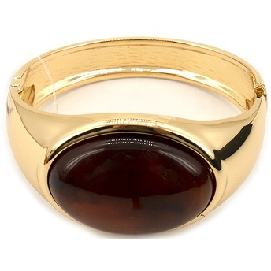 | 11-6201 | METAL OVAL STONE HINGED BANGLE BRACELET | GBR | $5.00 |  | $0.00
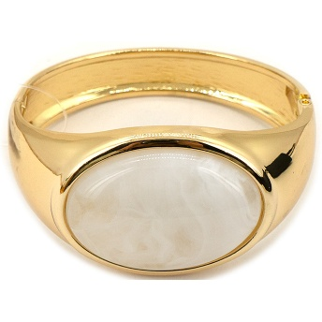 | 11-6201 | METAL OVAL STONE HINGED BANGLE BRACELET | GIV | $5.00 |  | $0.00
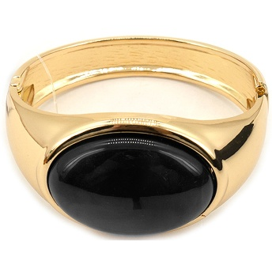 | 11-6201 | METAL OVAL STONE HINGED BANGLE BRACELET | GBK | $5.00 |  | $0.00
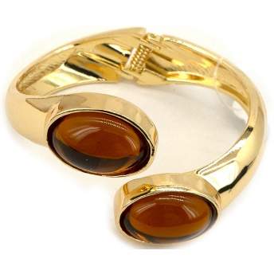 | 11-6202 | METAL DOUBLE OVAL STONE HINGED CUFF BRACELET | GBR | $5.50 |  | $0.00
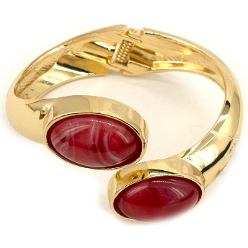 | 11-6202 | METAL DOUBLE OVAL STONE HINGED CUFF BRACELET | GRD | $5.50 |  | $0.00
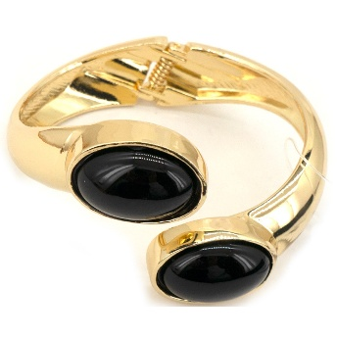 | 11-6202 | METAL DOUBLE OVAL STONE HINGED CUFF BRACELET | GBK | $5.50 |  | $0.00
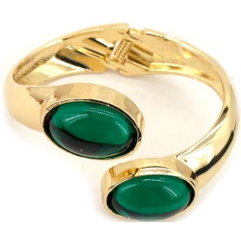 | 11-6202 | METAL DOUBLE OVAL STONE HINGED CUFF BRACELET | GGR | $5.50 |  | $0.00
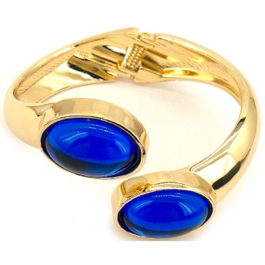 | 11-6202 | METAL DOUBLE OVAL STONE HINGED CUFF BRACELET | GBL | $5.50 |  | $0.00
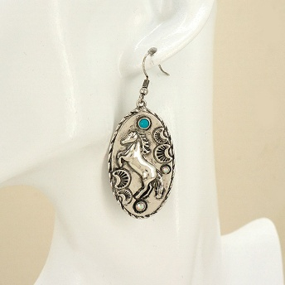 | 13-8017 | WESTERN TURQUOISE HORSE OVAL DROP EARRING | SBTQ | $3.75 |  | $0.00
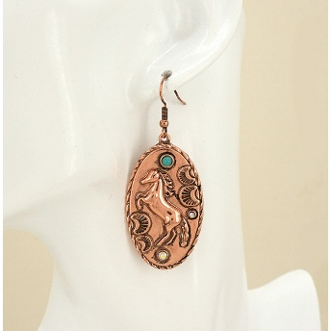 | 13-8017 | WESTERN TURQUOISE HORSE OVAL DROP EARRING | CBIV | $3.75 |  | $0.00
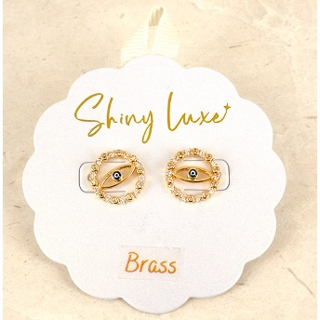 | 13-8050 | BRASS RHINESTONE EVIL EYE STUD EARRING | GMT | $3.75 |  | $0.00
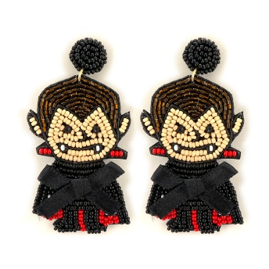 | 13-8094 | HALLOWEEN SEED BEAD VAMPIRE STATEMENT EARRING | BK | $5.00 |  | $0.00
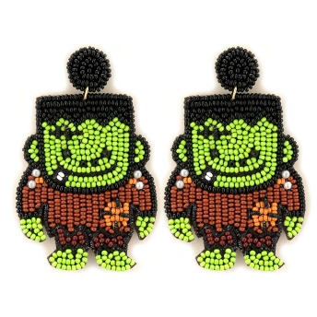 | 13-8095 | HALLOWEEN SEED BEAD FRANKENSTEIN STATEMENT EARRING | GR | $5.00 |  | $0.00
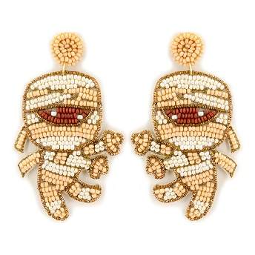 | 13-8096 | HALLOWEEN SEED BEAD MUMMY STATEMENT EARRING | WT | $5.00 |  | $0.00
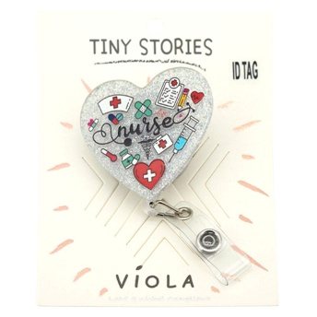 | 15-1997 | NURSE HEART RETRACTABLE ID BADGE REEL | SV | $2.50 |  | $0.00
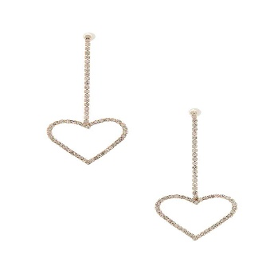 | 25901V | RHINESTONE HEART DROP EARRING | CRG | $2.00 |  | $0.00
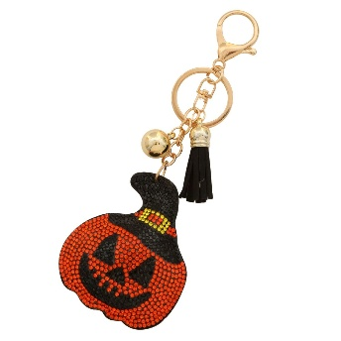 | 31938 | HALLOWEEN PUMPKIN RHINESTONE KEYCHAIN | HHYG | $3.00 |  | $0.00
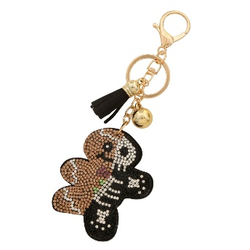 | 31942 | HALF GINGERBREAD MAN HALF SKELETON RHINESTONE KEYCHAIN | HMUG | $3.00 |  | $0.00
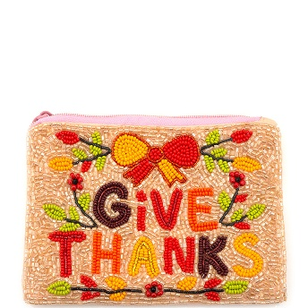 | 60-1045 | SEED BEAD THANKSGIVING GIVE THANKS BOW FLORAL COIN PURSE BAG | OR | $6.75 |  | $0.00
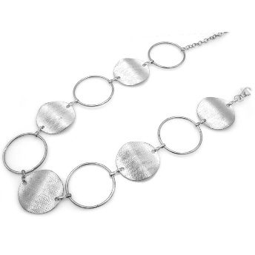 | 74-0083 | METAL DISC LINK LONG CHAIN BELT | R | $6.00 |  | $0.00
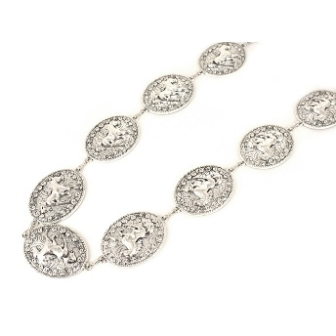 | 74-0094 | METAL COIN LINK LONG CHAIN BELT | R | $6.00 |  | $0.00
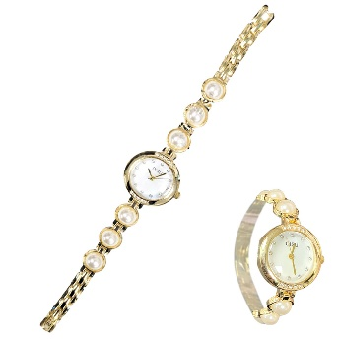 | 84604W | PEARL ROUND WATCH | WHG | $5.00 |  | $0.00
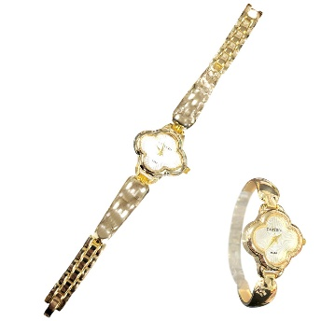 | 84605W | CLOVER SHAPE WATCH | WHG | $6.50 |  | $0.00
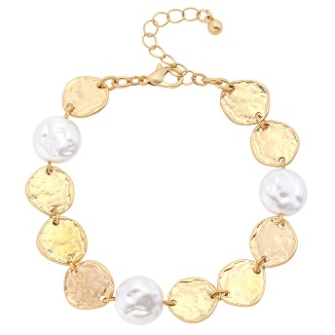 | 84720 | HAMMERED DISC PEARL BRACELET | WHWG | $3.00 |  | $0.00
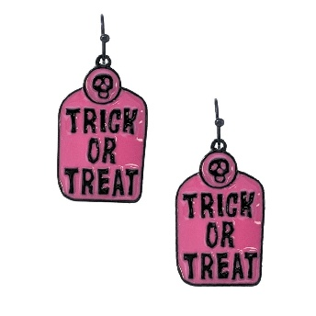 | AE-9035 | HALLOWEEN TRICK OR TREAT DANGLE EARRING | BKPK | $3.00 |  | $0.00
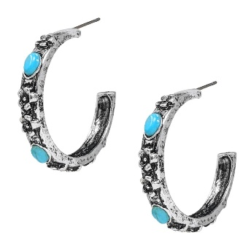 | AE-9346 | WESTERN STONE HOOP EARRING | SBTQ | $4.50 |  | $0.00
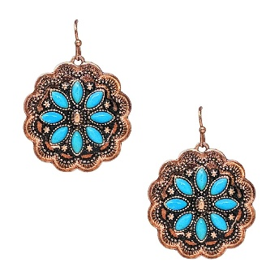 | AE-9358 | WESTERN STONE DANGLE EARRING | CBTQ | $5.00 |  | $0.00
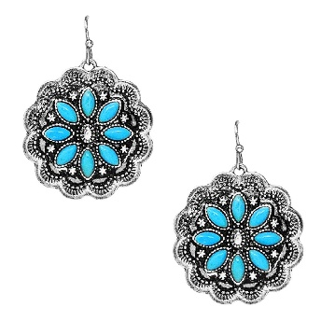 | AE-9358 | WESTERN STONE DANGLE EARRING | SBTQ | $5.00 |  | $0.00
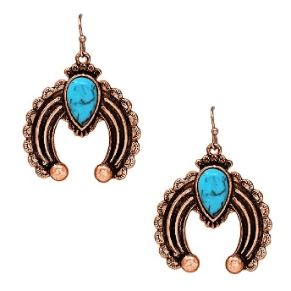 | AE-9359 | WESTERN STONE BLOSSOM EARRING | CBTQ | $5.00 |  | $0.00
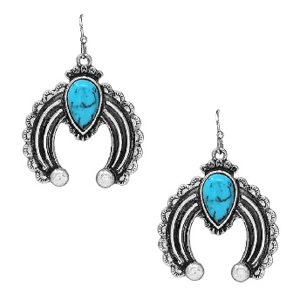 | AE-9359 | WESTERN STONE BLOSSOM EARRING | SBTQ | $5.00 |  | $0.00
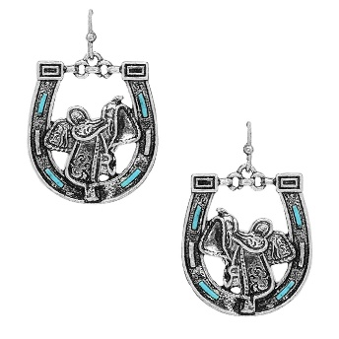 | AE-9361 | WESTERN TQ STONE HORSESHOE EARRING | SBTQ | $5.00 |  | $0.00
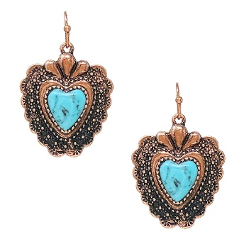 | AE-9362 | WESTERN STONE HEART DANGLE EARRING | CBTQ | $5.00 |  | $0.00
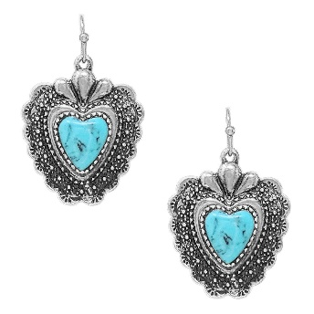 | AE-9362 | WESTERN STONE HEART DANGLE EARRING | SBTQ | $5.00 |  | $0.00
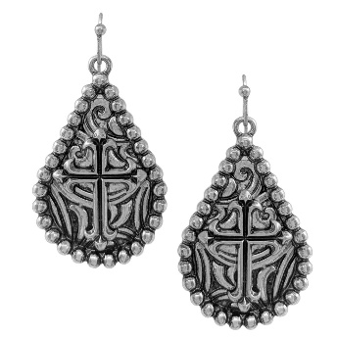 | AE-9368 | WESTERN BAR FILIGREE CROSS DANGLE EARRING | SB | $3.00 |  | $0.00
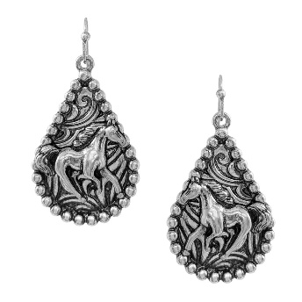 | AE-9369 | WESTERN BAR FILIGREE HORSE EARRING | SB | $3.00 |  | $0.00
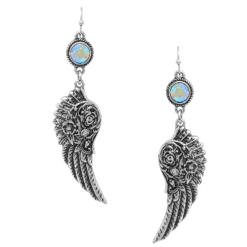 | AE-9424 | WESTERN INSPO ANGLE WING POST DANGLE EARRING | SBAB | $3.75 |  | $0.00
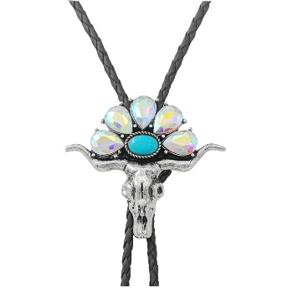 | AN-5572 | WESTERN SEMI STONE STEER BOLO NECKLACE | SBAB | $7.50 |  | $0.00
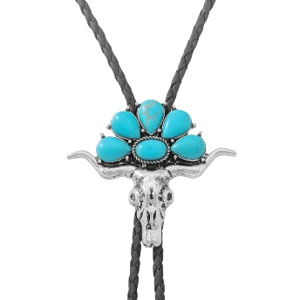 | AN-5572 | WESTERN SEMI STONE STEER BOLO NECKLACE | SBTQ | $7.50 |  | $0.00
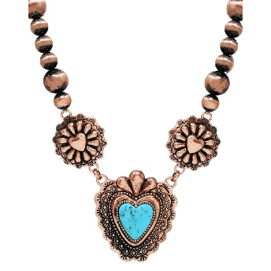 | AN-5628 | WESTERN NAVAJO STONE NECKLACE | CBTQ | $11.25 |  | $0.00
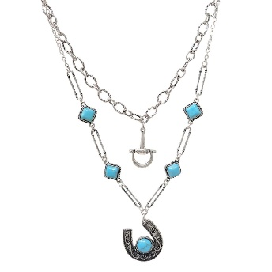 | AN-5636 | WESTERN LAYERED CHAIN SEMI STONE NECKLACE | SBTQ | $7.00 |  | $0.00
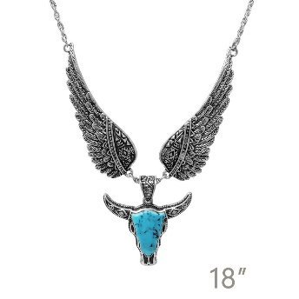 | AN-5656 | WESTERN ANGEL WINGS STEER HEAD | SBTQ | $8.00 |  | $0.00
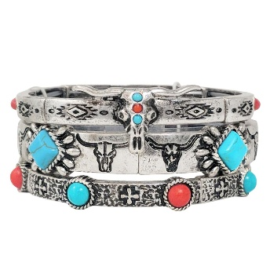 | BB-04415 | WESTERN SEMI STONE MULTI STRAND BRACELET | SBMT | $12.50 |  | $0.00
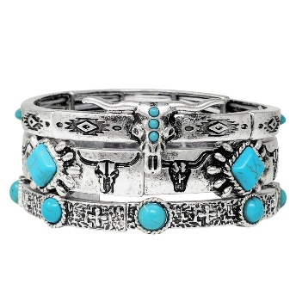 | BB-04415 | WESTERN SEMI STONE MULTI STRAND BRACELET | SBTQ | $12.50 |  | $0.00
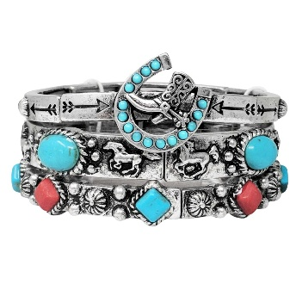 | BB-04417 | WESTERN MULTI STRANDS BRACELET | SBMT | $12.50 |  | $0.00
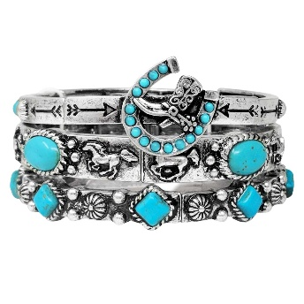 | BB-04417 | WESTERN MULTI STRANDS BRACELET | SBTQ | $12.50 |  | $0.00
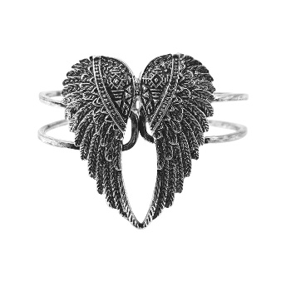 | BB-04495 | WESTERN ANGLE HINGE BRACELET | SB | $7.00 |  | $0.00
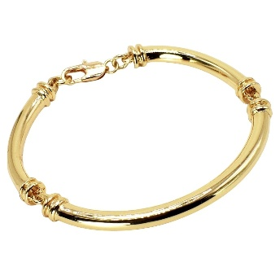 | BC-2500 | METAL BRACELET | GD | $5.00 |  | $0.00
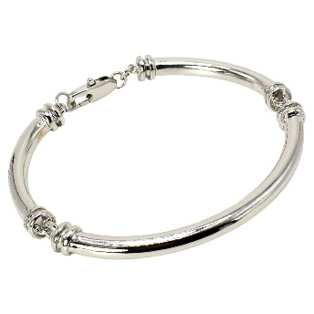 | BC-2500 | METAL BRACELET | RH | $5.00 |  | $0.00
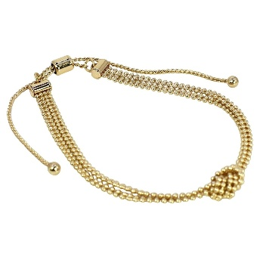 | BC-2520 | KNOT CUFF BRACELET | GD | $5.00 |  | $0.00
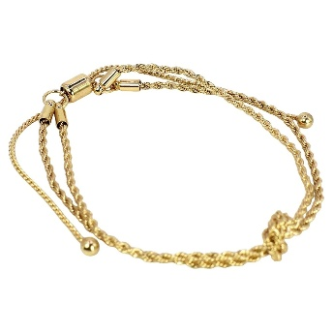 | BC-2521 | KNOT ROPE CHAIN BRACELET | GD | $5.00 |  | $0.00
 | BC-2613 | CIRCLE CHAIN W HEART TOGGLE BRACELET | GD | $3.75 |  | $0.00
 | BC-2613 | CIRCLE CHAIN W HEART TOGGLE BRACELET | RH | $3.75 |  | $0.00
 | BC-2639 | KNOT CUFF BRACELET | GD | $5.00 |  | $0.00
 | BC-2639 | KNOT CUFF BRACELET | SVGD | $5.00 |  | $0.00
 | BC-2646 | MULTI BEADS WITH HEART PENDANT BRACELET | BK | $3.75 |  | $0.00
 | BC-2646 | MULTI BEADS WITH HEART PENDANT BRACELET | MT | $3.75 |  | $0.00
 | BC-2646 | MULTI BEADS WITH HEART PENDANT BRACELET | BR | $3.75 |  | $0.00
 | BC-2646 | MULTI BEADS WITH HEART PENDANT BRACELET | BB | $3.75 |  | $0.00
 | BCX-0021 | CHAIN WITH CROSS TOGGLE BRACELET | GD | $5.50 |  | $0.00
 | BCX-0021 | CHAIN WITH CROSS TOGGLE BRACELET | RH | $5.50 |  | $0.00
 | BR-10149 | CZ MAGNET LOCK BRACELET | TT | $8.50 |  | $0.00
 | BR-8489 | TWO TONE PUSH LOCK BANGLE BRACELET | - | $9.50 |  | $0.00
 | BR-9573 | TWO TONE MOTHER OF PEARL MAGNET LOCK BRACELET | MP | $9.75 |  | $0.00
 | BR-9573 | TWO TONE MOTHER OF PEARL MAGNET LOCK BRACELET | OX | $9.75 |  | $0.00
 | BTBA-016 | LOVE KNOT ROPE WIRE BRACELET | SG | $6.00 |  | $0.00
 | CE-1278 | CHRISTMAS GRINCH FACE DANGLE EARRING | GDC | $4.50 |  | $0.00
 | CE-1703-EL | CHRISTMAS GRINCH SANTA HAT DANGLE EARRING | GD | $3.75 |  | $0.00
 | CE-1704 | CHRISTMAS GRINCH SANTA DANGLE EARRING | GD | $3.75 |  | $0.00
 | DA-40024 | SECRET BOX STAINLESS STEEL HEART ANKLET | GD | $6.00 |  | $0.00
 | DA-40024 | SECRET BOX STAINLESS STEEL HEART ANKLET | RH | $6.00 |  | $0.00
 | DB-80091 | SECRET BOX STAINLESS STEEL HEART CUBIC BRACELET | GD | $6.00 |  | $0.00
 | DB-80168 | SECRET BOX STAINLESS STEEL CHAIN TOGGLE BRACELET | GD | $6.00 |  | $0.00
 | DB-80168 | SECRET BOX STAINLESS STEEL CHAIN TOGGLE BRACELET | RH | $6.00 |  | $0.00
 | DB-80311 | SECRET BOX STAINLESS STEEL SQUARE LINK CHAIN BARCELET | GD | $6.00 |  | $0.00
 | DB-80312 | SECRET BOX STAINLESS STEEL BALL CHAIN BRACELET | GD | $5.75 |  | $0.00
 | DB-80312 | SECRET BOX STAINLESS STEEL BALL CHAIN BRACELET | RH | $5.75 |  | $0.00
 | DB-80320 | SECRET BOX STAINLESS STEEL LINK BANGLE | GD | $6.00 |  | $0.00
 | DB-80320 | SECRET BOX STAINLESS STEEL LINK BANGLE | RH | $6.00 |  | $0.00
 | DE-70049 | SECRET BOX STAINLESS STEEL EARRINGS | GD | $4.50 |  | $0.00
 | DE-70053 | SECRET BOX STAINLESS STEEL EARRINGS | GD | $4.50 |  | $0.00
 | DE-70089 | SECRET BOX STAINLESS STEEL PLAIN 70MM HOOP EARRING | GD | $5.50 |  | $0.00
 | DE-70089 | SECRET BOX STAINLESS STEEL PLAIN 70MM HOOP EARRING | RH | $5.50 |  | $0.00
 | DE-70158 | SECRET BOX STAINLESS STEEL BEZEL DANGLE HUGGIE EARRING | GD | $5.75 |  | $0.00
 | DE-70158 | SECRET BOX STAINLESS STEEL BEZEL DANGLE HUGGIE EARRING | RH | $5.75 |  | $0.00
 | DE-70179 | SECRET BOX STAINLESS STEEL DREAM CATCHER HUGGIE EARRING | GD | $6.75 |  | $0.00
 | DE-70187 | SECRET BOX STAINLESS STEEL CIRCLE STUD HOOP EARRING | GD | $6.50 |  | $0.00
 | DE-70225 | SECRET BOX STAINLESS STEEL TWISTED 35MM HOOP EARRING | GD | $4.50 |  | $0.00
 | DE-70230 | SECRET BOX STAINLESS STEEL 35MM PLAIN HOOP EARRING | GD | $4.50 |  | $0.00
 | DE-70234 | SECRET BOX STAINLESS STEEL 65MM THIN ROUND HOOP EARRING | GD | $4.50 |  | $0.00
 | DE-70240 | SECRET BOX STAINLESS STEEL HEART BEZEL DROP EARRING | GD | $6.75 |  | $0.00
 | DE-70240 | SECRET BOX STAINLESS STEEL HEART BEZEL DROP EARRING | RH | $6.75 |  | $0.00
 | DE-70248 | SECRET BOX STAINLESS STEEL LONG U HOOP WITH CZ EARRING | GD | $5.00 |  | $0.00
 | DE-70249 | SECRET BOX STAINLESS STEEL THICK TWIST HOOP EARRING | GD | $5.00 |  | $0.00
 | DE-70251 | SECRET BOX STAINLESS STEEL 3 LINE HOOP EARRING | GD | $5.00 |  | $0.00
 | DE-70257 | SECRET BOX STAINLESS STEEL PERAL N CZ STUD EARRING | GD | $6.75 |  | $0.00
 | DE-70257 | SECRET BOX STAINLESS STEEL PERAL N CZ STUD EARRING | RH | $6.75 |  | $0.00
 | DE-70265 | SECRET BOX STAINLESS STEEL CZ DROP EARRING | GD | $6.00 |  | $0.00
 | DE-70265 | SECRET BOX STAINLESS STEEL CZ DROP EARRING | RH | $6.00 |  | $0.00
 | DE-70276 | SECRET BOX STAINLESS STEEL CZ PEARL STUD EARRING | GD | $5.75 |  | $0.00
 | DE-70277 | SECRET BOX STAINLESS STEEL BLACK DISK DROP EARRING | GD | $6.75 |  | $0.00
 | DE-70278 | SECRET BOX STAINLESS STEEL CZ PEARL DROP EARRING | GD | $6.75 |  | $0.00
 | DE-70278 | SECRET BOX STAINLESS STEEL CZ PEARL DROP EARRING | RH | $6.75 |  | $0.00
 | DE-70285 | SECRET BOX STAINLESS STEEL NUGGET DROP EARRING | GD | $6.75 |  | $0.00
 | DE-70290 | SECRET BOX STAINLESS STEEL DISK HOOP EARRING | GD | $5.50 |  | $0.00
 | DE-70291 | SECRET BOX STAINLESS STEEL 2 LINE HOOP EARRING | GD | $6.00 |  | $0.00
 | DE-70291 | SECRET BOX STAINLESS STEEL 2 LINE HOOP EARRING | RH | $6.00 |  | $0.00
 | DE-70297 | SECRET BOX STAINLESS STEEL BEZEL DROP HOOP EARRING | GD | $6.75 |  | $0.00
 | DE-70308 | SECRET BOX STAINLESS STEEL STAR CZ HUGGIE EARRING | GD | $6.50 |  | $0.00
 | DE-70308 | SECRET BOX STAINLESS STEEL STAR CZ HUGGIE EARRING | RH | $6.50 |  | $0.00
 | DE-70315 | SECRET BOX STAINLESS STEEL DISK DROP CHAIN EARRING | GD | $6.75 |  | $0.00
 | DE-70315 | SECRET BOX STAINLESS STEEL DISK DROP CHAIN EARRING | RH | $6.75 |  | $0.00
 | DE-70378 | SECRET BOX STAINLESS STEEL PEARL ROUND DANGLE HUGGIE EARRING | GD | $5.50 |  | $0.00
 | DE-70385 | SECRET BOX STAINLESS STEEL ORGANIC PUFF HOOP EARRING | GD | $5.75 |  | $0.00
 | DR-90040 | SECRET BOX STAINLESS STEEL DROPLET OPEN RING | GD | $5.75 |  | $0.00
 | DR-90134 | SECRET BOX STAINLESS STEEL ORGANIC OPEN RING | GD | $5.75 |  | $0.00
 | DR-90137 | SECRET BOX STAINLESS STEEL PEARL STUD OPEN RING | GD | $6.00 |  | $0.00
 | DR-90140 | SECRET BOX STAINLESS STEEL EVIL EYE CZ RING | GD | $6.00 |  | $0.00
 | DR-90140 | SECRET BOX STAINLESS STEEL EVIL EYE CZ RING | RH | $6.00 |  | $0.00
 | DR-90146 | SECRET BOX STAINLESS STEEL TURQUSIE EVIL EYE OPEN RING | GD | $6.00 |  | $0.00
 | DR-90146 | SECRET BOX STAINLESS STEEL TURQUSIE EVIL EYE OPEN RING | RH | $6.00 |  | $0.00
 | EGZ-031 | STYLISH TEXTURED DRAWSTRING SHOULDER CROSSBODY BAG | BK | $19.00 |  | $0.00
 | EGZ-031 | STYLISH TEXTURED DRAWSTRING SHOULDER CROSSBODY BAG | BL | $19.00 |  | $0.00
 | EGZ-031 | STYLISH TEXTURED DRAWSTRING SHOULDER CROSSBODY BAG | WT | $19.00 |  | $0.00
 | EGZ-031 | STYLISH TEXTURED DRAWSTRING SHOULDER CROSSBODY BAG | BR | $19.00 |  | $0.00
 | EGZ-031 | STYLISH TEXTURED DRAWSTRING SHOULDER CROSSBODY BAG | BS | $19.00 |  | $0.00
 | EGZ-031 | STYLISH TEXTURED DRAWSTRING SHOULDER CROSSBODY BAG | PP | $19.00 |  | $0.00
 | EGZ-031 | STYLISH TEXTURED DRAWSTRING SHOULDER CROSSBODY BAG | YL | $19.00 |  | $0.00
 | GE-111914 | SECRET BOX GOLD DIPPED SNOWFLAKE EARRING | GD | $4.50 |  | $0.00
 | GE-111914 | SECRET BOX GOLD DIPPED SNOWFLAKE EARRING | SI | $4.50 |  | $0.00
 | GE-50066 | SECRET BOX GOLD DIPPED 20MM WIRE LINED HOOP EARRING | GD | $6.75 |  | $0.00
 | GE-50236 | SECRET BOX GOLD DIPPED 25MM HOOP SILVER POST EARRING | GD | $5.75 |  | $0.00
 | GE-50236 | SECRET BOX GOLD DIPPED 25MM HOOP SILVER POST EARRING | SI | $5.75 |  | $0.00
 | GE-50273 | SECRET BOX GOLD/SILVER DIPPED CUBIC STUD HOOP EARRING | GD | $5.75 |  | $0.00
 | GE-50273 | SECRET BOX GOLD/SILVER DIPPED CUBIC STUD HOOP EARRING | SI | $5.75 |  | $0.00
 | GE-50282 | SECRET BOX GOLD/SILVER DIPPED 40MM TWISTED ORBIT HOOP EARRING | GD | $5.75 |  | $0.00
 | GE-50282 | SECRET BOX GOLD/SILVER DIPPED 40MM TWISTED ORBIT HOOP EARRING | SI | $5.75 |  | $0.00
 | GE-50411 | SECRET BOX GOLD/SILVER DIPPED BRAID PINCH HOOP EARRING | GD | $6.00 |  | $0.00
 | GE-50411 | SECRET BOX GOLD/SILVER DIPPED BRAID PINCH HOOP EARRING | SI | $6.00 |  | $0.00
 | GE-50412 | SECRET BOX GOLD/SILVER DIPPED CZ PAVED TWIST HOOP EARRING | GD | $6.50 |  | $0.00
 | GE-50412 | SECRET BOX GOLD/SILVER DIPPED CZ PAVED TWIST HOOP EARRING | SI | $6.50 |  | $0.00
 | GE-50415 | SECRET BOX GOLD DIPPED PUFFY DIAMOND HATCH HOOP EARRING | GD | $6.50 |  | $0.00
 | GE-50426 | SECRET BOX GOLD DIPPED LONG SNAKE CHAIN DROP EARRING | GD | $6.75 |  | $0.00
 | GE-50426 | SECRET BOX GOLD DIPPED LONG SNAKE CHAIN DROP EARRING | SL | $6.75 |  | $0.00
 | GE-50440 | SECRET BOX GOLD/SILVER DIPPED EMERALD CZ U HUGGIE HOOP EARRING | GD | $6.00 |  | $0.00
 | GE-50440 | SECRET BOX GOLD/SILVER DIPPED EMERALD CZ U HUGGIE HOOP EARRING | SI | $6.00 |  | $0.00
 | GE-50444 | SECRET BOX GOLD/SILVER DIPPED BALL WAND DROP CZ HUGGIE EARRING | GD | $6.00 |  | $0.00
 | GE-50444 | SECRET BOX GOLD/SILVER DIPPED BALL WAND DROP CZ HUGGIE EARRING | SI | $6.00 |  | $0.00
 | GE-50458 | SECRET BOX GOLD/SILVER DIPPED 3 LINEORBIT HOOP EARRING | GD | $6.00 |  | $0.00
 | GE-50458 | SECRET BOX GOLD/SILVER DIPPED 3 LINEORBIT HOOP EARRING | SI | $6.00 |  | $0.00
 | GE-50474 | SECRET BOX GOLD/SILVER DIPPED 5 LINE HOOP EARRING | GD | $5.75 |  | $0.00
 | GE-50474 | SECRET BOX GOLD/SILVER DIPPED 5 LINE HOOP EARRING | SI | $5.75 |  | $0.00
 | GE-722253 | SECRET BOX GOLD DIPPED COLORFUL CZ CHRISTMAS TREE EARRING | GD | $6.75 |  | $0.00
 | GR-1844 | SECRET BOX GOLD DIPPED 3 RING SET | GD | $5.50 |  | $0.00
 | GR-31889 | SECRET BOX GOLD DIPPED 3 SET RING | GD | $5.50 |  | $0.00
 | GR-721164 | SECRET BOX GOLD DIPPED HAMSA 3 SET RING | GD | $6.00 |  | $0.00
 | GR-721222 | SECRET BOX GOLD DIPPED 3 SET RING | GD | $5.75 |  | $0.00
 | HBG-105556 | TEXTURED WAVE FLAP EVENING CLUTCH BAG | B | $8.00 |  | $0.00
 | HBG-105556 | TEXTURED WAVE FLAP EVENING CLUTCH BAG | G | $8.00 |  | $0.00
 | HBG-105556 | TEXTURED WAVE FLAP EVENING CLUTCH BAG | S | $8.00 |  | $0.00
 | HBG-105567 | FASHION RHINESTONE TEXTURED FLAP EVENING CLUTCH BAG | B | $9.00 |  | $0.00
 | HBG-105567 | FASHION RHINESTONE TEXTURED FLAP EVENING CLUTCH BAG | CH | $9.00 |  | $0.00
 | HBG-105567 | FASHION RHINESTONE TEXTURED FLAP EVENING CLUTCH BAG | G | $9.00 |  | $0.00
 | HBG-105567 | FASHION RHINESTONE TEXTURED FLAP EVENING CLUTCH BAG | S | $9.00 |  | $0.00
 | HBG-105573 | SMOOTH TEXTURED ENVELOPE EVENING CLUTCH BAG | B | $8.00 |  | $0.00
 | HBG-105573 | SMOOTH TEXTURED ENVELOPE EVENING CLUTCH BAG | CH | $8.00 |  | $0.00
 | HBG-105573 | SMOOTH TEXTURED ENVELOPE EVENING CLUTCH BAG | G | $8.00 |  | $0.00
 | HBG-105573 | SMOOTH TEXTURED ENVELOPE EVENING CLUTCH BAG | S | $8.00 |  | $0.00
 | HBG-105582 | MODERN PLEATED TEXTURE FLAP EVENING CLUTCH BAG | B | $9.00 |  | $0.00
 | HBG-105582 | MODERN PLEATED TEXTURE FLAP EVENING CLUTCH BAG | CH | $9.00 |  | $0.00
 | HBG-105582 | MODERN PLEATED TEXTURE FLAP EVENING CLUTCH BAG | G | $9.00 |  | $0.00
 | HBG-105582 | MODERN PLEATED TEXTURE FLAP EVENING CLUTCH BAG | R | $9.00 |  | $0.00
 | HBG-105582 | MODERN PLEATED TEXTURE FLAP EVENING CLUTCH BAG | S | $9.00 |  | $0.00
 | HPC-6692 | TRENDY TEXTURED HOBO BAG | BK | $15.00 |  | $0.00
 | HPC-6692 | TRENDY TEXTURED HOBO BAG | BUR | $15.00 |  | $0.00
 | HPC-6692 | TRENDY TEXTURED HOBO BAG | CF | $15.00 |  | $0.00
 | HPC-6692 | TRENDY TEXTURED HOBO BAG | KH | $15.00 |  | $0.00
 | IW-38092SDE | MODERN U HORN HORSESHOE BUCKLE BELT | BLACK | $4.50 |  | $0.00
 | IW-38092SDE | MODERN U HORN HORSESHOE BUCKLE BELT | BROWN | $4.50 |  | $0.00
 | IW-38092SDE | MODERN U HORN HORSESHOE BUCKLE BELT | COGNAC | $4.50 |  | $0.00
 | IW-38092SDE | MODERN U HORN HORSESHOE BUCKLE BELT | OLIVE | $4.50 |  | $0.00
 | IW-38092SDE | MODERN U HORN HORSESHOE BUCKLE BELT | WINE | $4.50 |  | $0.00
 | IW-47001WSHBGO | STUD ACCENT LINKED HIP BELT | BLACK | $8.00 |  | $0.00
 | IW-47001WSHBGO | STUD ACCENT LINKED HIP BELT | WINE | $8.00 |  | $0.00
 | IW-47001WSHBGO | STUD ACCENT LINKED HIP BELT | ESPRESSO | $8.00 |  | $0.00
 | KE-2662-EL | CHRISTMAS RUDOLPH REINDEER LIGHT DANGLE EARRING | GD | $3.00 |  | $0.00
 | KE-2665-EL | CHRISTMAS SANTA CANDY CANE DANGLE EARRING | GD | $3.75 |  | $0.00
 | KE-2666-EL | CHRISTMAS GINGERBREAD RHINESTONE DANGLE EARRING | GD | $3.00 |  | $0.00
 | KE-2670-EL | CHRISTMAS RHINESTONE TREE DANGLE EARRING | GDGRN | $3.00 |  | $0.00
 | KE-2670-EL | CHRISTMAS RHINESTONE TREE DANGLE EARRING | GDRD | $3.00 |  | $0.00
 | KE-2691-EL | CHRISTMAS ORNAMENT CHARM HOOP EARRING | GDGRN | $3.00 |  | $0.00
 | KE-2691-EL | CHRISTMAS ORNAMENT CHARM HOOP EARRING | GDRD | $3.00 |  | $0.00
 | KE-2705-EL | CHRISTMAS BELL PEARL STUD EARRING | GD | $2.50 |  | $0.00
 | KE-2711-EL | CHRISTMAS WREATH STUD EARRING | GD | $2.50 |  | $0.00
 | KE-2712-EL | CHRISTMAS RHINESTONE SNOWFLAKE STUD EARRING | GD | $2.50 |  | $0.00
 | KE-2714 | CHRISTMAS RUDOLPH REINDEER STUD EARRING | GD | $2.00 |  | $0.00
 | KE-2715-EL | CHRISTMAS RHINESTONE TREE STUD EARRING | GD | $2.00 |  | $0.00
 | KE-2716 | CHRISTMAS CANDY CANE BOW STUD EARRING | GD | $2.00 |  | $0.00
 | KE-2717-EL | CHRISTMAS RHINESTONE WREATH STUD EARRING | GD | $2.00 |  | $0.00
 | KE-2718 | CHRISTMAS RUDOLPH REINDEER STUD EARRING | GD | $2.00 |  | $0.00
 | KE-2719-EL | CHRISTMAS BELL BOW STUD EARRING | GD | $2.75 |  | $0.00
 | KE-2721-EL | CHRISTMAS TREE STUD EARRING | GD | $2.00 |  | $0.00
 | KE-2724 | CHRISTMAS SANTA HAT PEARL STUD EARRING | GD | $3.00 |  | $0.00
 | KN-1371 | OPEN HEART PENDANT NECKLACE | GD | $3.75 |  | $0.00
 | MEM-0157 | TEXTURED BACKPACK | BK | $24.00 |  | $0.00
 | MEM-0157 | TEXTURED BACKPACK | BR | $24.00 |  | $0.00
 | MEM-0157 | TEXTURED BACKPACK | CF | $24.00 |  | $0.00
 | MER-5519 | GLASS W COLOR DROP EARRING | GDMU | $4.50 |  | $0.00
 | NC-2612 | METAL CHAIN WITH STAR | GD | $4.50 |  | $0.00
 | NC-2612 | METAL CHAIN WITH STAR | RH | $4.50 |  | $0.00
 | NE-9563 | CURB LINK W/CZ MAGNET LOCK NECKLACE | GD | $10.75 |  | $0.00
 | OBH-5581 | MOTHER OF PEARL LINKED BRACELET | GDCRM | $5.75 |  | $0.00
 | OBH-5610 | LAYERED BRACELET | GDCRM | $4.50 |  | $0.00
 | OBH-5610 | LAYERED BRACELET | RHCRM | $4.50 |  | $0.00
 | OBH-5631 | MULTI COLOR STONE ADJUSTABLE LAYERED BRACELET | GDMGY | $4.50 |  | $0.00
 | OBH-5631 | MULTI COLOR STONE ADJUSTABLE LAYERED BRACELET | GDMU | $4.50 |  | $0.00
 | OBH-5631 | MULTI COLOR STONE ADJUSTABLE LAYERED BRACELET | GDMNV | $4.50 |  | $0.00
 | PE-9916 | METAL CHAIN ROUND FLOWER MOP CZ STONE PENDANT NECKLACE | MP | $9.00 |  | $0.00
 | PE-9916 | METAL CHAIN ROUND FLOWER MOP CZ STONE PENDANT NECKLACE | OX | $9.00 |  | $0.00
 | SB-50042 | SECRET BOX GOLD/SILVER DIPPED 24MM PAVED SQUARE HOOP EARRING | GD | $6.75 |  | $0.00
 | SB-50042 | SECRET BOX GOLD/SILVER DIPPED 24MM PAVED SQUARE HOOP EARRING | WG | $6.75 |  | $0.00
 | SB-50048 | SECRET BOX GOLD/SILVER DIPPED CRYSTAL 10MM EARRING | GD | $6.75 |  | $0.00
 | SB-50048 | SECRET BOX GOLD/SILVER DIPPED CRYSTAL 10MM EARRING | WG | $6.75 |  | $0.00
 | SB-50072 | SECRET BOX GOLD DIPPED 17MM NAIL PAVED HOOP EARRING | GD | $6.75 |  | $0.00
 | SB-50072 | SECRET BOX GOLD DIPPED 17MM NAIL PAVED HOOP EARRING | WG | $6.75 |  | $0.00
 | SB-50080 | SECRET BOX GOLD/SILVER DIPPED 19MM HOLLOW HOOP EARRING | GD | $5.50 |  | $0.00
 | SB-50080 | SECRET BOX GOLD/SILVER DIPPED 19MM HOLLOW HOOP EARRING | WG | $5.50 |  | $0.00
 | SBB-721849 | PEARL PAVED WOMAN SET ON THE MOON BROOCH | GD | $6.75 |  | $0.00
 | SBB-722276 | ANTIQUE PEARL PAVED 3 SET BROOCH STAR | GD | $6.75 |  | $0.00
 | SBB-722277 | ANTIQUE PEARL PAVED BROOCH SNOWFLAKE | GD | $6.75 |  | $0.00
 | SBB-722278 | ANTIQUE PEARL PAVED 3 SET BROOCH SNOWFLAKE | GD | $6.75 |  | $0.00
 | SBB-722279 | ANTIQUE PEARL PAVED 3 SET BROOCH BADGE | GD | $6.75 |  | $0.00
 | SBB-722280 | ANTIQUE PEARL PAVED 3 SET BROOCH CROSS | GD | $6.75 |  | $0.00
 | SBB-722281 | ANTIQUE PEARL PEARL PAVED 3 SET BROOCH- CRESCENT | GD | $6.75 |  | $0.00
 | SBB-722282 | ANTIQUE PEARL PAVED BROOCH V | GD | $6.75 |  | $0.00
 | SBB-722283 | ANTIQUE PEARL PAVED BROOCH WREATH | GD | $6.75 |  | $0.00
 | SBB-722285 | ANTIQUE PEARL PAVED 3 SET BROOCH LION | GD | $6.75 |  | $0.00
 | SBB-722384 | CHRISTMAS SKATE RUDOLF SNOWMAN 3 SET BROOCH | GD | $6.75 |  | $0.00
 | SBB722385 | CHRISTMAS 3 SET BROOCH | GD | $5.75 |  | $0.00
 | SBB-722386 | CHRISTMAS TREE BROOCH | GD | $6.00 |  | $0.00
 | SBB-722387 | RUDOLF CHRISTMAS BROOCH | GD | $6.00 |  | $0.00
 | SBB-722388 | CHRISTMAS SANTA HAT BROOCH | GD | $5.75 |  | $0.00
 | SBB-722390 | CHRISTMAS WRETH BROOCH | GD | $6.00 |  | $0.00
 | SBB-722391 | CHRISTMAS TREE BROOCH | GD | $5.00 |  | $0.00
 | SBB-722397 | SNOWMAN CHRISTMAS BROOCH | GD | $5.75 |  | $0.00
 | SBB-722403 | CHRISTMAS SANTA RODOLF 3 SET BROOCH | GD | $6.75 |  | $0.00
 | TB-9753 | CHRISTMAS GRINCH MULTI CHARM STRETCH BRACELET SET | GDMT | $6.00 |  | $0.00
 | TCM-0107 | CC PUT IT ON SANTAS TAB TRUCKER HAT | RED | $7.00 |  | $0.00
 | TCM-0127 | CC TROPHY WIFE TRUCKER HAT | COW | $7.25 |  | $0.00
 | TCM-0204 | CC MOM OF THE YEAR TRUCKER HAT | NVY | $7.00 |  | $0.00
 | TCM-0217 | CC MORNING COFFEE RUN TRUCKER HAT | BRN | $7.50 |  | $0.00
 | TCM-0218 | CC COFFEEGRL TRUCKER HAT | CRMBR | $7.00 |  | $0.00
 | TCM-0230 | CC HE`S FARMING TRUCKER HAT | BRN | $7.00 |  | $0.00
 | TCM-0231 | CC LIFE IS BETTER ON THE FARM TRUCKER HAT | RED | $7.50 |  | $0.00
 | TCM-0231 | CC LIFE IS BETTER ON THE FARM TRUCKER HAT | BRBR | $7.50 |  | $0.00
 | TCM-0235 | CC HOLY COW TRUCKER HAT | BK | $7.50 |  | $0.00
 | TCM-0235 | CC HOLY COW TRUCKER HAT | BKBK | $7.50 |  | $0.00
 | TCM-0240 | CC GOD FAMILY COUNTRY TRUCKER HAT | DKM | $8.00 |  | $0.00
 | TCM-0241-1 | CC USA TRUCKER HAT | REDNV | $7.50 |  | $0.00
 | TCM-0241-1 | CC USA TRUCKER HAT | BGDDGN | $7.50 |  | $0.00
 | TCM-0246 | CC AMERICAN DARLIN TRUCKER HAT | RED | $7.00 |  | $0.00
 | TCM-0246-1 | CC AMERICAN DARLING TRUCKER HAT | LPD | $7.50 |  | $0.00
 | TCM-0248-1 | UNITED STATES OF AMERICA TRUCKER HAT | USA | $7.25 |  | $0.00
 | TCM-0248-1 | UNITED STATES OF AMERICA TRUCKER HAT | LDN | $7.25 |  | $0.00
 | TCM-0248-1 | UNITED STATES OF AMERICA TRUCKER HAT | BLRD | $7.25 |  | $0.00
 | TCM-0248-1 | UNITED STATES OF AMERICA TRUCKER HAT | NVY | $7.25 |  | $0.00
 | TCM-0248-1 | UNITED STATES OF AMERICA TRUCKER HAT | RED | $7.25 |  | $0.00
 | TCM-0254 | CC HAPPIER AT THE LAKE TRUCKER HAT | SBL | $7.00 |  | $0.00
 | TE-6049 | RHINESTONE SNOWFLAKE DROP EARRING | GDCM | $3.50 |  | $0.00
 | TE-6049 | RHINESTONE SNOWFLAKE DROP EARRING | RHWT | $3.50 |  | $0.00
 | TE-6058 | CHRISTMAS TREE ORNAMENT DANGLE EARRING | GDMT | $3.50 |  | $0.00
 | TE-6078 | CHRISTMAS MULTI STUD EARRING SET | GDMT | $4.50 |  | $0.00
 | TE-6081 | CHRISTMAS MULTI STUD EARRING SET | GDMT | $4.50 |  | $0.00
 | TE-6083 | CHRISTMAS MULTI STUD EARRING SET | GDMT | $3.75 |  | $0.00
 | TE-6085 | CHRISTMAS MULTI DANGLE EARRING SET | GDMT | $4.50 |  | $0.00
 | VE-4557 | CHRISTMAS GRINCH ROUND DANGLE EARRING | GD | $3.75 |  | $0.00
 | VE-4561 | CHRISTMAS GRINCH SNOWFLAKE DANGLE EARRING | GD | $3.75 |  | $0.00
 | VE-4902 | CHRISTMAS RHINESTONE TREE DANGLE EARRING | GDCL | $2.75 |  | $0.00
 | VE-4903 | CHRISTMAS RHINESTONE SANTA HAT DANGLE EARRING | GD | $3.50 |  | $0.00
 | VE-4917 | CHRISTMAS GRINCH TREE DANGLE EARRING | GDPK | $3.75 |  | $0.00
 | VE-4917 | CHRISTMAS GRINCH TREE DANGLE EARRING | GDRD | $3.75 |  | $0.00
 | VE-4918 | CHRISTMAS GRINCH ORNAMENT RHINESTONE DANGLE EARRING | GDPK | $4.50 |  | $0.00
 | VE-4918 | CHRISTMAS GRINCH ORNAMENT RHINESTONE DANGLE EARRING | GDRD | $4.50 |  | $0.00
 | VE-4970 | CHRISTMAS GRINCH GIFT DANGLE EARRING | GDGR | $4.50 |  | $0.00
 | VE-4990 | CHRISTMAS SANTA RHINESTONE DANGLE EARRING | GDCL | $5.00 |  | $0.00
 | VE-5145 | CHRISTMAS PEARL TREE DANGLE EARRING | GDWT | $2.50 |  | $0.00
 | VE-5146 | CHRISTMAS SNOWMAN RHINESTONE DANGLE EARRING | GDCL | $3.00 |  | $0.00
TOTAL |  |  |  |  |  | $0.00

