Line Sheet
Line Sheet - New arrival - 8/4
1025 Stanford Ave. Los Angeles ,CA 90021 Phone: 213-222-9590 WhatsApp: 213-760-1969 Website: http://joiaaccessory.com Faire: https://joiaaccessories.faire.com Email: support@joiaaccessory.com
Grand Total: |  |  |  |  | $0.00
IMG | Style# | WebTitle | Color | Price | Qty | Total
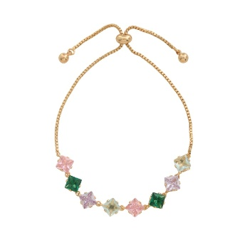 | 2070-B | RHINESTONE METAL CHAIN ADJUSTABLE BRACELET | - | $6.00 |  | $0.00
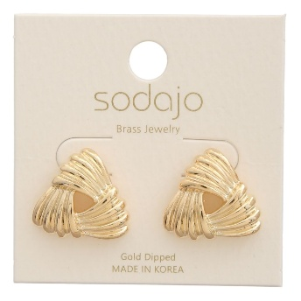 | 6720-E | SODAJO GOLD DIPPED KNOT STUD EARRING | - | $5.00 |  | $0.00
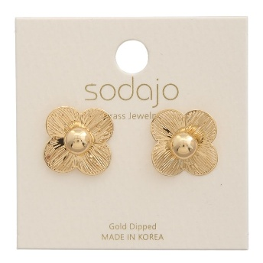 | 6804-E | SODAJO GOLD DIPPED FLOWER STUD EARRING | - | $3.00 |  | $0.00
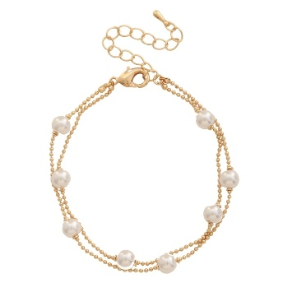 | 6923-B | METAL PEARL BALL CHAIN BRACELET | - | $4.50 |  | $0.00
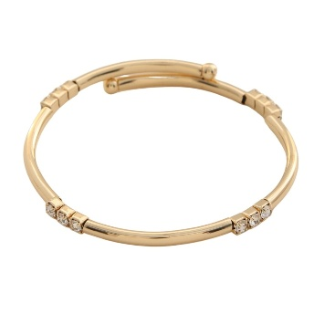 | 6927-B | METAL BANGLE BRACELET | - | $3.75 |  | $0.00
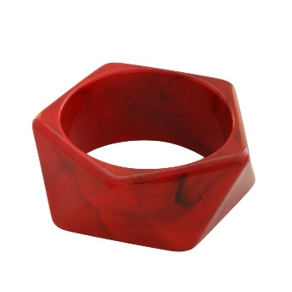 | 83B-1504 | GEOMETRIC MARBLE RESIN BANGLE BRACELET | RED | $4.50 |  | $0.00
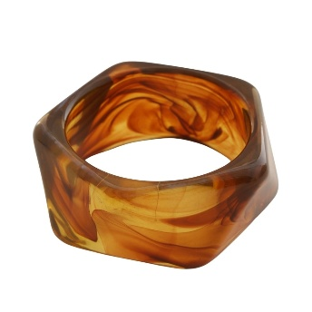 | 83B-1504 | GEOMETRIC MARBLE RESIN BANGLE BRACELET | BRN | $4.50 |  | $0.00
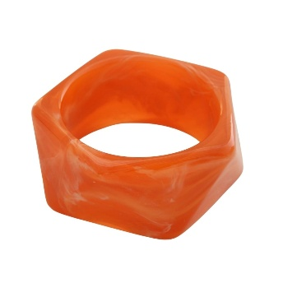 | 83B-1504 | GEOMETRIC MARBLE RESIN BANGLE BRACELET | ORG | $4.50 |  | $0.00
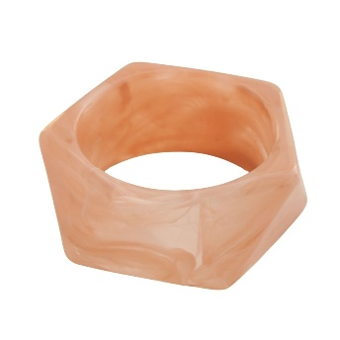 | 83B-1504 | GEOMETRIC MARBLE RESIN BANGLE BRACELET | PNK | $4.50 |  | $0.00
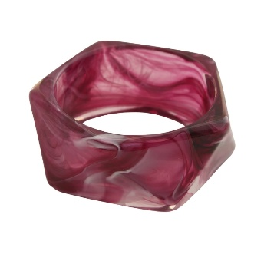 | 83B-1504 | GEOMETRIC MARBLE RESIN BANGLE BRACELET | PUR | $4.50 |  | $0.00
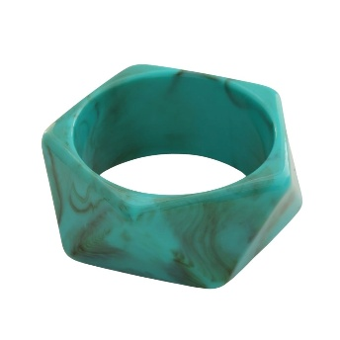 | 83B-1504 | GEOMETRIC MARBLE RESIN BANGLE BRACELET | TQS | $4.50 |  | $0.00
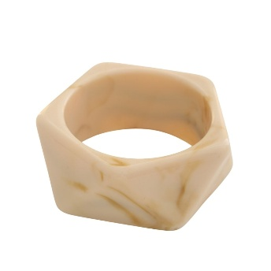 | 83B-1504 | GEOMETRIC MARBLE RESIN BANGLE BRACELET | NTL | $4.50 |  | $0.00
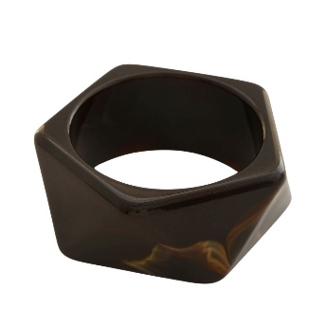 | 83B-1504 | GEOMETRIC MARBLE RESIN BANGLE BRACELET | DBN | $4.50 |  | $0.00
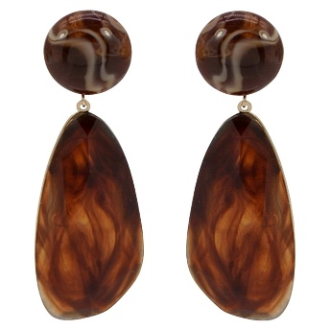 | 0 | MARBLE RESIN TEARDROP DROP EARRING | GDBRN | $6.00 |  | $0.00
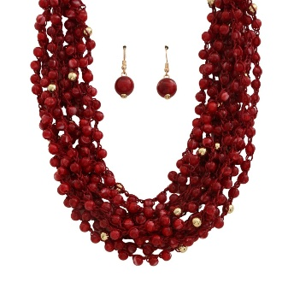 | AK-674 | MULTI BEADED STATEMENT NECKLACE EARRING SET | RD | $7.50 |  | $0.00
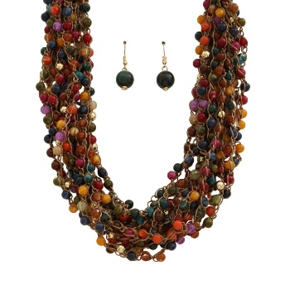 | AK-674 | MULTI BEADED STATEMENT NECKLACE EARRING SET | MT | $7.50 |  | $0.00
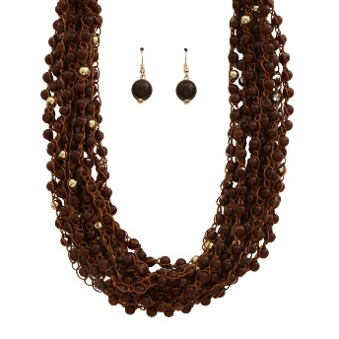 | AK-674 | MULTI BEADED STATEMENT NECKLACE EARRING SET | BN | $7.50 |  | $0.00
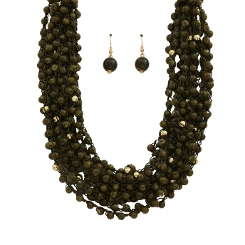 | AK-674 | MULTI BEADED STATEMENT NECKLACE EARRING SET | OLI | $7.50 |  | $0.00
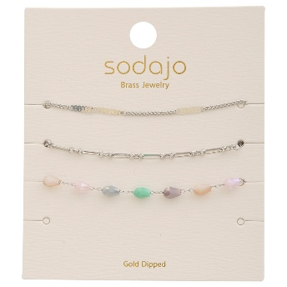 | B-3915 | SODAJO MIX ASSORTED GOLD DIPPED BRACELET SET | RH | $4.50 |  | $0.00
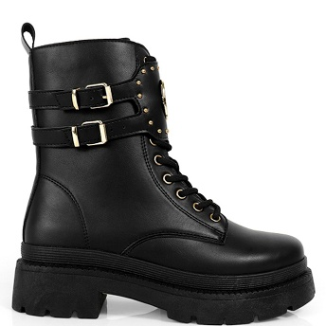 | BARAZ-1-12 | LUGSOLE COMBAT BOOTS | BLACK | $240.00 |  | $0.00
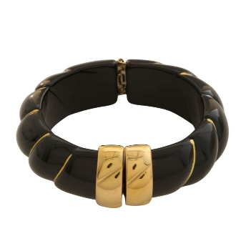 | BG-998 | RESIN METAL HINGED BANGLE BRACELET | BK | $5.50 |  | $0.00
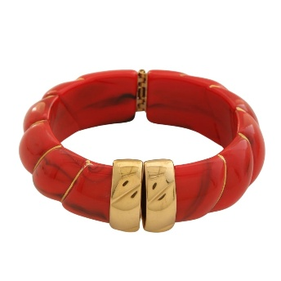 | BG-998 | RESIN METAL HINGED BANGLE BRACELET | RD | $5.50 |  | $0.00
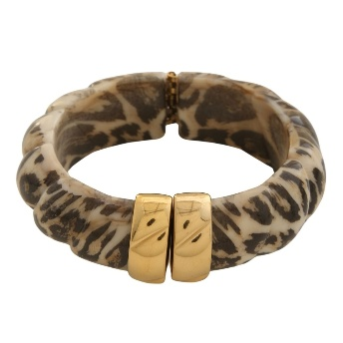 | BG-998 | RESIN METAL HINGED BANGLE BRACELET | LEO | $5.50 |  | $0.00
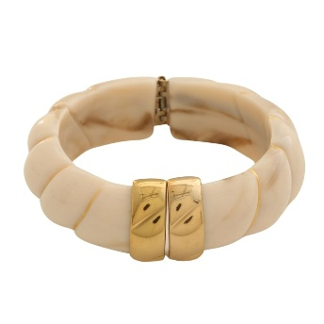 | BG-998 | RESIN METAL HINGED BANGLE BRACELET | IVORY | $5.50 |  | $0.00
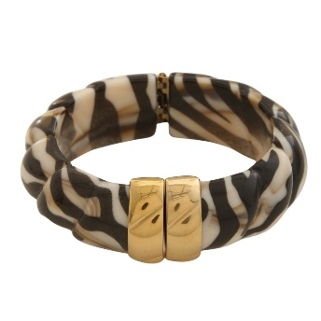 | BG-998 | RESIN METAL HINGED BANGLE BRACELET | ZEB | $5.50 |  | $0.00
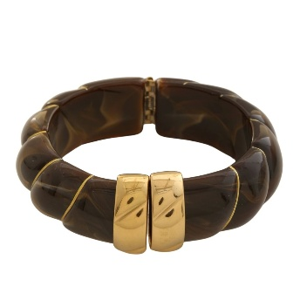 | BG-998 | RESIN METAL HINGED BANGLE BRACELET | DBN | $5.50 |  | $0.00
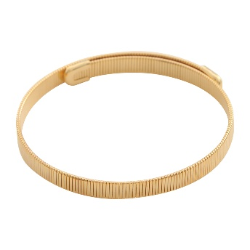 | BJ-8665 | SODAJO RIDGED BANGLE GOLD DIPPED BRACELET | GD | $3.00 |  | $0.00
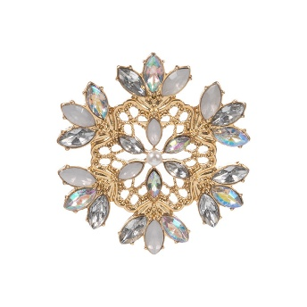 | C6BRH-2676 | SNOWFLAKE SHAPED METAL SINGLE BROOCH | GDWHOPL | $5.50 |  | $0.00
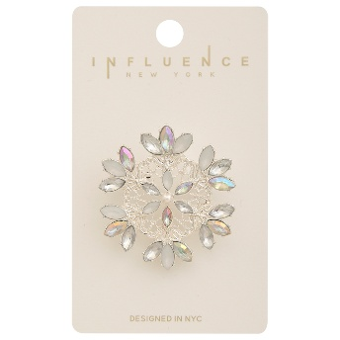 | C6BRH-2676 | SNOWFLAKE SHAPED METAL SINGLE BROOCH | SVWHOPL | $5.50 |  | $0.00
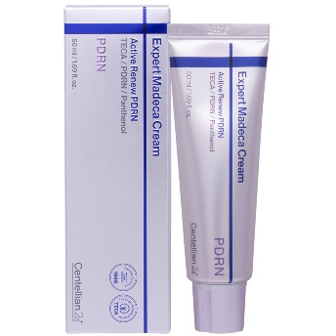 | CT-CRM-PDRN | CENTELLIAN24 EXPERT MADECA CREAM ACTIVE RENEW PDRN | - | $18.00 |  | $0.00
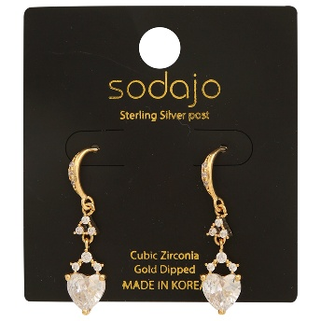 | EC-8580 | SODAJO CZ HEART SHAPE GOLD DIPPED EARRING | GD | $5.50 |  | $0.00
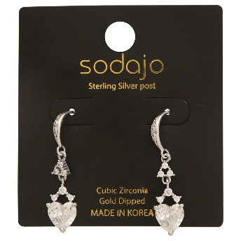 | EC-8580 | SODAJO CZ HEART SHAPE GOLD DIPPED EARRING | RH | $5.50 |  | $0.00
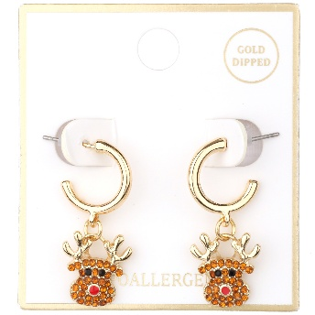 | EE-5160 | METAL RHINESTONE CHRISTMAS HOOP EARRING | GDMLT | $3.75 |  | $0.00
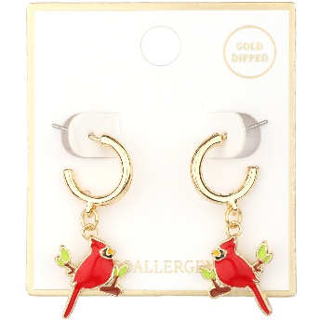 | EE-5162 | METAL EPOXY BIRD HOOP EARRING | GDMLT | $3.75 |  | $0.00
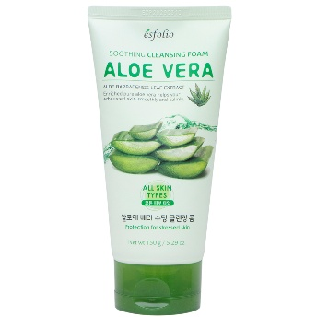 | ESCF-ALOE | ALOE VERA SOOTHING CLEANSING FOAM | - | $5.25 |  | $0.00
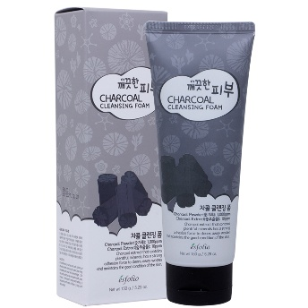 | ESCF-CHARCOAL | PURE SKIN CHARCOAL CLEANSING FOAM | - | $5.25 |  | $0.00
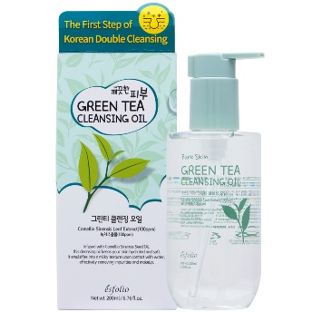 | ESCO-GREENTEA | PURE SKIN GREEN TEA CLEANSING OIL | - | $10.00 |  | $0.00
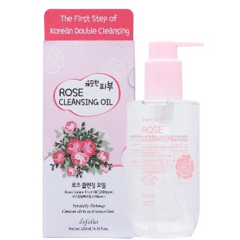 | ESCO-ROSE | PURE SKIN ROSE CLEANSING OIL | - | $10.00 |  | $0.00
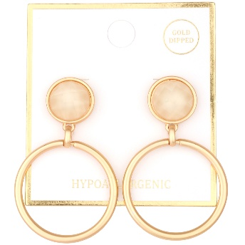 | FE-8385 | METAL EPOXY STONE OPEN CUT POST EARRING | MGBEG | $3.75 |  | $0.00
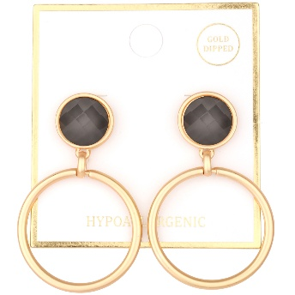 | FE-8385 | METAL EPOXY STONE OPEN CUT POST EARRING | MGBD | $3.75 |  | $0.00
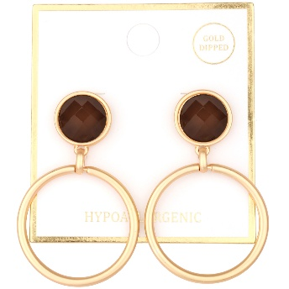 | FE-8385 | METAL EPOXY STONE OPEN CUT POST EARRING | MGBRN | $3.75 |  | $0.00
 | FE-8385 | METAL EPOXY STONE OPEN CUT POST EARRING | MGTLG | $3.75 |  | $0.00
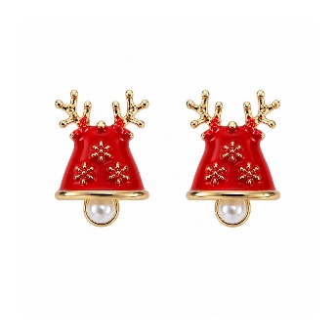 | KE-2709 | CHRISTMAS RUDOLPH REINDEER BELL STUD EARRING | GDRD | $2.50 |  | $0.00
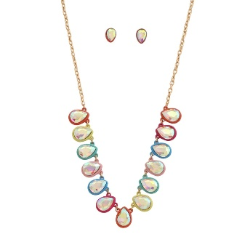 | KNE-9344 | TEARDROP CRYSTAL STONE NECKLACE EARRING SET | GDMU | $6.50 |  | $0.00
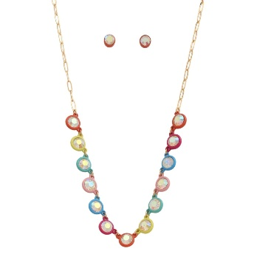 | KNE-9345 | CRYSTAL STONE NECKLACE EARRING SET | GDMU | $6.00 |  | $0.00
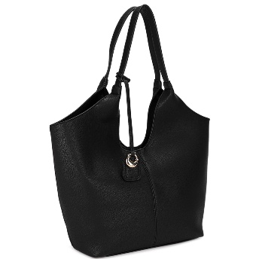 | LP-16665 | FASHION TEXTURED SHOULDER TOTE BAG | BK | $20.00 |  | $0.00
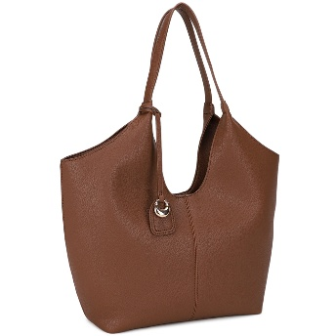 | LP-16665 | FASHION TEXTURED SHOULDER TOTE BAG | BR | $20.00 |  | $0.00
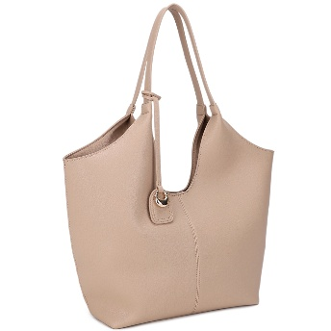 | LP-16665 | FASHION TEXTURED SHOULDER TOTE BAG | TP | $20.00 |  | $0.00
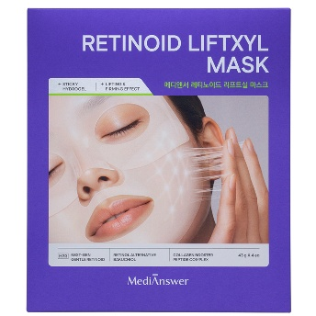 | MA-MSK-SFR | RETINOID LIFTXYL MASK | - | $13.50 |  | $0.00
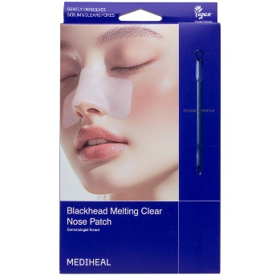 | MH-NP-MELT | MEDIHEAL BLACKHEAD MELTING CLEAR NOSE PATCH W REUSABLE SPATULA SET | - | $9.50 |  | $0.00
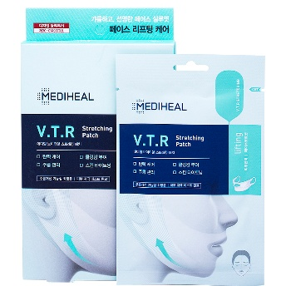 | MH-VTR | MEDIHEAL VTR STRETCHING PATCH (4 UNITS) | - | $8.50 |  | $0.00
 | NK-30039 | CRYSTAL RHINESTONE CHOKER NECKLACE EARRING SET | RSG | $5.00 |  | $0.00
 | NK-30039 | CRYSTAL RHINESTONE CHOKER NECKLACE EARRING SET | SV | $5.00 |  | $0.00
 | NK-30039 | CRYSTAL RHINESTONE CHOKER NECKLACE EARRING SET | CHG | $5.00 |  | $0.00
 | NK-30039 | CRYSTAL RHINESTONE CHOKER NECKLACE EARRING SET | HMT | $5.00 |  | $0.00
 | NK-30040 | RHINESTONE CORD NECKLACE EARRING SET | HMT | $6.00 |  | $0.00
 | NK-30040 | RHINESTONE CORD NECKLACE EARRING SET | RSG | $6.00 |  | $0.00
 | NK-30044 | MARBLE BEAD BOLD TASSEL NECKLACE EARRING SET | BK | $9.00 |  | $0.00
 | NK-30044 | MARBLE BEAD BOLD TASSEL NECKLACE EARRING SET | IVY | $9.00 |  | $0.00
 | NK-30044 | MARBLE BEAD BOLD TASSEL NECKLACE EARRING SET | BRW | $9.00 |  | $0.00
 | NK-30044 | MARBLE BEAD BOLD TASSEL NECKLACE EARRING SET | DOL | $9.00 |  | $0.00
 | PE-8429 | FLOWER LAYERED CRYSTAL CENTER EARRING | BR | $5.75 |  | $0.00
 | PE-8429 | FLOWER LAYERED CRYSTAL CENTER EARRING | GN | $5.75 |  | $0.00
 | PE-8438 | FLOWER STUD EARRING | BL | $5.75 |  | $0.00
 | PE-8438 | FLOWER STUD EARRING | OR | $5.75 |  | $0.00
 | PE-8438 | FLOWER STUD EARRING | FU | $5.75 |  | $0.00
 | PE-8438 | FLOWER STUD EARRING | BR | $5.75 |  | $0.00
 | PE-8438 | FLOWER STUD EARRING | GN | $5.75 |  | $0.00
 | PE-8449 | FLOWER EARRING | BL | $6.00 |  | $0.00
 | PE-8449 | FLOWER EARRING | BR | $6.00 |  | $0.00
 | PE-8637 | ROUND TEARDROP COLOR DANGLE EARRING | BR | $4.50 |  | $0.00
 | PE-8637 | ROUND TEARDROP COLOR DANGLE EARRING | OL | $4.50 |  | $0.00
 | PE-8637 | ROUND TEARDROP COLOR DANGLE EARRING | IV | $4.50 |  | $0.00
 | PE-8637 | ROUND TEARDROP COLOR DANGLE EARRING | BRPP | $4.50 |  | $0.00
 | PE-8637 | ROUND TEARDROP COLOR DANGLE EARRING | RDORG | $4.50 |  | $0.00
 | PE-8711 | FLORAL PETAL DROP DANGLE EARRING | RD | $6.00 |  | $0.00
 | PE-8711 | FLORAL PETAL DROP DANGLE EARRING | BR | $6.00 |  | $0.00
 | PE-8721 | FLOWER DESIGN DROP EARRING | OL | $6.00 |  | $0.00
 | PE-8721 | FLOWER DESIGN DROP EARRING | IV | $6.00 |  | $0.00
 | PE-8721 | FLOWER DESIGN DROP EARRING | BRRD | $6.00 |  | $0.00
 | PE-8807 | ROUNDED STRUCTURE COLOR DESIGN EARRING | RD | $5.00 |  | $0.00
 | PE-8807 | ROUNDED STRUCTURE COLOR DESIGN EARRING | BR | $5.00 |  | $0.00
 | PE-8807 | ROUNDED STRUCTURE COLOR DESIGN EARRING | OL | $5.00 |  | $0.00
 | PE-9770 | TWO ACRYLIC SHAPE DROP EARRING | RD | $5.00 |  | $0.00
 | PE-9770 | TWO ACRYLIC SHAPE DROP EARRING | BR | $5.00 |  | $0.00
 | PE-9770 | TWO ACRYLIC SHAPE DROP EARRING | GN | $5.00 |  | $0.00
 | PE-9916-LI | CRYSTAL LONG TASSEL DROP EARRING | WN | $6.75 |  | $0.00
 | PE-9916-LI | CRYSTAL LONG TASSEL DROP EARRING | BR | $6.75 |  | $0.00
 | PE-9916-LI | CRYSTAL LONG TASSEL DROP EARRING | IV | $6.75 |  | $0.00
 | PE-9964 | OVAL DESIGN DROP EARRING | HE | $4.50 |  | $0.00
 | PE-9964 | OVAL DESIGN DROP EARRING | S | $4.50 |  | $0.00
 | RK-04654 | SODAJO OPEN STYLE WRAP CZ GOLD DIPPED ADJUSTABLE RING | GD | $4.50 |  | $0.00
 | RK-04654 | SODAJO OPEN STYLE WRAP CZ GOLD DIPPED ADJUSTABLE RING | RH | $4.50 |  | $0.00
 | RK-04666 | SODAJO BUTTERFLY PEARL CZ GOLD DIPPED ADJUSTABLE RING | GD | $5.50 |  | $0.00
 | RK-04666 | SODAJO BUTTERFLY PEARL CZ GOLD DIPPED ADJUSTABLE RING | RH | $5.50 |  | $0.00
 | RK-04687 | SODAJO DOUBLE BAND DESIGN CZ GOLD DIPPED ADJUSTABLE RING | GD | $4.50 |  | $0.00
 | S-162781 | SQUISHY SQUEEZE STRETCH STRETCH SQUEEZE FUN MERMAID TOY (12 UNITS) | - | $30.00 |  | $0.00
 | S-162793 | PINCH FAMILY SQUISHY SQUEEZE TOY (12 UNITS) | - | $18.00 |  | $0.00
 | S-162794 | SQUISHY SQUEEZE DUMPLINGS SLOW RISING SQUISHY TOY (24 UNITS) | - | $60.00 |  | $0.00
 | S-162795 | SHARK SQUISHY SQUEEZE TOY (12 UNITS) | - | $18.00 |  | $0.00
 | SHE-0202 | CROSS RHINESTON STUD EARRING | GD | $3.00 |  | $0.00
 | SHE-0249 | METAL CROSS DANGLE EARRING | WG | $3.00 |  | $0.00
 | SHE-0259 | METAL HORSESHOE DANGLE EARRING | WG | $3.00 |  | $0.00
 | TB-30084 |  | AGBL | $6.50 |  | $0.00
 | TB-30084 |  | AGBR | $6.50 |  | $0.00
 | TB-30084 |  | AGMT | $6.50 |  | $0.00
 | TB-30084 |  | AGBU | $6.50 |  | $0.00
 | TB-30087 |  | GDBR | $7.00 |  | $0.00
 | TB-30087 |  | GDCM | $7.00 |  | $0.00
 | TB-30090 |  | GDMT1 | $7.00 |  | $0.00
 | TB-30090 |  | GDMT2 | $7.00 |  | $0.00
 | TN-30431 | OVAL PENDANT MIX COLOR BEAD NECKLACE | WGBL | $7.50 |  | $0.00
 | TN-30431 | OVAL PENDANT MIX COLOR BEAD NECKLACE | WGMT | $7.50 |  | $0.00
 | TN-30434 | TRIPLE CHARM MIX COLOR GEMSTONE NECKLACE | GDMT1 | $10.50 |  | $0.00
 | TN-30434 | TRIPLE CHARM MIX COLOR GEMSTONE NECKLACE | GDMT2 | $10.50 |  | $0.00
 | TN-30464 | OVAL PENDANT MIX COLOR STONE BEAD NECKLACE | WGBU | $9.00 |  | $0.00
 | Z-40065A | DUCK SQUISHY SQUEEZE TOY (6 UNITS) | - | $72.00 |  | $0.00
 | Z-40161 | ZEN POP PINEAPPLE SQUISHY SQUEEZE TOY (6 UNITS) | ASST | $72.00 |  | $0.00
TOTAL |  |  |  |  |  | $0.00

