Line Sheet
Line Sheet - New arrival - 8/7
1025 Stanford Ave. Los Angeles ,CA 90021 Phone: 213-222-9590 WhatsApp: 213-760-1969 Website: http://joiaaccessory.com Faire: https://joiaaccessories.faire.com Email: support@joiaaccessory.com
Grand Total: |  |  |  |  | $0.00
IMG | Style# | WebTitle | Color | Price | Qty | Total
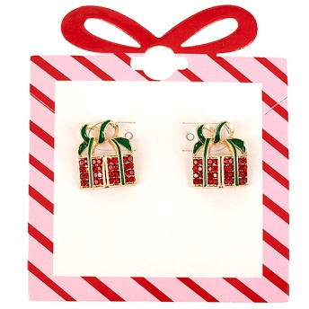 | 13-8055 | CHRISTMAS RHINESTONE GIFT STUD EARRING | GRD | $3.75 |  | $0.00
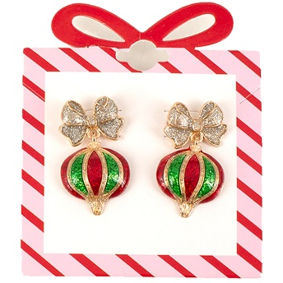 | 13-8056 | CHRISTMAS RHINESTONE BOW ORNAMENT DANGLE EARRING | GMT | $3.75 |  | $0.00
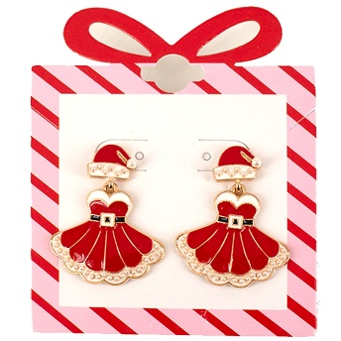 | 13-8058 | CHRISTMAS RHINESTONE SANTA DRESS DANGLE EARRING | GRD | $5.00 |  | $0.00
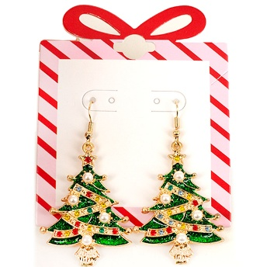 | 13-8060 | CHRISTMAS PEARL RHINESTONE TREE DANGLE EARRING | GGR | $4.50 |  | $0.00
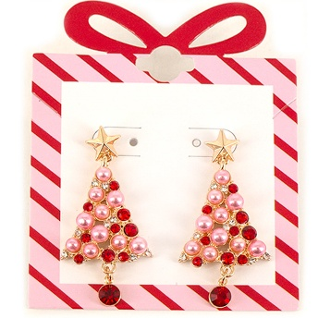 | 13-8123 | CHRISTMAS PEARL RHINESTONE TREE BELL DROP EARRING | GPK | $4.50 |  | $0.00
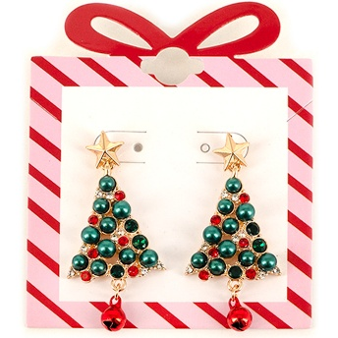 | 13-8123 | CHRISTMAS PEARL RHINESTONE TREE BELL DROP EARRING | GGR | $4.50 |  | $0.00
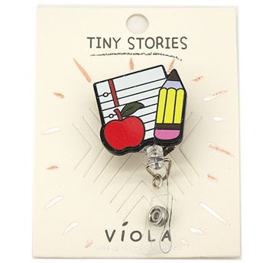 | 15-2380 | TEACHER APPLE PENCIL NOTEBOOK RETRACTABLE ID BADGE REEL | MT | $3.75 |  | $0.00
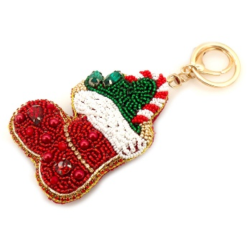 | 19-2180 | CHRISTMAS SEED BEAD RHINESTONE SANTA STOCKING KEYCHAIN | RD | $5.75 |  | $0.00
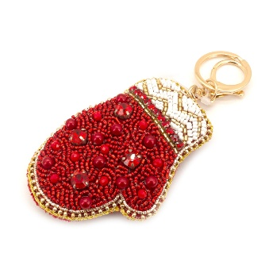 | 19-2182 | CHRISTMAS SEED BEAD RHINESTONE MITTEN BAG CHARM KEYCHAIN | RD | $5.75 |  | $0.00
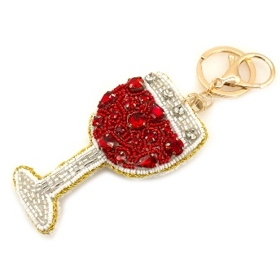 | 19-2183 | SEED BEAD RHINESTONE WINE GLASS BAG CHARM KEYCHAIN | RD | $5.75 |  | $0.00
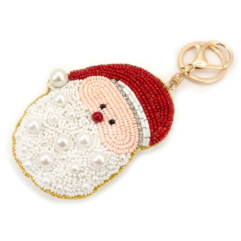 | 19-2184 | CHRISTMAS PEARL SEED BEAD SANTA BAG CHARM KEYCHAIN | RD | $5.75 |  | $0.00
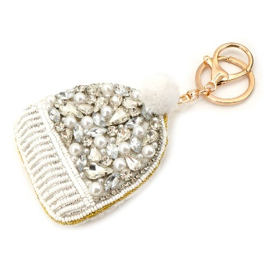 | 19-2185 | PEARL RHINESTONE CRYSTAL STONE WINTER HAT BAG CHARM KEYCHAIN | IV | $5.75 |  | $0.00
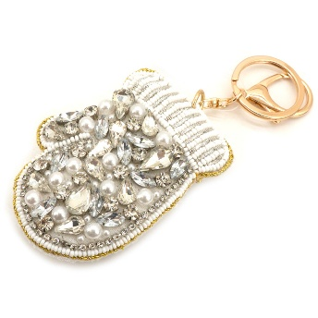 | 19-2186 | PEARL RHINESTONE CRYSTAL STONE MITTEN BAG CHARM KEYCHAIN | IV | $5.75 |  | $0.00
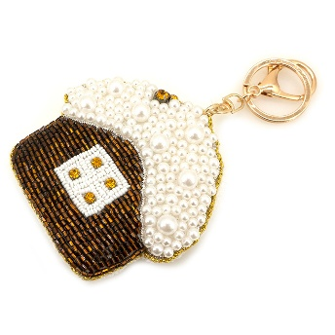 | 19-2190 | SEED BEAD PEARL GINGER BREAD HOUSE KEYCHAIN | GD | $5.75 |  | $0.00
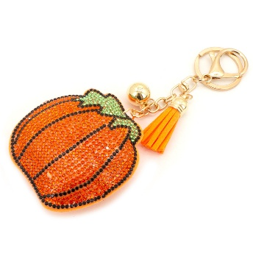 | 19-2193 | RHINESTONE PUMPKIN KEYCHAIN WITH TASSEL | COR | $2.50 |  | $0.00
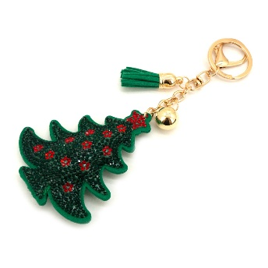 | 19-2196 | CHRISTMAS RHINESTONE TREE KEYCHAIN WITH TASSEL | GGR | $3.00 |  | $0.00
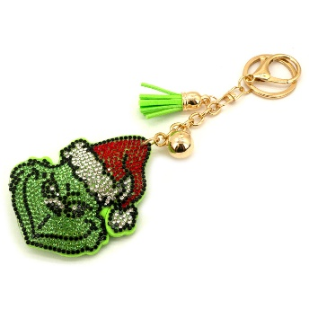 | 19-2198 | CHRISTMAS RHINESTONE GRINCH KEYCHAIN WITH TASSEL | GGR | $3.00 |  | $0.00
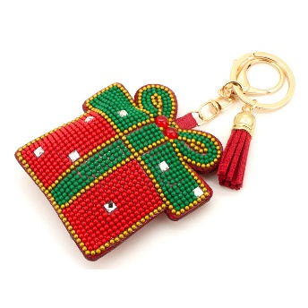 | 19-2199 | CHRISTMAS SEED BEAD RHINESTONE GIFT KEYCHAIN WITH TASSEL | GRD | $3.75 |  | $0.00
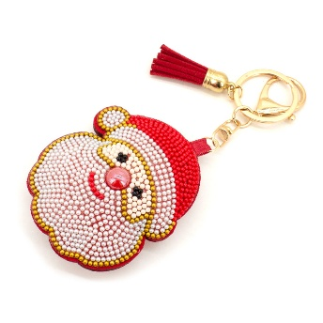 | 19-2200 | CHRISTMAS SEED BEAD SANTA TASSEL BAG CHARM KEYCHAIN | GRD | $3.75 |  | $0.00
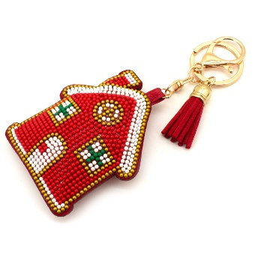 | 19-2201 | CHRISTMAS SEED BEAD GINGERBREAD HOUSE TASSEL BAG CHARM KEYCHAIN | GRD | $3.75 |  | $0.00
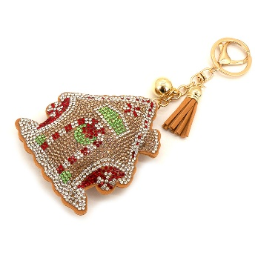 | 19-2206 | CHRISTMAS RHINESTONE SWIRL TREE KEYCHAIN WITH TASSEL | GBR | $3.75 |  | $0.00
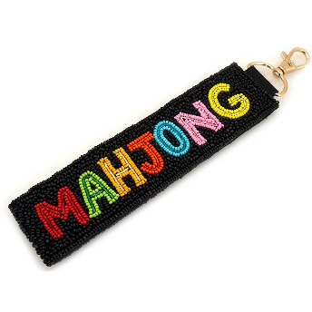 | 19-2207 | SEED BEAD MAHJONG BAG CHARM KEYCHAIN | BK | $5.75 |  | $0.00
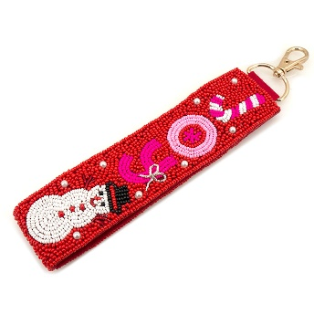 | 19-2215 | CHRISTMAS SEED BEAD SNOWMAN CANDY CANE ORNAMENT BAG CHARM KEYCHAIN | RD | $5.75 |  | $0.00
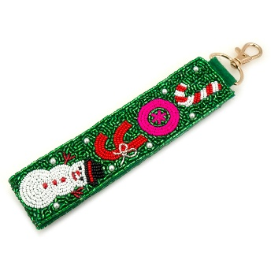 | 19-2215 | CHRISTMAS SEED BEAD SNOWMAN CANDY CANE ORNAMENT BAG CHARM KEYCHAIN | GR | $5.75 |  | $0.00
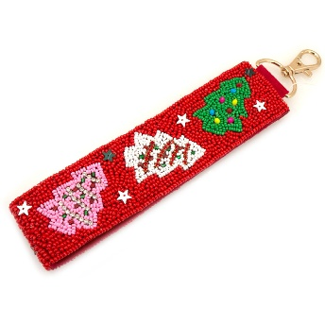 | 19-2218 | CHRISTMAS SEED BEAD TREE ORNAMENT BAG CHARM KEYCHAIN | RD | $5.75 |  | $0.00
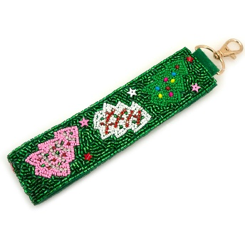 | 19-2218 | CHRISTMAS SEED BEAD TREE ORNAMENT BAG CHARM KEYCHAIN | GR | $5.75 |  | $0.00
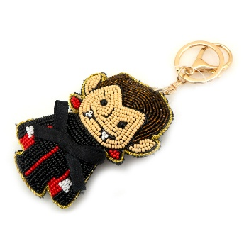 | 19-2220 | HALLOWEEN SEED BEAD VAMPIRE BAG CHARM KEYCHAIN | BK | $5.75 |  | $0.00
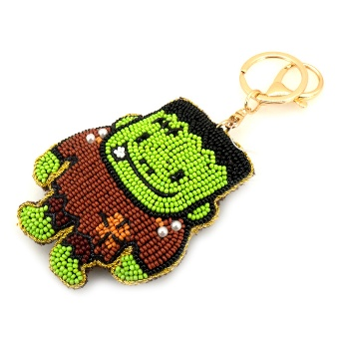 | 19-2221 | HALLOWEEN SEED BEAD FRANKENSTEIN BAG CHARM KEYCHAIN | GR | $5.75 |  | $0.00
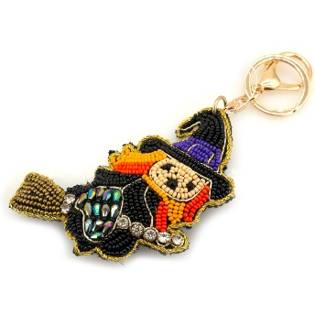 | 19-2222 | HALLOWEEN SEED BEAD RHINESTONE WITCH BROOM BAG CHARM KEYCHAIN | BK | $5.75 |  | $0.00
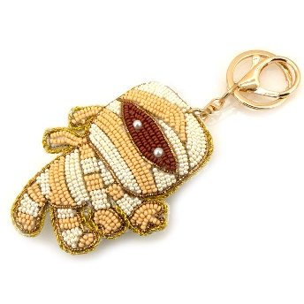 | 19-2223 | HALLOWEEN SEED BEAD MUMMY BAG CHARM KEYCHAIN | WT | $5.75 |  | $0.00
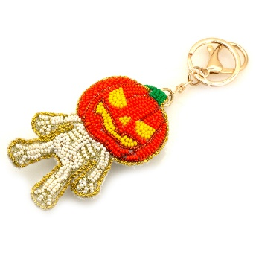 | 19-2224 | HALLOWEEN SEED BEAD PUMPKIN SKELETON HAND BAG CHARM KEYCHAIN | OR | $5.75 |  | $0.00
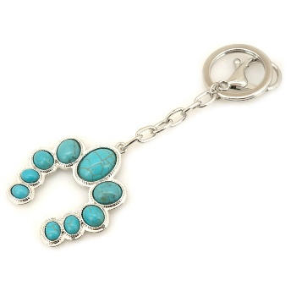 | 19-2230 | WESTERN METAL STONE HORSESHOE BAG CHARM KEYCHAIN | SBTQ | $4.50 |  | $0.00
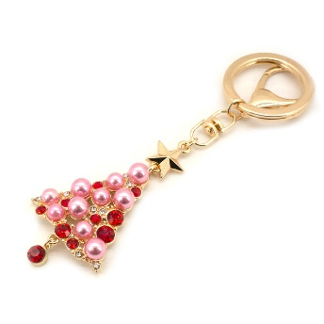 | 19-2232 | CHRISTMAS PEARL RHINESTONE TREE BAG CHARM KEYCHAIN | GPK | $4.50 |  | $0.00
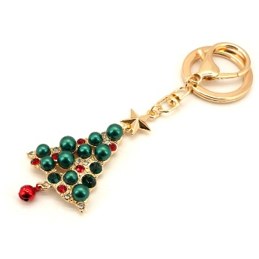 | 19-2232 | CHRISTMAS PEARL RHINESTONE TREE BAG CHARM KEYCHAIN | GGR | $4.50 |  | $0.00
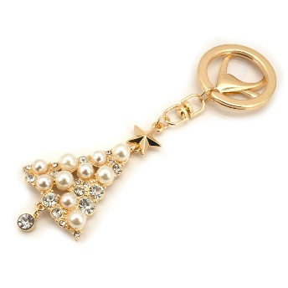 | 19-2232 | CHRISTMAS PEARL RHINESTONE TREE BAG CHARM KEYCHAIN | GPL | $4.50 |  | $0.00
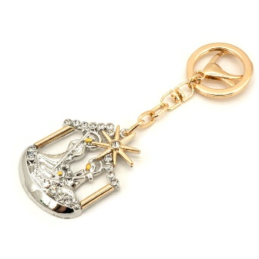 | 19-2233 | RHINESTONE HOLY FAMILY NATIVITY BAG CHARM KEYCHAIN | TT | $4.50 |  | $0.00
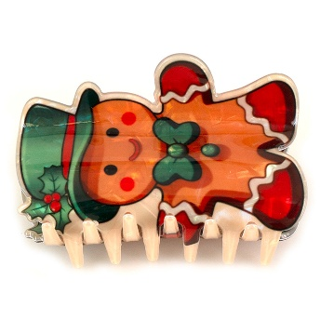 | 20-0942 | CHRISTMAS GINGERBREAD HAIR CLAW CLIP | MT | $3.00 |  | $0.00
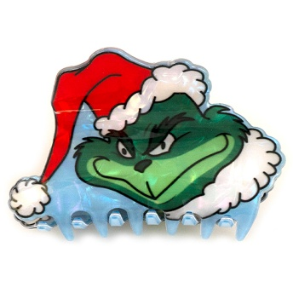 | 20-0944 | CHRISTMAS GRINCH HAIR CLAW CLIP | MT | $3.00 |  | $0.00
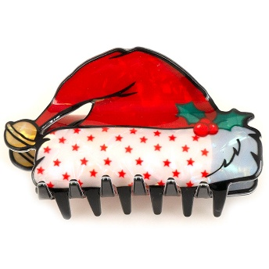 | 20-0946 | CHRISTMAS GNOME HAIR CLAW CLIP | MT | $3.00 |  | $0.00
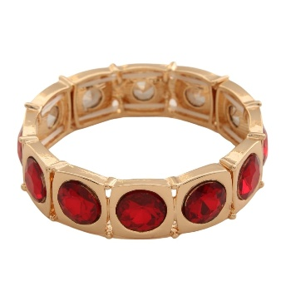 | 2YAB-5032 | RHINESTONE METAL STRETCH BRACELET | RD | $7.00 |  | $0.00
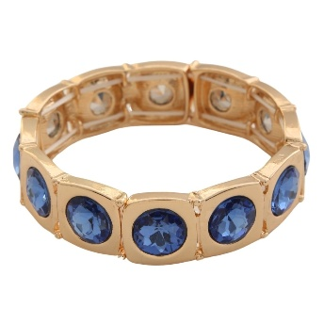 | 2YAB-5032 | RHINESTONE METAL STRETCH BRACELET | BL | $7.00 |  | $0.00
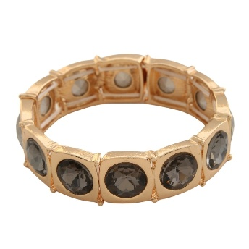 | 2YAB-5032 | RHINESTONE METAL STRETCH BRACELET | BD | $7.00 |  | $0.00
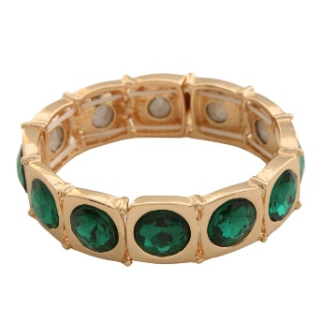 | 2YAB-5032 | RHINESTONE METAL STRETCH BRACELET | GN | $7.00 |  | $0.00
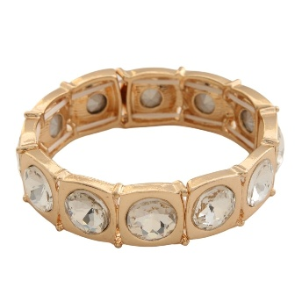 | 2YAB-5032 | RHINESTONE METAL STRETCH BRACELET | AB | $7.00 |  | $0.00
 | 2YAB-5032 | RHINESTONE METAL STRETCH BRACELET | CR | $7.00 |  | $0.00
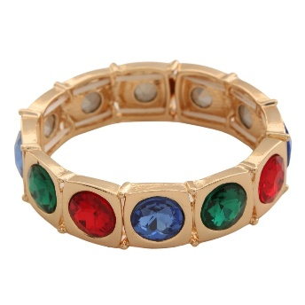 | 2YAB-5032 | RHINESTONE METAL STRETCH BRACELET | MU | $7.00 |  | $0.00
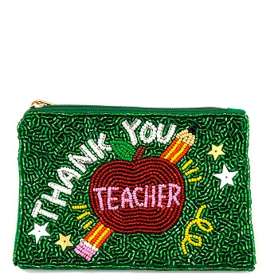 | 60-1047 | SEED BEAD THANK YOU TEACHER APPLE PENCIL COIN PURSE BAG | GR | $6.75 |  | $0.00
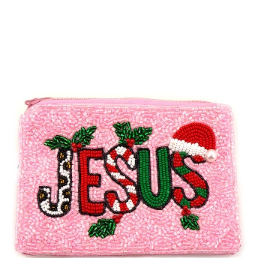 | 60-1057 | CHRISTMAS SEED BEAD JESUS COIN PURSE BAG | PK | $6.75 |  | $0.00
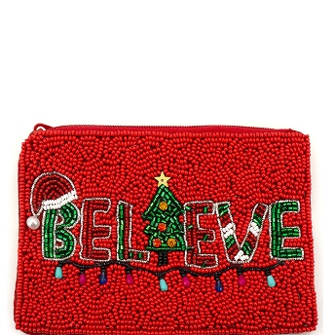 | 60-1058 | CHRISTMAS SEED BEAD BELIEVE TREE LIGHT COIN PURSE BAG | RD | $6.75 |  | $0.00
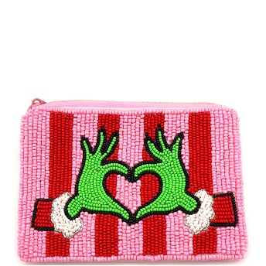 | 60-1059 | CHRISTMAS SEED BEAD GRINCH HEART HAND COIN PURSE BAG | PK | $6.75 |  | $0.00
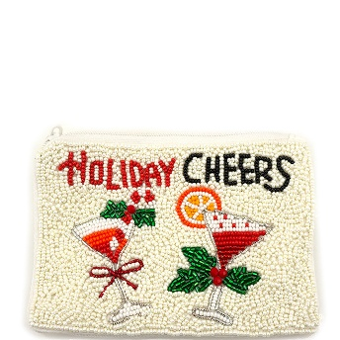 | 60-1060 | CHRISTMAS SEED BEAD CHEERS COCKTAIL COIN PURSE BAG | IV | $6.75 |  | $0.00
 | 60-1065 | CHRISTMAS SEED BEAD RUDOLPH REINDEER COIN PURSE BAG | BK | $6.75 |  | $0.00
 | 78E-5489 | RHINESTONE PEARL SUNBURST DANGLE EARRING | GDCRM | $5.00 |  | $0.00
 | 81304X | PARTY WORLD DISCO BALL ORNAMENT SET-3 PIECES-ASST | HOT PINK | $2.50 |  | $0.00
 | 81304X | PARTY WORLD DISCO BALL ORNAMENT SET-3 PIECES-ASST | GREEN | $2.50 |  | $0.00
 | 81304X | PARTY WORLD DISCO BALL ORNAMENT SET-3 PIECES-ASST | GOLD | $2.50 |  | $0.00
 | 81307X | PARTY WORLD CHRISTMAS BALL ORNAMENT SET-6 PIECES - ASST | PINK | $2.00 |  | $0.00
 | 81307X | PARTY WORLD CHRISTMAS BALL ORNAMENT SET-6 PIECES - ASST | WHITE | $2.00 |  | $0.00
 | 81307X | PARTY WORLD CHRISTMAS BALL ORNAMENT SET-6 PIECES - ASST | RED | $2.00 |  | $0.00
 | 81307X | PARTY WORLD CHRISTMAS BALL ORNAMENT SET-6 PIECES - ASST | HOT PINK | $2.00 |  | $0.00
 | 81307X | PARTY WORLD CHRISTMAS BALL ORNAMENT SET-6 PIECES - ASST | GREEN | $2.00 |  | $0.00
 | 81307X | PARTY WORLD CHRISTMAS BALL ORNAMENT SET-6 PIECES - ASST | LIGHT BLUE | $2.00 |  | $0.00
 | 81343X | PARTY WORLD CHRISTMAS BALL ORNAMENT SET-18PCS | GREEN | $3.50 |  | $0.00
 | 81343X | PARTY WORLD CHRISTMAS BALL ORNAMENT SET-18PCS | GOLD | $3.50 |  | $0.00
 | ANUA-H70DL | ANUA HEARTLEAF 70 DAILY LOTION | - | $17.50 |  | $0.00
 | ANUA-H77ST | ANUA HEARTLEAF 77 SOOTHING TONER | - | $15.50 |  | $0.00
 | ANUA-HPCCO | ANUA HEARTLEAF PORE CONTROL CLEANSING OIL | - | $13.50 |  | $0.00
 | ANUA-N10T4S | ANUA NIACINAMIDE 10 TXA 4 SERUM FOR BRIGHTENING AND DARK SPOTS | - | $16.00 |  | $0.00
 | ANUA-P70NS | ANUA PEACH 70 NIACIN SERUM | - | $16.00 |  | $0.00
 | ANUA-PHAC100S | ANUA PDRN HYALURONIC ACID CAPSULE 100 SERUM | - | $21.50 |  | $0.00
 | ANUA-ZCMFS | ANUA ZERO CAST MOISTURIZING FINISH SUNSCREEN | - | $13.00 |  | $0.00
 | AR-BTRMC | ARENCIA BLACK TEA RICE MOCHI CLEANSER | - | $11.00 |  | $0.00
 | AR-CRMC | ARENCIA CALENDULA RICE MOCHI CLEANSER | - | $11.00 |  | $0.00
 | AR-FBHRMC | ARENCIA FRESH BLUE HYSSOP RICE MOCHI CLEANSER | - | $11.00 |  | $0.00
 | AR-FGRMC | ARENCIA FRESH GREEN RICE MOCHI CLEANSER | - | $11.00 |  | $0.00
 | AR-FRRMC | ARENCIA FRESH ROSEHIP RICE MOCHI CLEANSER | - | $11.00 |  | $0.00
 | AR-GTLDPRCC | ARENCIA GREEN TEA LHA DEEP PORE RICE CAKE CLEANSER | - | $12.50 |  | $0.00
 | AR-RMC | ARENCIA RICE MUCIN CLEANSER | - | $11.00 |  | $0.00
 | BDBC-171S | STAINLESS STEEL HEART LINK CUFF BRACELET | GD | $6.00 |  | $0.00
 | BDBC-172S | STAINLESS STEEL SNAKE CHAIN TWIST CUFF BRACELET | GD | $5.50 |  | $0.00
 | BDBC-174S | STAINLESS STEEL HAMMERED CIRCLE CUFF BRACELET | GD | $6.00 |  | $0.00
 | BDBC-176S | STAINLESS STEEL MULTI LINE CUFF BRACELET | GD | $6.00 |  | $0.00
 | BDBC-177S | STAINLESS STEEL LEAF TEXTURED WIDE CUFF BRACELET | GD | $6.75 |  | $0.00
 | BDBC-192S | STAINLESS STEEL TEARDROP CUFF BRACELET | GD | $7.50 |  | $0.00
 | BDBC-193S | STAINLESS STEEL BALL HEART CUFF BRACELET | GD | $7.50 |  | $0.00
 | BDBC-195S | STAINLESS STEEL BANGLE BRACELET | GD | $7.50 |  | $0.00
 | BDBC-196S | STAINLESS STEEL BRACELET | GD | $7.50 |  | $0.00
 | BDBC-202S | STAINLESS STEEL TWIST BANGLE BRACELET | GD | $8.25 |  | $0.00
 | BDBC-204S | STAINLESS STEEL ROPE BANGLE BRACELET | GD | $8.25 |  | $0.00
 | BDBC-205S | STAINLESS STEEL TEXTURED BANGLE BRACELET | GD | $10.50 |  | $0.00
 | BDEC-516S | STAINLESS STEEL HEART CZ SUNBURST PEARL EARRING | GCM | $4.50 |  | $0.00
 | BDED-087 | 3PRS BAGUETTE CZ HOOP EARRING SET | GCL | $6.00 |  | $0.00
 | BDED-149S | STAINLESS STEEL BALL HOOP EARRING SET | GD | $6.75 |  | $0.00
 | BDED-160S | STAINLESS STEEL CROSS HOOP EARRING SET | GCM | $6.75 |  | $0.00
 | BDNB-242S | STAINLESS STEEL MULTI CROSS CHARM PENDANT NECKLACE | GCL | $6.00 |  | $0.00
 | BIO-BC | BIODANCE BIO COLLAGEN REAL DEEP FACIAL SHEET MASK (4 UNITS) | - | $11.50 |  | $0.00
 | BIO-RSK | BIODANCE REFRESHING SEA KELP REA DEEP FACIAL SHEET MASK (4 UNITS) | - | $11.50 |  | $0.00
 | BIO-RVN | BIODANCE RADIANT VITA NIACINAMIDE REAL DEEP FACIAL SHEET MASK (4 UNITS) | - | $11.50 |  | $0.00
 | BR-2080 | BEAD ACCENTS STRETCH BRACELET | GD | $3.75 |  | $0.00
 | BR-2080 | BEAD ACCENTS STRETCH BRACELET | RH | $3.75 |  | $0.00
 | BR-2131-JH | MULTI SIZE NATURAL BEAD STRETCH | BRN | $5.00 |  | $0.00
 | BR-2131-JH | MULTI SIZE NATURAL BEAD STRETCH | NT | $5.00 |  | $0.00
 | BR-2135 | BEAD STRETCH BRACELET | GY | $3.75 |  | $0.00
 | BR-2135 | BEAD STRETCH BRACELET | BL | $3.75 |  | $0.00
 | BR-2135 | BEAD STRETCH BRACELET | GN | $3.75 |  | $0.00
 | BR-2135 | BEAD STRETCH BRACELET | FU | $3.75 |  | $0.00
 | BR-2135 | BEAD STRETCH BRACELET | ORG | $3.75 |  | $0.00
 | BR-2153 | HAMMERED CIRCLE SHAPE BRACELET | GD | $5.50 |  | $0.00
 | BR-2153 | HAMMERED CIRCLE SHAPE BRACELET | RH | $5.50 |  | $0.00
 | BR-2156 | BOLD BRACELET | GD | $5.50 |  | $0.00
 | BR-2156 | BOLD BRACELET | RH | $5.50 |  | $0.00
 | BR-2157 | TEXTURED SHAPED HINGE BRACELET | GD | $5.50 |  | $0.00
 | BR-2157 | TEXTURED SHAPED HINGE BRACELET | RH | $5.50 |  | $0.00
 | BR-2159 | HAMMERED CHUNKY HINGE BANGLE | GD | $5.50 |  | $0.00
 | BR-2159 | HAMMERED CHUNKY HINGE BANGLE | RH | $5.50 |  | $0.00
 | BR-2160 | WORN GOLD BAMBOO STYLE HINGE BANGLE BRACELET | GD | $5.50 |  | $0.00
 | BR-2164 | WORN GOD HINGE BANGLE BRACELET | GD | $5.50 |  | $0.00
 | BR-2168-JH | TEXTURED HINGE BANGLE BRACELET | GD | $5.50 |  | $0.00
 | BR-2168-JH | TEXTURED HINGE BANGLE BRACELET | RH | $5.50 |  | $0.00
 | BR-2169-JH | BOLD TEXTURED HINGE BANGLE BRACELET | GD | $5.50 |  | $0.00
 | BR-2169-JH | BOLD TEXTURED HINGE BANGLE BRACELET | RH | $5.50 |  | $0.00
 | BR-2171 | STRETCH BEAD BRACELET | GBR | $5.00 |  | $0.00
 | BR-2171 | STRETCH BEAD BRACELET | GRD | $5.00 |  | $0.00
 | BR-2171 | STRETCH BEAD BRACELET | GGN | $5.00 |  | $0.00
 | BR-2172 | MULTI ROW BEAD STRETCH BRACELET | GDNT | $6.00 |  | $0.00
 | BR-2172 | MULTI ROW BEAD STRETCH BRACELET | GGY | $6.00 |  | $0.00
 | BR-2172 | MULTI ROW BEAD STRETCH BRACELET | GGN | $6.00 |  | $0.00
 | BTBA-009 | PAVE CZ HEAD ROPE WIRE BRACELET | SCL | $6.00 |  | $0.00
 | BTBA-012 | METAL HEAD HINGE CUFF BRACELET | SG | $8.25 |  | $0.00
 | BTBA-012 | METAL HEAD HINGE CUFF BRACELET | GS | $8.25 |  | $0.00
 | BTBA-013 | HEART PAVE ROPE WIRE BRACELET | SGCL | $5.50 |  | $0.00
 | BTBA-014 | TRIPLE WIRE ROPE WIRE BRACELET | SG | $7.50 |  | $0.00
 | BTBA-017 | PEARL HEAD BEAD ROPE WIRE BRACELET | GCL | $4.50 |  | $0.00
 | BTBA-017 | PEARL HEAD BEAD ROPE WIRE BRACELET | GCM | $4.50 |  | $0.00
 | BTBA-017 | PEARL HEAD BEAD ROPE WIRE BRACELET | SCL | $4.50 |  | $0.00
 | BTBA-017 | PEARL HEAD BEAD ROPE WIRE BRACELET | SCM | $4.50 |  | $0.00
 | C6E-2649 | CHRISTMAS NUTCRACKER STUD EARRING 2 PAIR SET | RED | $5.75 |  | $0.00
 | C6E-2649 | CHRISTMAS NUTCRACKER STUD EARRING 2 PAIR SET | PK | $5.75 |  | $0.00
 | C6E-2649 | CHRISTMAS NUTCRACKER STUD EARRING 2 PAIR SET | GRN | $5.75 |  | $0.00
 | DALBA-WTNTM | DALBA WHITE TRUFFLE NOURISHING TREATMENT MASK (5 UNITS) | - | $12.00 |  | $0.00
 | DRA-GVCS | DR ALTHEA GENTLE VITAMIN C SERUM | - | $12.00 |  | $0.00
 | DRA-RCM | DR ALTHEA 345 RELIEF CREAM MIST | - | $13.50 |  | $0.00
 | EPAIS-SBA | EPAIS SCALP BOOSTING AMPOULE | - | $13.00 |  | $0.00
 | ICH-84352RS | VINTAGE ESTATE GEM LINK BELT | ATSV | $6.00 |  | $0.00
 | ICH-84352RS | VINTAGE ESTATE GEM LINK BELT | BKATGD | $6.00 |  | $0.00
 | ICH-84364 | SHELL CONCHO BELT | GOLD | $6.00 |  | $0.00
 | ICH-84364 | SHELL CONCHO BELT | SILVER | $6.00 |  | $0.00
 | ICH-84364 | SHELL CONCHO BELT | ATGD | $6.00 |  | $0.00
 | ICH-84377PRL | ORGANIC PEARL LINK CHAIN BELET | GOLD | $6.50 |  | $0.00
 | ICH-84377PRL | ORGANIC PEARL LINK CHAIN BELET | SILVER | $6.50 |  | $0.00
 | ICH-84382RS | PAVE TEAR HEART CHAIN BELT | GOLD | $6.00 |  | $0.00
 | ICH-84382RS | PAVE TEAR HEART CHAIN BELT | SILVER | $6.00 |  | $0.00
 | ICH-84435RS | DOT AND PAVE DISC LINK DRAPE CHAIN BELT | GOLD | $7.00 |  | $0.00
 | ICH-84435RS | DOT AND PAVE DISC LINK DRAPE CHAIN BELT | SILVER | $7.00 |  | $0.00
 | ICH-84437RS | DROP LINK LONG CHAIN BELET | GOLD | $6.50 |  | $0.00
 | ICH-84437RS | DROP LINK LONG CHAIN BELET | SILVER | $6.50 |  | $0.00
 | ICZ-84353 | OVAL LINER GEM LINK BELT | GD | $7.50 |  | $0.00
 | ICZ-84353 | OVAL LINER GEM LINK BELT | SL | $7.50 |  | $0.00
 | ILSO-DCM | ILSO DEEP CLEAN MASTER | - | $7.75 |  | $0.00
 | ILSO-SMSS | ILSO SUPER MELTING SEBUM SOFTENER W 40EA COTTON PAD | - | $16.50 |  | $0.00
 | JKB-2292 | DOUBLE STONE HINGED CUFF BRACELET | WGBK | $6.00 |  | $0.00
 | JKB-2292 | DOUBLE STONE HINGED CUFF BRACELET | WGBL | $6.00 |  | $0.00
 | JKB-2292 | DOUBLE STONE HINGED CUFF BRACELET | WGCRY | $6.00 |  | $0.00
 | JKB-2292 | DOUBLE STONE HINGED CUFF BRACELET | WGGRN | $6.00 |  | $0.00
 | JKB-2292 | DOUBLE STONE HINGED CUFF BRACELET | WGRED | $6.00 |  | $0.00
 | JKN-2813 | MULTI BEADED LAYERED ROUND PENDANT STATEMENT NECKLACE | LBRN | $15.75 |  | $0.00
 | JKN-2813 | MULTI BEADED LAYERED ROUND PENDANT STATEMENT NECKLACE | PRP | $15.75 |  | $0.00
 | JKN-2813 | MULTI BEADED LAYERED ROUND PENDANT STATEMENT NECKLACE | DGRN | $15.75 |  | $0.00
 | LA-GPD554 | LA GIRL ARCH ENVY BROW PENCIL AND BROW PERFECT WAX STICK (30 UNITS) | - | $96.00 |  | $0.00
 | LILYEVE-GTEB | LILYEVE GROW TURN EXOSOME BRUSH AMPOULE | - | $14.00 |  | $0.00
 | MC-AGGCC | MEDICUBE AGE R GLUTATHIONE GLOW CAPSULE CREAM | - | $13.50 |  | $0.00
 | MC-ARBPMPP | MEDICUBE AGE R BOOSTER PRO MINI PLUS | - | $87.00 |  | $0.00
 | MC-CJC | MEDICUBE COLLAGEN NIACINAMIDE JELLY CREAM | - | $15.50 |  | $0.00
 | MC-ENFS | MEDICUBE EGF NAD FIRMING SERUM | - | $14.00 |  | $0.00
 | MC-PPCGM | MEDICUBE PDRN PINK COLLAGEN GEL MASK (4 UNITS) | - | $14.00 |  | $0.00
 | MC-PPGCCF | MEDICUBE PDRN PINK GLUTATHIONE CAPSULE CLEANSING FOAM | - | $13.00 |  | $0.00
 | MC-PPNMT | MEDICUBE PDRN PINK NIACINAMIDE MILKY TONER | - | $12.50 |  | $0.00
 | MC-PPPS | MEDICUBE PDRN PINK PEPTIDE SERUM | - | $15.00 |  | $0.00
 | MC-RNBS | MEDICUBE RETINOL BOOSTING SERUM | - | $13.50 |  | $0.00
 | MC-ZPP | MEDICUBE ZERO PORE PAD | - | $14.00 |  | $0.00
 | NBZ-N2RPC2X | NUMBUZIN NO 2 ROSE PDRN COLLAGEN 2X PLUMPING SERUM | - | $12.50 |  | $0.00
 | NBZ-N9NBLF | NUMBUZIN NO 9 NAD PLUS BIO LIFTING SIL FULL FACE MASK (4 UNITS) | - | $10.50 |  | $0.00
 | NBZ-N9NBSD | NUMBUZIN NO 9 NAD PLUS BIO SUPER DEFENSE GLOW SUNCREEN | - | $12.50 |  | $0.00
 | NBZ-N9NCU | NUMBUZIN NO 9 NAD PLUS COLLAGEN UNDER EYE PATCHES (5 UNITS) | - | $9.00 |  | $0.00
 | NBZ-N9NRV | NUMBUZIN NO 9 NAD PLUS RETINOL VOLUMETOX EYE CREAM | - | $12.50 |  | $0.00
 | S1004-MCA | SKIN1004 MADAGASCAR CENTELLA AMPOULE | - | $14.50 |  | $0.00
 | S1004-MCAF | SKIN1004 MADAGASCAR CENTELLA AMPOULE FOAM MOUSSE SERUM | - | $11.00 |  | $0.00
 | S1004-MCC | SKIN1004 MADAGASCAR CENTELLA CREAM | - | $14.50 |  | $0.00
 | S1004-MCLCO | SKIN1004 MADAGASCAR CENTELLA LIGHT CLEANSING OIL | - | $13.50 |  | $0.00
 | S1004-MCPCBEC | SKIN1004 MADAGASCAR CENTELLA PROBIO CICA BAKUCHIOL EYE CREAM | - | $12.50 |  | $0.00
 | S1004-MCQCP | SKIN1004 MADAGASCAR CENTELLA QUICK CALMING PAD | - | $14.00 |  | $0.00
 | S1004-MCTBBT | SKIN1004 MADAGASCAR CENTELLA TONE BRIGHTENING BOOSTING TONER | - | $11.50 |  | $0.00
 | S1004-MCTBCA | SKIN1004 MADAGASCAR CENTELLA TONE BRIGHTENING CAPSULE AMPOULE | - | $9.50 |  | $0.00
 | S1004-MCTBCC | SKIN1004 MADAGASCAR CENTELLA TONE BRIGHTENING CAPSULE CREAM | - | $15.50 |  | $0.00
 | S1004-MCTC | SKIN1004 MADAGASCAR CENTELLA TECA CREAM | - | $14.00 |  | $0.00
 | S1004-MCTT | SKIN1004 MADAGASCAR CENTELLA TONING TONER LOTION TONIQUE STIMULANTE | - | $11.50 |  | $0.00
 | TB-30061 | BEDED TASSEL METAL ROUND CHARM STRETCH BRACELET SET | WGBE | $7.00 |  | $0.00
 | TB-30061 | BEDED TASSEL METAL ROUND CHARM STRETCH BRACELET SET | WGBK | $7.00 |  | $0.00
 | TB-30061 | BEDED TASSEL METAL ROUND CHARM STRETCH BRACELET SET | WGBR | $7.00 |  | $0.00
 | TB-30078 |  | WGMT | $6.50 |  | $0.00
 | TO-40917 | WESTERN MIXED CONCHO LINK CHAIN BELT | G | $7.50 |  | $0.00
 | TO-40917 | WESTERN MIXED CONCHO LINK CHAIN BELT | S | $7.50 |  | $0.00
TOTAL |  |  |  |  |  | $0.00

