Line Sheet
Line Sheet - New arrival - 7/30
1025 Stanford Ave. Los Angeles ,CA 90021 Phone: 213-222-9590 WhatsApp: 213-760-1969 Website: http://joiaaccessory.com Faire: https://joiaaccessories.faire.com Email: support@joiaaccessory.com
Grand Total: |  |  |  |  | $0.00
IMG | Style# | WebTitle | Color | Price | Qty | Total
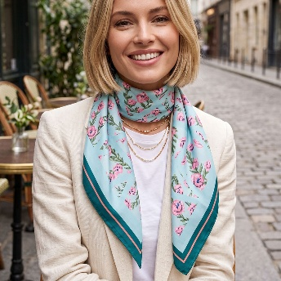 | BS-9001 | GEOMETRIC BLOOM PRINT SILK-FEEL SQUARE SCARF | TL | $3.25 |  | $0.00
 | BS-9001 | GEOMETRIC BLOOM PRINT SILK-FEEL SQUARE SCARF | GN | $3.25 |  | $0.00
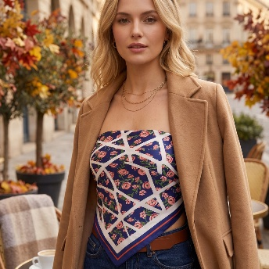 | BS-9001 | GEOMETRIC BLOOM PRINT SILK-FEEL SQUARE SCARF | NV | $3.25 |  | $0.00
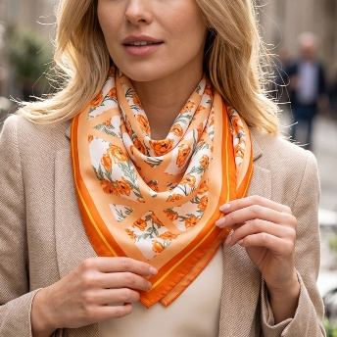 | BS-9001 | GEOMETRIC BLOOM PRINT SILK-FEEL SQUARE SCARF | OR | $3.25 |  | $0.00
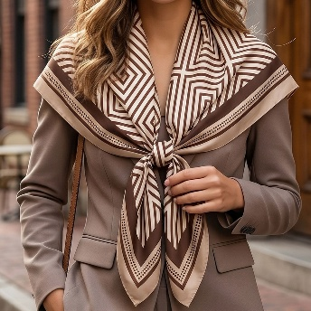 | BS-9002 | GEOMETRIC BLACK & WHITE SILK-FEELSQUARE SCARF | TP | $3.25 |  | $0.00
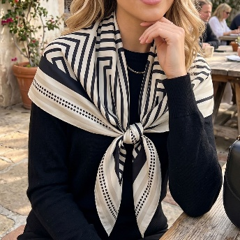 | BS-9002 | GEOMETRIC BLACK & WHITE SILK-FEELSQUARE SCARF | WH | $3.25 |  | $0.00
 | BS-9003 | IRIS CONTRAST PRINT SILK-FEEL SQUARE SCARF | BK | $3.25 |  | $0.00
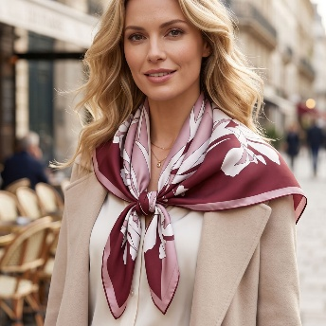 | BS-9003 | IRIS CONTRAST PRINT SILK-FEEL SQUARE SCARF | BU | $3.25 |  | $0.00
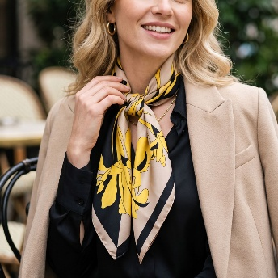 | BS-9003 | IRIS CONTRAST PRINT SILK-FEEL SQUARE SCARF | MU | $3.25 |  | $0.00
 | BS-9003 | IRIS CONTRAST PRINT SILK-FEEL SQUARE SCARF | OV | $3.25 |  | $0.00
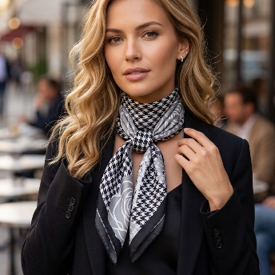 | BS-9004 | VINTAGE ROSE & HOUNDSTOOTH SILK-FEEL SQUARE SCARF | BK | $3.25 |  | $0.00
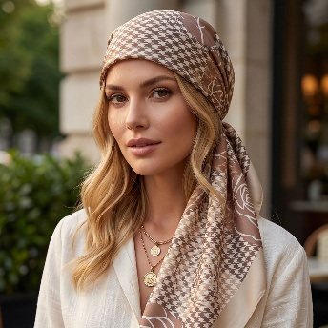 | BS-9004 | VINTAGE ROSE & HOUNDSTOOTH SILK-FEEL SQUARE SCARF | TP | $3.25 |  | $0.00
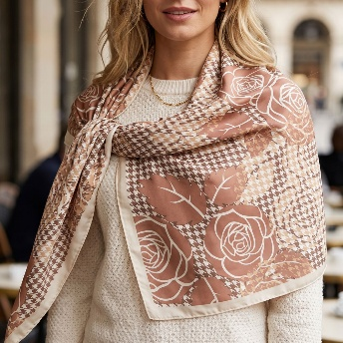 | BS-9004 | VINTAGE ROSE & HOUNDSTOOTH SILK-FEEL SQUARE SCARF | DP | $3.25 |  | $0.00
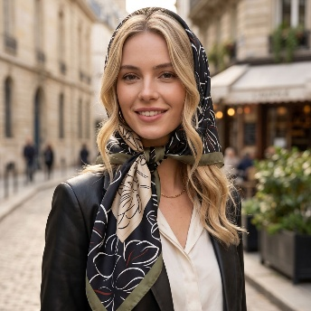 | BS-9005 | ELEGANT CHERRY BLOSSOM SILK-FEEL SQUARE SCARF | BK | $3.25 |  | $0.00
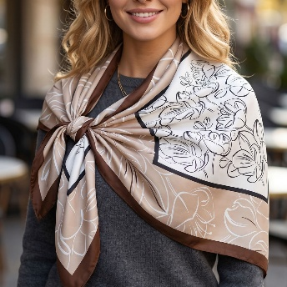 | BS-9005 | ELEGANT CHERRY BLOSSOM SILK-FEEL SQUARE SCARF | BE | $3.25 |  | $0.00
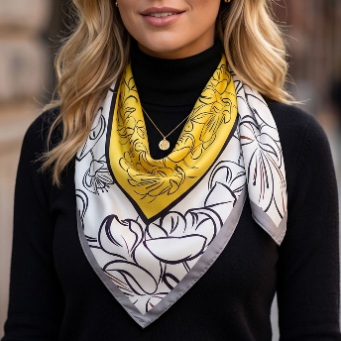 | BS-9005 | ELEGANT CHERRY BLOSSOM SILK-FEEL SQUARE SCARF | GR | $3.25 |  | $0.00
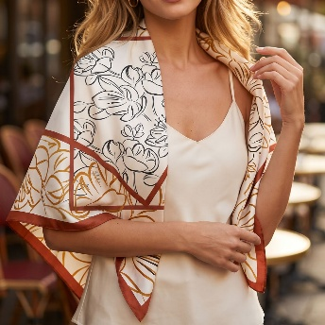 | BS-9005 | ELEGANT CHERRY BLOSSOM SILK-FEEL SQUARE SCARF | RU | $3.25 |  | $0.00
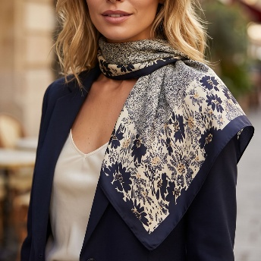 | BS-9007 | VINTAGE FLORAL SILK-FEEL SQUARE SCARF | BK | $3.25 |  | $0.00
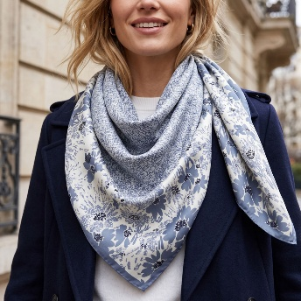 | BS-9007 | VINTAGE FLORAL SILK-FEEL SQUARE SCARF | GR | $3.25 |  | $0.00
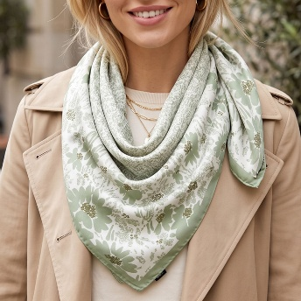 | BS-9007 | VINTAGE FLORAL SILK-FEEL SQUARE SCARF | OV | $3.25 |  | $0.00
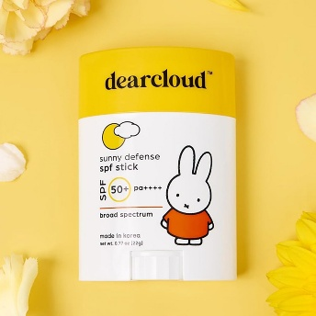 | DC-SUN-ST | MIFFY SUNSCREEN STICK SPF 50+ PA++++ | - | $7.00 |  | $0.00
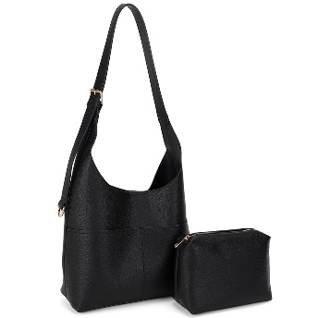 | ES-32372 | 2IN1 MODERN SHOULDER HOBO BAG W POUCH SET | BK | $22.00 |  | $0.00
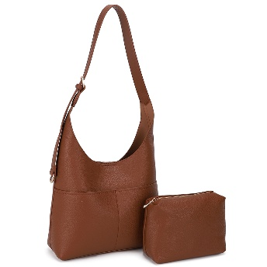 | ES-32372 | 2IN1 MODERN SHOULDER HOBO BAG W POUCH SET | CHO | $22.00 |  | $0.00
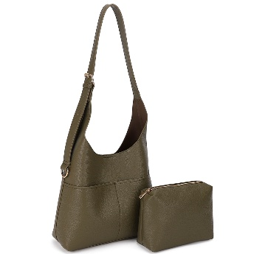 | ES-32372 | 2IN1 MODERN SHOULDER HOBO BAG W POUCH SET | OL | $22.00 |  | $0.00
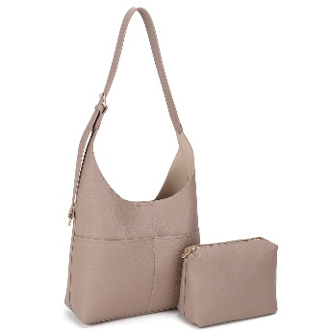 | ES-32372 | 2IN1 MODERN SHOULDER HOBO BAG W POUCH SET | TP | $22.00 |  | $0.00
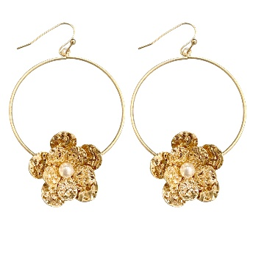 | EW-20115 | FLORAL HOOP DANGLE EARRING | WG | $3.00 |  | $0.00
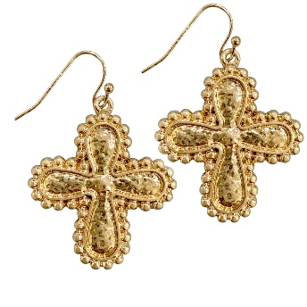 | EW-20130 | ORNATE CROSS DROP EARRING | WG | $2.75 |  | $0.00
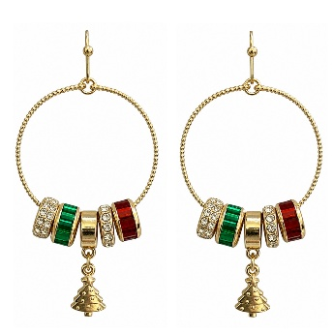 | EW-20298 | CHRISTMAS CHARM HOOP EARRING | GD | $6.00 |  | $0.00
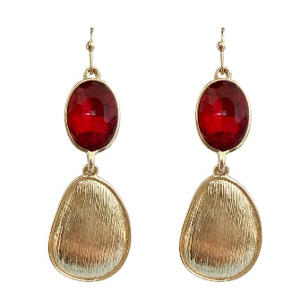 | EW-20302 | FACETED OVAL STONE TEARDROP DROP EARRING | RED | $3.50 |  | $0.00
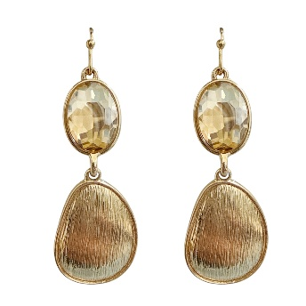 | EW-20302 | FACETED OVAL STONE TEARDROP DROP EARRING | IV | $3.50 |  | $0.00
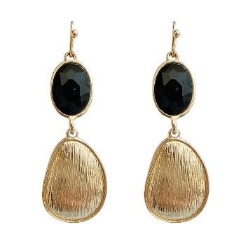 | EW-20302 | FACETED OVAL STONE TEARDROP DROP EARRING | JET | $3.50 |  | $0.00
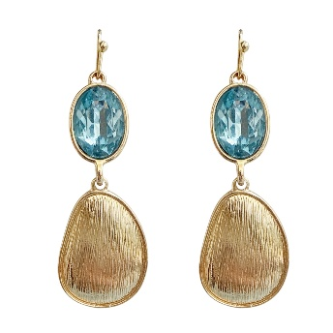 | EW-20302 | FACETED OVAL STONE TEARDROP DROP EARRING | TQ | $3.50 |  | $0.00
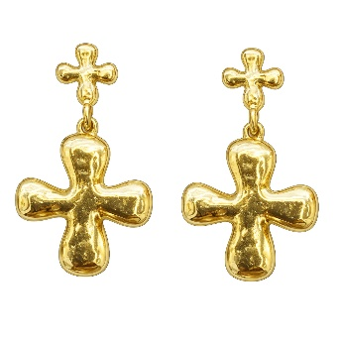 | EW-20329 | PUFFED CROSS DROP EARRING | GD | $3.00 |  | $0.00
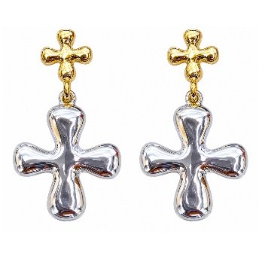 | EW-20329 | PUFFED CROSS DROP EARRING | MU | $3.00 |  | $0.00
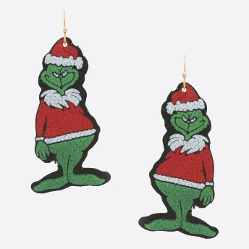 | EW-72142 | CHRISTMAS SANTA CLAUS DANGLE EARRING | - | $2.50 |  | $0.00
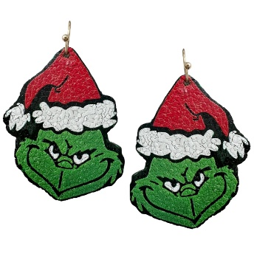 | EW-72143 | CHRISTMAS GRINCH SANTA FACE DANGLE EARRING | - | $2.75 |  | $0.00
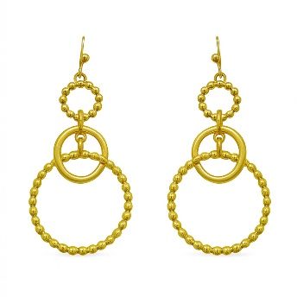 | EW-72775 | TWO TONE METAL LINK RING DROP DANGLE EARRING | GD | $3.75 |  | $0.00
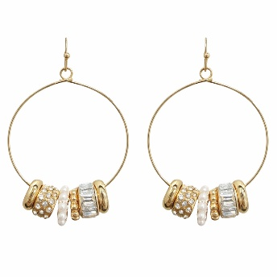 | EW-72957 | RHINESTONE BEADED LINK HOOP EARRING | GD | $6.00 |  | $0.00
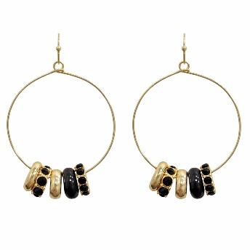 | EW-72957 | RHINESTONE BEADED LINK HOOP EARRING | JET | $6.00 |  | $0.00
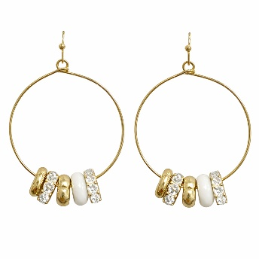 | EW-72957 | RHINESTONE BEADED LINK HOOP EARRING | WHT | $6.00 |  | $0.00
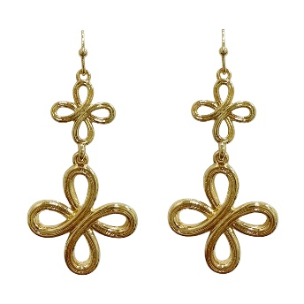 | EW-72963 | METAL FLOWER CROSS DANGLE EARRING | GD | $3.00 |  | $0.00
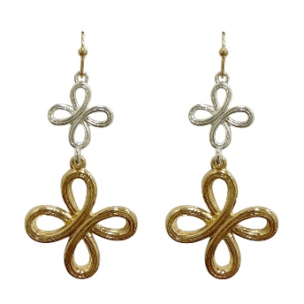 | EW-72963 | METAL FLOWER CROSS DANGLE EARRING | MU | $3.00 |  | $0.00
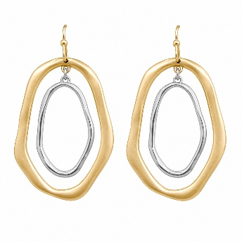 | EW-72994 | ABSTRACT OPEN OVAL DROP EARRING | MU1 | $4.50 |  | $0.00
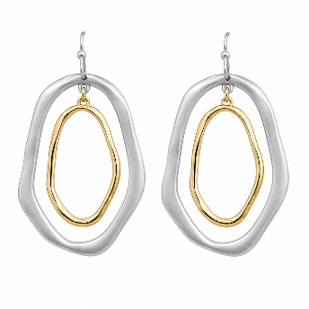 | EW-72994 | ABSTRACT OPEN OVAL DROP EARRING | MU2 | $4.50 |  | $0.00
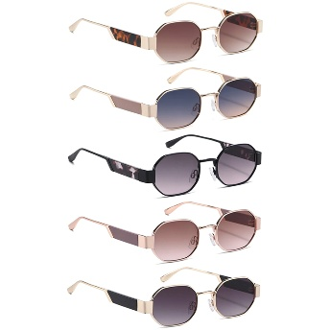 | FC-5854-DY | METAL GEOMETRIC CLASSIC SUNGLASSES 1DZ | - | $50.00 |  | $0.00
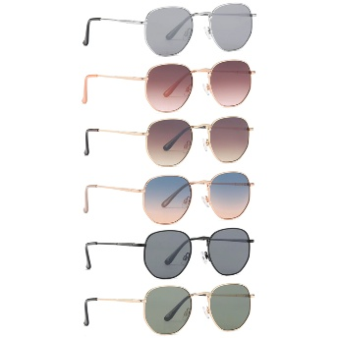 | FC-6587-DY | ROUND GEOMETRIC METAL FASHION SUNGLASSES 1DZ | - | $44.00 |  | $0.00
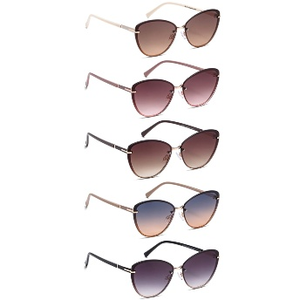 | FC-6614-DY | RIMLESS CLASSIC CAT EYE METAL SUNGLASSES 1DZ | - | $46.00 |  | $0.00
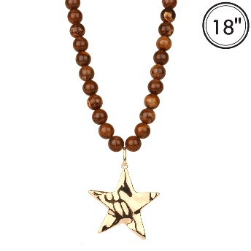 | FN-5131 | MARBLE METAL STAR NECKLACE | GDBRN | $6.75 |  | $0.00
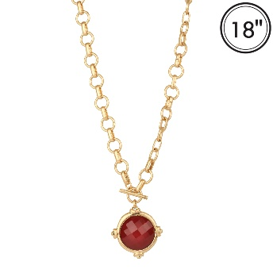 | FN-5133 | EPOXY STONE LINK TOGGLE NECKLACE | WGBND | $5.50 |  | $0.00
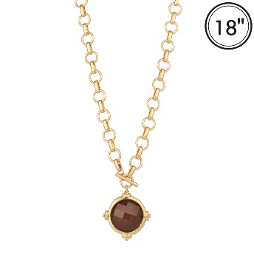 | FN-5133 | EPOXY STONE LINK TOGGLE NECKLACE | WGBRN | $5.50 |  | $0.00
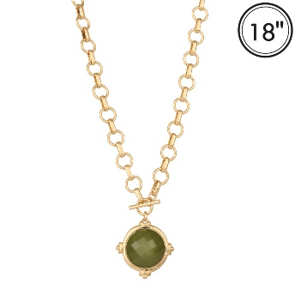 | FN-5133 | EPOXY STONE LINK TOGGLE NECKLACE | WGOVG | $5.50 |  | $0.00
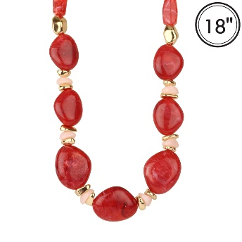 | FN-5136 | MARBLE BEAD NECKLACE | GDBND | $7.50 |  | $0.00
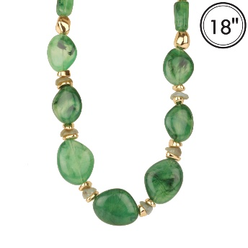 | FN-5136 | MARBLE BEAD NECKLACE | GDGRN | $7.50 |  | $0.00
 | FN-5142 | MARBLE BEAD NECKLACE | GDBL | $6.50 |  | $0.00
 | FN-5142 | MARBLE BEAD NECKLACE | GDBND | $6.50 |  | $0.00
 | FN-5142 | MARBLE BEAD NECKLACE | GDBRN | $6.50 |  | $0.00
 | FN-5142 | MARBLE BEAD NECKLACE | GDGRN | $6.50 |  | $0.00
 | HE-042R | SMOOTH NYLON BLACK TRIM DESIGN RFID CROSSBODY WALLET | BLACK | $12.00 |  | $0.00
 | HE-042R | SMOOTH NYLON BLACK TRIM DESIGN RFID CROSSBODY WALLET | COFFEE | $12.00 |  | $0.00
 | HE-042R | SMOOTH NYLON BLACK TRIM DESIGN RFID CROSSBODY WALLET | BURGUNDY | $12.00 |  | $0.00
 | HE-042R | SMOOTH NYLON BLACK TRIM DESIGN RFID CROSSBODY WALLET | CLAY | $12.00 |  | $0.00
 | HE-042R | SMOOTH NYLON BLACK TRIM DESIGN RFID CROSSBODY WALLET | OLIVE | $12.00 |  | $0.00
 | HE-042R | SMOOTH NYLON BLACK TRIM DESIGN RFID CROSSBODY WALLET | Pomegranate | $12.00 |  | $0.00
 | HE-042R | SMOOTH NYLON BLACK TRIM DESIGN RFID CROSSBODY WALLET | TAUPE | $12.00 |  | $0.00
 | HE-042R | SMOOTH NYLON BLACK TRIM DESIGN RFID CROSSBODY WALLET | INK BLUE | $12.00 |  | $0.00
 | HITCH-06-12 | PENNY LOAFER | BLK PT | $162.00 |  | $0.00
 | HITCH-06-12 | PENNY LOAFER | BLK SPU | $162.00 |  | $0.00
 | HITCH-06-12 | PENNY LOAFER | GRY PT | $162.00 |  | $0.00
 | ICH-84337 | RIB CROSS LINK CHAIN BELT | GOLD | $6.00 |  | $0.00
 | ICH-84337 | RIB CROSS LINK CHAIN BELT | GDSL | $6.00 |  | $0.00
 | IHT-72594CW | LONGHORN COW/JUTE BRAID BAND COWBOY HAT | BKBK | $12.00 |  | $0.00
 | IHT-72594CW | LONGHORN COW/JUTE BRAID BAND COWBOY HAT | BECO | $12.00 |  | $0.00
 | IHT-72594CW | LONGHORN COW/JUTE BRAID BAND COWBOY HAT | CRMWHT | $12.00 |  | $0.00
 | IHT-72751CW | LUX COW PRINT MICROSUEDE COWBOY HAT | BK | $12.50 |  | $0.00
 | IHT-72751CW | LUX COW PRINT MICROSUEDE COWBOY HAT | BRN | $12.50 |  | $0.00
 | ISC-94651 | ROSETTE ACCENT DOT CUBE SCARF | WHITE | $3.00 |  | $0.00
 | ISC-94651 | ROSETTE ACCENT DOT CUBE SCARF | BEIGE | $3.00 |  | $0.00
 | ISC-94657 | KALEIDOSCOPE PAISLEY SCARF | BLACK | $3.00 |  | $0.00
 | ISC-94657 | KALEIDOSCOPE PAISLEY SCARF | TAUPE | $3.00 |  | $0.00
 | IW-33074 | CURVED MIRROR C BUCKLE BELT | CAMEL | $4.50 |  | $0.00
 | IW-33074 | CURVED MIRROR C BUCKLE BELT | DUSTY BL | $4.50 |  | $0.00
 | IW-33074 | CURVED MIRROR C BUCKLE BELT | ROYAL BLUE | $4.50 |  | $0.00
 | IW-33074 | CURVED MIRROR C BUCKLE BELT | YELLOW | $4.50 |  | $0.00
 | IW-65014WSHASL | WESTERN CONCHO RECTANGLE STUDDED LEATHER LINK BELT | BLACK | $13.00 |  | $0.00
 | IW-65014WSHASL | WESTERN CONCHO RECTANGLE STUDDED LEATHER LINK BELT | COGNAC | $13.00 |  | $0.00
 | IW-65014WSHASL | WESTERN CONCHO RECTANGLE STUDDED LEATHER LINK BELT | OFF WHITE | $13.00 |  | $0.00
 | IW-65014WSHASL | WESTERN CONCHO RECTANGLE STUDDED LEATHER LINK BELT | MED TP | $13.00 |  | $0.00
 | J-3733 | CHAIN BEAD GEMSTONE NECKLACE | GDPK | $7.00 |  | $0.00
 | J-3733 | CHAIN BEAD GEMSTONE NECKLACE | GM | $7.00 |  | $0.00
 | JASPER-1-12 | WOVEN DOUBLE STRAP MARYJANE | BEIGE/TAN | $156.00 |  | $0.00
 | JASPER-1-12 | WOVEN DOUBLE STRAP MARYJANE | BLACK | $156.00 |  | $0.00
 | KC-1403 | KEVIN AND COCO CLEAR SKIN MULTI USE CONCEALER (24 UNITS) | - | $30.50 |  | $0.00
 | KC-1411 | KEVIN AND COCO WATERMELON JELLY BLUSH (12 UNITS) | - | $15.50 |  | $0.00
 | KC-1412 | KEVIN AND COCO WATERMELON LIPSTICK (24 UNITS) | - | $25.50 |  | $0.00
 | KC-1413 | KEVIN AND COCO WATERMELON LIP GLOSS (24 UNITS) | - | $25.50 |  | $0.00
 | KC-1414 | KEVIN AND COCO WATERMELON LIQUID HIGHLIGHT (24 UNITS) | - | $48.00 |  | $0.00
 | KC-1583 | KEVIN AND COCO WATERMELON FOUNDATION PRIMER HYDRATING (12 UNITS) | - | $24.00 |  | $0.00
 | KSE-3007-1.5 | 14K GOLD DIPPED SMALL HOOP EARRING | PG | $3.00 |  | $0.00
 | KSE-3007-1.5 | 14K GOLD DIPPED SMALL HOOP EARRING | PR | $3.00 |  | $0.00
 | KSE-333-3.5 | 14K GOLD DIPPED FLAT OPEN ROUND HOOP EARRING | TG | $3.75 |  | $0.00
 | KSE-6775-3 | 14K GOLD DIPPED TWISTED HOOP EARRING | GD | $3.75 |  | $0.00
 | KSE-6775-3 | 14K GOLD DIPPED TWISTED HOOP EARRING | RH | $3.75 |  | $0.00
 | KSE-7383 | 14K GOLD DIPPED TWIST TEXTURED SMALL HOOP EARRING | GD | $4.75 |  | $0.00
 | KSE-7383 | 14K GOLD DIPPED TWIST TEXTURED SMALL HOOP EARRING | RH | $4.75 |  | $0.00
 | KSE-7384 | 14K GOLD DIPPED HUGGIE HOOP EARRING | GD | $4.00 |  | $0.00
 | KSE-7384 | 14K GOLD DIPPED HUGGIE HOOP EARRING | RH | $4.00 |  | $0.00
 | KSE-7385 | 14K GOLD DIPPED CRESCENT SHAPE HOOP EARRING | GD | $3.75 |  | $0.00
 | KSE-7385 | 14K GOLD DIPPED CRESCENT SHAPE HOOP EARRING | RH | $3.75 |  | $0.00
 | KSE-7386 | 14K GOLD DIPPED SLEEK GEOMETRIC HOOP EARRING | GD | $3.50 |  | $0.00
 | KSE-7386 | 14K GOLD DIPPED SLEEK GEOMETRIC HOOP EARRING | RH | $3.50 |  | $0.00
 | LVDF-012 | AROMA GLASS BOTTLE FRAGRANCE DIFFUSER | MELON | $5.50 |  | $0.00
 | LVDF-012 | AROMA GLASS BOTTLE FRAGRANCE DIFFUSER | GARDENIA | $5.50 |  | $0.00
 | LVDF-012 | AROMA GLASS BOTTLE FRAGRANCE DIFFUSER | CITRUS | $5.50 |  | $0.00
 | M-25129-AP/SD | SQUARE DESIGN SUNGLASSES 1DZ | - | $46.00 |  | $0.00
 | M-31805-SD/GD | ROUND SUNGLASSES (6 UNITS) | - | $18.00 |  | $0.00
 | MC-MSK-PDRN | MEDICUBE SALMON DNA PDRN PINK COLLAGEN JELLY GEL MASK 4 PC SET | - | $14.00 |  | $0.00
 | ME-21978 | HUMMINGBIRD DANGLE EARRING | MLT | $3.50 |  | $0.00
 | MEA-204 | CHRISTMAS MULTI PAIR STUD DROP EARRING SET | GDMLT | $7.50 |  | $0.00
 | MO-CKO | MOIRA CHROMA KISS PH TINT OIL | 001 | $4.00 |  | $0.00
 | MO-CKO | MOIRA CHROMA KISS PH TINT OIL | 002 | $4.00 |  | $0.00
 | MO-CKO | MOIRA CHROMA KISS PH TINT OIL | 003 | $4.00 |  | $0.00
 | MO-CKO | MOIRA CHROMA KISS PH TINT OIL | 004 | $4.00 |  | $0.00
 | MO-CKO | MOIRA CHROMA KISS PH TINT OIL | 005 | $4.00 |  | $0.00
 | MO-CKO | MOIRA CHROMA KISS PH TINT OIL | 006 | $4.00 |  | $0.00
 | MONROE-2-12 | SQUARE TOE BALLERINA W 2STRAPS | MONOGRAM | $144.00 |  | $0.00
 | MONROE-2-12 | SQUARE TOE BALLERINA W 2STRAPS | BLACK | $144.00 |  | $0.00
 | MONROE-2-12 | SQUARE TOE BALLERINA W 2STRAPS | NUDE | $144.00 |  | $0.00
 | MONROE-2-12 | SQUARE TOE BALLERINA W 2STRAPS | RED | $144.00 |  | $0.00
 | MP-25386-AP | ROUND CHIC CAT EYE SUNGLASSES 1DZ | - | $34.00 |  | $0.00
 | MP-26008-AP | ROUND SQUARE SUNGLASSES 1DZ | - | $32.00 |  | $0.00
 | NEB-771 | RED CLUSTER DROP STATEMENT EARRINGS | GDBRN | $4.50 |  | $0.00
 | NEB-771 | RED CLUSTER DROP STATEMENT EARRINGS | GDBUG | $4.50 |  | $0.00
 | NEB-771 | RED CLUSTER DROP STATEMENT EARRINGS | GDOLV | $4.50 |  | $0.00
 | NNA-851 | BEADED NECKLACE | GDDBR | $5.50 |  | $0.00
 | NNA-851 | BEADED NECKLACE | GDDMT | $5.50 |  | $0.00
 | NNA-851 | BEADED NECKLACE | GDBUG | $5.50 |  | $0.00
 | NNA-851 | BEADED NECKLACE | GDDPK | $5.50 |  | $0.00
 | NNA-851 | BEADED NECKLACE | GDOLV | $5.50 |  | $0.00
 | NNB-164 | LAYERED BEADED ROUND PENDANT NECKLACE | GDDBR | $8.50 |  | $0.00
 | NNB-164 | LAYERED BEADED ROUND PENDANT NECKLACE | GDDMT | $8.50 |  | $0.00
 | NNB-164 | LAYERED BEADED ROUND PENDANT NECKLACE | GDGRN | $8.50 |  | $0.00
 | NNB-164 | LAYERED BEADED ROUND PENDANT NECKLACE | GDBUG | $8.50 |  | $0.00
 | NNB-164 | LAYERED BEADED ROUND PENDANT NECKLACE | GDDRD | $8.50 |  | $0.00
 | NNB-230 | BEADED NECKLACE | GDMLT | $6.00 |  | $0.00
 | NNB-246 | STATEMENT BEADED NECKLACE | GDBRN | $9.00 |  | $0.00
 | NNB-246 | STATEMENT BEADED NECKLACE | GDBUG | $9.00 |  | $0.00
 | NNB-247 | BEADED NECKLACE | GDBRN | $5.75 |  | $0.00
 | NNB-247 | BEADED NECKLACE | GDNAT | $5.75 |  | $0.00
 | NNB-247 | BEADED NECKLACE | GDBUG | $5.75 |  | $0.00
 | NNB-247 | BEADED NECKLACE | GDOLV | $5.75 |  | $0.00
 | NW-40504 | METAL TEARDROP PENDANT NECKLACE | GD | $5.00 |  | $0.00
 | NW-40517 | MULTI STONE STATION NECKLACE | MU | $9.75 |  | $0.00
 | NW-72945 | RHINESTONE WESTERN CROSS PENDANT NECKLACE | GD | $4.50 |  | $0.00
 | NW-72948 | LAYERED CROSS PENDANT NECKLACE | GD | $5.50 |  | $0.00
 | NW-72950 | RHINESTONE BEADED CLUSTER NECKLACE | JET | $5.50 |  | $0.00
 | NW-72950 | RHINESTONE BEADED CLUSTER NECKLACE | TQ | $5.50 |  | $0.00
 | NW-72950 | RHINESTONE BEADED CLUSTER NECKLACE | WHT | $5.50 |  | $0.00
 | OBH-5612 | STARBURST LINKED BRACELET | GDCRY | $4.50 |  | $0.00
 | OBH-5612 | STARBURST LINKED BRACELET | RHCRY | $4.50 |  | $0.00
 | OBH-5615 | WESTERN BUCKLE BEADED BRACELET | GD | $3.00 |  | $0.00
 | OBH-5615 | WESTERN BUCKLE BEADED BRACELET | RH | $3.00 |  | $0.00
 | OBH-5619 | CROSS PENDANT LAYERED BRACELET | GD | $3.00 |  | $0.00
 | OBH-5619 | CROSS PENDANT LAYERED BRACELET | RH | $3.00 |  | $0.00
 | OWL21-FW14 | STRIPED CREW SOCKS | -2 | $3.00 |  | $0.00
 | OWL21-FW14 | STRIPED CREW SOCKS | -3 | $3.00 |  | $0.00
 | OWL21-FW14 | STRIPED CREW SOCKS | -5 | $3.00 |  | $0.00
 | OWL24-FW44 | EMBROIDERED BOW CREW SOCKS | -2 | $3.00 |  | $0.00
 | OWL24-FW44 | EMBROIDERED BOW CREW SOCKS | -3 | $3.00 |  | $0.00
 | OWL24-FW44 | EMBROIDERED BOW CREW SOCKS | -4 | $3.00 |  | $0.00
 | P-257268 | MERMAID TAIL FURRY NOTEBOOK & PEN SET | - | $4.50 |  | $0.00
 | P-4896-SD | MODERN SQUARE SUNGLASSES 1DZ | - | $26.00 |  | $0.00
 | P-50537 | CELAVI X PEANUTS CHERRY HARVEST CERAMIDE INFUSED 3PC LIP BALMS W KEYCHAIN SET (2 UNITS) | - | $6.75 |  | $0.00
 | P-5693-SD/RV | SQUARE SPORTS SUNGLASSES 1DZ | - | $32.00 |  | $0.00
 | P-6126-RRV | TRENDY SQUARE SPORTS SUNGLASSES 1DZ | - | $40.00 |  | $0.00
 | PP-782S | STRIPE DESIGN HANDLE SATCHEL BAG | NV/WT | $12.00 |  | $0.00
 | RS-20377-AP | STYLISH SQUARE EMBELLISHED SUNGLASSES 1DZ | - | $46.00 |  | $0.00
 | RS-4899-AP | CRYSTAL SQUARE DESIGN SUNGLASSES 1DZ | - | $40.00 |  | $0.00
 | SB-1271 | BEDED METAL STRETCH BRACELET SET | GDRH | $7.00 |  | $0.00
 | SB-1279 | MULTI METAL STONE BEADED STRETCH BRACELET SET | BK | $5.75 |  | $0.00
 | SB-1279 | MULTI METAL STONE BEADED STRETCH BRACELET SET | RED | $5.75 |  | $0.00
 | SB-1279 | MULTI METAL STONE BEADED STRETCH BRACELET SET | MUL | $5.75 |  | $0.00
 | SB-1279 | MULTI METAL STONE BEADED STRETCH BRACELET SET | DBRN | $5.75 |  | $0.00
 | SE-1171 | PEARL CLUSTER HUGGIE HOOP EARRING | GD | $6.00 |  | $0.00
 | SE-1188 | FLORAL HOOP DANGLE EARRING | GD | $6.50 |  | $0.00
 | SE-1188 | FLORAL HOOP DANGLE EARRING | RH | $6.50 |  | $0.00
 | SG-5243 | FLAT LENS ROUND SQUARE SUNGLASSES 1DZ | - | $26.00 |  | $0.00
 | SG-6604 | BROW BAR SQUARE AVIATOR SUNGLASSES 1DZ | - | $24.00 |  | $0.00
 | SG-6701 | RIMLESS SPORT SUNGLASSES 1DZ | - | $36.00 |  | $0.00
 | SG-8153 | OVAL FASHION METAL SUNGLASSES 1DZ | - | $34.00 |  | $0.00
 | SG-8154 | RETRO HEXAGON METAL SUNGLASSES 1DZ | - | $34.00 |  | $0.00
 | SG-8156 | MODERN RECTANGULAR METAL SUNGLASSES 1DZ | - | $34.00 |  | $0.00
 | SG-8190 | FLAT TOP AVIATOR SUNGLASSES 1DZ | - | $26.00 |  | $0.00
 | SN-1216 | PEARL BEADED NECKLACE | GD | $6.75 |  | $0.00
 | TB-30076 | COLOR STONE STATION BRACELET | WGMLT2 | $6.00 |  | $0.00
 | TN-30328 | 3 LAYERED BEADED CROSS PENDANT NECKLACE | WGMT | $12.75 |  | $0.00
 | TN-30476 | METAL BEADED STONE PENDANT NECKLACE | WGBL | $7.00 |  | $0.00
 | TN-30476 | METAL BEADED STONE PENDANT NECKLACE | WGMT | $7.00 |  | $0.00
 | TN-30486 | STONE STATION OVAL STONE PENDANT NECKLACE | GDBR | $9.50 |  | $0.00
 | TN-30486 | STONE STATION OVAL STONE PENDANT NECKLACE | GDGR | $9.50 |  | $0.00
 | TN-30488 | BEADED NECKLACE | WGOLI | $8.75 |  | $0.00
 | TN-30510 | BEADED HEART PENDANT NECKLACE | GDMT | $10.50 |  | $0.00
 | WA-107 | DITSY FLORAL RUFFLE CREW SOCKS | -2 | $3.00 |  | $0.00
 | WA-107 | DITSY FLORAL RUFFLE CREW SOCKS | -3 | $3.00 |  | $0.00
 | WA-107 | DITSY FLORAL RUFFLE CREW SOCKS | -4 | $3.00 |  | $0.00
 | WC-021 | SOLID CREW SOCKS | -2 | $3.00 |  | $0.00
 | WC-021 | SOLID CREW SOCKS | -3 | $3.00 |  | $0.00
 | WC-021 | SOLID CREW SOCKS | -4 | $3.00 |  | $0.00
 | WC-021 | SOLID CREW SOCKS | -5 | $3.00 |  | $0.00
 | WC-021 | SOLID CREW SOCKS | -7 | $3.00 |  | $0.00
 | WC-021 | SOLID CREW SOCKS | -8 | $3.00 |  | $0.00
 | WC-021 | SOLID CREW SOCKS | -9 | $3.00 |  | $0.00
 | WC-021 | SOLID CREW SOCKS | -14 | $3.00 |  | $0.00
 | WL21-SS03 | FLOWER CREW SOCKS | -2 | $3.00 |  | $0.00
 | WL21-SS03 | FLOWER CREW SOCKS | -3 | $3.00 |  | $0.00
 | WL21-SS03 | FLOWER CREW SOCKS | -4 | $3.00 |  | $0.00
 | WL21-SS03 | FLOWER CREW SOCKS | -5 | $3.00 |  | $0.00
 | WL22-SS02 | CREW SOCKS | -11 | $3.00 |  | $0.00
 | WL22-SS02 | CREW SOCKS | -12 | $3.00 |  | $0.00
 | WL22-SS02 | CREW SOCKS | -2 | $3.00 |  | $0.00
 | WL22-SS02 | CREW SOCKS | -3 | $3.00 |  | $0.00
 | WL22-SS02 | CREW SOCKS | -5 | $3.00 |  | $0.00
 | WL22-SS02 | CREW SOCKS | -9 | $3.00 |  | $0.00
 | WL22-SS02 | CREW SOCKS | -13 | $3.00 |  | $0.00
 | WL22-SS02 | CREW SOCKS | -14 | $3.00 |  | $0.00
 | WL22-SS02 | CREW SOCKS | -15 | $3.00 |  | $0.00
 | WL25-FW01 | RIBBED BOW CREW SOCKS | -1 | $3.00 |  | $0.00
 | WL25-FW01 | RIBBED BOW CREW SOCKS | -3 | $3.00 |  | $0.00
 | WL25-FW01 | RIBBED BOW CREW SOCKS | -4 | $3.00 |  | $0.00
 | WL25-FW01 | RIBBED BOW CREW SOCKS | -5 | $3.00 |  | $0.00
 | WL25-FW01 | RIBBED BOW CREW SOCKS | -6 | $3.00 |  | $0.00
 | WL25-FW32 | CHARACTER BOW CREW SOCKS | -2 | $3.00 |  | $0.00
 | WL25-FW32 | CHARACTER BOW CREW SOCKS | -3 | $3.00 |  | $0.00
 | WL25-FW32 | CHARACTER BOW CREW SOCKS | -4 | $3.00 |  | $0.00
 | WL25-FW32 | CHARACTER BOW CREW SOCKS | -5 | $3.00 |  | $0.00
 | WL25-SS25 | CREW SOCKS | -1 | $3.00 |  | $0.00
 | WL25-SS25 | CREW SOCKS | -10 | $3.00 |  | $0.00
 | WL25-SS25 | CREW SOCKS | -2 | $3.00 |  | $0.00
 | WL25-SS25 | CREW SOCKS | -4 | $3.00 |  | $0.00
 | WL25-SS25 | CREW SOCKS | -5 | $3.00 |  | $0.00
 | WL25-SS25 | CREW SOCKS | -6 | $3.00 |  | $0.00
 | WL26-SS02 | TINY FLORAL STRIPE CREW SOCKS | -1 | $3.00 |  | $0.00
 | WL26-SS02 | TINY FLORAL STRIPE CREW SOCKS | -2 | $3.00 |  | $0.00
 | WL26-SS02 | TINY FLORAL STRIPE CREW SOCKS | -3 | $3.00 |  | $0.00
 | WL26-SS02 | TINY FLORAL STRIPE CREW SOCKS | -4 | $3.00 |  | $0.00
 | WL26-SS02 | TINY FLORAL STRIPE CREW SOCKS | -5 | $3.00 |  | $0.00
TOTAL |  |  |  |  |  | $0.00

