Line Sheet
Line Sheet - New arrival - 8/10
1025 Stanford Ave. Los Angeles ,CA 90021 Phone: 213-222-9590 WhatsApp: 213-760-1969 Website: http://joiaaccessory.com Faire: https://joiaaccessories.faire.com Email: support@joiaaccessory.com
Grand Total: |  |  |  |  | $0.00
IMG | Style# | WebTitle | Color | Price | Qty | Total
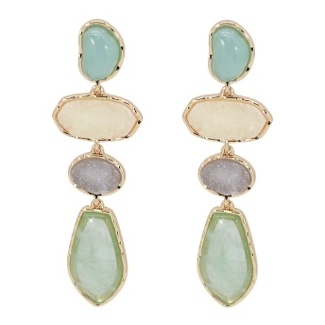 | 25E-7339 | FACETED STONE LINEAR DROP EARRING | GDGRN | $7.00 |  | $0.00
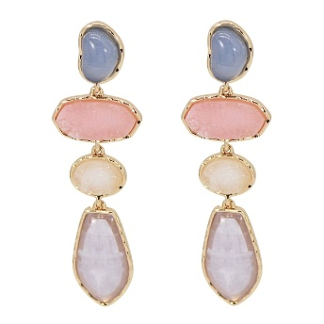 | 25E-7339 | FACETED STONE LINEAR DROP EARRING | GDPUR | $7.00 |  | $0.00
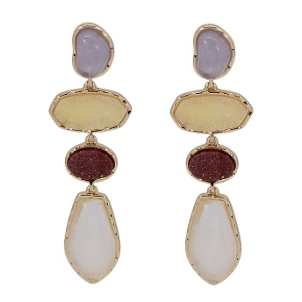 | 25E-7339 | FACETED STONE LINEAR DROP EARRING | GDWHT | $7.00 |  | $0.00
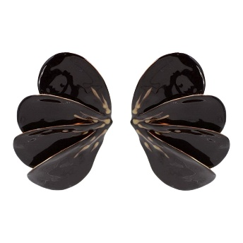 | 25E-7364 | COLOR EPOXY WING POST EARRING | GDBRN | $6.50 |  | $0.00
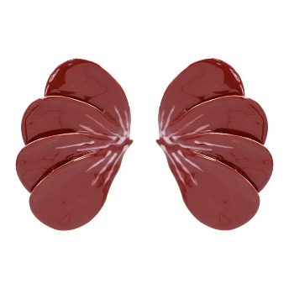 | 25E-7364 | COLOR EPOXY WING POST EARRING | GDBUR | $6.50 |  | $0.00
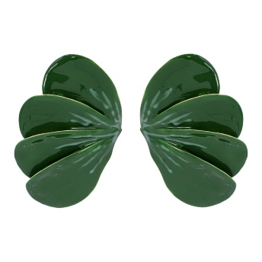 | 25E-7364 | COLOR EPOXY WING POST EARRING | GDGRN | $6.50 |  | $0.00
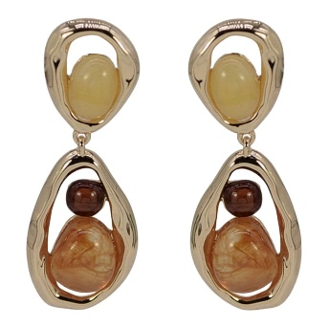 | 25E-7377 | FACETED STONE TEARDROP DROP EARRING | GDBRN | $5.50 |  | $0.00
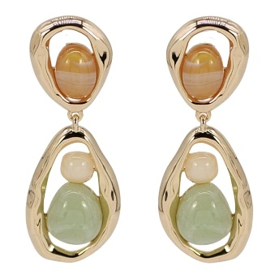 | 25E-7377 | FACETED STONE TEARDROP DROP EARRING | GDLMT | $5.50 |  | $0.00
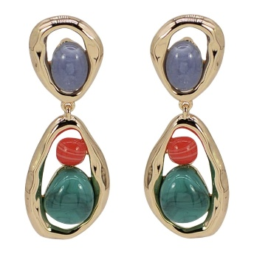 | 25E-7377 | FACETED STONE TEARDROP DROP EARRING | GDMLT | $5.50 |  | $0.00
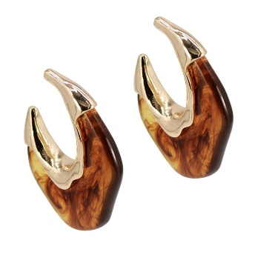 | 25E-7402 | RESIN TWISTED HOOP EARRING | GDBRN | $6.50 |  | $0.00
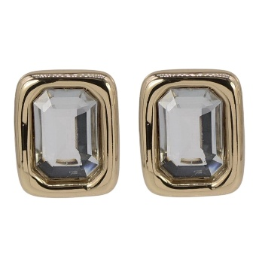 | 25E-7449 | FACETED RHINESTONE STUD EARRING | GDCRY | $5.50 |  | $0.00
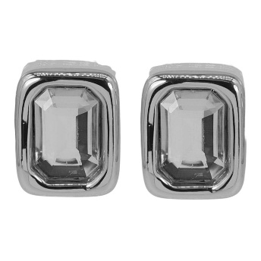 | 25E-7449 | FACETED RHINESTONE STUD EARRING | SLCRY | $5.50 |  | $0.00
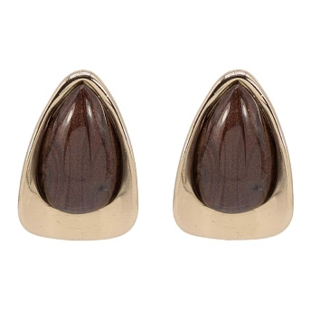 | 25E-7454 | FACETED TEARDROP STUD EARRING | GDBRN | $5.00 |  | $0.00
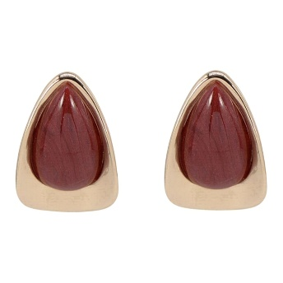 | 25E-7454 | FACETED TEARDROP STUD EARRING | GDBUR | $5.00 |  | $0.00
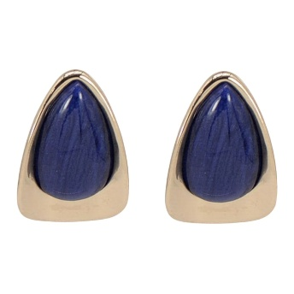 | 25E-7454 | FACETED TEARDROP STUD EARRING | GDNV | $5.00 |  | $0.00
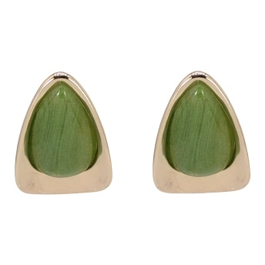 | 25E-7454 | FACETED TEARDROP STUD EARRING | GDOL | $5.00 |  | $0.00
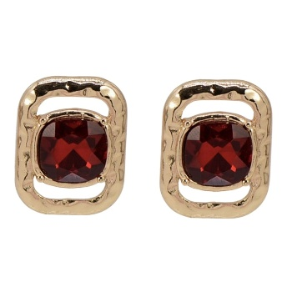 | 78E-5174 | FACETED STONE STUD EARRING | GDRED | $3.75 |  | $0.00
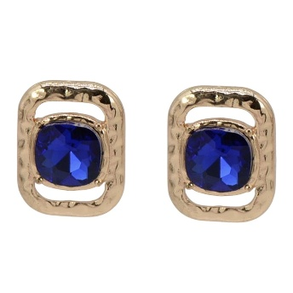 | 78E-5174 | FACETED STONE STUD EARRING | GDSAP | $3.75 |  | $0.00
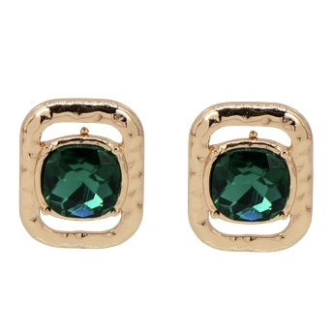 | 78E-5174 | FACETED STONE STUD EARRING | GDEMD | $3.75 |  | $0.00
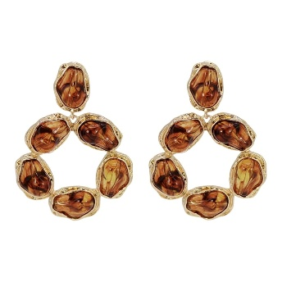 | 78E-5426 | FACETED STONE WREATH DANGLE EARRING | GDBRN | $7.00 |  | $0.00
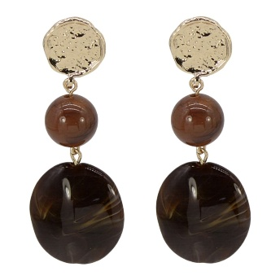 | 78E-5450 | RESIN BEAD TEARDROP DROP EARRING | GDBRN | $3.75 |  | $0.00
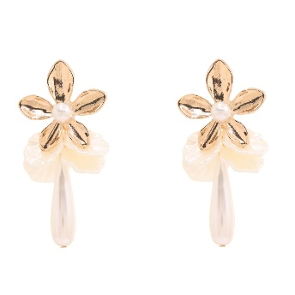 | 78E-5482 | FLORAL PEARL DROP EARRING | GDCRM | $5.00 |  | $0.00
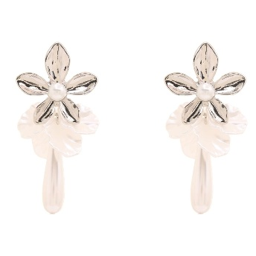 | 78E-5482 | FLORAL PEARL DROP EARRING | RHCRM | $5.00 |  | $0.00
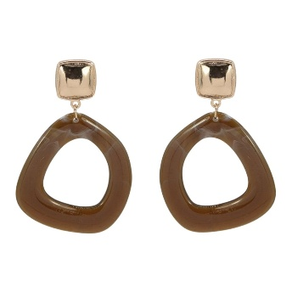 | 78E-5497 | RESIN OPEN TEARDROP DROP EARRING | GDBRN | $3.75 |  | $0.00
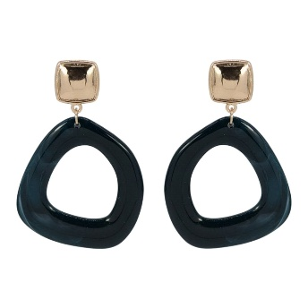 | 78E-5497 | RESIN OPEN TEARDROP DROP EARRING | GDTEA | $3.75 |  | $0.00
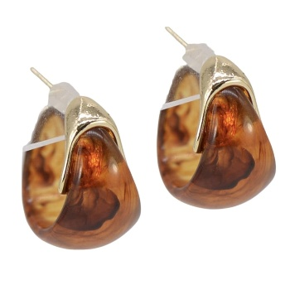 | 78E-5498 | RESIN TEARDROP HOOP EARRING | GDBRN | $4.50 |  | $0.00
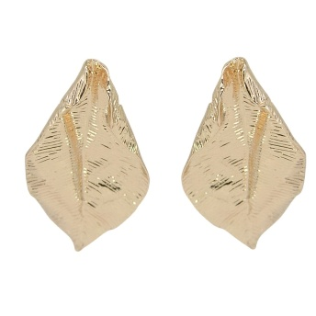 | 78E-5504 | METAL LEAF STUD EARRING | GOLD | $3.75 |  | $0.00
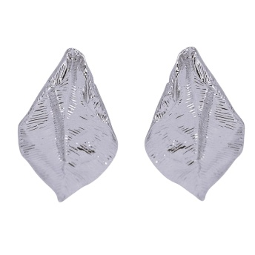 | 78E-5504 | METAL LEAF STUD EARRING | RH | $3.75 |  | $0.00
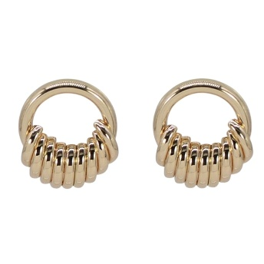 | 78E-5507 | METAL FRINGE HOOP EARRING | GOLD | $3.75 |  | $0.00
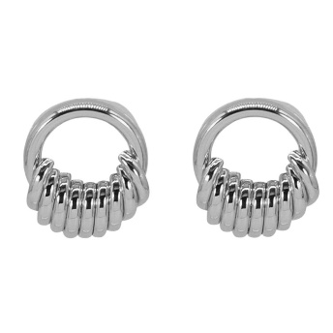 | 78E-5507 | METAL FRINGE HOOP EARRING | RH | $3.75 |  | $0.00
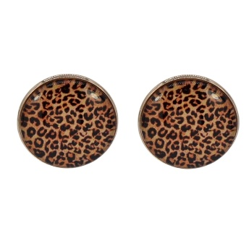 | 78E-5519 | LEOPARD PRINT ROUND STUD EARRING | GDBRN | $3.50 |  | $0.00
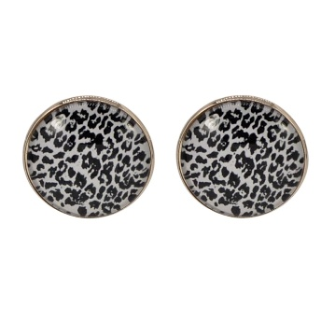 | 78E-5519 | LEOPARD PRINT ROUND STUD EARRING | GDBW | $3.50 |  | $0.00
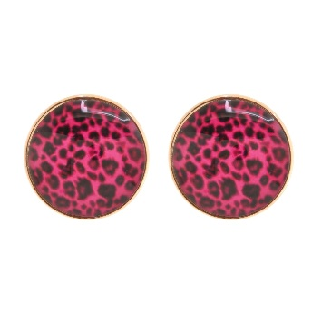 | 78E-5519 | LEOPARD PRINT ROUND STUD EARRING | GDFU | $3.50 |  | $0.00
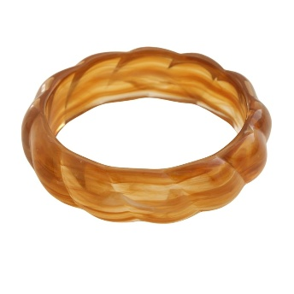 | 83B-1503 | MARBLE RESIN BANGLE BRACELET | BRN | $3.75 |  | $0.00
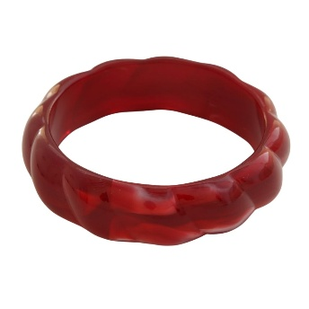 | 83B-1503 | MARBLE RESIN BANGLE BRACELET | BUR | $3.75 |  | $0.00
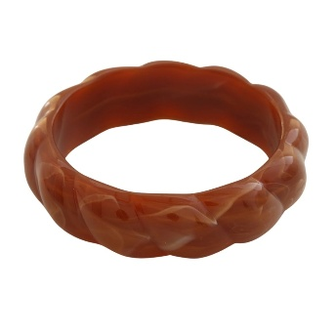 | 83B-1503 | MARBLE RESIN BANGLE BRACELET | DPK | $3.75 |  | $0.00
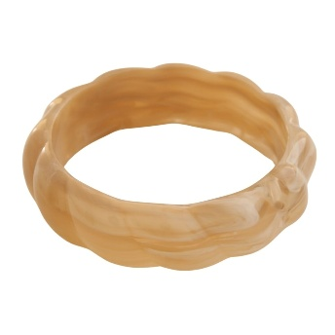 | 83B-1503 | MARBLE RESIN BANGLE BRACELET | NTL | $3.75 |  | $0.00
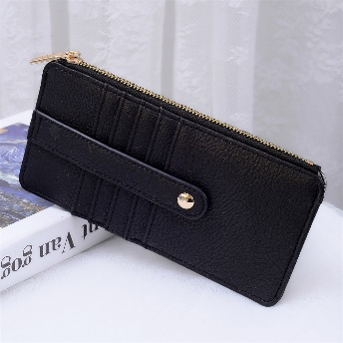 | AD-004 | FAUX LEATHER CARD HOLDER WALLET | BLACK | $7.50 |  | $0.00
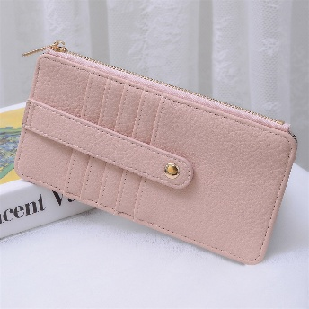 | AD-004 | FAUX LEATHER CARD HOLDER WALLET | BLUSH | $7.50 |  | $0.00
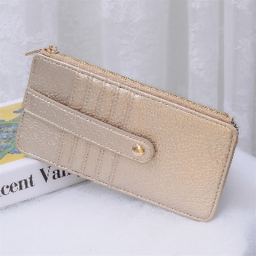 | AD-004 | FAUX LEATHER CARD HOLDER WALLET | CHAMPAGNE | $7.50 |  | $0.00
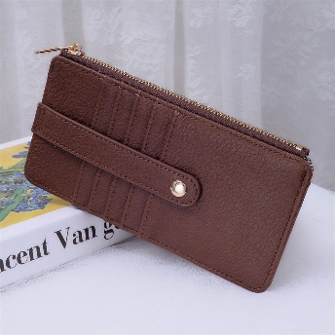 | AD-004 | FAUX LEATHER CARD HOLDER WALLET | COFFEE | $7.50 |  | $0.00
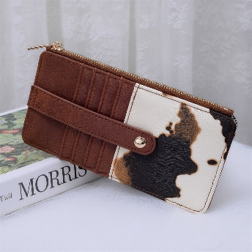 | AD-004 | FAUX LEATHER CARD HOLDER WALLET | COW | $7.50 |  | $0.00
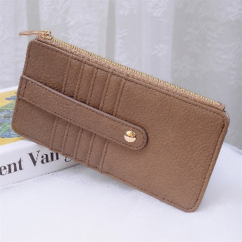 | AD-004 | FAUX LEATHER CARD HOLDER WALLET | MOCHA | $7.50 |  | $0.00
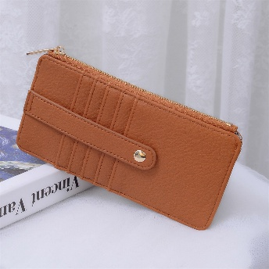 | AD-004 | FAUX LEATHER CARD HOLDER WALLET | TAN | $7.50 |  | $0.00
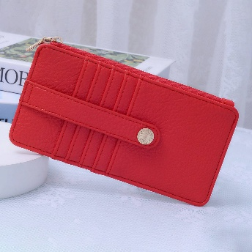 | AD-004 | FAUX LEATHER CARD HOLDER WALLET | RED | $7.50 |  | $0.00
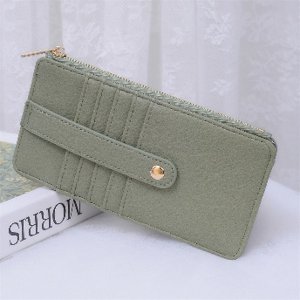 | AD-004 | FAUX LEATHER CARD HOLDER WALLET | SAGE | $7.50 |  | $0.00
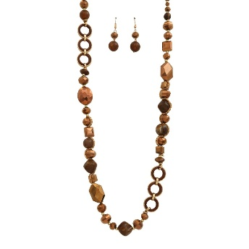 | AK-662 | COLORFUL MIXED BEAD LONG NECKLACE | BN | $8.50 |  | $0.00
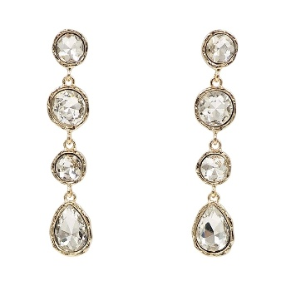 | BDED-033 | MULTI SHAPED TEARDROP LINEAR EARRING | GCL | $4.50 |  | $0.00
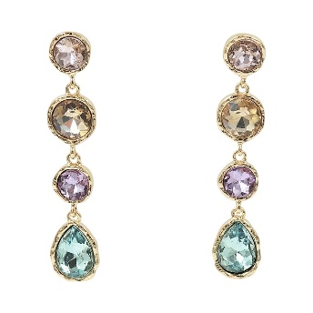 | BDED-033 | MULTI SHAPED TEARDROP LINEAR EARRING | GLM | $4.50 |  | $0.00
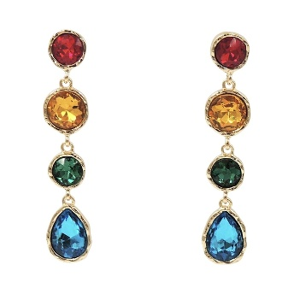 | BDED-033 | MULTI SHAPED TEARDROP LINEAR EARRING | GMT | $4.50 |  | $0.00
 | BDED-033 | MULTI SHAPED TEARDROP LINEAR EARRING | MBL | $4.50 |  | $0.00
 | BDED-033 | MULTI SHAPED TEARDROP LINEAR EARRING | MBR | $4.50 |  | $0.00
 | BDED-033 | MULTI SHAPED TEARDROP LINEAR EARRING | MPK | $4.50 |  | $0.00
 | BDED-033 | MULTI SHAPED TEARDROP LINEAR EARRING | MRD | $4.50 |  | $0.00
 | BDED-033 | MULTI SHAPED TEARDROP LINEAR EARRING | MGN | $4.50 |  | $0.00
 | BDED-033 | MULTI SHAPED TEARDROP LINEAR EARRING | GBK | $4.50 |  | $0.00
 | BDED-033 | MULTI SHAPED TEARDROP LINEAR EARRING | MPUR | $4.50 |  | $0.00
 | BDED-033 | MULTI SHAPED TEARDROP LINEAR EARRING | MTP | $4.50 |  | $0.00
 | BDED-142S | STAINLESS STEEL THIN HOOP EARRING | GD | $3.75 |  | $0.00
 | BDED-142S | STAINLESS STEEL THIN HOOP EARRING | SV | $3.75 |  | $0.00
 | BDED-144S | STAINLESS STEEL HOOP EARRING | GD | $5.50 |  | $0.00
 | BDED-144S | STAINLESS STEEL HOOP EARRING | SV | $5.50 |  | $0.00
 | BDED-146S | STAINLESS STEEL HOOP EARRING SET | GD | $5.75 |  | $0.00
 | BDED-146S | STAINLESS STEEL HOOP EARRING SET | SV | $5.75 |  | $0.00
 | BDED-185S | STAINLESS STEEL HOOP EARRING | GD | $4.50 |  | $0.00
 | BDED-185S | STAINLESS STEEL HOOP EARRING | SV | $4.50 |  | $0.00
 | BDED-186S | STAINLESS STEEL HOOP EARRING | GD | $5.50 |  | $0.00
 | BDED-186S | STAINLESS STEEL HOOP EARRING | SV | $5.50 |  | $0.00
 | BDED-189S | STAINLESS STEEL TUBE HOOP EARRING | GD | $6.00 |  | $0.00
 | BDED-189S | STAINLESS STEEL TUBE HOOP EARRING | SV | $6.00 |  | $0.00
 | BDED-210 | MULTI GLASS LINER DROP EARRINGS | GCL | $5.00 |  | $0.00
 | BDED-210 | MULTI GLASS LINER DROP EARRINGS | LMT | $5.00 |  | $0.00
 | BDED-210 | MULTI GLASS LINER DROP EARRINGS | MBK | $5.00 |  | $0.00
 | BDED-210 | MULTI GLASS LINER DROP EARRINGS | MBL | $5.00 |  | $0.00
 | BDED-210 | MULTI GLASS LINER DROP EARRINGS | MLT | $5.00 |  | $0.00
 | BDED-210 | MULTI GLASS LINER DROP EARRINGS | MPK | $5.00 |  | $0.00
 | BDED-210 | MULTI GLASS LINER DROP EARRINGS | MRD | $5.00 |  | $0.00
 | BDED-210 | MULTI GLASS LINER DROP EARRINGS | MGN | $5.00 |  | $0.00
 | BDED-210 | MULTI GLASS LINER DROP EARRINGS | MTP | $5.00 |  | $0.00
 | BDED-212 | MULTI GLASS OPEN TEARDROP EARRINGS | GCL | $5.50 |  | $0.00
 | BDED-212 | MULTI GLASS OPEN TEARDROP EARRINGS | MBL | $5.50 |  | $0.00
 | BDED-212 | MULTI GLASS OPEN TEARDROP EARRINGS | LMT | $5.50 |  | $0.00
 | BDED-212 | MULTI GLASS OPEN TEARDROP EARRINGS | MBK | $5.50 |  | $0.00
 | BDED-212 | MULTI GLASS OPEN TEARDROP EARRINGS | MGN | $5.50 |  | $0.00
 | BDED-212 | MULTI GLASS OPEN TEARDROP EARRINGS | MLT | $5.50 |  | $0.00
 | BDED-212 | MULTI GLASS OPEN TEARDROP EARRINGS | MPK | $5.50 |  | $0.00
 | BDED-212 | MULTI GLASS OPEN TEARDROP EARRINGS | MRD | $5.50 |  | $0.00
 | BDED-220 | GLASS HOOP EARRINGS | BK | $5.50 |  | $0.00
 | BDED-220 | GLASS HOOP EARRINGS | GCL | $5.50 |  | $0.00
 | BDED-220 | GLASS HOOP EARRINGS | MBL | $5.50 |  | $0.00
 | BDED-220 | GLASS HOOP EARRINGS | MPK | $5.50 |  | $0.00
 | BDED-220 | GLASS HOOP EARRINGS | MGN | $5.50 |  | $0.00
 | BDED-220 | GLASS HOOP EARRINGS | SIA | $5.50 |  | $0.00
 | BDED-241 | GLASS STONE PEARL HOOP EARRINGS | GCL | $5.50 |  | $0.00
 | BDED-241 | GLASS STONE PEARL HOOP EARRINGS | NAV | $5.50 |  | $0.00
 | BDED-241 | GLASS STONE PEARL HOOP EARRINGS | FU | $5.50 |  | $0.00
 | BDED-241 | GLASS STONE PEARL HOOP EARRINGS | GRN | $5.50 |  | $0.00
 | BDED-241 | GLASS STONE PEARL HOOP EARRINGS | RED | $5.50 |  | $0.00
 | BDED-245 | MULTI GLASS STONE DROP EARRINGS | GCL | $4.50 |  | $0.00
 | BDED-245 | MULTI GLASS STONE DROP EARRINGS | MBK | $4.50 |  | $0.00
 | BDED-245 | MULTI GLASS STONE DROP EARRINGS | MBL | $4.50 |  | $0.00
 | BDED-245 | MULTI GLASS STONE DROP EARRINGS | MBR | $4.50 |  | $0.00
 | BDED-245 | MULTI GLASS STONE DROP EARRINGS | MPK | $4.50 |  | $0.00
 | BDED-245 | MULTI GLASS STONE DROP EARRINGS | MRD | $4.50 |  | $0.00
 | BDED-245 | MULTI GLASS STONE DROP EARRINGS | MGN | $4.50 |  | $0.00
 | BDNC-773 | RESIN LINK HEART PENDANT NECKLACE | GBR | $6.00 |  | $0.00
 | BDNC-773 | RESIN LINK HEART PENDANT NECKLACE | GIV | $6.00 |  | $0.00
 | BDNC-773 | RESIN LINK HEART PENDANT NECKLACE | GPK | $6.00 |  | $0.00
 | BDNC-773 | RESIN LINK HEART PENDANT NECKLACE | GRD | $6.00 |  | $0.00
 | BDNC-773 | RESIN LINK HEART PENDANT NECKLACE | GBK | $6.00 |  | $0.00
 | BDNC-773 | RESIN LINK HEART PENDANT NECKLACE | GGN | $6.00 |  | $0.00
 | BDNC-773 | RESIN LINK HEART PENDANT NECKLACE | GNV | $6.00 |  | $0.00
 | BDNC-792 | LAYERED Y GLASS NECKLACE | GBR | $7.50 |  | $0.00
 | BDNC-792 | LAYERED Y GLASS NECKLACE | GCL | $7.50 |  | $0.00
 | BDNC-792 | LAYERED Y GLASS NECKLACE | GDSI | $7.50 |  | $0.00
 | BDNC-792 | LAYERED Y GLASS NECKLACE | GDTP | $7.50 |  | $0.00
 | BDNC-792 | LAYERED Y GLASS NECKLACE | GBD | $7.50 |  | $0.00
 | BDNC-792 | LAYERED Y GLASS NECKLACE | GGN | $7.50 |  | $0.00
 | BDNC-792 | LAYERED Y GLASS NECKLACE | GNV | $7.50 |  | $0.00
 | BDNC-819S | STAINLESS STEEL HORSEBIT NECKLACE | GD | $6.00 |  | $0.00
 | BDNC-825 | LAYERED ACRYLIC LAYERED NECKLACE | MT | $7.50 |  | $0.00
 | BDNC-825 | LAYERED ACRYLIC LAYERED NECKLACE | GD | $7.50 |  | $0.00
 | BDNC-834 | LAYERED Y GLASS NECKLACE | GCL | $9.00 |  | $0.00
 | BDNC-834 | LAYERED Y GLASS NECKLACE | GDSI | $9.00 |  | $0.00
 | BDNC-834 | LAYERED Y GLASS NECKLACE | GLM | $9.00 |  | $0.00
 | BDNC-834 | LAYERED Y GLASS NECKLACE | GMT | $9.00 |  | $0.00
 | BDNC-834 | LAYERED Y GLASS NECKLACE | GGN | $9.00 |  | $0.00
 | BDNC-834 | LAYERED Y GLASS NECKLACE | GNV | $9.00 |  | $0.00
 | BDNC-865 | GLASS BEAD CHAIN CROSS PENDANT NECKLACE | LMT | $5.50 |  | $0.00
 | BDNC-865 | GLASS BEAD CHAIN CROSS PENDANT NECKLACE | MBK | $5.50 |  | $0.00
 | BDNC-865 | GLASS BEAD CHAIN CROSS PENDANT NECKLACE | MLT | $5.50 |  | $0.00
 | BDNC-865 | GLASS BEAD CHAIN CROSS PENDANT NECKLACE | BRW | $5.50 |  | $0.00
 | BDNC-865 | GLASS BEAD CHAIN CROSS PENDANT NECKLACE | MLB | $5.50 |  | $0.00
 | BDNC-865 | GLASS BEAD CHAIN CROSS PENDANT NECKLACE | MCM | $5.50 |  | $0.00
 | BDNC-865 | GLASS BEAD CHAIN CROSS PENDANT NECKLACE | MLP | $5.50 |  | $0.00
 | BDNC-867 | MULTI GLASS BEAD Y NECKLACE | MBK | $6.00 |  | $0.00
 | BDNC-867 | MULTI GLASS BEAD Y NECKLACE | MBL | $6.00 |  | $0.00
 | BDNC-867 | MULTI GLASS BEAD Y NECKLACE | MRD | $6.00 |  | $0.00
 | BDNC-867 | MULTI GLASS BEAD Y NECKLACE | MGN | $6.00 |  | $0.00
 | BDNC-867 | MULTI GLASS BEAD Y NECKLACE | MCM | $6.00 |  | $0.00
 | BDNC-873 | GLASS STONE CHARM BALL NECKLACE | GCL | $6.00 |  | $0.00
 | BDNC-873 | GLASS STONE CHARM BALL NECKLACE | SCL | $6.00 |  | $0.00
 | BDNC-873 | GLASS STONE CHARM BALL NECKLACE | LMT | $6.00 |  | $0.00
 | BDNC-873 | GLASS STONE CHARM BALL NECKLACE | MLT | $6.00 |  | $0.00
 | BDNC-874 | ROUND GLASS CHARM BALL NECKLACE | LMT | $5.50 |  | $0.00
 | BDNC-874 | ROUND GLASS CHARM BALL NECKLACE | MPK | $5.50 |  | $0.00
 | BDNC-874 | ROUND GLASS CHARM BALL NECKLACE | GCL | $5.50 |  | $0.00
 | BDNC-874 | ROUND GLASS CHARM BALL NECKLACE | MLT | $5.50 |  | $0.00
 | BDNC-889 | GLASS STONE CROSS PENDANT NECKLACE | GCL | $5.75 |  | $0.00
 | BDNC-889 | GLASS STONE CROSS PENDANT NECKLACE | MPK | $5.75 |  | $0.00
 | BDNC-889 | GLASS STONE CROSS PENDANT NECKLACE | MGN | $5.75 |  | $0.00
 | BDNC-889 | GLASS STONE CROSS PENDANT NECKLACE | LMT | $5.75 |  | $0.00
 | BDNC-890 | MULTI GLASS STONE NECKLACE | GCL | $3.75 |  | $0.00
 | BDNC-890 | MULTI GLASS STONE NECKLACE | MBL | $3.75 |  | $0.00
 | BDNC-890 | MULTI GLASS STONE NECKLACE | MPK | $3.75 |  | $0.00
 | BDNC-890 | MULTI GLASS STONE NECKLACE | MBK | $3.75 |  | $0.00
 | BDNC-890 | MULTI GLASS STONE NECKLACE | MGN | $3.75 |  | $0.00
 | BDNC-890 | MULTI GLASS STONE NECKLACE | MRD | $3.75 |  | $0.00
 | BDNC-893 | GLASS STONE PENDANT NECKLACE | GCL | $3.75 |  | $0.00
 | BDNC-893 | GLASS STONE PENDANT NECKLACE | NAV | $3.75 |  | $0.00
 | BDNC-893 | GLASS STONE PENDANT NECKLACE | BK | $3.75 |  | $0.00
 | BDNC-893 | GLASS STONE PENDANT NECKLACE | FU | $3.75 |  | $0.00
 | BDNC-893 | GLASS STONE PENDANT NECKLACE | GRN | $3.75 |  | $0.00
 | BDNC-893 | GLASS STONE PENDANT NECKLACE | RED | $3.75 |  | $0.00
 | BDNC-896 | GLASS STONE BAR NECKLACE | RED | $3.75 |  | $0.00
 | BDNC-896 | GLASS STONE BAR NECKLACE | FU | $3.75 |  | $0.00
 | BDNC-896 | GLASS STONE BAR NECKLACE | GCL | $3.75 |  | $0.00
 | BDNC-896 | GLASS STONE BAR NECKLACE | GRN | $3.75 |  | $0.00
 | BDNC-896 | GLASS STONE BAR NECKLACE | LMT | $3.75 |  | $0.00
 | BDNC-896 | GLASS STONE BAR NECKLACE | MLT | $3.75 |  | $0.00
 | BDNC-896 | GLASS STONE BAR NECKLACE | NAV | $3.75 |  | $0.00
 | BDNC-898 | GLASS STONE Y NECKLACE | BK | $4.50 |  | $0.00
 | BDNC-898 | GLASS STONE Y NECKLACE | RED | $4.50 |  | $0.00
 | BDNC-898 | GLASS STONE Y NECKLACE | FU | $4.50 |  | $0.00
 | BDNC-898 | GLASS STONE Y NECKLACE | GCL | $4.50 |  | $0.00
 | BDNC-898 | GLASS STONE Y NECKLACE | MLT | $4.50 |  | $0.00
 | BDNC-898 | GLASS STONE Y NECKLACE | MGN | $4.50 |  | $0.00
 | BDNC-898 | GLASS STONE Y NECKLACE | NAV | $4.50 |  | $0.00
 | BDNC-902 | MULTI GLASS STONE CROSS PENDANT NECKLACE | LMT | $8.25 |  | $0.00
 | BDNC-902 | MULTI GLASS STONE CROSS PENDANT NECKLACE | GCL | $8.25 |  | $0.00
 | BDNC-902 | MULTI GLASS STONE CROSS PENDANT NECKLACE | MLT | $8.25 |  | $0.00
 | DALBA-WTNTM | DALBA WHITE TRUFFLE NOURISHING TREATMENT MASK (5 UNITS) | - | $12.00 |  | $0.00
 | DRA-GVCS | DR ALTHEA GENTLE VITAMIN C SERUM | - | $12.00 |  | $0.00
 | DRA-RCM | DR ALTHEA 345 RELIEF CREAM MIST | - | $13.50 |  | $0.00
 | ER-6117 | METAL DOME BAR STUD EARRING | WG | $3.75 |  | $0.00
 | ER-6117 | METAL DOME BAR STUD EARRING | WS | $3.75 |  | $0.00
 | GD-BCVR-FA | GOODAL BLACK CARROT VITA A RETINOL AMPOULE | - | $18.50 |  | $0.00
 | GD-BCVR-MSK | GOODAL BLACK CARROT VITA A RETINOL GET SHEET MASK | - | $9.00 |  | $0.00
 | GD-GTV-CP-A | GOODAL GREEN TANGERINE VITA C DARK SPOT CARE PAD | - | $14.00 |  | $0.00
 | GD-GTV-TA | GOODAL GREEN TANGERINE VITA C NIACINAMIDE 10 TONING AMPOULE | - | $19.00 |  | $0.00
 | GD-HCHS-CP | GOODAL HEARTLEAF HYALURON SOOTHING CLEAR PAD | - | $14.00 |  | $0.00
 | GD-HH-SA | GOODAL HEARTLEAF HYALURON SOOTHING AMPOULE | - | $14.00 |  | $0.00
 | GD-HH-SC | GOODAL HEARTLEAF HYALURON SOOTHING CREAM | - | $15.00 |  | $0.00
 | HA-4003 | COW PRINT PATTERN CROSSBODY BAG | BK | $9.25 |  | $0.00
 | HA-4003 | COW PRINT PATTERN CROSSBODY BAG | BR | $9.25 |  | $0.00
 | HA-4003 | COW PRINT PATTERN CROSSBODY BAG | BS | $9.25 |  | $0.00
 | HA-4003 | COW PRINT PATTERN CROSSBODY BAG | WT | $9.25 |  | $0.00
 | HM-781 | MINI TOP HANDLE BAG SMOOTH BODY SNAP FLAP COMPACT DESIGN | BK | $11.00 |  | $0.00
 | HM-781 | MINI TOP HANDLE BAG SMOOTH BODY SNAP FLAP COMPACT DESIGN | BS | $11.00 |  | $0.00
 | HM-781 | MINI TOP HANDLE BAG SMOOTH BODY SNAP FLAP COMPACT DESIGN | FA | $11.00 |  | $0.00
 | HM-781 | MINI TOP HANDLE BAG SMOOTH BODY SNAP FLAP COMPACT DESIGN | NV | $11.00 |  | $0.00
 | HM-781 | MINI TOP HANDLE BAG SMOOTH BODY SNAP FLAP COMPACT DESIGN | FS | $11.00 |  | $0.00
 | HM-781 | MINI TOP HANDLE BAG SMOOTH BODY SNAP FLAP COMPACT DESIGN | IV | $11.00 |  | $0.00
 | HM-781 | MINI TOP HANDLE BAG SMOOTH BODY SNAP FLAP COMPACT DESIGN | RED | $11.00 |  | $0.00
 | HM-781 | MINI TOP HANDLE BAG SMOOTH BODY SNAP FLAP COMPACT DESIGN | CORAL CRUSH | $11.00 |  | $0.00
 | HM-781 | MINI TOP HANDLE BAG SMOOTH BODY SNAP FLAP COMPACT DESIGN | YELLOW | $11.00 |  | $0.00
 | HM-781 | MINI TOP HANDLE BAG SMOOTH BODY SNAP FLAP COMPACT DESIGN | ASH BROWN | $11.00 |  | $0.00
 | HM-781 | MINI TOP HANDLE BAG SMOOTH BODY SNAP FLAP COMPACT DESIGN | WHITE | $11.00 |  | $0.00
 | HM-781 | MINI TOP HANDLE BAG SMOOTH BODY SNAP FLAP COMPACT DESIGN | TEAL | $11.00 |  | $0.00
 | HM-781 | MINI TOP HANDLE BAG SMOOTH BODY SNAP FLAP COMPACT DESIGN | FOREST | $11.00 |  | $0.00
 | ICH-84361RS | RHINESTONE PAVE BOW CHAIN BELT | GOLD | $6.00 |  | $0.00
 | ICH-84361RS | RHINESTONE PAVE BOW CHAIN BELT | SILVER | $6.00 |  | $0.00
 | ICH-84362PRL | PEARL DROP RS PAVE BOW CHAIN BELT | GOLD | $6.50 |  | $0.00
 | ICH-84362PRL | PEARL DROP RS PAVE BOW CHAIN BELT | SILVER | $6.50 |  | $0.00
 | ISC-94685 | FLORAL DOT MIX PRINT SILKY BANDANA SQUARE NECK SCARF | BLACK | $3.00 |  | $0.00
 | ISC-94686 | PAISLEY HOUNDSTOOTH QUAD PRINT SILKY BANDANA SQUARE NECK SCARF | CAMEL | $3.00 |  | $0.00
 | ISC-94688 | PAISLEY BORDER PRINT SILKY BANDANA SQUARE NECK SCARF | BLACK | $3.00 |  | $0.00
 | ISC-94689 | VARIEGATED DOT BORDER PRINT SILKY BANDANA SQUARE NECK SCARF | WHITE | $3.00 |  | $0.00
 | ISC-94691 | POLKA DOT BORDER SILKY BANDANA SQUARE NECK SCARF | WHITE | $3.00 |  | $0.00
 | ISC-94692 | MIXED POLKA DOT PAISLEY PRINT SILKY BANDANA SQUARE NECK SCARF | RED | $3.00 |  | $0.00
 | ISC-94693 | BAROQUE FRAME PRINT SILKY BANDANA SQUARE NECK SCARF | NAVY | $3.00 |  | $0.00
 | ISC-94694 | ORNATE BAROQUE PRINT SILKY BANDANA SQUARE NECK SCARF | ORANGE | $3.00 |  | $0.00
 | ISC-94695 | GIRAFFE PATTERN PRINT SILKY BANDANA SQUARE NECK SCARF | BLACK | $3.00 |  | $0.00
 | ISC-94695 | GIRAFFE PATTERN PRINT SILKY BANDANA SQUARE NECK SCARF | BROWN | $3.00 |  | $0.00
 | ISC-94695 | GIRAFFE PATTERN PRINT SILKY BANDANA SQUARE NECK SCARF | TAUPE | $3.00 |  | $0.00
 | ISC-94696 | COWHIDE PATTERN SILKY BANDANA SQUARE NECK SCARF | BLUE | $3.00 |  | $0.00
 | ISC-94696 | COWHIDE PATTERN SILKY BANDANA SQUARE NECK SCARF | BROWN | $3.00 |  | $0.00
 | ISC-94697 | ROSE CLUSTER PRINT SILKY BANDANA SQUARE NECK SCARF | BLACK | $3.00 |  | $0.00
 | ISC-94697 | ROSE CLUSTER PRINT SILKY BANDANA SQUARE NECK SCARF | DKRED | $3.00 |  | $0.00
 | ISC-94699 | DANDELION TIEDYE PRINT SILKY BANDANA SQUARE NECK SCARF | BLACK | $3.00 |  | $0.00
 | ISC-94699 | DANDELION TIEDYE PRINT SILKY BANDANA SQUARE NECK SCARF | BROWN | $3.00 |  | $0.00
 | ISC-95000 | BOHO LEAF BORDER SILKY BANDANA SQUARE NECK SCARF | BLUE | $3.00 |  | $0.00
 | ISC-95000 | BOHO LEAF BORDER SILKY BANDANA SQUARE NECK SCARF | OLIVE | $3.00 |  | $0.00
 | ISC-95000 | BOHO LEAF BORDER SILKY BANDANA SQUARE NECK SCARF | PLUM | $3.00 |  | $0.00
 | ISC-95000 | BOHO LEAF BORDER SILKY BANDANA SQUARE NECK SCARF | SAGE | $3.00 |  | $0.00
 | ISC-95001 | SHADOW STRIPE BORDER PRINT SILKY BANDANA SQUARE NECK SCARF | BLACK | $3.00 |  | $0.00
 | ISC-95001 | SHADOW STRIPE BORDER PRINT SILKY BANDANA SQUARE NECK SCARF | BLUE | $3.00 |  | $0.00
 | ISC-95001 | SHADOW STRIPE BORDER PRINT SILKY BANDANA SQUARE NECK SCARF | GREEN | $3.00 |  | $0.00
 | ISC-95001 | SHADOW STRIPE BORDER PRINT SILKY BANDANA SQUARE NECK SCARF | YELLOW | $3.00 |  | $0.00
 | IW-28029SDE | IRREGULAR TRIPLE D LOOP MICROSUEDE BELT | BLACK | $5.00 |  | $0.00
 | IW-28029SDE | IRREGULAR TRIPLE D LOOP MICROSUEDE BELT | DKBRN | $5.00 |  | $0.00
 | IW-30035SDE | MICROSUEDE CRESCENT U BUCKLE BELT | BK | $4.50 |  | $0.00
 | IW-30035SDE | MICROSUEDE CRESCENT U BUCKLE BELT | TP | $4.50 |  | $0.00
 | IW-30035SDE | MICROSUEDE CRESCENT U BUCKLE BELT | BLUSH | $4.50 |  | $0.00
 | IW-30035SDE | MICROSUEDE CRESCENT U BUCKLE BELT | BURG | $4.50 |  | $0.00
 | IW-30035SDE | MICROSUEDE CRESCENT U BUCKLE BELT | OLI | $4.50 |  | $0.00
 | IW-30035SDE | MICROSUEDE CRESCENT U BUCKLE BELT | DKBRN | $4.50 |  | $0.00
 | IW-30035SDE | MICROSUEDE CRESCENT U BUCKLE BELT | DKCOG | $4.50 |  | $0.00
 | IW-33097 | POINT OVAL BUCKLE W/FLUID DOUBLE LOOP BELT | RED | $5.00 |  | $0.00
 | IW-33097 | POINT OVAL BUCKLE W/FLUID DOUBLE LOOP BELT | BLACK | $5.00 |  | $0.00
 | IW-33097 | POINT OVAL BUCKLE W/FLUID DOUBLE LOOP BELT | COGNAC | $5.00 |  | $0.00
 | IW-33097 | POINT OVAL BUCKLE W/FLUID DOUBLE LOOP BELT | NAVY | $5.00 |  | $0.00
 | IW-33097 | POINT OVAL BUCKLE W/FLUID DOUBLE LOOP BELT | WHITE | $5.00 |  | $0.00
 | IW-70036VTG | TWIST OVAL BUCKLE STUDDED MICROSUEDE HIP BELT | BLACK | $9.50 |  | $0.00
 | JC-11275 | FUSSY BEAR HAIR CLAW CLIP (12 UNITS) | D | $8.50 |  | $0.00
 | K-HARPER-28 | Kid Dress Shoes | ROSE GOLD | $150.00 |  | $0.00
 | KSE-6824-3 | 14K GOLD DIPPED HOOP EARRING | GD | $3.50 |  | $0.00
 | KSE-6824-3 | 14K GOLD DIPPED HOOP EARRING | RH | $3.50 |  | $0.00
 | KSE-6824-3 | 14K GOLD DIPPED HOOP EARRING | TG | $3.50 |  | $0.00
 | KSE-6824-3 | 14K GOLD DIPPED HOOP EARRING | TR | $3.50 |  | $0.00
 | KSE-7311-2.5 | 14K GOLD DIPPED HOOP EARRING | GD | $3.50 |  | $0.00
 | KSE-7311-2.5 | 14K GOLD DIPPED HOOP EARRING | RH | $3.50 |  | $0.00
 | KSE-7320-2.5 | 14K GOLD DIPPED HOOP EARRINGS | GD | $4.50 |  | $0.00
 | KSE-7320-2.5 | 14K GOLD DIPPED HOOP EARRINGS | RH | $4.50 |  | $0.00
 | KSE-7366-4 | 14K GOLD DIPPED HOOP EARRING | GD | $4.00 |  | $0.00
 | KSE-7366-4 | 14K GOLD DIPPED HOOP EARRING | RH | $4.00 |  | $0.00
 | KSE-7391-4 | 14K GOLD DIPPED HOOP EARRING | GD | $4.00 |  | $0.00
 | KSE-7391-4 | 14K GOLD DIPPED HOOP EARRING | RH | $4.00 |  | $0.00
 | KSE-7391-5 | 14K GOLD DIPPED HOOP EARRING | GD | $4.00 |  | $0.00
 | KSE-7391-5 | 14K GOLD DIPPED HOOP EARRING | RH | $4.00 |  | $0.00
 | MC-AGGCC | MEDICUBE AGE R GLUTATHIONE GLOW CAPSULE CREAM | - | $13.50 |  | $0.00
 | MC-ARBPMPP | MEDICUBE AGE R BOOSTER PRO MINI PLUS | - | $87.00 |  | $0.00
 | MY-BF-CRM-AQ | MANYO BIFIDA BIOME AQUA BARRIER CREAM | - | $13.00 |  | $0.00
 | MY-GAL-PG | MANYO GALACTOMY ENZYME PEELING GEL | - | $9.50 |  | $0.00
 | ND-1001 | HALLOWEEN TRICK OR TREATING BUCKET | - | $1.50 |  | $0.00
 | SK-DDEG | BEAUTY CREATIONS DEEP DIVE HYALURONIC ACID CAFFEINE EYE GEL | - | $8.00 |  | $0.00
 | SK-DDFS | BEAUTY CREATIONS DEEP DIVE MULTI HYALURONIC ACID FACE SERUM | - | $8.00 |  | $0.00
 | SK-DDMM | BEAUTY CREATIONS DEEP DIVE OIL FREE HYALURONIC ACID MATTE MOISTURIZER | - | $9.00 |  | $0.00
 | SK-DDSMS | BEAUTY CREATIONS DEEP DIVE HYALURONIC ACID HYDROGEL MASK 5 PC PACK | - | $8.50 |  | $0.00
 | SK-OVFC | BEAUTY CREATIONS DEEP DIVE OVERNIGHT FACIAL CREAM | - | $9.00 |  | $0.00
 | SK-PVCS | BEAUTY CREATIONS PORE VIDA NIACINAMIDE AND SALICYLIC ACID SEBUM CONTROL SERUM | - | $8.00 |  | $0.00
 | SK-PVLE | BEAUTY CREATIONS PORE VIDA AHA GENTLE LIQUID EXFOLIATE | - | $7.00 |  | $0.00
 | SK-PVNM | BEAUTY CREATIONS PORE VIDA NIACINAMIDE OIL CONTROL MOISTURIZER | - | $9.00 |  | $0.00
 | SK-RREC | BEAUTY CREATIONS REFRESH AND RESET PEPTIDE EYE CREAM | - | $8.00 |  | $0.00
 | SK-RRFS | BEAUTY CREATIONS REFRESH AND RESET PEPTIDE FACE SERUM | - | $8.00 |  | $0.00
 | SK-RRPM | BEAUTY CREATIONS SKIN REFRESH AND RESET PEPTIDE MOISTURIZER | - | $9.00 |  | $0.00
TOTAL |  |  |  |  |  | $0.00

