Line Sheet
Line Sheet - New arrival - 7/31
1025 Stanford Ave. Los Angeles ,CA 90021 Phone: 213-222-9590 WhatsApp: 213-760-1969 Website: http://joiaaccessory.com Faire: https://joiaaccessories.faire.com Email: support@joiaaccessory.com
Grand Total: |  |  |  |  | $0.00
IMG | Style# | WebTitle | Color | Price | Qty | Total
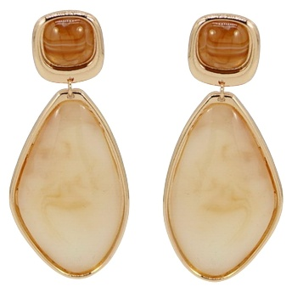 | 25E-6638 | RESIN METAL TEARDROP DROP EARRING | GDIVY | $5.50 |  | $0.00
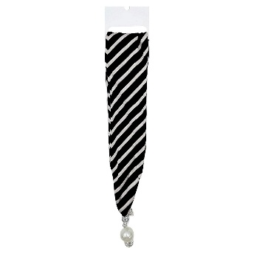 | BNSS-249 | STRIPE SCARF NECKLACE | BK | $4.25 |  | $0.00
 | BNSS-250 | FLORAL SCARF NECKLACE | PUR | $4.25 |  | $0.00
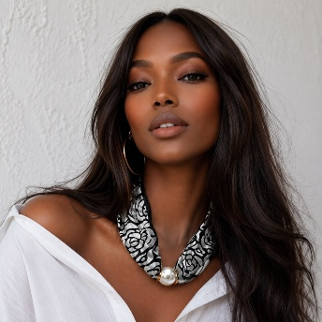 | BNSS-348 | PRINT SCARF NECKLACE | BK | $4.25 |  | $0.00
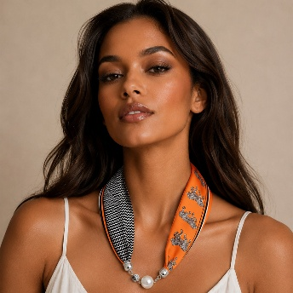 | BNSS-349 | PRINT SCARF NECKLACE | ORA | $4.25 |  | $0.00
 | BNSS-356 | PRINT SCARF NECKLACE | PNK | $4.25 |  | $0.00
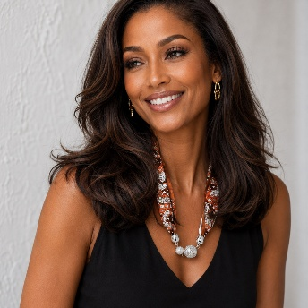 | BNSS-358 | PRINT SCARF NECKLACE | ORA | $4.25 |  | $0.00
 | BNSS-360 | PRINT SCARF NECKLACE | GRN | $4.25 |  | $0.00
 | BNSS-371 | PRINT SCARF NECKLACE | ORA | $4.25 |  | $0.00
 | BNSS-372 | PRINT SCARF NECKLACE | NVY | $4.25 |  | $0.00
 | BNSS-374 | PRINT SCARF NECKLACE | BLU | $4.25 |  | $0.00
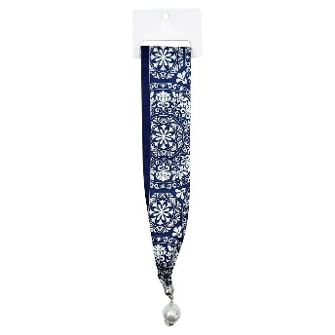 | BNSS-375 | PRINT SCARF NECKLACE | NVY | $4.25 |  | $0.00
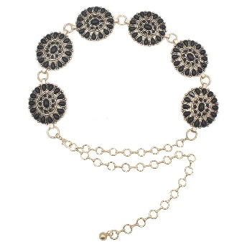 | ICH-84154AGO | STONE SUNBEAM CONCHO CHAIN BELT | BLACK | $9.50 |  | $0.00
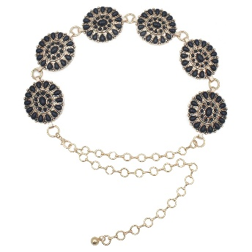 | ICH-84154AGO | STONE SUNBEAM CONCHO CHAIN BELT | NAVY | $9.50 |  | $0.00
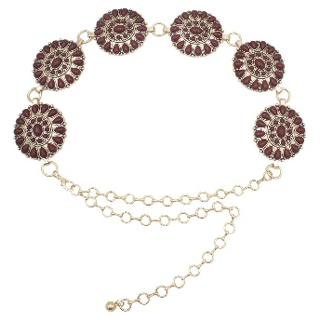 | ICH-84154AGO | STONE SUNBEAM CONCHO CHAIN BELT | WINE | $9.50 |  | $0.00
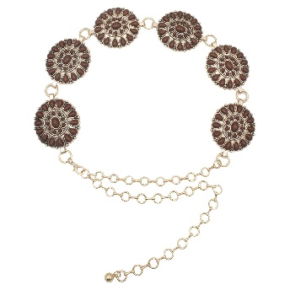 | ICH-84154AGO | STONE SUNBEAM CONCHO CHAIN BELT | DKBRN | $9.50 |  | $0.00
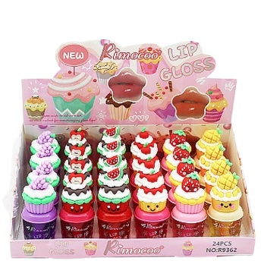 | JLP-895-CP | CUTE LIP GLOSS (24 UNITS) | - | $24.00 |  | $0.00
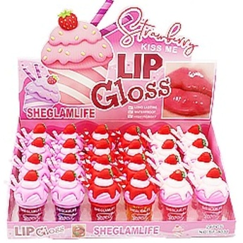 | JLP-895-STR | LIP GLOSS (24 UNITS) | - | $21.00 |  | $0.00
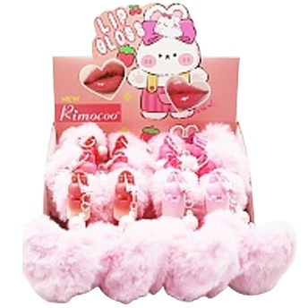 | JLP-898-HP | POM POM CHARM LIP GLOSS (12 UNITS) | - | $16.00 |  | $0.00
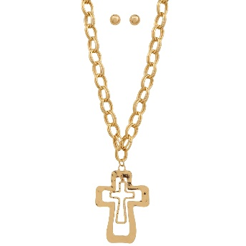 | JN-11208 | DOUBLE OPEN CROSS PENDANT CHAIN LINK NECKLACE EARRING SET | GD | $7.50 |  | $0.00
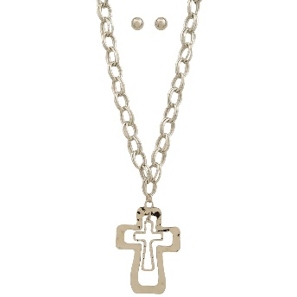 | JN-11208 | DOUBLE OPEN CROSS PENDANT CHAIN LINK NECKLACE EARRING SET | RH | $7.50 |  | $0.00
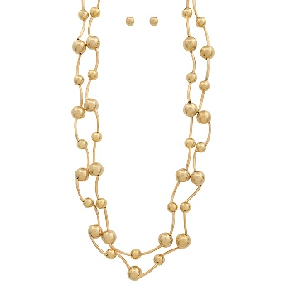 | JN-11398-1 | MULTI BEAD METAL DESIGN NECKLACE EARRING SET | GD | $9.00 |  | $0.00
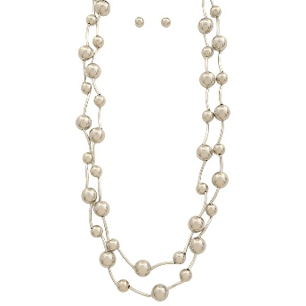 | JN-11398-1 | MULTI BEAD METAL DESIGN NECKLACE EARRING SET | RH | $9.00 |  | $0.00
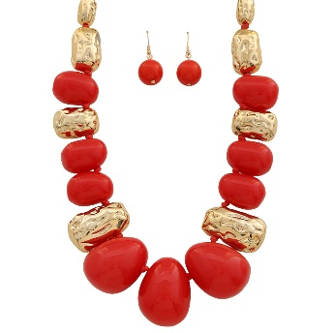 | JN-11417 | HAMMERED ABSTRACT BEAD STATEMENT NECKLACE EARRING SET | GDRD | $7.50 |  | $0.00
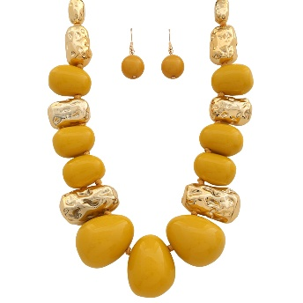 | JN-11417 | HAMMERED ABSTRACT BEAD STATEMENT NECKLACE EARRING SET | GDYL | $7.50 |  | $0.00
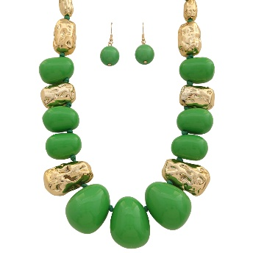 | JN-11417 | HAMMERED ABSTRACT BEAD STATEMENT NECKLACE EARRING SET | GGR | $7.50 |  | $0.00
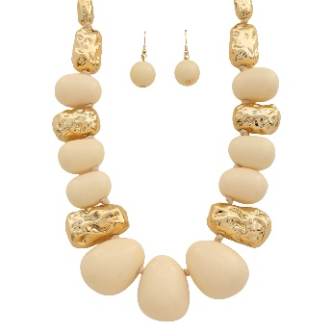 | JN-11417 | HAMMERED ABSTRACT BEAD STATEMENT NECKLACE EARRING SET | GDIV | $7.50 |  | $0.00
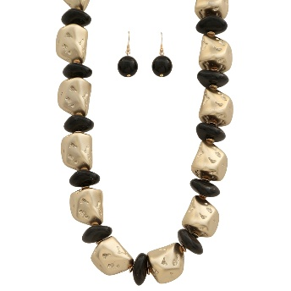 | JN-11424 | TWO TONE HAMMERED METAL AND DISC STATEMENT NECKLACE EARRING SET | GDBK | $6.75 |  | $0.00
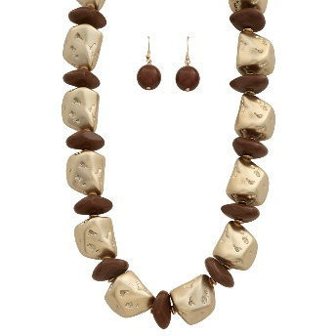 | JN-11424 | TWO TONE HAMMERED METAL AND DISC STATEMENT NECKLACE EARRING SET | GDBR | $6.75 |  | $0.00
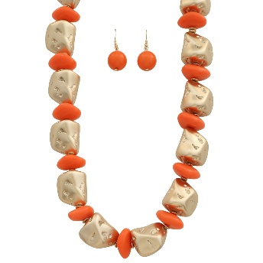 | JN-11424 | TWO TONE HAMMERED METAL AND DISC STATEMENT NECKLACE EARRING SET | GDOR | $6.75 |  | $0.00
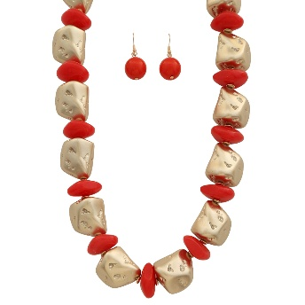 | JN-11424 | TWO TONE HAMMERED METAL AND DISC STATEMENT NECKLACE EARRING SET | GDRD | $6.75 |  | $0.00
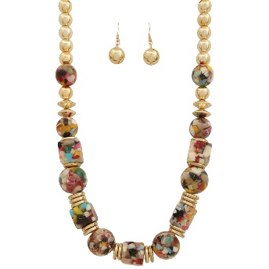 | JN-11434 | MULTI COLOR METAL BEAD NECKLACE EARRING SET | GD | $7.50 |  | $0.00
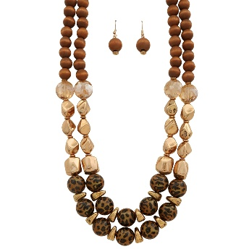 | JN-11437 | DOUBLE LAYER MIXED BEAD NECKLACE EARRING SET | GLE | $8.25 |  | $0.00
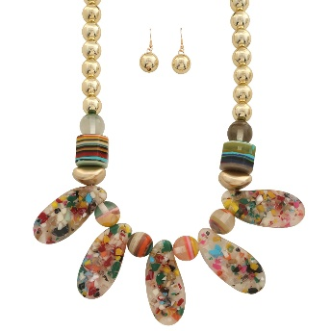 | JN-11439 | MULTI COLOR TEARDROP STATEMENT BEAD NECKLACE EARRING SET | - | $7.50 |  | $0.00
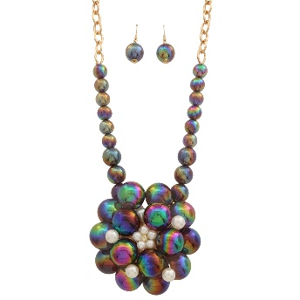 | JN-11442 | FLORAL BUBBLE BEAD PEARL STATEMENT NECKLACE EARRING SET | GDBK | $9.00 |  | $0.00
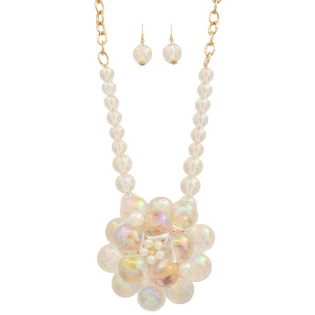 | JN-11442 | FLORAL BUBBLE BEAD PEARL STATEMENT NECKLACE EARRING SET | GDCL | $9.00 |  | $0.00
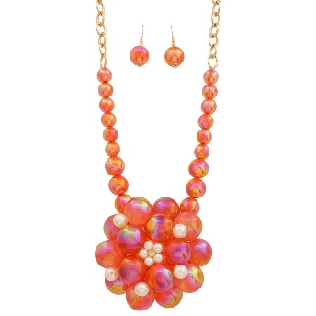 | JN-11442 | FLORAL BUBBLE BEAD PEARL STATEMENT NECKLACE EARRING SET | GDRD | $9.00 |  | $0.00
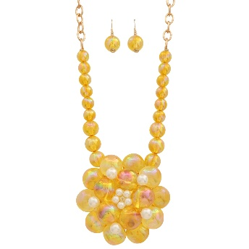 | JN-11442 | FLORAL BUBBLE BEAD PEARL STATEMENT NECKLACE EARRING SET | GDYL | $9.00 |  | $0.00
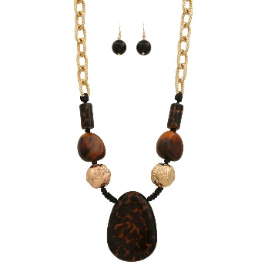 | JN-11443 | ABSTRACT RESIN TEARDROP TWISTED CHAIN NECKLACE EARRING SET | GLE | $6.75 |  | $0.00
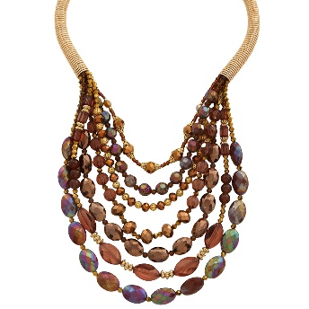 | JN-11477 | MULTI LAYER STRAND CRYSTAL BEADED NECKLACE | GBR | $10.50 |  | $0.00
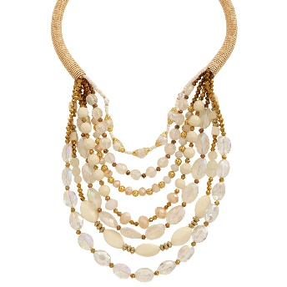 | JN-11477 | MULTI LAYER STRAND CRYSTAL BEADED NECKLACE | GCL | $10.50 |  | $0.00
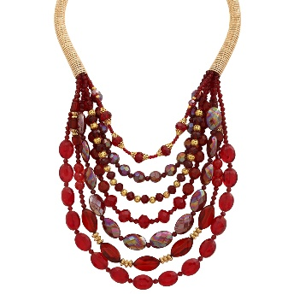 | JN-11477 | MULTI LAYER STRAND CRYSTAL BEADED NECKLACE | GRD | $10.50 |  | $0.00
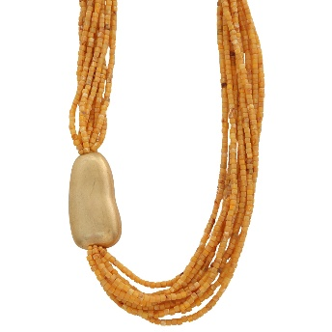 | JN-11485 | MULTI STRAND SEED BEAD DESIGN NECKLACE | GDYL | $10.50 |  | $0.00
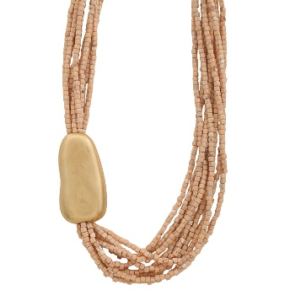 | JN-11485 | MULTI STRAND SEED BEAD DESIGN NECKLACE | GDIV | $10.50 |  | $0.00
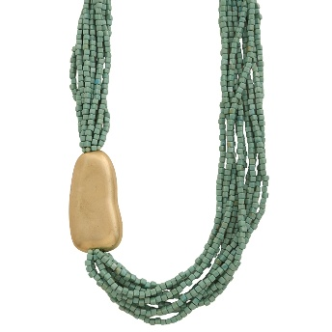 | JN-11485 | MULTI STRAND SEED BEAD DESIGN NECKLACE | GDAQ | $10.50 |  | $0.00
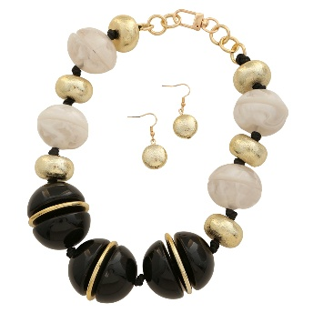 | JN-11500 | LARGE MARBLE RESIN SPHERE STATEMENT NECKLACE EARRING SET | GDBK | $9.75 |  | $0.00
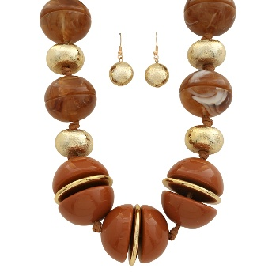 | JN-11500 | LARGE MARBLE RESIN SPHERE STATEMENT NECKLACE EARRING SET | GDBR | $9.75 |  | $0.00
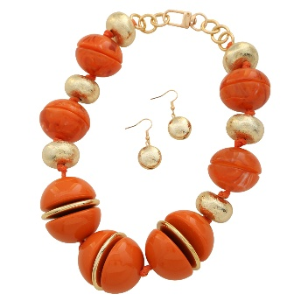 | JN-11500 | LARGE MARBLE RESIN SPHERE STATEMENT NECKLACE EARRING SET | GDGR | $9.75 |  | $0.00
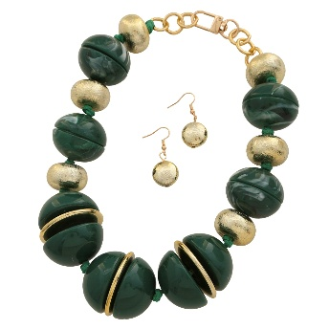 | JN-11500 | LARGE MARBLE RESIN SPHERE STATEMENT NECKLACE EARRING SET | GDOR | $9.75 |  | $0.00
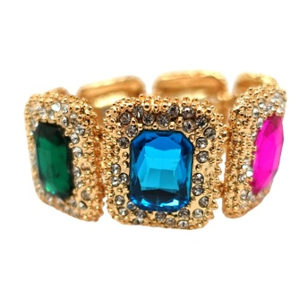 | KBR-5756 | STRETCH W GLASS BRACELET | GDMU | $9.00 |  | $0.00
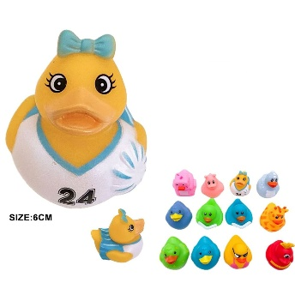 | KCT-1239 | RUBBER DUCK TOY (12 UNITS) | ASST | $18.00 |  | $0.00
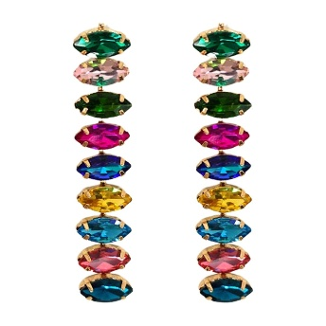 | KER-6691 | METAL W ACRYLICBEAD DROP POST EARRING | GDMU | $5.00 |  | $0.00
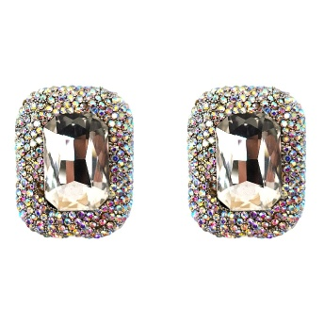 | KER-7320 | SQUARE SHAPE W STONE EARRING | ABCLR | $5.75 |  | $0.00
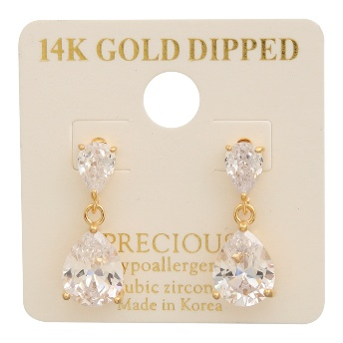 | KME-8754-2 | 14K GOLD DIPPED CZ DROP EARRING | GD | $5.50 |  | $0.00
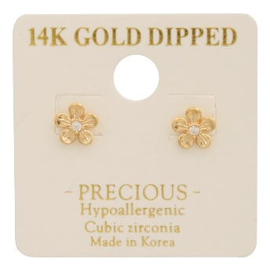 | KME-8779 | 14K GOLD DIPPED CZ MINI FLOWER EARRING | GD | $3.50 |  | $0.00
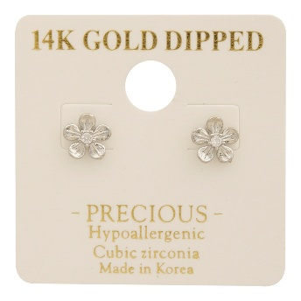 | KME-8779 | 14K GOLD DIPPED CZ MINI FLOWER EARRING | RH | $3.50 |  | $0.00
 | KME-8790 | 14K GOLD DIPPED CZ HUGGIE HOOP EARRING | GD | $4.50 |  | $0.00
 | KME-8790 | 14K GOLD DIPPED CZ HUGGIE HOOP EARRING | RH | $4.50 |  | $0.00
 | KME-8793 | 14K GOLD DIPPED CZ PEARL METAL DESIGN EARRING | GD | $4.00 |  | $0.00
 | KME-8793 | 14K GOLD DIPPED CZ PEARL METAL DESIGN EARRING | RH | $4.00 |  | $0.00
 | KME-8794 | 14k GOLD DIPPED CZ PEARL METAL CROSSED EARRING | RH | $4.50 |  | $0.00
 | KME-8794 | 14k GOLD DIPPED CZ PEARL METAL CROSSED EARRING | GD | $4.50 |  | $0.00
 | KME-8795 | 14K GOLD DIPPED CZ CURVE THREE CUT EARRING | GD | $3.50 |  | $0.00
 | KME-8795 | 14K GOLD DIPPED CZ CURVE THREE CUT EARRING | RH | $3.50 |  | $0.00
 | KME-8796 | 14K GOLD DIPPED CZ BALL EARRING | GD | $4.00 |  | $0.00
 | KME-8796 | 14K GOLD DIPPED CZ BALL EARRING | RH | $4.00 |  | $0.00
 | KME-8797 | 14K GOLD DIPPED CZ BOW PEARL EARRING | GD | $5.00 |  | $0.00
 | KME-8797 | 14K GOLD DIPPED CZ BOW PEARL EARRING | RH | $5.00 |  | $0.00
 | KME-8798 | 14K GOLD DIPPED CZ MARQUISE CUT EARRING | GD | $4.75 |  | $0.00
 | KME-8798 | 14K GOLD DIPPED CZ MARQUISE CUT EARRING | RH | $4.75 |  | $0.00
 | KME-8799 | 14K GOLD DIPPED CZ RIBBON BOW EARRING | GD | $4.75 |  | $0.00
 | KME-8799 | 14K GOLD DIPPED CZ RIBBON BOW EARRING | RH | $4.75 |  | $0.00
 | KME-8800 | 14K GOLD DIPPED CZ TEAR SHAPE DROP EARRING | GD | $4.00 |  | $0.00
 | KME-8800 | 14K GOLD DIPPED CZ TEAR SHAPE DROP EARRING | RH | $4.00 |  | $0.00
 | KME-8801 | 14K GOLD DIPPED CZ HEART EARRING | GD | $3.75 |  | $0.00
 | KME-8801 | 14K GOLD DIPPED CZ HEART EARRING | RH | $3.75 |  | $0.00
 | KME-8802 | 14K GOLD DIPPED CZ MINI BOW EARRING | GD | $4.00 |  | $0.00
 | KME-8802 | 14K GOLD DIPPED CZ MINI BOW EARRING | RH | $4.00 |  | $0.00
 | KS-2269 | RESIN STONE LINK STATEMENT NECKLACE EARRING SET | GDRED | $9.75 |  | $0.00
 | KS-2269 | RESIN STONE LINK STATEMENT NECKLACE EARRING SET | GDTT | $9.75 |  | $0.00
 | KS-2269 | RESIN STONE LINK STATEMENT NECKLACE EARRING SET | GDBK | $9.75 |  | $0.00
 | KS-2269 | RESIN STONE LINK STATEMENT NECKLACE EARRING SET | GDWT | $9.75 |  | $0.00
 | KSE-8754-2 | 14K GOLD DIPPED CZ DROP EARRING | RH | $5.50 |  | $0.00
 | MH-0369 | CONTRAST EDGE KNIT RIBBED RUFFLE SCRUNCHIE | BK | $2.50 |  | $0.00
 | MH-0369 | CONTRAST EDGE KNIT RIBBED RUFFLE SCRUNCHIE | TP | $2.50 |  | $0.00
 | MH-0369 | CONTRAST EDGE KNIT RIBBED RUFFLE SCRUNCHIE | BR | $2.50 |  | $0.00
 | MH-0369 | CONTRAST EDGE KNIT RIBBED RUFFLE SCRUNCHIE | PK | $2.50 |  | $0.00
 | MH-0369 | CONTRAST EDGE KNIT RIBBED RUFFLE SCRUNCHIE | GR | $2.50 |  | $0.00
 | MH-0369 | CONTRAST EDGE KNIT RIBBED RUFFLE SCRUNCHIE | OV | $2.50 |  | $0.00
 | QE-8188 | ABALONE SHELL MOON STAR DANGLE EARRING | GDNT | $4.50 |  | $0.00
 | QE-8188 | ABALONE SHELL MOON STAR DANGLE EARRING | SLBL | $4.50 |  | $0.00
 | TNE-2890 | TWO TONE MULTI CHARM NECKLACE | SB | $10.50 |  | $0.00
 | TNE-2890 | TWO TONE MULTI CHARM NECKLACE | WGSB | $10.50 |  | $0.00
 | TNE-3131 | FLOWER PEARL MULTI CHARM STATEMENT NECKLACE | RGNT | $11.50 |  | $0.00
TOTAL |  |  |  |  |  | $0.00

