Line Sheet
Line Sheet - New arrival - 8/11
1025 Stanford Ave. Los Angeles ,CA 90021 Phone: 213-222-9590 WhatsApp: 213-760-1969 Website: http://joiaaccessory.com Faire: https://joiaaccessories.faire.com Email: support@joiaaccessory.com
Grand Total: |  |  |  |  | $0.00
IMG | Style# | WebTitle | Color | Price | Qty | Total
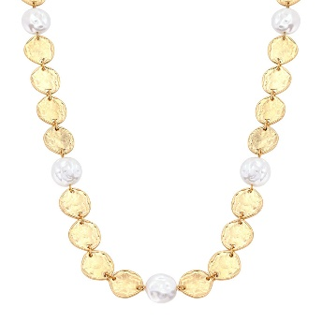 | 19159 | HAMMERED COIN PEARL NECKLACE | WHWG | $4.50 |  | $0.00
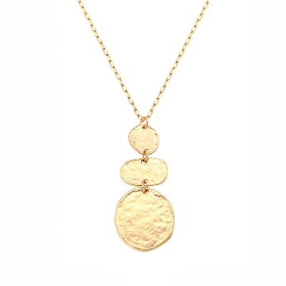 | 19182 | HAMMERED 3 CIRCLE NECKLACE | WG | $3.00 |  | $0.00
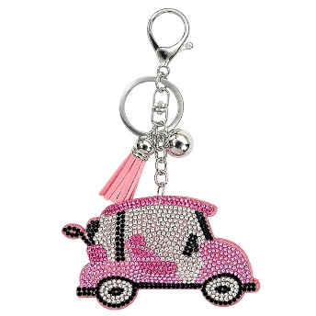 | 32032 | PINK RHINESTONE GOLF CART KEYCHAIN | LROR | $3.00 |  | $0.00
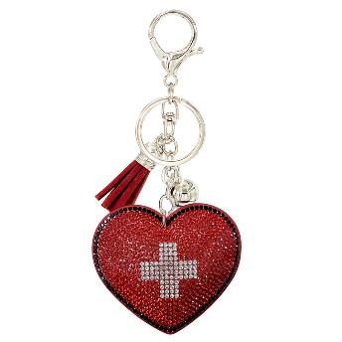 | 32033 | RHINESTONE CROSS HEART KEYCHAIN | LSIR | $3.00 |  | $0.00
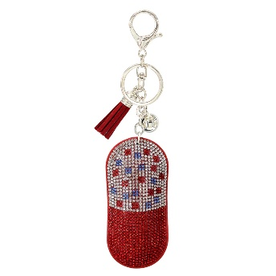 | 32034 | RHINESTONE PILL TABLET KEYCHAIN | LSIR | $3.00 |  | $0.00
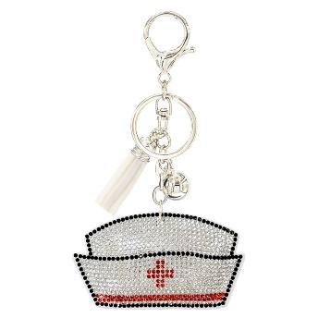 | 32035 | RHINESTONE NURSE HAT KEYCHAIN | WHR | $3.00 |  | $0.00
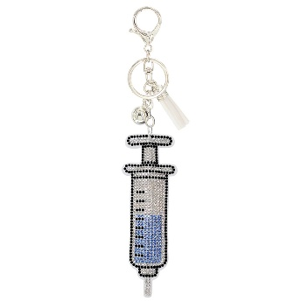 | 32036 | RHINESTONE SYRINGE KEYCHAIN | WHR | $3.00 |  | $0.00
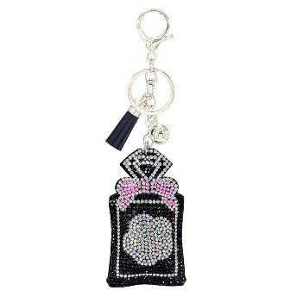 | 32038 | RHINESTONE PERFUME BOTTLE KEYCHAIN | JTR | $3.00 |  | $0.00
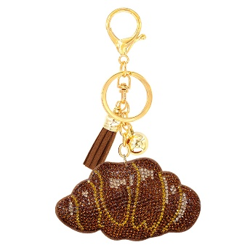 | 32042 | RHINESTONE PASTRY CROISSANT KEYCHAIN | STOGD | $3.00 |  | $0.00
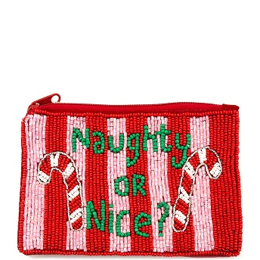 | 60-1066 | CHRISTMAS SEED BEAD NAUGHTY OR NICE CANDY CANE COIN PURSE BAG | RD | $6.75 |  | $0.00
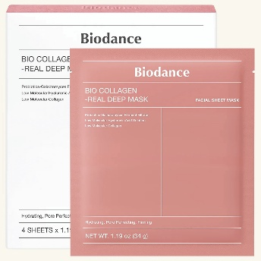 | BIO-BC | BIODANCE BIO COLLAGEN REAL DEEP FACIAL SHEET MASK (4 UNITS) | - | $11.50 |  | $0.00
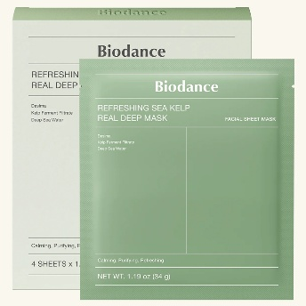 | BIO-RSK | BIODANCE REFRESHING SEA KELP REA DEEP FACIAL SHEET MASK (4 UNITS) | - | $11.50 |  | $0.00
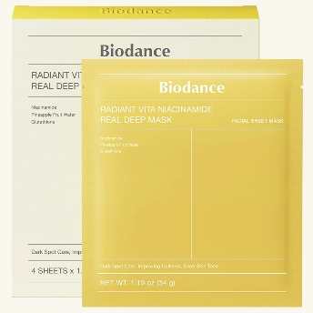 | BIO-RVN | BIODANCE RADIANT VITA NIACINAMIDE REAL DEEP FACIAL SHEET MASK (4 UNITS) | - | $11.50 |  | $0.00
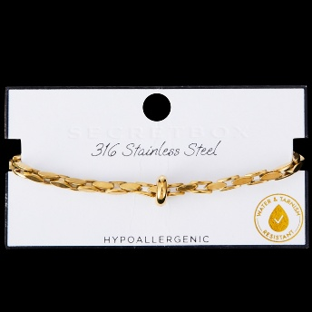 | DB-80309 | SECRET BOX STAINLESS STEEL MESH CHAIN BRACELET | GD | $6.00 |  | $0.00
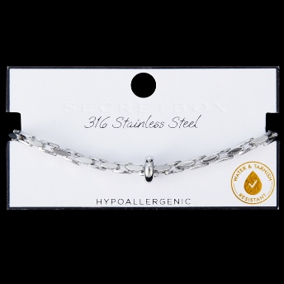 | DB-80309 | SECRET BOX STAINLESS STEEL MESH CHAIN BRACELET | RH | $6.00 |  | $0.00
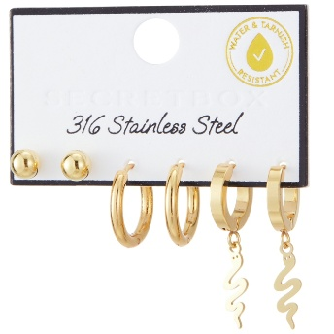 | DE-70331 | SECRET BOX STAINLESS STEEL 3 SET SNAKE HUGGIE EARRING | GD | $5.75 |  | $0.00
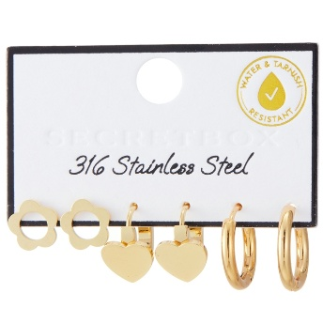 | DE-70332 | SECRET BOX STAINLESS STEEL 3 SET HEART HUGGIE EARRING | GD | $6.00 |  | $0.00
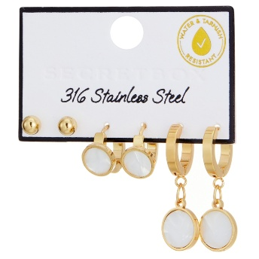 | DE-70335 | SECRET BOX STAINLESS STEEL 3 SET PEARL DISK HUGGIE EARRING | GD | $5.75 |  | $0.00
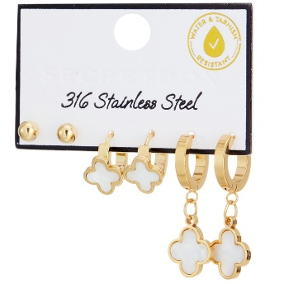 | DE-70337 | SECRET BOX STAINLESS STEEL QUATROFOIL 3 SET HUGGIE EARRING | GD | $5.75 |  | $0.00
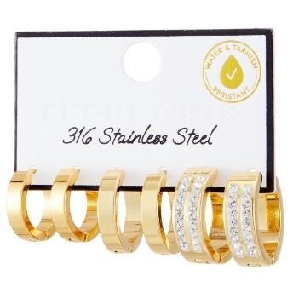 | DE-70338 | SECRET BOX STAINLESS STEEL 3 SET WHITE STONE 2 LINE HUGGIE EARRING | GD | $5.75 |  | $0.00
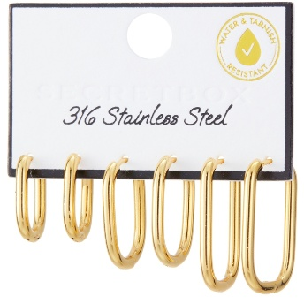 | DE-70345 | SECRET BOX STAINLESS STEEL U HUGGIE HOOP EARRING | GD | $5.75 |  | $0.00
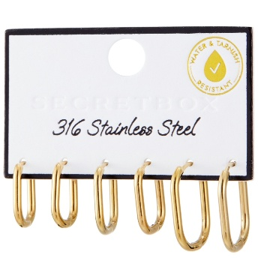 | DE-70346 | SECRET BOX STAINLESS STEEL U HUGGIE EARRING | GD | $5.75 |  | $0.00
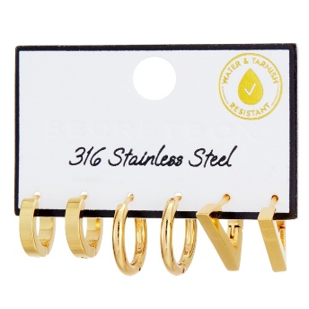 | DE-70347 | SECRET BOX STAINLESS STEEL 3 SET HUGGIE EARRING | GD | $5.75 |  | $0.00
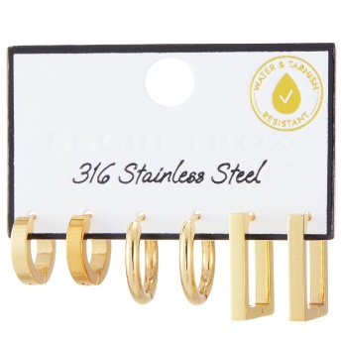 | DE-70348 | SECRET BOX STAINLESS STEEL 3 SET HUGGIE EARRING | GD | $5.75 |  | $0.00
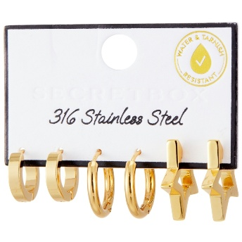 | DE-70349 | SECRET BOX STAINLESS STEEL 3 SET HUGGIE EARRING | GD | $5.75 |  | $0.00
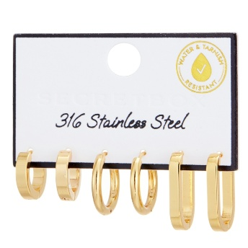 | DE-70350 | SECRET BOX STAINLESS STEEL 3 SET HUGGIE EARRING | GD | $5.75 |  | $0.00
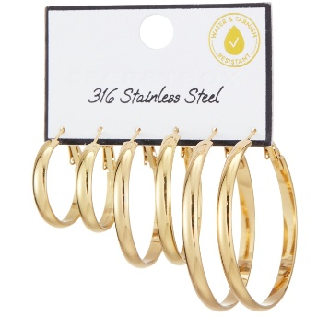 | DE-70372 | SECRET BOX STAINLESS STEEL 3 SET HOOP EARRING | GD | $4.50 |  | $0.00
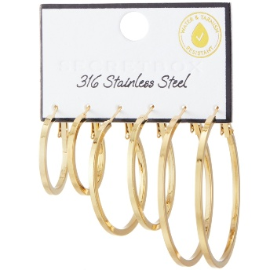 | DE-70374 | SECRET BOX STAINLESS STEEL 3 SET HOOP EARRING | GD | $4.50 |  | $0.00
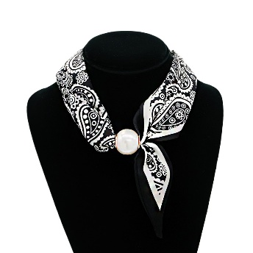 | DN-60052 | SECRET BOX BIG PEARL ADJUSTIBLE SCARF NECKLACE | BK | $4.50 |  | $0.00
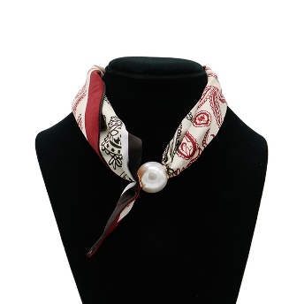 | DN-60052 | SECRET BOX BIG PEARL ADJUSTIBLE SCARF NECKLACE | RD | $4.50 |  | $0.00
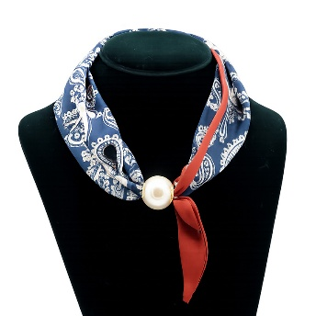 | DN-60052 | SECRET BOX BIG PEARL ADJUSTIBLE SCARF NECKLACE | NV | $4.50 |  | $0.00
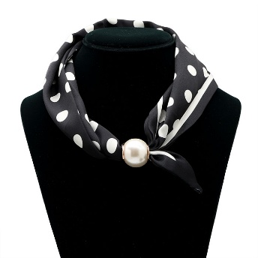 | DN-60053 | SECRET BOX POLKA DOT PEARL SCARF NECKLAC | BK | $4.50 |  | $0.00
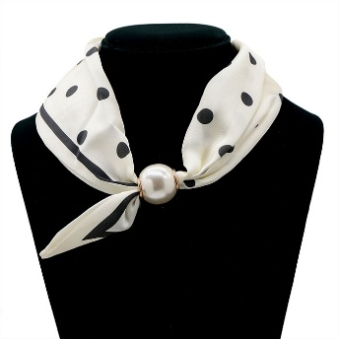 | DN-60053 | SECRET BOX POLKA DOT PEARL SCARF NECKLAC | WH | $4.50 |  | $0.00
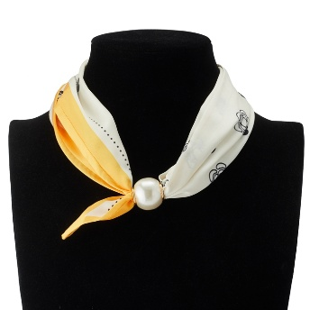 | DN-60224 | SECRET BOX SIMPLE SCARF PEAL MAGNETIC NECKLACE | YL | $4.50 |  | $0.00
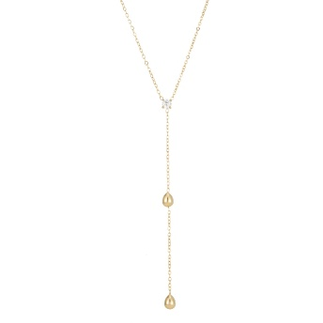 | DN-60234 | SECRET BOX STAINLESS STEEL TEAR DROP CZ Y NECKLACE | GD | $6.50 |  | $0.00
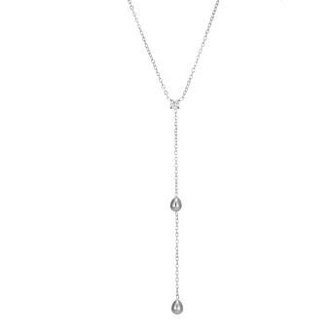 | DN-60234 | SECRET BOX STAINLESS STEEL TEAR DROP CZ Y NECKLACE | RH | $6.50 |  | $0.00
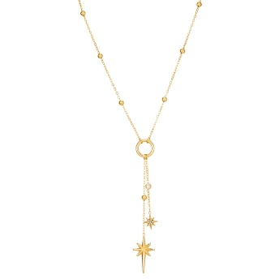 | DN-60239 | SECRET BOX STAINLESS STEEL NORTH STAR Y NECKLACE | GD | $6.75 |  | $0.00
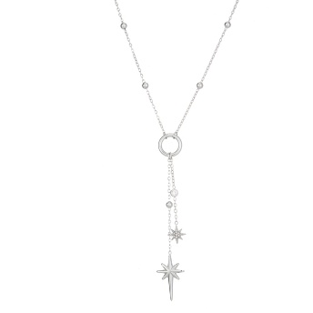 | DN-60239 | SECRET BOX STAINLESS STEEL NORTH STAR Y NECKLACE | RH | $6.75 |  | $0.00
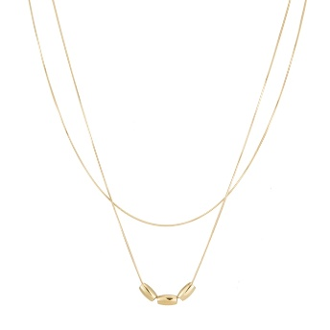 | DN-60242 | SECRET BOX STAINLESS STEEL 2 LAYERED NUGGET NECKLACE | GD | $6.50 |  | $0.00
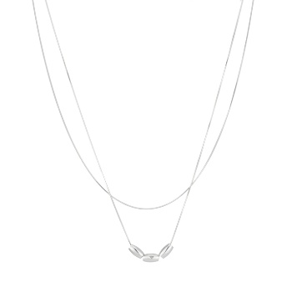 | DN-60242 | SECRET BOX STAINLESS STEEL 2 LAYERED NUGGET NECKLACE | RH | $6.50 |  | $0.00
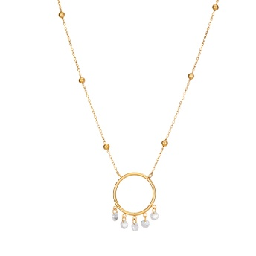 | DN-60244 | SECRET BOX STAINLESS STEEL DREAM CATCHER NECKLACE | GD | $6.00 |  | $0.00
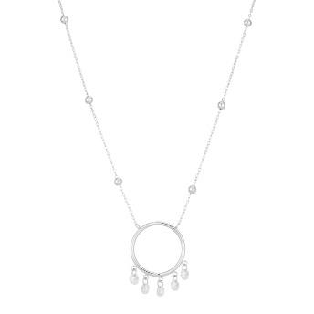 | DN-60244 | SECRET BOX STAINLESS STEEL DREAM CATCHER NECKLACE | RH | $6.00 |  | $0.00
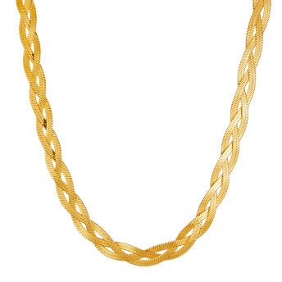 | DN-60251 | SECRET BOX STAINLESS STEEL 3 SNAKE CHAIN BRAIDED NECKLACE | GD | $7.50 |  | $0.00
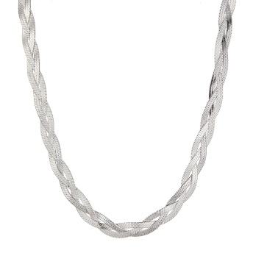 | DN-60251 | SECRET BOX STAINLESS STEEL 3 SNAKE CHAIN BRAIDED NECKLACE | RH | $7.50 |  | $0.00
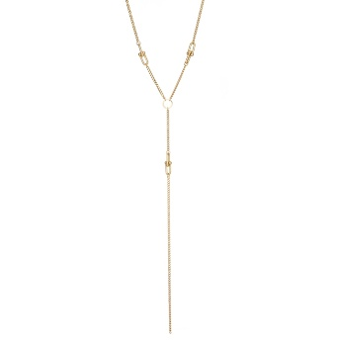 | DN-60254 | SECRET BOX STAINLESS STEEL LONG Y NECKLACE | GD | $7.50 |  | $0.00
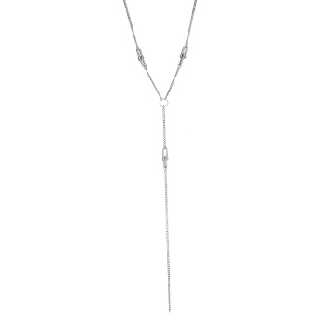 | DN-60254 | SECRET BOX STAINLESS STEEL LONG Y NECKLACE | RH | $7.50 |  | $0.00
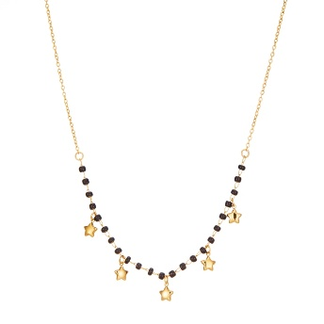 | DN-60257 | SECRET BOX STAINLES STEEL STAR DANGLE BEAD NECKLACE | GD | $6.75 |  | $0.00
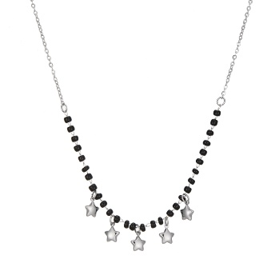 | DN-60257 | SECRET BOX STAINLES STEEL STAR DANGLE BEAD NECKLACE | RH | $6.75 |  | $0.00
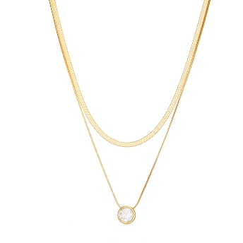 | DN-60261 | SECRET BOX STAINLESS STEEL 2 LAYERED BEZEL NECKLACE | GD | $6.75 |  | $0.00
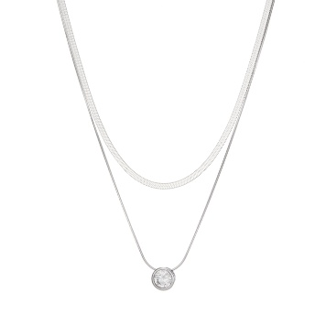 | DN-60261 | SECRET BOX STAINLESS STEEL 2 LAYERED BEZEL NECKLACE | RH | $6.75 |  | $0.00
 | DN-60262 | SECRET BOX STAINLESS STEEL CUBE NUGGET 2 LAYERED NECKLACE | GD | $6.75 |  | $0.00
 | DN-60262 | SECRET BOX STAINLESS STEEL CUBE NUGGET 2 LAYERED NECKLACE | RH | $6.75 |  | $0.00
 | DN-60267 | SECRET BOX STAINLESS STEEL 2 LAYERED BEZEL DROP NECKLACE | GD | $6.50 |  | $0.00
 | DN-60267 | SECRET BOX STAINLESS STEEL 2 LAYERED BEZEL DROP NECKLACE | RH | $6.50 |  | $0.00
 | DN-60268 | SECRET BOX STAINLESS STEEL 2 LAYERED FLORAL CZ NECKLACE | GD | $6.75 |  | $0.00
 | DN-60268 | SECRET BOX STAINLESS STEEL 2 LAYERED FLORAL CZ NECKLACE | RH | $6.75 |  | $0.00
 | DN-60272 | SECRET BOX STAINLESS STEEL BEZEL DROP NECKLACE | GD | $6.75 |  | $0.00
 | DN-60272 | SECRET BOX STAINLESS STEEL BEZEL DROP NECKLACE | RH | $6.75 |  | $0.00
 | DN-60276 | SECRET BOX STAINLESS STEEL 3 PEARL NECKLACE | GD | $6.75 |  | $0.00
 | DN-60276 | SECRET BOX STAINLESS STEEL 3 PEARL NECKLACE | RH | $6.75 |  | $0.00
 | DN-60279 | SECRET BOX STAINLESS STEEL HEART NECKLACE | GD | $6.00 |  | $0.00
 | DN-60279 | SECRET BOX STAINLESS STEEL HEART NECKLACE | RH | $6.00 |  | $0.00
 | DN-60280 | SECRET BOX STAINLESS STEEL SQUARE NUGGET NECKLACE | GD | $5.50 |  | $0.00
 | DN-60280 | SECRET BOX STAINLESS STEEL SQUARE NUGGET NECKLACE | RH | $5.50 |  | $0.00
 | DN-60284 | SECRET BOX STAINLESS STEEL HERRINGBONE CHAIN PEARL NECKLACE | GD | $5.50 |  | $0.00
 | DN-60284 | SECRET BOX STAINLESS STEEL HERRINGBONE CHAIN PEARL NECKLACE | RH | $5.50 |  | $0.00
 | DN-60287 | SECRET BOX STAINLESS STEEL HEART BEZEL Y NECKLACE | GD | $6.75 |  | $0.00
 | DN-60287 | SECRET BOX STAINLESS STEEL HEART BEZEL Y NECKLACE | RH | $6.75 |  | $0.00
 | DN-60288 | SECRET BOX STAINLESS STEEL BEZEL CZ BALL CHAIN NECKLACE | GD | $6.75 |  | $0.00
 | DN-60288 | SECRET BOX STAINLESS STEEL BEZEL CZ BALL CHAIN NECKLACE | RH | $6.75 |  | $0.00
 | DN-60294 | SECRET BOX STAINLESS STEEL PEARL BALANCED NECKLACE | GD | $6.00 |  | $0.00
 | DN-60294 | SECRET BOX STAINLESS STEEL PEARL BALANCED NECKLACE | RH | $6.00 |  | $0.00
 | DN-60400 | SECRET BOX LONG SLENDER TIE NECKLACE SCARF | BR | $3.00 |  | $0.00
 | DN-60400 | SECRET BOX LONG SLENDER TIE NECKLACE SCARF | LEO | $3.00 |  | $0.00
 | DN-60400 | SECRET BOX LONG SLENDER TIE NECKLACE SCARF | OL | $3.00 |  | $0.00
 | DN-60400 | SECRET BOX LONG SLENDER TIE NECKLACE SCARF | BUR | $3.00 |  | $0.00
 | DN-60400 | SECRET BOX LONG SLENDER TIE NECKLACE SCARF | PU | $3.00 |  | $0.00
 | DN-60400 | SECRET BOX LONG SLENDER TIE NECKLACE SCARF | TQ | $3.00 |  | $0.00
 | DN-60403 | SECRET BOX BROWN MULTI/POLKADOT ADJUSTIBLE SCARF | RD | $5.50 |  | $0.00
 | DN-60403 | SECRET BOX BROWN MULTI/POLKADOT ADJUSTIBLE SCARF | FLORAL | $5.50 |  | $0.00
 | DN-60403 | SECRET BOX BROWN MULTI/POLKADOT ADJUSTIBLE SCARF | PAISLEY | $5.50 |  | $0.00
 | DN-60403 | SECRET BOX BROWN MULTI/POLKADOT ADJUSTIBLE SCARF | POLKA | $5.50 |  | $0.00
 | ER-5934 | ORGANIC MARBLE PEARL DANGLE | GY | $5.50 |  | $0.00
 | ER-5934 | ORGANIC MARBLE PEARL DANGLE | GN | $5.50 |  | $0.00
 | ER-5934 | ORGANIC MARBLE PEARL DANGLE | BN | $5.50 |  | $0.00
 | ER-6271 | MULTI CHARM DANGLE EARRING | GGY | $5.00 |  | $0.00
 | ER-6271 | MULTI CHARM DANGLE EARRING | GRD | $5.00 |  | $0.00
 | ER-6271 | MULTI CHARM DANGLE EARRING | GBL | $5.00 |  | $0.00
 | GE-50404 | SECRET BOX GOLD DIPPED OVAL HOOK HOOP EARRING | GD | $5.75 |  | $0.00
 | GE-50404 | SECRET BOX GOLD DIPPED OVAL HOOK HOOP EARRING | SI | $5.75 |  | $0.00
 | GE-50409 | SECRET BOX GOLD/SILVER DIPPED U PINCH HOOP | GD | $6.00 |  | $0.00
 | GE-50409 | SECRET BOX GOLD/SILVER DIPPED U PINCH HOOP | SI | $6.00 |  | $0.00
 | GE-50418 | SECRET BOX GOLD/SILVER DIPPED MULTI LINE HOOP EARRING | GD | $6.00 |  | $0.00
 | GE-50418 | SECRET BOX GOLD/SILVER DIPPED MULTI LINE HOOP EARRING | SI | $6.00 |  | $0.00
 | GE-50433 | SECRET BOX GOLD/SILVER DIPPED PEART STUDED HUGGIE HOOP EARRING | GD | $6.00 |  | $0.00
 | GE-50433 | SECRET BOX GOLD/SILVER DIPPED PEART STUDED HUGGIE HOOP EARRING | SI | $6.00 |  | $0.00
 | GE-50441 | SECRET BOX GOLD/SILVER DIPPED 2 PEARL DANGLE HUGGIE EARRING | GD | $5.50 |  | $0.00
 | GE-50441 | SECRET BOX GOLD/SILVER DIPPED 2 PEARL DANGLE HUGGIE EARRING | SI | $5.50 |  | $0.00
 | GE-50446 | SECRET BOX GOLD/SILVER DIPPED EMERALD CZ HOOP EARRING | GD | $6.75 |  | $0.00
 | GE-50446 | SECRET BOX GOLD/SILVER DIPPED EMERALD CZ HOOP EARRING | SI | $6.75 |  | $0.00
 | GE-50447 | SECRET BOX GOLD/SILVER DIPPED ORGANIC HALF HOOP EARRING | GD | $5.75 |  | $0.00
 | GE-50447 | SECRET BOX GOLD/SILVER DIPPED ORGANIC HALF HOOP EARRING | SI | $5.75 |  | $0.00
 | GE-50453 | SECRET BOX GOLD/SILVER DIPPED 3 LINE CZ PAVEED HOOP EARRING | GD | $6.50 |  | $0.00
 | GE-50453 | SECRET BOX GOLD/SILVER DIPPED 3 LINE CZ PAVEED HOOP EARRING | SI | $6.50 |  | $0.00
 | GE-50456 | SECRET BOX GOLD/SILVER DIPPED WEAVED HOOP | GD | $5.75 |  | $0.00
 | GE-50456 | SECRET BOX GOLD/SILVER DIPPED WEAVED HOOP | SI | $5.75 |  | $0.00
 | GE-50457 | SECRET BOX GOLD/SILVER DIPPED WEAVED HOOP EARRING | GD | $6.00 |  | $0.00
 | GE-50457 | SECRET BOX GOLD/SILVER DIPPED WEAVED HOOP EARRING | SI | $6.00 |  | $0.00
 | GE-50459 | SECRET BOX GOLD/SILVER DIPPED 2 LINE 40MM HOOP EARRING | GD | $6.00 |  | $0.00
 | GE-50459 | SECRET BOX GOLD/SILVER DIPPED 2 LINE 40MM HOOP EARRING | SI | $6.00 |  | $0.00
 | GE-50467 | SECRET BOX GOLD/SILVER DIPPED TWISTED CUTTED HOOP EARRING | GD | $5.75 |  | $0.00
 | GE-50467 | SECRET BOX GOLD/SILVER DIPPED TWISTED CUTTED HOOP EARRING | SI | $5.75 |  | $0.00
 | GE-50475 | SECRET BOX GOLD/SILVER DIPPED CZ PAVED NORTH STAR HUGGIE EARRING | GD | $6.00 |  | $0.00
 | GE-50475 | SECRET BOX GOLD/SILVER DIPPED CZ PAVED NORTH STAR HUGGIE EARRING | SI | $6.00 |  | $0.00
 | GN-210571 | SECRET BOX GOLD DIPPED SANTA CHARM NECKLACE | GD | $6.00 |  | $0.00
 | GN-210572 | SECRET BOX GOLD DIPPED CHRISTMAS CHARM NECKLACE | GD | $6.00 |  | $0.00
 | GN-210575 | SECRET BOX GOLD DIPPED CHRISTMAS TREE N CANE NECKALCE | GD | $6.00 |  | $0.00
 | GN-210576 | SECRET BOX GOLD DIPPED CHRISTMAS TREE N BELL NECKLACE | GD | $6.00 |  | $0.00
 | GN-210594 | SECRET BOX GOLD DIPPED CHRISTMAS TREE NECKLACE | GD | $6.00 |  | $0.00
 | GN-210598 | SECRET BOX GOLD DIPPED CHRISTMAS TREE NECKLACE | RD | $6.00 |  | $0.00
 | GN-210598 | SECRET BOX GOLD DIPPED CHRISTMAS TREE NECKLACE | GR | $6.00 |  | $0.00
 | GN-210946 | SECRET BOX 14K GOLD DIPPED HORSE NECKLACE | GD | $6.00 |  | $0.00
 | GN-721811 | SECRET BOX GOLD DIPPED NECKLACE | GD | $5.50 |  | $0.00
 | GN-722174 | SECRET BOX GOLD DIPPED CHRISTMAS SANTA HAT NECKLACE | GD | $5.00 |  | $0.00
 | GN-722177 | SECRET BOX GOLD DIPPED CHRISTMAS BOOTS NECKLACE | GD | $5.00 |  | $0.00
 | HTE-10420 | SECRET BOX STAINLESS STEEL EARRING | GD | $3.00 |  | $0.00
 | J-3992 | MULTI SHAPE BEAD NECKLACE | GN | $6.75 |  | $0.00
 | J-3992 | MULTI SHAPE BEAD NECKLACE | M | $6.75 |  | $0.00
 | J-3993 | MULTI SIZE BROWN BEAD NECKLACE | BRN | $6.50 |  | $0.00
 | J-3993 | MULTI SIZE BROWN BEAD NECKLACE | NT | $6.50 |  | $0.00
 | J-3998 | GLASS BEAD WITH HEART CHARM LABRADORITE NECKLACE | GY | $6.75 |  | $0.00
 | J-3998 | GLASS BEAD WITH HEART CHARM LABRADORITE NECKLACE | RD | $6.75 |  | $0.00
 | J-3998 | GLASS BEAD WITH HEART CHARM LABRADORITE NECKLACE | AMY | $6.75 |  | $0.00
 | J-3998 | GLASS BEAD WITH HEART CHARM LABRADORITE NECKLACE | BRN | $6.75 |  | $0.00
 | J-4000 | BEADED NECKLACE | GDBR | $8.00 |  | $0.00
 | J-4000 | BEADED NECKLACE | GRD | $8.00 |  | $0.00
 | J-4000 | BEADED NECKLACE | GGN | $8.00 |  | $0.00
 | J-4002 | BEADED CHAIN NECKLACE | GM | $8.00 |  | $0.00
 | J-4002 | BEADED CHAIN NECKLACE | GGN | $8.00 |  | $0.00
 | J-4002 | BEADED CHAIN NECKLACE | GTOP | $8.00 |  | $0.00
 | J-4027 | MULTI RESIN BEAD AND GOLD DISC NECKLACE | M | $6.50 |  | $0.00
 | JB-5878 |  | YL | $9.00 |  | $0.00
 | JCB-1982 | RHINESTONE WESTERN BUCKLE SKINNY BELT | BLACK | $5.00 |  | $0.00
 | JCB-1982 | RHINESTONE WESTERN BUCKLE SKINNY BELT | BEIGE | $5.00 |  | $0.00
 | JCB-1982 | RHINESTONE WESTERN BUCKLE SKINNY BELT | WHITE | $5.00 |  | $0.00
 | JCB-1983 | METAL DOUBLE RING BUCKLE SKINNY BELT | BLACK | $4.50 |  | $0.00
 | JCB-1983 | METAL DOUBLE RING BUCKLE SKINNY BELT | CAMEL | $4.50 |  | $0.00
 | JCB-1983 | METAL DOUBLE RING BUCKLE SKINNY BELT | KHAKI | $4.50 |  | $0.00
 | JCB-1983 | METAL DOUBLE RING BUCKLE SKINNY BELT | NAVY | $4.50 |  | $0.00
 | JCB-1987 | RHINESTONE CRYSTAL STONE WESTERN BUCKLE BELT | BLACK | $14.50 |  | $0.00
 | JCB-1987 | RHINESTONE CRYSTAL STONE WESTERN BUCKLE BELT | BROWN | $14.50 |  | $0.00
 | JCB-1987 | RHINESTONE CRYSTAL STONE WESTERN BUCKLE BELT | CAMEL | $14.50 |  | $0.00
 | JCB-1997 | OVAL CABOCHON CHAIN BELT | BLACK | $9.50 |  | $0.00
 | JCB-1997 | OVAL CABOCHON CHAIN BELT | BROWN | $9.50 |  | $0.00
 | JCB-1997 | OVAL CABOCHON CHAIN BELT | WHITE | $9.50 |  | $0.00
 | JCB-1998-JC | METAL LINK ELASTIC WAIST BELT | GOLD | $7.50 |  | $0.00
 | JCB-1998-JC | METAL LINK ELASTIC WAIST BELT | RH | $7.50 |  | $0.00
 | JCB-1999-JC | METAL DOUBLE CLASP ELASTIC WAIST BELT | GOLD | $7.50 |  | $0.00
 | JCB-1999-JC | METAL DOUBLE CLASP ELASTIC WAIST BELT | RH | $7.50 |  | $0.00
 | JCB-2004-JC | OVAL CABOCHON LINK CHAIN BELT | BLACK | $9.50 |  | $0.00
 | JCB-2004-JC | OVAL CABOCHON LINK CHAIN BELT | CAMEL | $9.50 |  | $0.00
 | JCB-2004-JC | OVAL CABOCHON LINK CHAIN BELT | KHAKI | $9.50 |  | $0.00
 | JCB-2005-JC | METAL HEART DISC ELASTIC WAIST BELT | GOLD | $8.00 |  | $0.00
 | JCB-2005-JC | METAL HEART DISC ELASTIC WAIST BELT | RH | $8.00 |  | $0.00
 | JCB-2008 | OVAL CABOCHON TRIPLE DISC ELASTIC WAIST BELT | BLACK | $7.50 |  | $0.00
 | JCB-2008 | OVAL CABOCHON TRIPLE DISC ELASTIC WAIST BELT | CAMEL | $7.50 |  | $0.00
 | ME-11171 | PALM LEAF DANGLE EARRING | GD | $2.00 |  | $0.00
 | NK-10188 | ROUND LINKED W PEARL NECKLACE | VG | $9.00 |  | $0.00
 | NK-10216 | ALL AROUND BALL LAYERED NECKLACE | VG | $8.75 |  | $0.00
 | NN-1085 | RHINESTONE CROSS NECKLACE | GDAB | $6.75 |  | $0.00
 | NN-1085 | RHINESTONE CROSS NECKLACE | GDMLT | $6.75 |  | $0.00
 | NN-1085 | RHINESTONE CROSS NECKLACE | GDMNT | $6.75 |  | $0.00
 | NN-1085 | RHINESTONE CROSS NECKLACE | GDCR | $6.75 |  | $0.00
 | NN-1085 | RHINESTONE CROSS NECKLACE | GDFU | $6.75 |  | $0.00
 | S1004-MCTT | SKIN1004 MADAGASCAR CENTELLA TONING TONER LOTION TONIQUE STIMULANTE | - | $11.50 |  | $0.00
 | SB-210804 | SECRET BOX GOLD/SILVER DIPPED MARTINI GLASS NECKLACE | GD | $6.00 |  | $0.00
 | SB-210804 | SECRET BOX GOLD/SILVER DIPPED MARTINI GLASS NECKLACE | WG | $6.00 |  | $0.00
 | SB-210805 | SECRET BOX GOLD/SILVER DIPPED MARTINI GLASS NECKLACE | GD | $6.00 |  | $0.00
 | SB-210805 | SECRET BOX GOLD/SILVER DIPPED MARTINI GLASS NECKLACE | WG | $6.00 |  | $0.00
 | SB-210806 | SECRET BOX GOLD DIPPED OLIVE MARTINY NECKLACE | GD | $6.75 |  | $0.00
 | SB-210840 | SECRET BOX GOLD/SILVER DIPPED 3 RONDELLE NECKLACE | GD | $6.75 |  | $0.00
 | SB-210840 | SECRET BOX GOLD/SILVER DIPPED 3 RONDELLE NECKLACE | WG | $6.75 |  | $0.00
 | SB-8621 | 16MM BEADED BRACELET | BK | $1.50 |  | $0.00
 | SB-8621 | 16MM BEADED BRACELET | RD | $1.50 |  | $0.00
 | SB-8621 | 16MM BEADED BRACELET | BL | $1.50 |  | $0.00
 | SB-8621 | 16MM BEADED BRACELET | PK | $1.50 |  | $0.00
 | SB-8621 | 16MM BEADED BRACELET | LV | $1.50 |  | $0.00
 | SB-8621 | 16MM BEADED BRACELET | FU | $1.50 |  | $0.00
 | SB-8621 | 16MM BEADED BRACELET | GR | $1.50 |  | $0.00
 | SB-8621 | 16MM BEADED BRACELET | LBL | $1.50 |  | $0.00
 | SB-8621 | 16MM BEADED BRACELET | LPK | $1.50 |  | $0.00
 | SB-8621 | 16MM BEADED BRACELET | NT | $1.50 |  | $0.00
 | SB-8622 | 16MM ACRYLIC BEADED BRACELET | RD | $1.50 |  | $0.00
 | SB-8622 | 16MM ACRYLIC BEADED BRACELET | BR | $1.50 |  | $0.00
 | SB-8622 | 16MM ACRYLIC BEADED BRACELET | PK | $1.50 |  | $0.00
 | SB-8622 | 16MM ACRYLIC BEADED BRACELET | YL | $1.50 |  | $0.00
 | SB-8622 | 16MM ACRYLIC BEADED BRACELET | NYL | $1.50 |  | $0.00
 | SB-8622 | 16MM ACRYLIC BEADED BRACELET | PU | $1.50 |  | $0.00
 | SB-8622 | 16MM ACRYLIC BEADED BRACELET | RBL | $1.50 |  | $0.00
 | SB-8622 | 16MM ACRYLIC BEADED BRACELET | VI | $1.50 |  | $0.00
 | SB-8623 | 24mm ACRYLIC BALL BRACELET | RD | $4.00 |  | $0.00
 | SB-8623 | 24mm ACRYLIC BALL BRACELET | BL | $4.00 |  | $0.00
 | SB-8623 | 24mm ACRYLIC BALL BRACELET | PK | $4.00 |  | $0.00
 | SB-8623 | 24mm ACRYLIC BALL BRACELET | LV | $4.00 |  | $0.00
 | SB-8623 | 24mm ACRYLIC BALL BRACELET | MN | $4.00 |  | $0.00
 | SB-8623 | 24mm ACRYLIC BALL BRACELET | CL | $4.00 |  | $0.00
 | SB-8623 | 24mm ACRYLIC BALL BRACELET | FU | $4.00 |  | $0.00
 | SB-8623 | 24mm ACRYLIC BALL BRACELET | GR | $4.00 |  | $0.00
 | SB-8623 | 24mm ACRYLIC BALL BRACELET | LBL | $4.00 |  | $0.00
 | SB-8623 | 24mm ACRYLIC BALL BRACELET | LPK | $4.00 |  | $0.00
 | SB-8623 | 24mm ACRYLIC BALL BRACELET | NT | $4.00 |  | $0.00
 | SN-8432 | 16MM BEADED NECKLACE | BK | $5.00 |  | $0.00
 | SN-8432 | 16MM BEADED NECKLACE | RD | $5.00 |  | $0.00
 | SN-8432 | 16MM BEADED NECKLACE | BL | $5.00 |  | $0.00
 | SN-8432 | 16MM BEADED NECKLACE | PK | $5.00 |  | $0.00
 | SN-8432 | 16MM BEADED NECKLACE | LV | $5.00 |  | $0.00
 | SN-8432 | 16MM BEADED NECKLACE | FU | $5.00 |  | $0.00
 | SN-8432 | 16MM BEADED NECKLACE | GR | $5.00 |  | $0.00
 | SN-8432 | 16MM BEADED NECKLACE | LBL | $5.00 |  | $0.00
 | SN-8432 | 16MM BEADED NECKLACE | LPK | $5.00 |  | $0.00
 | SN-8432 | 16MM BEADED NECKLACE | NT | $5.00 |  | $0.00
 | SN-8433 | 16mm ACRYLIC BALL NECKLACE | RD | $5.00 |  | $0.00
 | SN-8433 | 16mm ACRYLIC BALL NECKLACE | BR | $5.00 |  | $0.00
 | SN-8433 | 16mm ACRYLIC BALL NECKLACE | PK | $5.00 |  | $0.00
 | SN-8433 | 16mm ACRYLIC BALL NECKLACE | IV | $5.00 |  | $0.00
 | SN-8433 | 16mm ACRYLIC BALL NECKLACE | NYL | $5.00 |  | $0.00
 | SN-8433 | 16mm ACRYLIC BALL NECKLACE | PU | $5.00 |  | $0.00
 | SN-8433 | 16mm ACRYLIC BALL NECKLACE | RBL | $5.00 |  | $0.00
 | SN-8433 | 16mm ACRYLIC BALL NECKLACE | YL | $5.00 |  | $0.00
 | SN-8435 | 24MM ACRYLIC BEADED NECKALCE | RD | $6.00 |  | $0.00
 | SN-8435 | 24MM ACRYLIC BEADED NECKALCE | BL | $6.00 |  | $0.00
 | SN-8435 | 24MM ACRYLIC BEADED NECKALCE | PK | $6.00 |  | $0.00
 | SN-8435 | 24MM ACRYLIC BEADED NECKALCE | LV | $6.00 |  | $0.00
 | SN-8435 | 24MM ACRYLIC BEADED NECKALCE | MN | $6.00 |  | $0.00
 | SN-8435 | 24MM ACRYLIC BEADED NECKALCE | CL | $6.00 |  | $0.00
 | SN-8435 | 24MM ACRYLIC BEADED NECKALCE | FU | $6.00 |  | $0.00
 | SN-8435 | 24MM ACRYLIC BEADED NECKALCE | GR | $6.00 |  | $0.00
 | SN-8435 | 24MM ACRYLIC BEADED NECKALCE | LBL | $6.00 |  | $0.00
 | SN-8435 | 24MM ACRYLIC BEADED NECKALCE | LPK | $6.00 |  | $0.00
 | SN-8435 | 24MM ACRYLIC BEADED NECKALCE | NT | $6.00 |  | $0.00
 | XFT-1509A | 2IN1 OVAL PRINT HANDLE SATCHEL BAG W WALLET SET | BK | $20.00 |  | $0.00
 | XFT-1509A | 2IN1 OVAL PRINT HANDLE SATCHEL BAG W WALLET SET | BL | $20.00 |  | $0.00
 | XFT-1509A | 2IN1 OVAL PRINT HANDLE SATCHEL BAG W WALLET SET | CF | $20.00 |  | $0.00
 | XFT-1509A | 2IN1 OVAL PRINT HANDLE SATCHEL BAG W WALLET SET | DBR | $20.00 |  | $0.00
 | XFT-1509A | 2IN1 OVAL PRINT HANDLE SATCHEL BAG W WALLET SET | RS | $20.00 |  | $0.00
 | XFT-1509A | 2IN1 OVAL PRINT HANDLE SATCHEL BAG W WALLET SET | TP | $20.00 |  | $0.00
 | YE-461 | 14K GOLD PLATED TWO TONE EARRING | 2T | $6.00 |  | $0.00
 | YE-466 | TWO TONE CZ HEART POST EARRING | BK | $5.50 |  | $0.00
 | YE-466 | TWO TONE CZ HEART POST EARRING | CL | $5.50 |  | $0.00
 | YS-2137 | WOMEN SOLID COLOR FRINGE KNIT SCARF SOFT WARM PLAIN TASSEL WINTER WRAP | BK | $9.00 |  | $0.00
 | YS-2137 | WOMEN SOLID COLOR FRINGE KNIT SCARF SOFT WARM PLAIN TASSEL WINTER WRAP | GRY | $9.00 |  | $0.00
 | YS-2137 | WOMEN SOLID COLOR FRINGE KNIT SCARF SOFT WARM PLAIN TASSEL WINTER WRAP | IVY | $9.00 |  | $0.00
 | YS-2137 | WOMEN SOLID COLOR FRINGE KNIT SCARF SOFT WARM PLAIN TASSEL WINTER WRAP | MCH | $9.00 |  | $0.00
 | YS-2138 | WOMEN LEOPARD PRINT KNIT TRIANGLE SCARF MULTI WAYS HEAD WRAP WARMER | CML | $6.50 |  | $0.00
 | YS-2142 | SOLID COLOR TASSEL SCARF WOMEN SOFT THICK WARM WINTER SHAWL WRAP | BK | $6.25 |  | $0.00
 | YS-2142 | SOLID COLOR TASSEL SCARF WOMEN SOFT THICK WARM WINTER SHAWL WRAP | BLU | $6.25 |  | $0.00
 | YS-2142 | SOLID COLOR TASSEL SCARF WOMEN SOFT THICK WARM WINTER SHAWL WRAP | GRY | $6.25 |  | $0.00
 | YS-2142 | SOLID COLOR TASSEL SCARF WOMEN SOFT THICK WARM WINTER SHAWL WRAP | BGE | $6.25 |  | $0.00
 | YS-2142 | SOLID COLOR TASSEL SCARF WOMEN SOFT THICK WARM WINTER SHAWL WRAP | CML | $6.25 |  | $0.00
 | YS-2145 | WOMEN ABSTRACT DIAMOND CHECK TASSEL SCARF SOFT THICK WINTER WRAP SHAWL SCARF | BK | $6.50 |  | $0.00
 | YS-2145 | WOMEN ABSTRACT DIAMOND CHECK TASSEL SCARF SOFT THICK WINTER WRAP SHAWL SCARF | MCH | $6.50 |  | $0.00
 | YS-2145 | WOMEN ABSTRACT DIAMOND CHECK TASSEL SCARF SOFT THICK WINTER WRAP SHAWL SCARF | BRY | $6.50 |  | $0.00
 | YS-2146 | WOMEN COLOR BLOCK PLAID TASSEL SCARF SOFT THICK WARM WINTER WRAP SCARF | BK | $6.50 |  | $0.00
 | YS-2146 | WOMEN COLOR BLOCK PLAID TASSEL SCARF SOFT THICK WARM WINTER WRAP SCARF | APR | $6.50 |  | $0.00
 | YS-2146 | WOMEN COLOR BLOCK PLAID TASSEL SCARF SOFT THICK WARM WINTER WRAP SCARF | BRN | $6.50 |  | $0.00
 | YS-2146 | WOMEN COLOR BLOCK PLAID TASSEL SCARF SOFT THICK WARM WINTER WRAP SCARF | GRY | $6.50 |  | $0.00
 | YS-2146 | WOMEN COLOR BLOCK PLAID TASSEL SCARF SOFT THICK WARM WINTER WRAP SCARF | OLV | $6.50 |  | $0.00
 | YS-2151 | WOMEN WAFFLE KNIT SCARF SOFT FRINGE SOLID WINTER SHAWL | BK | $6.50 |  | $0.00
 | YS-2151 | WOMEN WAFFLE KNIT SCARF SOFT FRINGE SOLID WINTER SHAWL | BLU | $6.50 |  | $0.00
 | YS-2151 | WOMEN WAFFLE KNIT SCARF SOFT FRINGE SOLID WINTER SHAWL | BRN | $6.50 |  | $0.00
 | YS-2151 | WOMEN WAFFLE KNIT SCARF SOFT FRINGE SOLID WINTER SHAWL | KHAKI | $6.50 |  | $0.00
 | YS-2151 | WOMEN WAFFLE KNIT SCARF SOFT FRINGE SOLID WINTER SHAWL | OLV | $6.50 |  | $0.00
 | YS-2151 | WOMEN WAFFLE KNIT SCARF SOFT FRINGE SOLID WINTER SHAWL | WINE | $6.50 |  | $0.00
 | YS-2151 | WOMEN WAFFLE KNIT SCARF SOFT FRINGE SOLID WINTER SHAWL | CML | $6.50 |  | $0.00
 | YS-2151 | WOMEN WAFFLE KNIT SCARF SOFT FRINGE SOLID WINTER SHAWL | NAT | $6.50 |  | $0.00
 | YS-2152 | CLASSIC HOUNDSTOOTH TASSEL SCARF SOFT WARM PLAID WPMEN WINTER SCARF | BK | $6.50 |  | $0.00
 | YS-2152 | CLASSIC HOUNDSTOOTH TASSEL SCARF SOFT WARM PLAID WPMEN WINTER SCARF | GRY | $6.50 |  | $0.00
 | YS-2152 | CLASSIC HOUNDSTOOTH TASSEL SCARF SOFT WARM PLAID WPMEN WINTER SCARF | MCH | $6.50 |  | $0.00
 | YS-2152 | CLASSIC HOUNDSTOOTH TASSEL SCARF SOFT WARM PLAID WPMEN WINTER SCARF | RST | $6.50 |  | $0.00
 | YS-2154 | SOFT THICK SCARF SOLID WOMEN WINTER KNIT SHAWL | BK | $6.50 |  | $0.00
 | YS-2154 | SOFT THICK SCARF SOLID WOMEN WINTER KNIT SHAWL | BLU | $6.50 |  | $0.00
 | YS-2154 | SOFT THICK SCARF SOLID WOMEN WINTER KNIT SHAWL | BUR | $6.50 |  | $0.00
 | YS-2154 | SOFT THICK SCARF SOLID WOMEN WINTER KNIT SHAWL | GRY | $6.50 |  | $0.00
 | YS-2154 | SOFT THICK SCARF SOLID WOMEN WINTER KNIT SHAWL | MST | $6.50 |  | $0.00
 | YS-2154 | SOFT THICK SCARF SOLID WOMEN WINTER KNIT SHAWL | ORG | $6.50 |  | $0.00
 | YS-2154 | SOFT THICK SCARF SOLID WOMEN WINTER KNIT SHAWL | OAT | $6.50 |  | $0.00
TOTAL |  |  |  |  |  | $0.00

