Sheet1
 |  |  | The Future Is Calling… Will you Answer?
 |  |  | 2026 ASTAA Meeting - Hilton BWI, Baltimore
Tuesday |  |  |  | 9/15/2026
Pre Conference Event | 3:00pm | 5:00pm | Guinness Open Gate Brewery | 1st Drink on ASTAA
Opening Reception | 6:00pm | 8:00pm | Opening Reception
Wednesday |  |  |  | 9/16/2026
Breakfast | 6:30am | 9:00am | Breakfast Buffet in Restaurant with Room Vouchers
President - Maryanne Weeks | 9:00am | 9:15am | Welcome & Introductions
Key Guest Speaker | 9:15am | 10:30am | Voice AI Platforms for the TAS Industry (with live examples) | Vince McGlone
Break | 10:30am | 10:45am | Break, Networking & Vendors
Session | 10:45am | 12:00pm | The BAA Is Not Enough: Closing the AI Compliance Gap in Your TAS | Rob VanBuskirk
Supervisor Breakout Session | 10:45am | 12:00pm | Leveling Up - Self Improvement | Barb Ireland
Lunch & Networking | 12:00pm | 1:00pm | Lunch, Networking & Vendors
Supervisor Breakout Session | 1:00pm | 2:00pm | Leveling Up - Engagement & Coaching | Maryanne Weeks
Panel Discussion | 1:00pm | 2:00pm | LIVE LISTSERV | Tom, Justin B, Rob, Erin
Supervisor Breakout Session | 2:00pm | 3:00pm | Leveling Up - Topics in the Hat | Sarah G, Maureen L, Michele S
Panel Discussion | 2:00pm | 3:00pm | AI Q&A | Jason Miller, Erica B & Jen B
Break | 3:00pm | 3:15pm | Break, Networking & Vendors
 | 3:15pm | 3:45pm | Vendor Spotlights
Vendors | 3:45pm | 4:15pm | Association Business Meeting
Vendors | 4:00pm | 5:15pm | Vendor Social Event & Networking
Thursday |  |  |  | 9/17/2026
Breakfast & Networking | 8:30am | 9:00am | Breakfast Buffet in Restaurant with Room Vouchers
Key Guest Speaker | 9:00am | 10:00am | The Human-Centric AI: Leveraging Innovation to Enhance (Not Replace) the Answering Service Industry | Jessica Chanel
Session | 10:00am | 11:00am | HR & Recruiting: Reading People to Find the Right Talent | Danielle Prtune
Supervisor Breakout Session | 10:00am | 11:00am | Leveling Up - Working through issues & Quiz | Barb, Tom & Maryanne
Must be present to win! | 11:00am | 11:15am | Awards, 50/50 Raffle & Prize Drawings
 | 11:15am | 11:30am | Break, Networking & Vendors
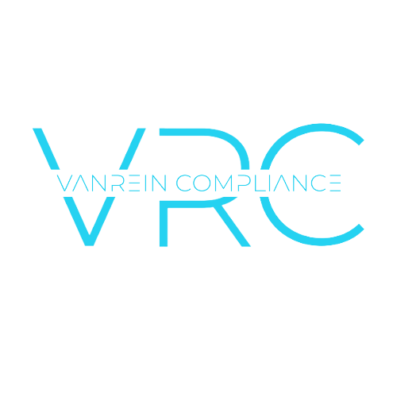
Group Discussion | 11:30am | 12:30pm | Speed Sharing | Maryanne Weeks
Open Discussion | 12:30pm | 1:00pm | Conference Recap, Future Ideas to Draw More People? | ASTAA Board of Directors
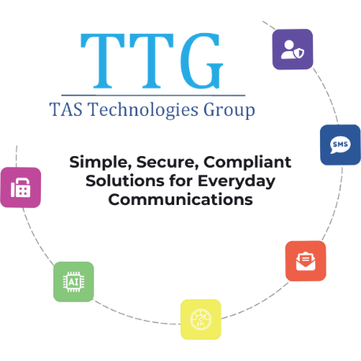

Thank you to our sponsors!




      

