Mad Pelican Media Services
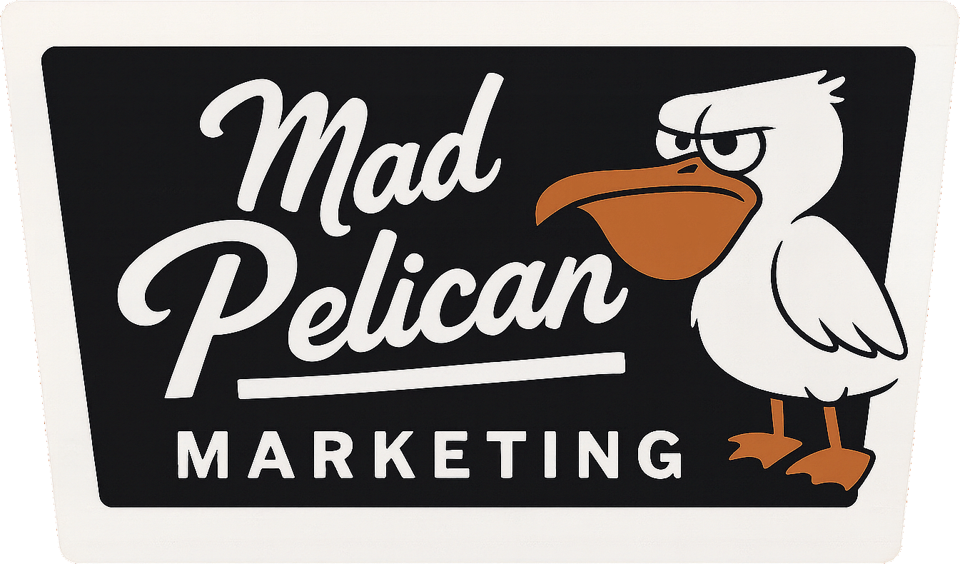
 |  |  | Mad Pelican Marketing Services
 |  |  | Complete by selecting service tasks (2 task minimum).
 |  |  | Add Client Name and Requested Month
 |  |  | When complete, send to: | Josh@MadPelicanMarketing.com
 |  |  | Invoice will be sent with package pricing and paid before monthly work begins

 |  |  | Social Media Management

 |  | FALSE | Platform Management: Manage up to 2 platforms, create 12–15 posts/month, and handle daily engagement.
 |  | FALSE | Paid Social Media Advertising: Create and manage one ad campaign (ad spend not included).
 |  | FALSE | Social Media Strategy: Develop a 3-month content and engagement strategy.
Marketing Packages
Small Package: $1,425/month (5% Discount - $1500/month if priced individually)
Choose 3 tasks from the service menu.
Medium Package: $2,250/month (10% Discount - $2500/month if priced individually)
Choose 5 tasks from the service menu.
Large Package: $2,975/month (15% Discount - $3500/month if priced individually)
Choose 7 tasks from the service menu.
Super Size Package: $3,985/month (20% Discount - $5000/month if priced individually)
Choose 10 tasks from the service menu.
Add additional 5% discount for annual contracts.
Small Total $1350/month $16,200/annually
Medium Total $2125/month $25,500/annually
Large Total $2800/month $33,600/annually
Super Total $3750/month $45,000/annually
 |  |  | Content Creation

 |  | FALSE | Custom Graphics: Create 5–7 branded visuals/month for campaigns or social media.
 |  | FALSE | Blog Writing: Write 2 SEO-optimized blog posts/month (500–800 words).
 |  | FALSE | Video Content Creation: Produce one short promotional video (30–60 seconds).
 |  | FALSE | Infographic Design: Design one detailed, data-driven infographic per month.
 |  | FALSE | Photography Curation: Provide custom or curated photography for campaigns (additional shoot fees may apply).

 |  |  | Email Marketing

 |  | FALSE | Newsletter Creation: Design, write, and send one email newsletter/month.
 |  | FALSE | Email Campaign Management: Create and manage up to 3 email sequences/month.
 |  | FALSE | Subscriber Management: Clean and organize email lists, segment audiences.

 |  |  | SEO Services

 |  | FALSE | On-Page SEO: Optimize up to 5 web pages/month (meta tags, keyword placement).
 |  | FALSE | Local SEO: Optimize Google My Business Account. Add local backlinks if available
 |  | FALSE | SEO Blog Strategy: Conduct keyword research and provide a content calendar.
 |  | FALSE | Technical SEO Audit: Identify site speed issues, broken links, and backend SEO errors.

 |  |  | Website Services

 |  | FALSE | Website Maintenance: Perform regular updates and fixes (up to 3 tasks/month).
 |  | FALSE | Landing Page Design: Create one landing page optimized for lead generation.
 |  | FALSE | Conversion Rate Optimization: Analyze website design and user behavior for improvements.
Total Tasks Selected | 0
Ala-Cart Cost | $0 |  | Advertising Management

Client Name: |  | FALSE | Google Ads Management: Create and manage PPC campaigns (ad spend not included).
Month(s): |  | FALSE | Retargeting Campaigns: Set up campaigns targeting past website visitors.
 |  | FALSE | Influencer Outreach: Identify and negotiate with influencers for collaborations.

 |  |  | Reporting and Analytics

 |  | FALSE | Basic Analytics Report: Provide monthly metrics on social media and website performance.
 |  | FALSE | Advanced Reporting: In-depth analysis of KPIs, audience behavior, and ROI recommendations.
 |  | FALSE | Competitor Analysis: Compare digital marketing efforts to 2–3 competitors.
 |  | FALSE | Market Trends Report: Monthly analysis of industry trends affecting your market.

 |  |  | Branding and Strategy

 |  | FALSE | Brand Audit: Review consistency and quality of branding across platforms.
 |  | FALSE | Marketing Plan Development: Create a 3-month or 6-month actionable marketing plan.
 |  | FALSE | Customer Feedback Analysis: Collect and analyze customer surveys or reviews.

 |  |  | Event Marketing

 |  | FALSE | Event Promotion: Promote one online or in-person event, including graphics and ad campaigns.
 |  | FALSE | Event RSVP Management: Track registrations and follow up with attendees.

 |  |  | Customer Engagement

 |  | FALSE | Online Review Management: Monitor and respond to reviews on Google, Yelp, etc.
 |  | FALSE | Social Listening: Track mentions and sentiment about your brand online.
 |  | FALSE | Customer Service Chatbot Management: Implement and monitor AI-based chatbot responses.

 | Total Tasks | 0

Completion Notes & Links to Completed Work and Reports:

