Value Creation
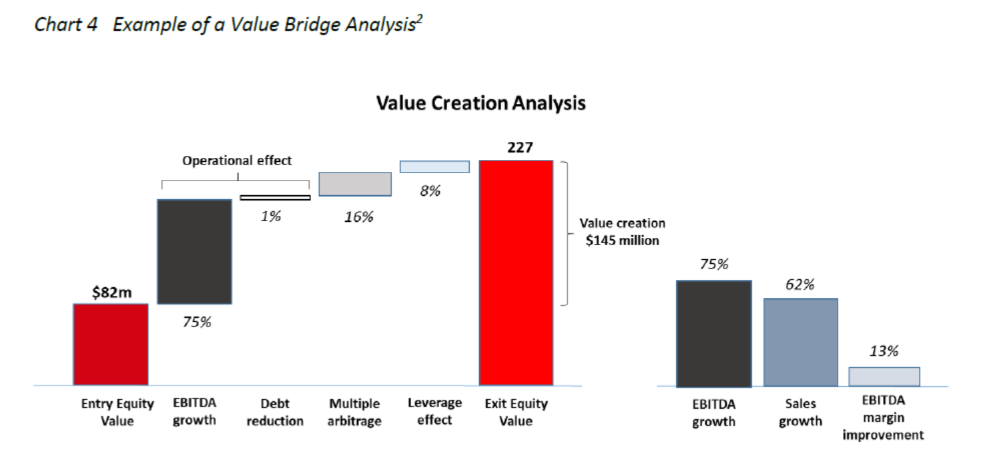
Example Provided Courtesy of Africinvest

Portfolio Company xxxx, Electronics, Tunisia

TND'000 | Entry | Adjusted for AF III | EXIT (or as of valuation date) | Adjusted for AF III | Variance
Ownership % | 8.8% |  | 8.8%
Revenue | 420,100 | 36,906 | 899,986 | 79,065 | 42,159
EBITDA | 38,300 | 3,365 | 75,502 | 6,633 | 3,268
EBITDA margin | 9% |  | 8% |  | -1%
EBITDA multiple | 9.7x |  | 10.4x |  | 0.7x
Net debt | 7,700 | 676 | 63,215 | 5,554 | 4,877
Leverage effect |  | - |  | -
Fund investment | 32,862 |  | 63,616 |  | 30,754
Post money equity Value | 374,064 |  | 724,136 |  | 350,072
Pre money equity value | 341,202
Entreprise Value | 381,764 |  | 787,351 |  | 405,587

Value Creation Build
 | TND'000 |  | %
EBITDA Growth | 31,702 | 31,702 | 100% |  | Average Fx rate at entry | 2.200
Revenue growth |  | 34,307 | 108% |  | Current Fx rate | 3.153
Margin Improvement |  | (2,605) | -8% |  | Variance | 43%
Multiple arbitrage | 4,830 |  | 15%
Debt reduction | (4,877) |  | -15% |  | Comment
Leverage effect | 10,000 |  | 32% |  | We suppose here that the dividends of 10,000 served to pay back the LBO debt
Dividends | - |  | 0%
Total Value created | 31,655 |  | 100%

Data for graph ( Lcy'000) | Base | Fall | Rise | Variance |  | Data for graph ( Fcy'000) | Base | Fall | Rise | Variance | Data for graph ( Fcy'000) | EUR'000 | %
Cost of Investment | 32,862 |  |  | - |  | Cost of Investment | 14,937 € |  |  | - | EBITDA Growth | 10,054 | 116%
EBITDA growth | 32,862 | - | 31,702 | 31,702 |  | EBITDA growth | 14,937 | - | 10,054 | 10,054 | Revenue Growth | 10,880 | 125%
Multiple arbitrage | 64,564 | - | 4,830 | 4,830 |  | Multiple arbitrage | 24,991 | - | 1,532 | 1,532 | Margin Improvement | (826) | -10%
Debt reduction | 64,517 | 4,877 | - | (4,877) |  | Debt reduction | 24,976 | 1,547 | - | (1,547) | Multiple arbitrage | 1,532 | 18%
Leverage effect | 64,517 | - | 10,000 | 10,000 |  | Leverage effect | 24,976 | - | 3,171 | 3,171 | Debt reduction | (1,547) | -18%
Dividends | 64,517 | - | - | - |  | Dividends | 24,976 | - | - | - | Leverage effect | 3,171 | 36%
Total Value | 64,517 |  |  |  |  | Fx effect | 20,461 | 4,515 | - | (4,515) | Dividends | - | 0%
 |  |  |  |  |  | Total Value | 20,461 € |  |  |  | Fx effect | (4,515) | -52%
 |  |  |  |  |  |  |  |  |  |  | Total Value created | 8,695 | 100%
 |  |  |  |  |  | Data for EBITDA drivers | Base | Fall | Rise | Variance
Value Creation Analysis (EUR'000)
Cost of Investment | 14,937
EBITDA growth | 14,937 | - | 10,054
Multiple arbitrage | 24,991 | - | 1,532
Debt reduction | 24,976 | 1,547 | -
Leverage effect | 24,976 | - | 3,171
Dividends | 24,976 | - | -
Fx effect | 20,461 | 4,515 | -
Total Value | 20,461
 |  |  |  |  |  | Revenue growth | 10,880 | - |  | 10,880
 |  |  |  |  |  | Margin Improvement | 10,054 | 826 | - | (826)
 |  |  |  |  |  | EBITDA growth | 10,054
EBITDA components
 | Base | Fall | Rise
Revenue growth | 10,880 | -
Margin Improvement | 10,054 | 826 | -
EBITDA growth | 10,054

