Trail
TRAIL MILE LOG FORM
USE THIS FORM TO LOG YOUR RIDING MILES & MAINTENANCE HOURS
This form is for logging only and not the end of year report form.
✰ Member Summary Form will appear in the fall issues of the GOHC "News & Views."

TIME IN THE SADDLE LOG FORM to be used for any time spent in the saddle that does not fall into the trail mile category (i.e., arena work, showing, driving time, etc.).
This form is for logging only and not the end of year report form. Member Summary Form will appear in the fall issues of the GOHC "News & Views."

EXAMPLE
Date | Ride Location (Color Indicates Which Column to the Right to Enter Miles Ridden) | Description of Other | Miles Ridden in Park/Forest | Miles Ridden on Public / Private | Miles Ridden Out of State
1/1/26 | OTHER - PUBLIC / PRIVATE | Edgewater Beach |  | 3.00 |  |  | Horses Walking Pace
 |  |  |  |  |  |  | Minutes to Go 1 Mile | Miles Covered Per Hour (MPH)

 |  |  |  |  |  |  | 30 | 2 | Use your car's odometer to measure 1 mile of trail near the road. Walk your horse this mile at his normal pace, timing how long he takes to cover the distance. Use the chart to calculate how fast he typically walks per hour. Time your next trail ride. Now you can see how far you've gone based on how fast your horse walks. If you trot or canter during the trail ride, you may want to use 4 mph, the average most riders use.
 |  |  |  |  |  |  | 20 | 3
 |  |  |  |  |  |  | 17 | 3.5
 |  |  |  |  |  |  | 15 | 4
 |  |  |  |  |  |  | 13 | 4.5
 |  |  |  |  |  |  | 12 | 5
 |  |  |  |  |  |  | 11 | 5.5
 |  |  |  |  |  |  | 10 | 6
 |  |  |  |  |  |  | 9 | 5.5
 |  |  |  |  |  |  | 8.5 | 7
 |  |  |  |  |  |  | 8 | 7.5
 |  |  |  |  |  |  | 7.5 | 8

 |  |  |  |  |  |  | Calculate Miles Ridden Based on Time Ridden
 |  |  |  |  |  |  | 1. Determine your horse's speed per hour using the chart above.
 |  |  |  |  |  |  | 2. Enter minutes ridden & MPH below. Miles auto-calculate.
 |  |  |  |  |  |  | 3. Enter Miles Ridden in appropriate column in log.
 |  |  |  |  |  |  | Minutes Ridden | MPH | Miles Ridden

 |  |  |  |  |  | Example | 120 | 4.00 | 8.00
 |  |  |  |  |  |  | 45 | 3.50 | 2.63

 |  |  |  |  |  | Patches achieved throughout your lifetime!
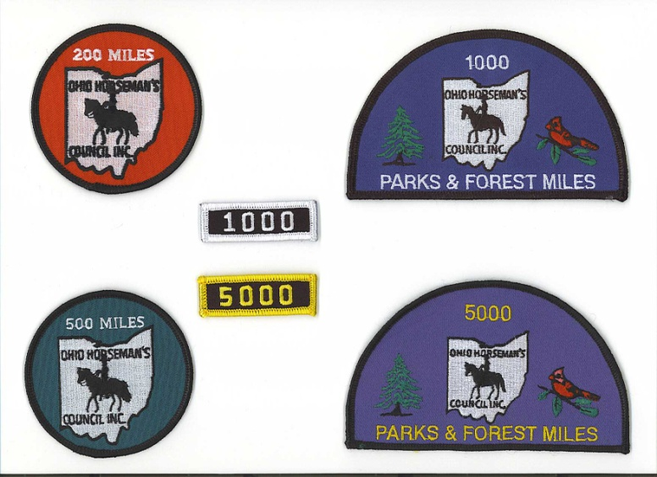

Need more rows? Insert rows above this line to ensure they are included in calculation.
 |  | Totals | 0.00 | 0.00 | 0.00

 |  |  |  | Total Miles | 0.00
General questions contact: Linda Golding |  | MrCoolsMom@aol.com | or 440/669-6369.
Problems with form contact: Cindy Wynne |  | ckwynne1@yahoo.com | or 440/796-5137

Saddle
TIME IN THE SADDLE LOG FORM to be used for any time spent in the saddle that does not fall into the trail mile category (i.e., arena work, showing, driving time, etc.).
This form is for logging only and not the end of year report form. Member Summary Form will appear in the fall issues of the GOHC "News & Views."

EXAMPLE
In the Saddle
Date | Pick from Drop Down | Description |  |  | Time Ridden Rounded to the Nearest 1/4 Hour
2026-01-04 | SCHOOLING | Lesson with Trainer |  |  | 1.00

Need more rows? Insert rows above this line to ensure they are included in calculation.
 |  |  |  | Total | 0.00

General questions: Linda Golding |  |  | MrCoolsMom@aol.com | or 440/669-6369
Form questions: Cindy Wynne |  |  | ckwynne1@yahoo.com | or 440/796-5137

