Example Report Pages
 |  | Return to Main Page

Fitzgerald's 2026 Support Insurance Positions Survey

Example Report Pages

 | Comparative Report Page (EXAMPLE)
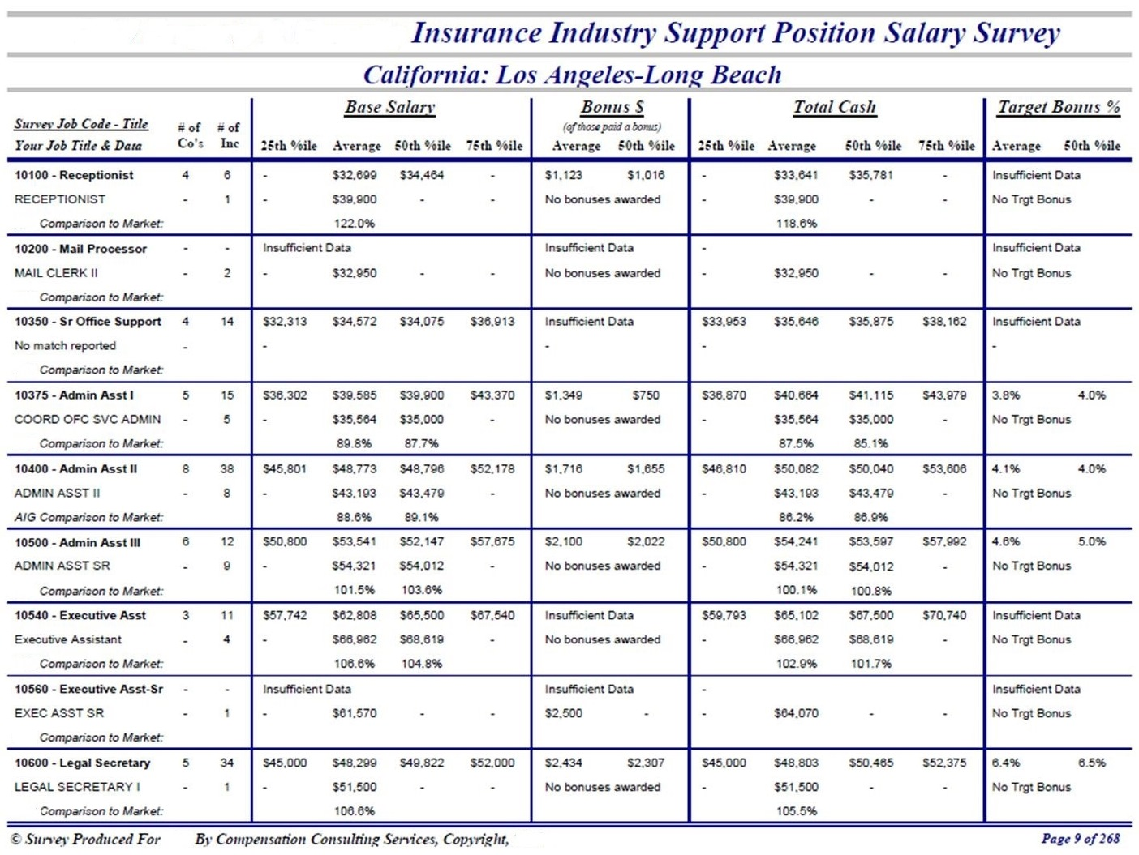

2026 Support Insurance Positions Survey

Example Report Pages
 | Noncomparative Report Page (EXAMPLE)

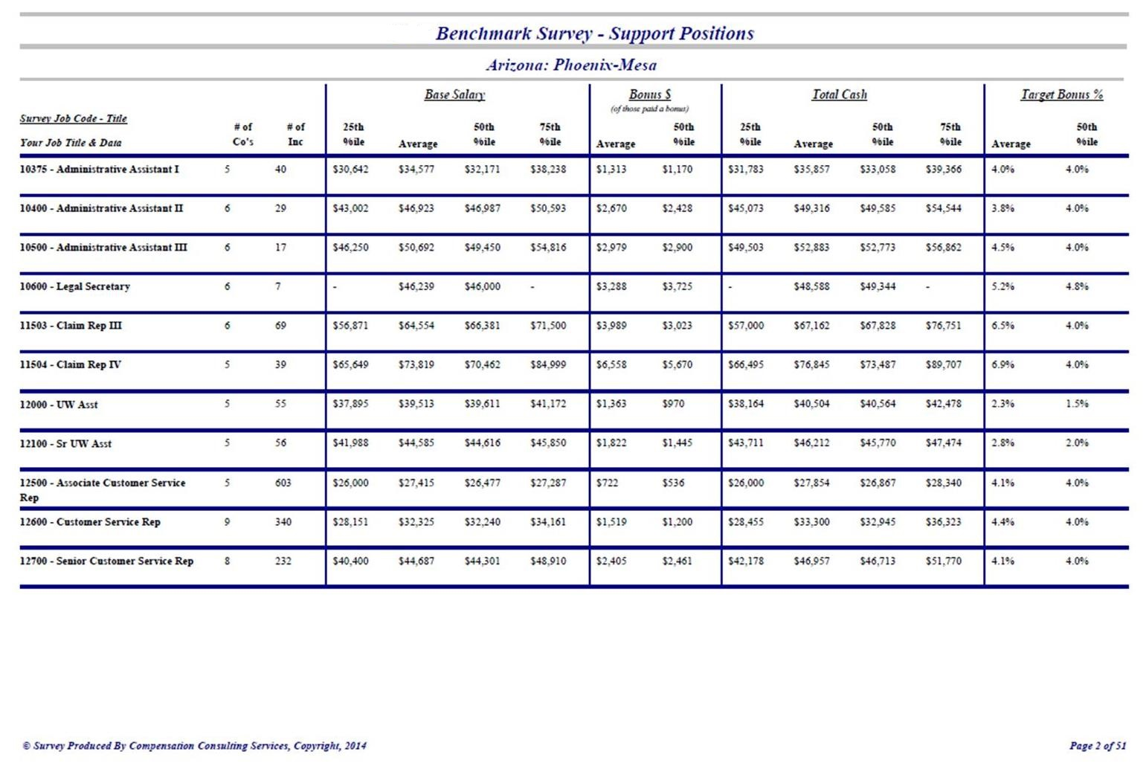

Order Form
Fitzgerald's 2026 Support Insurance Positions Survey Survey Report Order Form

Please indicate your intent to receive the 2026 survey by completing and returning the following information:
 | (Please Type or Print Clearly)

 |  |  |  | Company Name:
 |  |  |  | Mailing Address:
 |  |  |  | City:
 |  |  |  | State: |  |  |  |  |  | Zip/Postal Code:

 |  |  |  | Contact Person:
 |  |  |  |  | First Name |  | Last Name |  |  |  |  | Job Title

 |  |  |  |  | Phone Number |  |  | E-Mail Address

 |  |  |  |  |  |  |  |  | If your company requires a purchase number, please place the number or code in the box provided.
 |  |  |  |  | Purchase Order Number

 |  | See Survey Pricing for further details -- All Prices are in U.S. Dollars. Check the appropriate box below.

 | Our Company is a first-time participant and is eligible for a 50% discount.

 | An online mailbox has been established for those participants wishing to retrieve their survey reports from a confidential, password protected, web site mail box. Upon completion of the survey you will receive a download link message providing you directions to retrieve your report. Reports will be available on line, if selected below, for a period of six months following completion of the survey. Participants may elect, by checking the appropriate box or boxes: "Download Only" or "Emailed Only" to retrieve your report on-line or through email, or "CD" to receive your report on a CD, sent by U.S. postal mail. Participants may elect to both download your survey on line and also select to receive by mail either the CD. When multiple boxes are checked, the total price will be the higher price of the two boxes checked.

 |  |  | Company Size |  |  | Participant Selection Only
 |  |  |  |  |  | Standard Report - Emailed |  |  |  |  | Standard Report - Downloaded

 |  |  | Less than 200 Employees
 |  |  | 200 to 400 Employees
 |  |  | 401 to 700 Employees
 |  |  | Greater than 700 Employees

 |  |  | * If you select Download Only, please make sure your company is able to receive a file from Citrix, if your company can not and Download Only is selected the price of a CD ($25) will be added to an invoice when the CD is sent.

 | Please E-mail the completed form with your data input files by May 15, 2026

619 N Park Dr.
Salisbury, MD 21804
443-736-7753
Sarah.Fitzgerald@fc-surveys.com

