MIAS
 |  | 2026 |  |  |  |  |  |  |  |  |  |  |  |  | 2026-01-01
 | Bill To: |  |  |  | Contact: |  |  |  |  |  |  |  |  |  | MAC IN A SAC
 |  |  |  |  | Phone: |  |  |  |  |  |  |  |  |  | 204-3150 Place De Ramezay
 |  |  |  |  | Email: |  |  |  |  |  |  |  |  |  | Montreal, QC, H3Y 0A3
 |  |  |  |  | Ship Date: CXL Date: |  |  |  |  |  |  |  |  |  | T: 514-823-0900
 |  |  |  |  | PO # : |  |  |  |  |  |  |  |  |  | www.macinasac.com
 |  |  |  |  | Terms:
 | Ship To:

 | ADULTS
 |  |  |  | Size
 | Photo | Description | Color | XXS | XS | S | M | L | XL | XXL | XXXL | Wholesale | MSRP | Total Units | Total $
 | 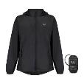 Origin 2 - Black | Origin2 Jacket | Black |  |  |  |  |  |  |  |  | $35.00 | $69.99 | - | $-
 | 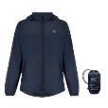 Origin 2 - Navy | Origin2 Jacket | Navy |  |  |  |  |  |  |  |  | $35.00 | $69.99 | - | $-
 | 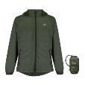 Origin 2 - Khaki | Origin2 Jacket | Khaki |  |  |  |  |  |  |  |  | $35.00 | $69.99 | - | $-
 | 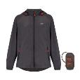 Origin 2 - Charcoal | Origin2 Jacket | Charcoal |  |  |  |  |  |  |  |  | $35.00 | $69.99 | - | $-
 | 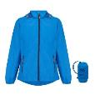 Origin 2 - Ocean Blue | Origin2 Jacket | Ocean Blue |  |  |  |  |  |  |  |  | $35.00 | $69.99 | - | $-
 | 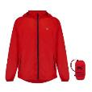 Origin 2 - Red | Origin2 Jacket | Red |  |  |  |  |  |  |  |  | $35.00 | $69.99 | - | $-
 | 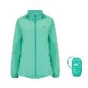 Origin 2 - Tiffany | Origin2 Jacket | Tiffany |  |  |  |  |  |  |  |  | $35.00 | $69.99 | - | $-
 | 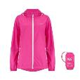 Origin 2 - Pink | Origin2 Jacket | Pink |  |  |  |  |  |  |  |  | $35.00 | $69.99 | - | $-
 | 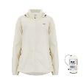 Origin 2 - Ivory | Origin2 Jacket | Ivory |  |  |  |  |  |  |  |  | $35.00 | $69.99 | - | $-
 | 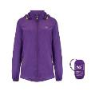 Origin 2 - Purple | Origin2 Jacket | Purple |  |  |  |  |  |  |  |  | $35.00 | $69.99 | - | $-
 | 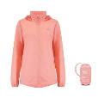 Origin 2 - Soft Coral | Origin2 Jacket (available, not in catalogue) | Soft Coral |  |  |  |  |  |  |  |  | $35.00 | $69.99 | - | $-
 | 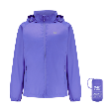 | Origin2 Jacket | Ultraviolet |  |  |  |  |  |  |  |  | $35.00 | $69.99 | - | $-
 | 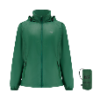 | Origin2 Jacket | Forest Green |  |  |  |  |  |  |  |  | $35.00 | $69.99 | - | $-
 | 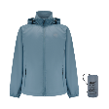 | Origin2 Jacket | Steel Gray |  |  |  |  |  |  |  |  | $35.00 | $69.99 | - | $-
 | 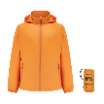 | Origin2 Jacket | Soft Orange |  |  |  |  |  |  |  |  | $35.00 | $69.99 | - | $-
 | 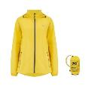 Origin 2 - Yellow | Origin2 Jacket (available, not in catalogue) | Yellow |  |  |  |  |  |  |  |  | $35.00 | $69.99 | - | $-
 | 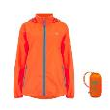 Neon - Orange | Neon2 Jacket | Neon Orange |  |  |  |  |  |  |  |  | $35.00 | $69.99 | - | $-
 | 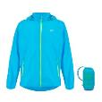 Neon - Blue | Neon2 Jacket | Neon Blue |  |  |  |  |  |  |  |  | $35.00 | $69.99 | - | $-
 | 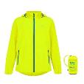 Neon - Yellow | Neon2 Jacket | Neon Yellow |  |  |  |  |  |  |  |  | $35.00 | $69.99 | - | $-
 | 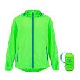 Neon - Green | Neon2 Jacket | Neon Green |  |  |  |  |  |  |  |  | $35.00 | $69.99 | - | $-
 | 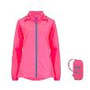 Neon - Pink | Neon2 Jacket (available, not in catalogue) | Neon Pink |  |  |  |  |  |  |  |  | $35.00 | $69.99 | - | $-
 | Neon - Pink | Neon2 Jacket | Neon Watermelon |  |  |  |  |  |  |  |  | $35.00 | $69.99 | - | $-
 | 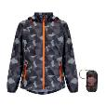 | Edition2 Jacket | Black |  |  |  |  |  |  |  |  | $35.00 | $69.99 | - | $-
 | 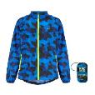 Edition 2 - Blue | Edition2 Jacket | Blue |  |  |  |  |  |  |  |  | $35.00 | $69.99 | - | $-
 | 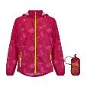 Edition 2 - Pink | Edition2 Jacket | Pink |  |  |  |  |  |  |  |  | $35.00 | $69.99 | - | $-
 | 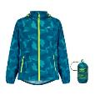 Edition 2 - Teal | Edition2 Jacket | Teal |  |  |  |  |  |  |  |  | $35.00 | $69.99 | - | $-
 | 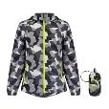 Edition 2 - White | Edition2 Jacket | White |  |  |  |  |  |  |  |  | $35.00 | $69.99 | - | $-
 |  | Edition2 Jacket | Green |  |  |  |  |  |  |  |  | $35.00 | $69.99 | - | $-
 | 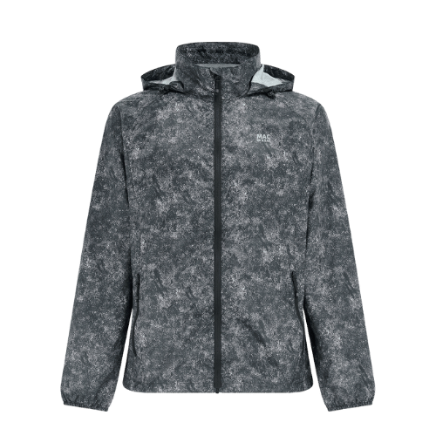 | Edition2 Jacket | Black Etch
 | 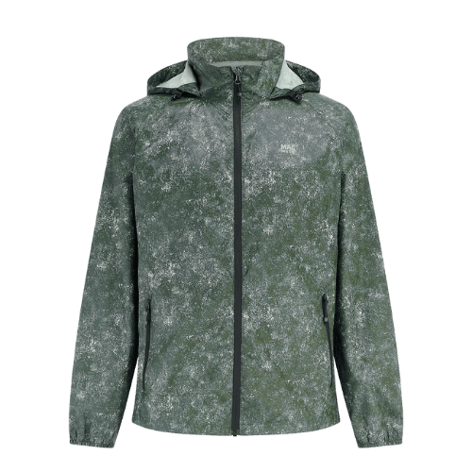 | Edition2 Jacket | Khaki Etch
 | 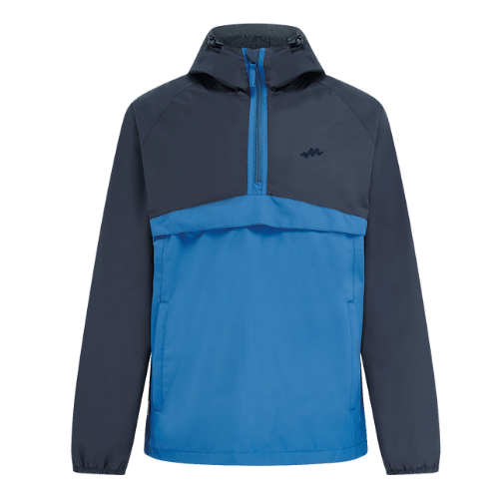 | Nomad Jacket | Navy/Blue |  |  |  |  |  |  |  |  | $49.50 | $99.00 | - | $-
 | 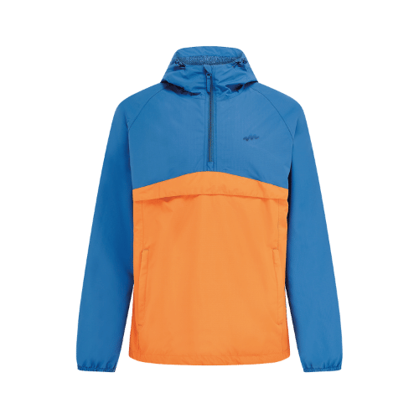 | Nomad Jacket | Blue/Burnt Orange |  |  |  |  |  |  |  |  | $49.50 | $99.00 | - | $-
 | 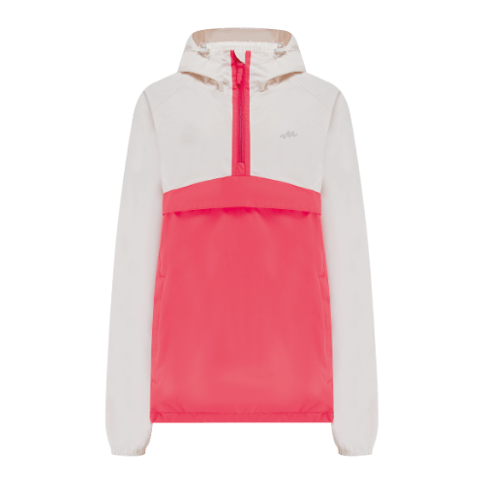 | Nomad Jacket | Ivory/Poppy |  |  |  |  |  |  |  |  | $49.50 | $99.00 | - | $-
 | 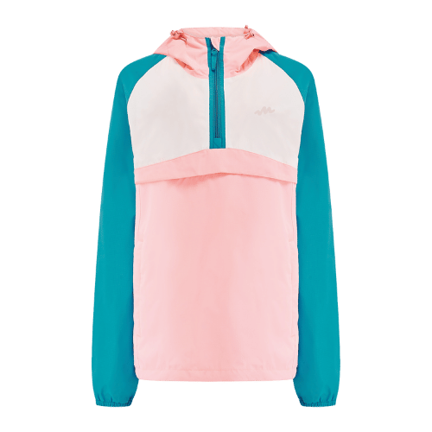 | Nomad Jacket | Teal/Pink/Ivory |  |  |  |  |  |  |  |  | $49.50 | $99.00 | - | $-
 | Poncho2 - Neon Blue | Packable Waterproof Poncho - Unisex - One Size | Neon Blue |  |  |  |  |  |  |  |  | $35.00 | $69.99 | - | $-
 | Poncho2 - Neon Yellow | Packable Waterproof Poncho - Unisex - One Size | Neon Yellow |  |  |  |  |  |  |  |  | $35.00 | $69.99 | - | $-
 | Poncho2 - Neon Green | Packable Waterproof Poncho - Unisex - One Size | Neon Green |  |  |  |  |  |  |  |  | $35.00 | $69.99 | - | $-
 | Poncho2 - Neon Orange | Packable Waterproof Poncho - Unisex - One Size | Neon Orange |  |  |  |  |  |  |  |  | $35.00 | $69.99 | - | $-
 | 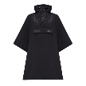 Poncho2 - Khaki | Packable Waterproof Poncho - Unisex - One Size | Black |  |  |  |  |  |  |  |  | $35.00 | $69.99 | - | $-
 | 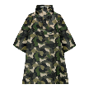 Poncho2 - Khaki | Packable Waterproof Poncho - Unisex - One Size | Green Camo |  |  |  |  |  |  |  |  | $35.00 | $69.99 | - | $-
 | Poncho2 - Khaki | Packable Waterproof Poncho - Unisex - One Size | Khaki |  |  |  |  |  |  |  |  | $35.00 | $69.99 | - | $-
 | 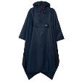 Poncho2 - Navy | Packable Waterproof Poncho - Unisex - One Size | Navy |  |  |  |  |  |  |  |  | $35.00 | $69.99 | - | $-
 | Full Zip 2 - Black | Full Zip 2 Packable Overtrousers | Black |  |  |  |  |  |  |  |  | $27.50 | $54.99 | - | $-
 | Full Zip 2 - Neon Yellow | Full Zip 2 Packable Overtrousers | Neon Yellow |  |  |  |  |  |  |  |  | $27.50 | $54.99 | - | $-
 |  | Full Zip 2 Packable Overtrousers | Neon Blue |  |  |  |  |  |  |  |  | $27.50 | $54.99 | - | $-
 | Overtrouser 2 - Black | Overtrouser 2 Packable Pull-On Pant | Black |  |  |  |  |  |  |  |  | $20.00 | $39.99 | - | $-
 | Overtrouser 2 - Khaki | Overtrouser 2 Packable Pull-On Pant | Khaki |  |  |  |  |  |  |  |  | $20.00 | $39.99 | - | $-
 | Overtrouser 2 - Navy | Overtrouser 2 Packable Pull-On Pant | Navy |  |  |  |  |  |  |  |  | $20.00 | $39.99 | - | $-
 | Polar Mens - Black_Charcoal | Polar2 Down Reversible (Men) | Jet Black / Charcoal |  |  |  |  |  |  |  |  | $50.00 | $99.99 | - | $-
 | 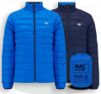 Polar Mens - Royal_Flame | Polar2 Down Reversible (Men) | Navy/Saxe Blue |  |  |  |  |  |  |  |  | $50.00 | $99.99 | - | $-
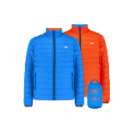 |  | Polar2 Down Reversible (Men) (available, not in catalogue) | Royal/Flame |  |  |  |  |  |  |  |  | $50.00 | $99.99 | - | $-
 | 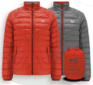 Polar Mens - Red_Navy | Polar2 Down Reversible (Men) | Orange/Grey |  |  |  |  |  |  |  |  | $50.00 | $99.99 | - | $-
 | 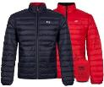 | Polar2 Down Reversible (Men) | Navy/Red |  |  |  |  |  |  |  |  | $50.00 | $99.99 | - | $-
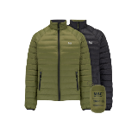 |  | Polar2 Down Reversible (Men) | Khaki/Black |  |  |  |  |  |  |  |  | $50.00 | $99.99 | - | $-
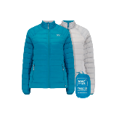 |  | Polar2 Down Reversible (Ladies) | Petrol/Soft Grey |  |  |  |  |  |  |  |  | $50.00 | $99.99 | - | $-
 | 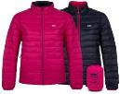 Polar Ladies - Black_Teal | Polar2 Down Reversible (Ladies) | Fuchsia / Navy |  |  |  |  |  |  |  |  | $50.00 | $99.99 | - | $-
 | 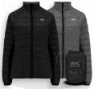 Polar Ladies - Fushia_Navy | Polar2 Down Reversible (Ladies) | Black/Grey |  |  |  |  |  |  |  |  | $50.00 | $99.99 | - | $-
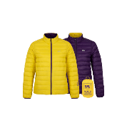 |  | Polar2 Down Reversible (Ladies) (available, not in catalogue) | Yellow/Grape |  |  |  |  |  |  |  |  | $50.00 | $99.99 | - | $-
 | 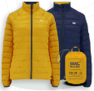 Polar Ladies - Yellow_Grape | Polar2 Down Reversible (Ladies) | Navy/Mustard |  |  |  |  |  |  |  |  | $50.00 | $99.99 | - | $-
 | 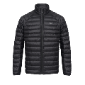 | Synergy Thermolite Jacket (Men) | Jet Black |  |  |  |  |  |  |  |  | $45.00 | $89.99 | - | $-
 | 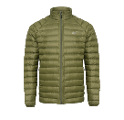 | Synergy Thermolite Jacket (Men) | Khaki |  |  |  |  |  |  |  |  | $45.00 | $89.99 | - | $-
 | 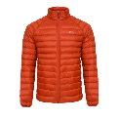 | Synergy Thermolite Jacket (Men) | Burnt Orange |  |  |  |  |  |  |  |  | $45.00 | $89.99 | - | $-
 | 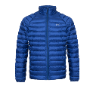 | Synergy Thermolite Jacket (Men) | Sapphire Blue |  |  |  |  |  |  |  |  | $45.00 | $89.99 | - | $-
 | 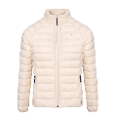 | Synergy Thermolite Jacket (Ladies) | Ivory |  |  |  |  |  |  |  |  | $45.00 | $89.99 | - | $-
 |  | Synergy Thermolite Jacket (Ladies) | Watermelon |  |  |  |  |  |  |  |  | $45.00 | $89.99 | - | $-
 |  | Synergy Thermolite Jacket (Ladies) | Teal |  |  |  |  |  |  |  |  | $45.00 | $89.99 | - | $-
 |  | Synergy Thermolite Jacket (Ladies) (available, not in catalogue) | Jet Black |  |  |  |  |  |  |  |  | $45.00 | $89.99 | - | $-
 | Alpine Mens - Black | Alpine Down Vest (Men) | Black |  |  |  |  |  |  |  |  | $35.00 | $69.99 | - | $-
 | Alpine Mens - Royal Blue | Alpine Down Vest (Men) | Navy |  |  |  |  |  |  |  |  | $35.00 | $69.99 | - | $-
 | Alpine Mens - Red | Alpine Down Vest (Men) | Burnt Orange |  |  |  |  |  |  |  |  | $35.00 | $69.99 | - | $-
 | Alpine Ladies - Black | Alpine Down Vest (Ladies) | Black |  |  |  |  |  |  |  |  | $35.00 | $69.99 | - | $-
 | Alpine Ladies - Fuchsia | Alpine Down Vest (Ladies) | Fuchsia |  |  |  |  |  |  |  |  | $35.00 | $69.99 | - | $-
 |  | Alpine Down Vest (Ladies) | Navy |  |  |  |  |  |  |  |  | $35.00 | $69.99 | - | $-
 |  | Alpine Down Vest (Ladies) | Ivory |  |  |  |  |  |  |  |  | $35.00 | $69.99 | - | $-
 |  | Synergy Thermolite Vest (Men) | Black |  |  |  |  |  |  |  |  | $35.00 | $69.99 | - | $-
 |  | Synergy Thermolite Vest (Men) | Sapphire Blue |  |  |  |  |  |  |  |  | $35.00 | $69.99 | - | $-
 |  | Synergy Thermolite Vest (Men) | Khaki |  |  |  |  |  |  |  |  | $35.00 | $69.99 | - | $-
 |  | Synergy Thermolite Vest (Men) | Burnt Orange |  |  |  |  |  |  |  |  | $35.00 | $69.99 | - | $-
 |  | Synergy Thermolite Vest (Ladies) | Navy |  |  |  |  |  |  |  |  | $35.00 | $69.99 | - | $-
 |  | Synergy Thermolite Vest (Ladies) | Ivory |  |  |  |  |  |  |  |  | $35.00 | $69.99 | - | $-
 |  | Synergy Thermolite Vest (Ladies) | Soft Teal |  |  |  |  |  |  |  |  | $35.00 | $69.99 | - | $-
 |  | Synergy Thermolite Vest (Ladies) | Watermelon |  |  |  |  |  |  |  |  | $35.00 | $69.99 | - | $-
 |  | Venture Ultralite Jacket (Men) | Jet Black |  |  |  |  |  |  |  |  | $50.00 | $99.99 | - | $-
 |  | Venture Ultralite Jacket (Men) | Blue |  |  |  |  |  |  |  |  | $50.00 | $99.99 | - | $-
 |  | Venture Ultralite Jacket (Men) | Navy |  |  |  |  |  |  |  |  | $50.00 | $99.99 | - | $-
 |  | Venture Ultralite Jacket (Men) | Neon Orange |  |  |  |  |  |  |  |  | $50.00 | $99.99 | - | $-
 |  | Venture Ultralite Jacket (Men) | Neon Yellow |  |  |  |  |  |  |  |  | $50.00 | $99.99 | - | $-
 |  | Venture Ultralite Jacket (Women) | Black
 |  | Venture Ultralite Jacket (Ladies) | Navy |  |  |  |  |  |  |  |  | $50.00 | $99.99 | - | $-
 |  | Venture Ultralite Jacket (Ladies) | White |  |  |  |  |  |  |  |  | $50.00 | $99.99 | - | $-
 |  | Venture Ultralite Jacket (Ladies) | Neon Watermelon |  |  |  |  |  |  |  |  | $50.00 | $99.99 | - | $-
 |  | Venture Ultralite Jacket (Ladies) | Neon Yellow |  |  |  |  |  |  |  |  | $50.00 | $99.99 | - | $-
 |  | Summit: Hooded Down Jacket (Men) | Black |  |  |  |  |  |  |  |  | $70.00 | $139.99 | - | $-
 |  | Summit: Hooded Down Jacket (Men) | Flame |  |  |  |  |  |  |  |  | $70.00 | $139.99 | - | $-
 |  | Summit: Hooded Down Jacket (Men) | Ocean Blue |  |  |  |  |  |  |  |  | $70.00 | $139.99 | - | $-
 |  | Summit: Hooded Down Jacket (Women) | Black |  |  |  |  |  |  |  |  | $70.00 | $139.99 | - | $-
 |  | Summit: Hooded Down Jacket (Women) | Pink |  |  |  |  |  |  |  |  | $70.00 | $139.99 | - | $-
 |  | Summit: Hooded Down Jacket (Women) | Mint |  |  |  |  |  |  |  |  | $70.00 | $139.99 |  | $-
 |  | Ultralite Waterproof Pants (Men) | Black |  |  |  |  |  |  |  |  | $45.00 | $89.99 |  | $-
 |  | Ultralite Waterproof Pants (Women) | Black |  |  |  |  |  |  |  |  | $45.00 | $89.99 | - | $-
 |  | Travelite Packable Backpack (2-3 Wk Delivery) | Black |  |  |  |  |  |  |  |  | $34.50 | $68.99 | - | $-
 |  | Travelite Packable Backpack (2-3 Wk Delivery) | Khaki |  |  |  |  |  |  |  |  | $34.50 | $68.99 | - | $-
 |  | Travelite Packable Backpack (2-3 Wk Delivery) | Burnt Orange |  |  |  |  |  |  |  |  | $34.50 | $68.99 | - | $-
 |  | Speed Pro Hydration Pack (2-3 Wk Delivery) | Black |  |  |  |  |  |  |  |  | $49.50 | $98.99 | - | $-
 |  | Ultralite Waterproof Cap | Black |  |  |  |  |  |  |  |  | $10.00 | $19.99 | - | $-
 |  | Ultralite Waterproof Cap | Navy |  |  |  |  |  |  |  |  | $10.00 | $19.99 | - | $-

 | KIDS
 |  |  |  | Size
 | Photo | Description | Color | 2/4 |  | 5/7 |  | 8/10 |  | 11/13 |  | Wholesale | MSRP | Total Units | Total $
 | Mini Origin 2 - Navy | Mini Origin 2 Jacket | Navy |  |  |  |  |  |  |  |  | $30.00 | $59.99 | - | $-
 | Mini Origin 2 - Ocean Blue | Mini Origin 2 Jacket | Ocean Blue |  |  |  |  |  |  |  |  | $30.00 | $59.99 | - | $-
 | Mini Origin 2 - Red | Mini Origin 2 Jacket | Red |  |  |  |  |  |  |  |  | $30.00 | $59.99 | - | $-
 | Mini Origin 2 - Red | Mini Origin 2 Jacket (available, not in catalogue) | Pea Green |  |  |  |  |  |  |  |  | $30.00 | $59.99 | - | $-
 | Mini Origin 2 - Red | Mini Origin 2 Jacket | Bottle Green |  |  |  |  |  |  |  |  | $30.00 | $59.99 | - | $-
 | Mini Origin 2 - Red | Mini Origin 2 Jacket | Black |  |  |  |  |  |  |  |  | $30.00 | $59.99 | - | $-
 | Mini Origin 2 - Sweet Pea | Mini Origin 2 Jacket | Sweet Pea |  |  |  |  |  |  |  |  | $30.00 | $59.99 | - | $-
 | Mini Origin 2 - Yellow | Mini Origin 2 Jacket | Yellow |  |  |  |  |  |  |  |  | $30.00 | $59.99 | - | $-
 | Mini Origin 2 - Yellow | Mini Neon 2 Jacket (available, not in catalogue) | Neon Pink |  |  |  |  |  |  |  |  | $30.00 | $59.99 | - | $-
 | Mini Origin 2 - Yellow | Mini Neon 2 Jacket | Neon Yellow |  |  |  |  |  |  |  |  | $30.00 | $59.99 | - | $-
 | Mini Origin 2 - Yellow | Mini Neon 2 Jacket | Neon Green |  |  |  |  |  |  |  |  | $30.00 | $59.99 | - | $-
 | Mini Origin 2 - Yellow | Mini Neon 2 Jacket | Neon Blue |  |  |  |  |  |  |  |  | $30.00 | $59.99 | - | $-
 |  | Mini Neon 2 Jacket | Neon Orange |  |  |  |  |  |  |  |  | $30.00 | $59.99 | - | $-
 |  | Mini Edition 2 Jacket | Blue Camo |  |  |  |  |  |  |  |  | $30.00 | $59.99 | - | $-
 |  | Mini Edition 2 Jacket | Pink Camo |  |  |  |  |  |  |  |  | $30.00 | $59.99 | - | $-
 |  | Mini Overtrouser 2 Packable Pull-On Pant | Black |  |  |  |  |  |  |  |  | $17.50 | $34.99 | - | $-
 |  | Mini Overtrouser 2 Packable Pull-On Pant | Navy |  |  |  |  |  |  |  |  | $17.50 | $34.99 | - | $-

 |  |  |  | Size
 | Photo | Description | Color | 3/4 | 5/6 | 7/8 | 9/10 | 11/12 |  |  |  | Wholesale | MSRP | Total Units | Total $
 |  | Mini Polar 2 Jacket (Kids) | Red/Navy |  |  |  |  |  |  |  |  | $40.00 | $79.99 | - | $-
 |  | Mini Polar 2 Jacket (Kids) | Saxe Blue/Navy |  |  |  |  |  |  |  |  | $40.00 | $79.99 | - | $-
 |  | Mini Polar 2 Jacket (Kids) | Pea Green/Navy |  |  |  |  |  |  |  |  | $40.00 | $79.99 | - | $-
 |  | Mini Polar 2 Jacket (Kids) | Candy Pink/Bright Pink |  |  |  |  |  |  |  |  | $40.00 | $79.99 | - | $-
 |  | Mini Polar 2 Jacket (Kids) | Bright Pink/Turquoise |  |  |  |  |  |  |  |  | $40.00 | $79.99 | - | $-

 | DISPLAYS - No charge with 50pc order (Customer pays shipping)
 | Style# | Description | MOQ | Images |  |  |  |  |  |  |  |  |  |  | Units
 | 36pc Display | 36pcs display bars 5pcs asst size hang rod 1pc body form | 50 pcs
 | 48pc Display (Kids) | 48pcs display bars 5pcs asst size hang rod 1pc body form | 50 pcs
 | 72pc Display | 72pcs display bars 5pcs asst size hang rod 1pc body form | 50 pcs
 | 108pc Display | 108pcs display bars 5pcs asst size hang rod 1pc body form | 50 pcs

 |  |  |  |  |  |  |  |  |  |  |  | Totals |  | #REF! | #REF!

