Baby
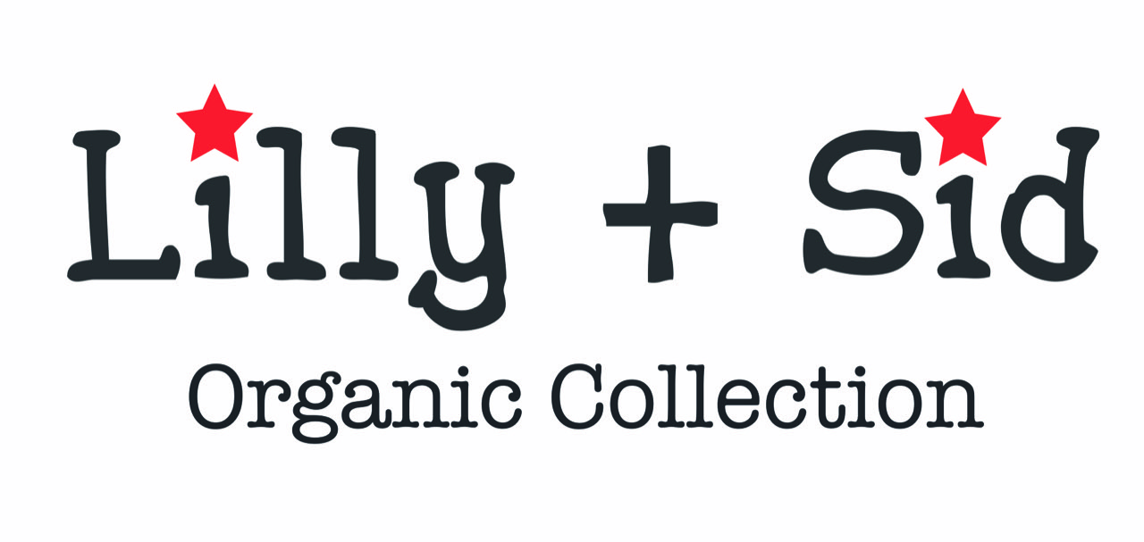
Customer Name |  |  |  |  |  |  |  | USA
Address |  |  |  |  |  |  | Delivery Mid February 2020
 |  |  |  |  |  |  |  | US DOLLAR
Email
Notes/PO |  |  |  |  | 0-6m | 0-3m | 3-6m | 6-12m | 12-18m | 18-24m | One Size
Baby Boy | HLSBB107 | Stripe Pocket Top | $8.00 | $- |  |  |  |  |  |  |  | 0-2
Baby Boy | HLSBB108 | Stripe Pocket Top | $8.00 | $- |  |  |  |  |  |  |  | 0-2
Baby Boy | HLSBB300 | Character Woven Check Romper | $16.00 | $- |  |  |  |  |  |  |  | 0-18
Baby Boy | HLSBB301 | Cheetah Baby Sweatshirt And Stripe Leggings Set | $22.00 | $- |  |  |  |  |  |  |  | 0-2
Baby Boy | HLSBB302 | Cheetah Shorts Set | $22.00 | $- |  |  |  |  |  |  |  | 0-2
Baby Boy | HLSBB303 | Cheetah Dungaree Set | $22.00 | $- |  |  |  |  |  |  |  | 0-2
Baby Boy | HLSBB304 | Applique Chambray Short Set- Tiger Stripe | $22.00 | $- |  |  |  |  |  |  |  | 0-2
Baby Boy | HLSBB305 | Applique Stripe Romper- Tiger | $15.00 | $- |  |  |  |  |  |  |  | 0-12
Baby Boy | HLSBB306 | Safari Print Romper | $15.00 | $- |  |  |  |  |  |  |  | 0-12
Baby Boy | HLSBB307 | Safari Print Dungaree Set | $22.00 | $- |  |  |  |  |  |  |  | 0-2
Baby Boy | HLSBB308 | Safari Leggings And Bus Set | $22.00 | $- |  |  |  |  |  |  |  | 0-2
Baby Boy | HLSBB309 | Stripe Dungaree | $16.00 | $- |  |  |  |  |  |  |  | 0-2
Baby Boy | HLSBB310 | Seal Print Romper | $15.00 | $- |  |  |  |  |  |  |  | 0-12
Baby Boy | HLSBB312 | Seal Playsuit/Hat Set | $16.00 | $- |  |  |  |  |  |  |  | 0-12
Baby Boy | HLSBB313 | Seal Pocket Set | $22.00 | $- |  |  |  |  |  |  |  | 0-2
Baby Boy | HLSBB316 | Reversible Check Shortie Dungaree | $16.00 | $- |  |  |  |  |  |  |  | 0-2
Baby Boy | HLSBB317 | Reversible Check Trouser Set- Sunny Days | $24.00 | $- |  |  |  |  |  |  |  | 0-2
Baby Boy | HLSBB318 | Reversible Short Set- Seal | $24.00 | $- |  |  |  |  |  |  |  | 0-2
Baby Boy | HLSBB319 | Reversible Trouser Set- Fishy | $24.00 | $- |  |  |  |  |  |  |  | 0-2
Baby Boy | HLSBB320 | Applique Romper- Stingray | $15.00 | $- |  |  |  |  |  |  |  | 0-12
Baby Boy | HLSBB322 | 3Pc Short Set- Fish | $24.00 | $- |  |  |  |  |  |  |  | 0-2
Baby Boy | HLSBB324 | Fish Shortie Dungaree | $16.00 | $- |  |  |  |  |  |  |  | 0-2
Baby Boy | HLSBB340 | Cheetah Cub Jacket | $22.00 | $- |  |  |  |  |  |  |  | 0-2
Baby Boy | HLSBB350 | Reversible Jersey Short Set | $22.00 | $- |  |  |  |  |  |  |  | 0-2
Baby Boy | HLSBB351 | Reversible Jersey Dungaree | $19.00 | $- |  |  |  |  |  |  |  | 0-2
Baby Boy | HLSBB352 | Bear Bottom /Reversible Shirt Set | $24.00 | $- |  |  |  |  |  |  |  | 0-2
Baby Boy | HLSBB355 | Reversible Leggings | $10.00 | $- |  |  |  |  |  |  |  | 0-2
Baby Girl | HLSBG105 | Basic Layering Top Pink | $8.00 | $- |  |  |  |  |  |  |  | 0-2
Baby Girl | HLSBG300 | Shortie Dungarees- Flamingo | $16.00 | $- |  |  |  |  |  |  |  | 0-2
Baby Girl | HLSBG301 | Woven Dungarees- Safari | $16.00 | $- |  |  |  |  |  |  |  | 0-2
Baby Girl | HLSBG302 | Sea Yoke Sunny Suit | $16.00 | $- |  |  |  |  |  |  |  | 0-18
Baby Girl | HLSBG303 | Fabric Mix Dress- Safari | $15.00 | $- |  |  |  |  |  |  |  | 0-2
Baby Girl | HLSBG304 | Fabric Mix Dress-Flamingo | $15.00 | $- |  |  |  |  |  |  |  | 0-2
Baby Girl | HLSBG305 | Safari Reverse Dress And Stripe Top Set | $24.00 | $- |  |  |  |  |  |  |  | 0-2
Baby Girl | HLSBG308 | Flamingo Shorts Set | $22.00 | $- |  |  |  |  |  |  |  | 0-2
Baby Girl | HLSBG309 | Safari Shorts Set | $22.00 | $- |  |  |  |  |  |  |  | 0-2
Baby Girl | HLSBG310 | Dress/Leggings Set- Flamingo | $24.00 | $- |  |  |  |  |  |  |  | 0-2
Baby Girl | HLSBG311 | Flamingo Sunny Suit | $16.00 | $- |  |  |  |  |  |  |  | 0-18
Baby Girl | HLSBG312 | Applique Hem Dress- Safari | $19.00 | $- |  |  |  |  |  |  |  | 0-2
Baby Girl | HLSBG315 | Whale Applique Romper | $16.00 | $- |  |  |  |  |  |  |  | 0-12
Baby Girl | HLSBG316 | Character Face Dungaree | $18.00 | $- |  |  |  |  |  |  |  | 0-2
Baby Girl | HLSBG317 | Butterfly Yoke Dress | $19.00 | $- |  |  |  |  |  |  |  | 0-2
Baby Girl | HLSBG318 | Butterfly Yoke Sunny Suit | $16.00 | $- |  |  |  |  |  |  |  | 0-2
Baby Girl | HLSBG322 | Fabric Mix Dress-Fish | $15.00 | $- |  |  |  |  |  |  |  | 0-2
Baby Girl | HLSBG325 | Flamingo Playsuit | $16.00 | $- |  |  |  |  |  |  |  | 0-12
Baby Girl | HLSBG326 | Zebra Romper | $15.00 | $- |  |  |  |  |  |  |  | 0-12
Baby Girl | HLSBG343 | Reversible Check Sundress Set | $22.00 | $- |  |  |  |  |  |  |  | 0-2
Baby Girl | HLSBG503 | Butterfly Wave Jersey Dress | $16.00 | $- |  |  |  |  |  |  |  | 0-2
Baby Girl | HLSBG505 | Basic Layering T ( Frill Neck Stripe) | $8.00 | $- |  |  |  |  |  |  |  | 0-2
Baby Girl | HLSBG506 | Sea Friends Applique Legging | $8.00 | $- |  |  |  |  |  |  |  | 0-2
Baby Girl | HLSBG507 | Stripe Sea Friends Applique Dungaree | $16.00 | $- |  |  |  |  |  |  |  | 0-2
Baby Girl | HLSBG508 | Flamingo Check Dress And Leggings Set | $24.00 | $- |  |  |  |  |  |  |  | 0-2
Baby Girl | HLSBG509 | Reversible Stripe Dress | $19.00 | $- |  |  |  |  |  |  |  | 0-2
Baby Girl | HLSBG510 | Character Face Romper | $16.00 | $- |  |  |  |  |  |  |  | 0-12

 |  | Total Baby |  | $-

