Reimbursement Request
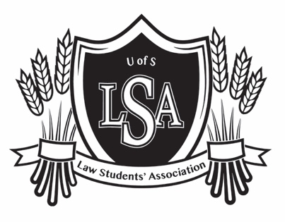
REIMBURSEMENT REQUEST
 |  |  | Law Students' Association
 |  |  | Room 80, College of Law
 |  |  | University of Saskatchewan
 |  |  | Saskatoon, SK S7N 5A6
 |  |  | Phone: (306) 966-7757
 |  |  | stephanie.chelack@usask.ca
SUBMITTED BY: | [Name]
EMAIL FOR E-TRANSFER: | [Email]
DATE SUBMITTED: | [Date]
ENCLOSURES: | [Number of Receipts Submitted]
 | NOTE: LSA policy dictates proof of receipt to obtain reimbursement. Attach electronically to Receipt portion of this form (2nd sheet).
 | Please email form to stephanie.chelack@usask.ca including your receipts inserted on the 2nd sheet
DESCRIPTION |  |  | AMOUNT
[Enter description of expense incurred for LSA--club/portfolio, event, and specific expense(s)]
[Note: where applicable, please describe the expense in accordance with your portfolio or club's budget as closely as possible.]

 |  | TOTAL | $-

ADMINISTRATIVE PURPOSES ONLY
Cheque No/E-Transfer Authorization No:
Reimbursed On:

