Briefing Book
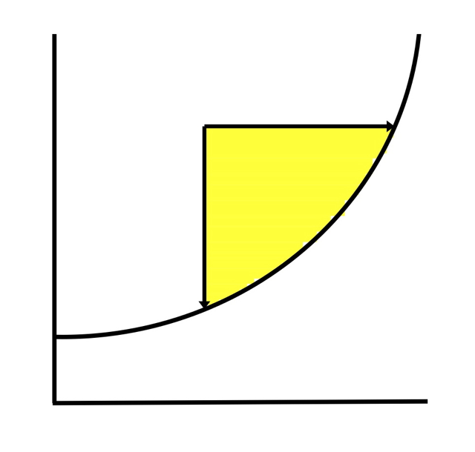
 |  |  | GMROI Lot Size Overview |  |  | ®

 | For more information on GMROI, see | http://www.inventorycurve.com/GMROI.html

 |  |  |  |  | Inventory Curve LLC

Jump To: | Purpsose: The GMROI - Purchasing tool evaluates the effect of minimum purchase quantities, the associated cost and the resulting GMROI. Two side-by-side versions are presented. One is based only on the minimum quantity and associated cost. The other allows for optional entry of estimated order cost and per unit freight costs. |  |  | Limitations and work-arounds Historically, GMROI had been used in wholesale and retail envirionments. It can be used in manufacturing. For raw materials, create a surrogate Target Selling Price. This might be: * A sales price you use if you also resell the raw material item. * A sales price determined by using your standard mateerial overhead rate. * A sales price based on your normal finished goods mark-up.

Data Entry and Results

Quick GMROI

 | Calculations Average Inventory = Quantity at Break Point ÷ 2 Inventory Turnover (ITO) = Estimated Annual Demand/Usage ÷ Average Inventory Gross Profit = Target Selling Price − Cost at Break Point or for Optional Calculation: Gross Profit = Target Selling Price − Cost at Break Point − pro-rated order cost − estimated unit freight cost Gross Profit % (GP%) = Gross Profit ÷ Target Selling Price Cost of Goods Sold % (CGS%) = 100% - GP% Gross Margin Return on Inventory Investment (GMROI) =(GP% ÷ CGS%) × ITO. Interpreted as the gross profit earned for every dollar invested in inventory.

 | Copyright © David J. Armstrong, 2013

Data Entry and Results
®
 |  |  |  |  |  |  |  | GMROI Lot Size - Data Entry and Results

 |  |  |  |  |  |  |  |  |  | For more information on GMROI, see | http://www.inventorycurve.com/GMROI.html

 |  |  |  |  |  |  |  |  |  |  |  |  |  |  |  |  | Inventory Curve LLC
 | ENTER REQUIRED AND OPTIONAL DATA
Jump To: | Required Entries |  |  |  | Optional Entries
Briefing Book | Target Selling Price |  |  |  | Item (your reference) |  |  |  |  | Supplier |  |  |  | Supplier Reference
 |  |  | Estimated AnnualDemand/Usage
Quick GMROI |  |  |  |  |  | Your Order Cost

 |  | ENTRIES
` |  | Required : (up to 7 price breaks) |  | Optional | RESULTS (Quantity and Unit Cost based only) |  |  |  |  |  | RESULTS (Quantity and Unit Cost PLUS pro-rated order cost and unit freight costs if used)
 |  | Qty | Unit cost | Estimated Unit Freight cost | Avg Inv | ITO | GP | GP% | CGS% | GMROI | Number of orders | Total Order Costs | Order cost /unit /order | Avg Inv | ITO | GP after Order cost | GP% | CGS% | GMROI
 | Brk 1 |  |  |  | - | - | - | - | - | - | - | - | - | - | - | - | - | - | -
 | Brk 2 |  |  |  | - | - | - | - | - | - | - | - | - | - | - | - | - | - | -
 | Brk 3 |  |  |  | - | - | - | - | - | - | - | - | - | - | - | - | - | - | -
 | Brk 4 |  |  |  | - | - | - | - | - | - | - | - | - | - | - | - | - | - | -
 | Brk 5 |  |  |  | - | - | - | - | - | - | - | - | - | - | - | - | - | - | -
 | Brk 6 |  |  |  | - | - | - | - | - | - | - | - | - | - | - | - | - | - | -
 | Brk 7 |  |  |  | - | - | - | - | - | - | - | - | - | - | - | - | - | - | -

 | Copyright © David J. Armstrong, 2013

Quick GMROI
®
 |  | GMROI Lot Sizes - Quick GMROI

 |  |  |  |  | Inventory Curve LLC

Jump To: | GMROI is a turn-and-earn technique that measures inventory performance based on gross margin and inventory turnover. It is widely used in retail and also in wholesale/distribution. I have used it successfully in manufacturing under certain circumstances. GMROI seeks to answer the question, for every dollar invested in inventory, how much is earned in gross profit? The formula is GMROI can be calculated at the enterprise level, for operating subdivisions and product lines, at the item level or for any group where you can identify gross profit and associated inventory turnover. It is a useful tool to make comparisons between internal segments or as an external benchmarking tool.
Briefing Book

Data Entry and Results

 | For more information on GMROI, see |  |  | http://www.inventorycurve.com/GMROI.html

 |  |  |  |  |  | Example
 | ENTER |  |  |  | ENTER
 | Your GP%: |  |  |  | Your GP%: |  | 35
 | Your ITO: |  |  |  | Your ITO: |  | 6
 |  | Your GMROI: | - |  |  | Your GMROI: | 3.23

 | Copyright © David J. Armstrong, 2013

